Unit Mix_vm
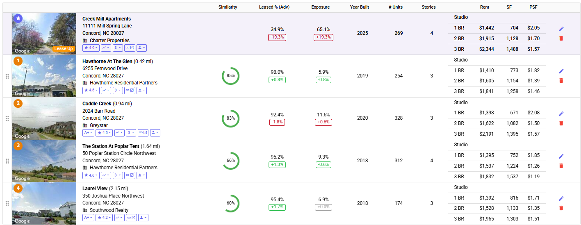
Orphanage Rd
Unit Mix (Vetting Model Only)

 | Total Units |  | 126

 | Floorplan | Type | # | % | SF | $ | PSF
 | 1 Bedroom | 1 Bedroom | 76 | 60.0% | 800 | $1,470 | $1.84 | 1) Creek Mill Apartments |  |  |  |  |  |  |  | Active Adult Comps (Too distant and lied in Mecklenberg County)
 | 2 Bedroom | 2 Bedroom | 50 | 40.0% | 1,100 | $1,765 | $1.60 | Type | # | % | SF | Rent | Rent PSF | Type | Multifamily | *Ignored for Rent comp calculation
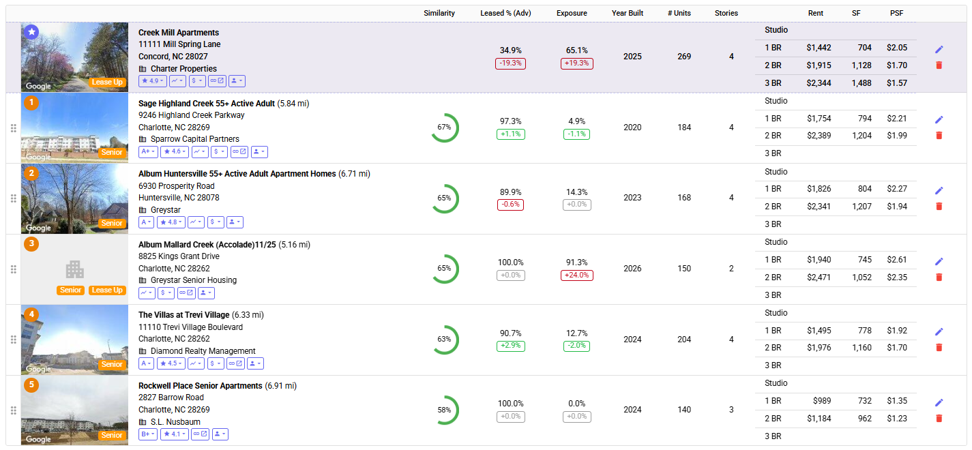
 |  |  | 0 | 0.0% |  |  | $0.00 | Studio |  | #DIV/0! |  |  | - | Year Built | 2025
 |  |  | 0 | 0.0% |  |  | $0.00 | 1 BR |  | #DIV/0! | 704 | $1,442 | $2.05 | Vacancy | 65.1%
 |  |  | 0 | 0.0% |  |  | $0.00 | 2 BR |  | #DIV/0! | 1,128 | $1,915 | $1.70 | Developer
 |  |  | 0 | 0.0% |  |  | $0.00 | 3 BR |  | #DIV/0! | 1,488 | $2,344 | $1.58 | Owner | CREEK MILL APARTMENTS LLC
 |  |  | 0 | 0.0% |  |  | $0.00 | TH |  | #DIV/0! |  |  | - | Link to Website | Link
 |  |  | 0 | 0.0% |  |  | $0.00 | Total | 0 | #DIV/0! | #DIV/0! | #DIV/0! | -
 | Total |  | 126 | 100.0% | 919 | $1,588 | $1.73
 |  |  |  |  |  |  |  | 2) Hawthorne At The Glen
 | Studio |  | 0 | 0.0% | 0 | $0 | $0.00 | Type | # | % | SF | Rent | Rent PSF | Type | Multifamily
 | 1 Bedroom |  | 76 | 60.3% | 800 | $1,470 | $1.84 | Studio |  | #DIV/0! |  |  | - | Year Built | 2019
 | 2 Bedroom |  | 50 | 39.7% | 1,100 | $1,765 | $1.60 | 1 BR |  | #DIV/0! | 773 | $1,410 | $1.82 | Vacancy | 5.9%
 | 3 Bedroom |  | 0 | 0.0% | 0 | $0 | $0.00 | 2 BR |  | #DIV/0! | 1,154 | $1,605 | $1.39 | Developer
 | Townhouse |  | 0 | 0.0% | 0 | $0 | $0.00 | 3 BR |  | #DIV/0! | 1,258 | $1,841 | $1.46 | Owner | Hawthorne Glen Afton Apartments Llc
 | Total |  | 126 | 100.0% | 919 | $1,587 | $1.73 | TH |  | #DIV/0! |  |  | - | Link to Website | Link
 |  |  |  |  |  |  |  | Total | 0 | #DIV/0! | #DIV/0! | #DIV/0! | -

 |  |  |  |  |  |  |  | 3) Coddle Creek
 |  |  |  |  |  |  |  | Type | # | % | SF | Rent | Rent PSF | Type | Multifamily
 |  |  |  |  |  |  |  | Studio |  | #DIV/0! |  |  | - | Year Built | 2020
 |  |  |  |  |  |  |  | 1 BR |  | #DIV/0! | 671 | $1,398 | $2.08 | Vacancy | 11.6%
 |  |  |  |  |  |  |  | 2 BR |  | #DIV/0! | 1,082 | $1,622 | $1.50 | Developer
 |  |  |  |  |  |  |  | 3 BR |  | #DIV/0! | 1,395 | $2,191 | $1.57 | Owner | Wop Coddle Creek Llc
 |  |  |  |  |  |  |  | TH |  | #DIV/0! |  |  | - | Link to Website | Link
 |  |  |  |  |  |  |  | Total | 0 | #DIV/0! | #DIV/0! | #DIV/0! | -

