Rent Comp
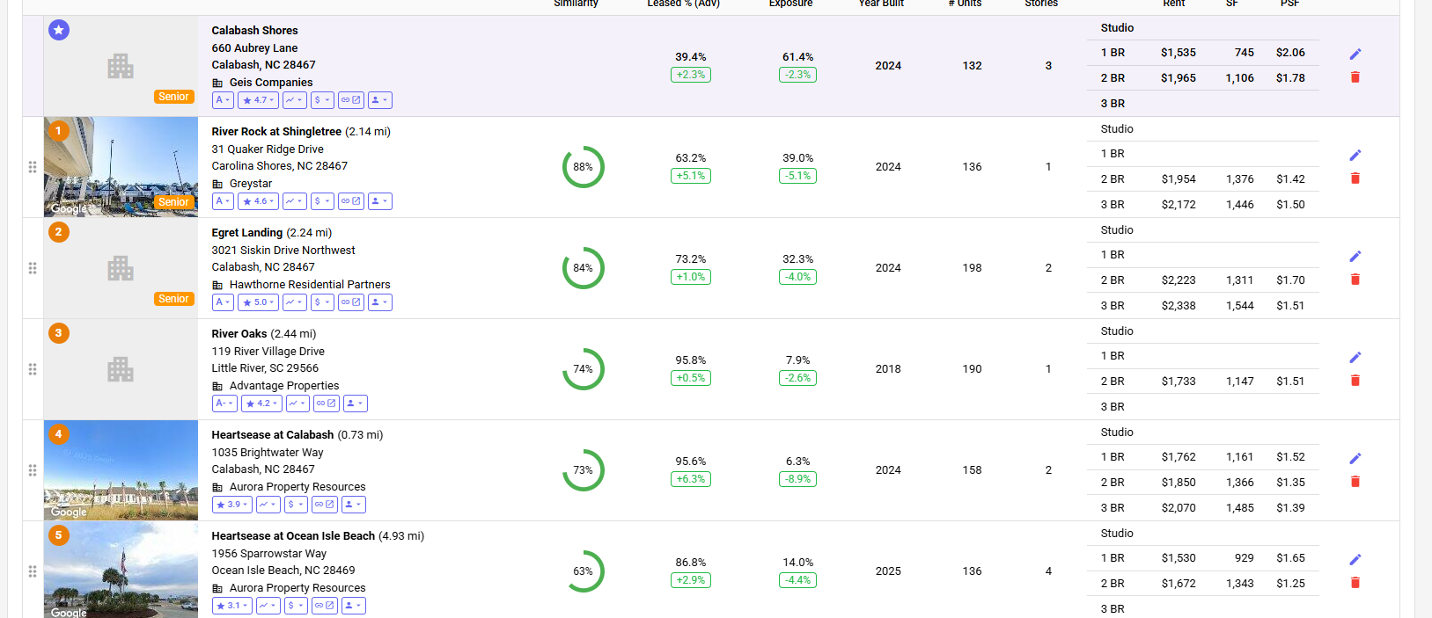
Property Id | Building Name | Link to Website | Address | Units | Yr Blt/Ren | Avg SF | mi Away | Rent/SF | 1 bed | SqFt | Rent psf | 2 Beds | SqFt | Rent psf | Occ %

 | Subject Property |  |  |  |  |  |  | Actual rents from Rent Roll
 | Calabash Shores | Link | 660 Aubrey Ln Calabash, NC, 28467 | 132 | 2024 |  |  | $1.97 | $1,569 | 745 | $2.11 | $2,442 | 1068.6 | $2.28 | 28.0%

 | Comps
1 | River Rock at Shingletree | Link | 31 Quaker Ridge Drive Carolina Shores, NC 28467 | 136 | 2024 |  | 2.14 |  |  |  | #DIV/0! | $1,954 | 1376 | $1.42 | 63.2%
2 | Egret Landing | Link | 3021 Siskin Drive Northwest Calabash, NC 28467 | 198 | 2024 |  | 2.24 |  |  |  | #DIV/0! | $2,223 | 1311 | $1.70 | 73.2%
3 | River Oaks | Link | 119 River Village Drive Little River, SC 29566 | 190 | 2018 |  | 2.44 |  |  |  | #DIV/0! | $1,733 | 1147 | $1.51 | 95.8%
4 | Heartsease at Calabash | Link | 1035 Brightwater Way Calabash, NC 28467 | 158 | 2024 |  | 0.73 |  | $1,762 | 1161 | $1.52 | $1,850 | 1366 | $1.35 | 95.6%
5 | Heartsease at Ocean Isle Beach | Link | 1956 Sparrowstar Way Ocean Isle Beach, NC 28469 | 136 | 2025 |  | 4.93 |  | $1,530 | 929 | $1.65 | $1,672 | 1343 | $1.24 | 86.8%

Rent Comps
 | Avg Rent of Comps | Subject Prop Rent
1 Beds | 1,646 | 1,569
Sqft | 1,045 | 745
 |  |  |  |  |  |  |  |  | 1 Beds | Sqft | PSF | 2 Beds | Sqft | PSF
 |  |  |  |  |  | A. | Avg Rent of Comps |  | $1,646 | 1,045 | #DIV/0! | $1,886 | 1,309 | $1.45
 |  |  |  |  |  | B. | Subject Prop Rent |  | $1,569 | 745 | $2.11 | $2,442 | 1,069 | $2.28

 |  |  |  |  |  | C. | C=A-B |  | $77 |  | #DIV/0! | -$555 |  | -$0.84
 |  |  |  |  |  | *Source - Hello Data

