1.首页
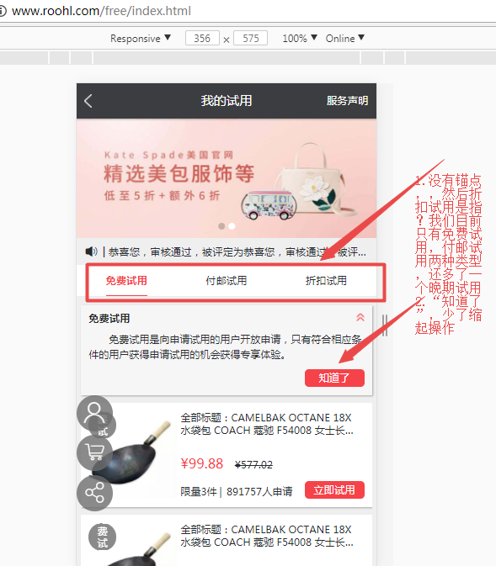
1.首页
http://shop.rongec.com/app/index.php?i=10&c=entry&do=list&m=sen_appfreeitem

1.1试用商品详情
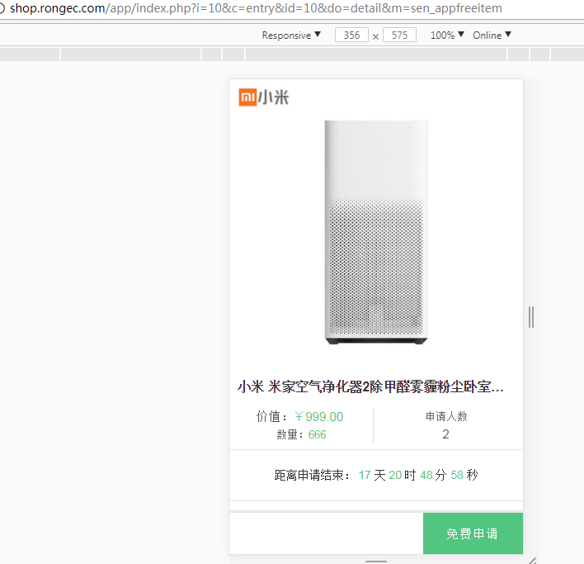
1.1试用商品详情
http://shop.rongec.com/app/index.php?i=10&c=entry&id=10&do=detail&m=sen_appfreeitem

1.2购买页面
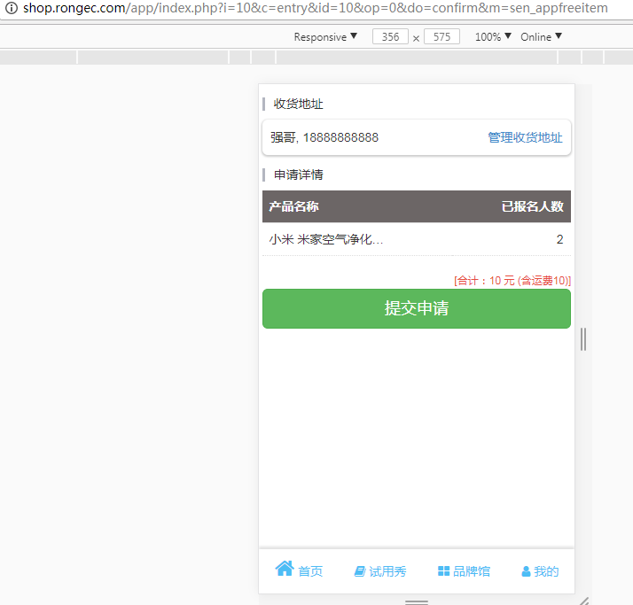
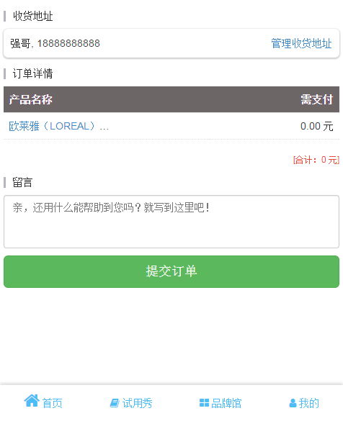
1.2购买页面
http://shop.rongec.com/app/index.php?i=10&c=entry&id=10&op=0&do=confirm&m=sen_appfreeitem | http://shop.rongec.com/app/index.php?i=10&c=entry&id=13&op=1&do=confirm&m=sen_appfreeitem

1.3试用报告反馈
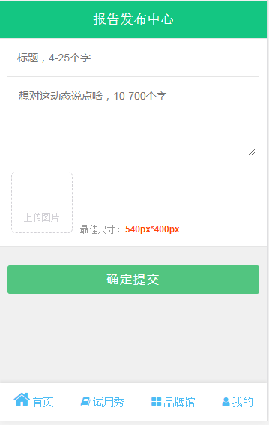
1.3试用报告反馈
http://shop.rongec.com/app/index.php?i=10&c=entry&orderid=14047&do=baogao&m=sen_appfreeitem

2.试用秀
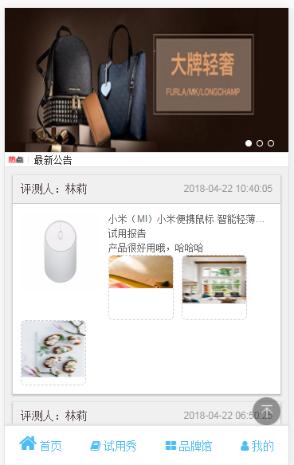
2.试用秀
http://shop.rongec.com/app/index.php?i=10&c=entry&op=jpcp&do=list2&m=sen_appfreeitem

2.1试用秀详情
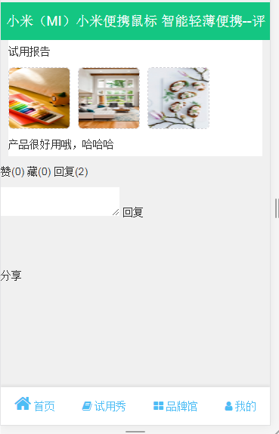
2.1试用秀详情
http://shop.rongec.com/app/index.php?i=10&c=entry&report_id=57&do=baogao&m=sen_appfreeitem

2.2分享效果
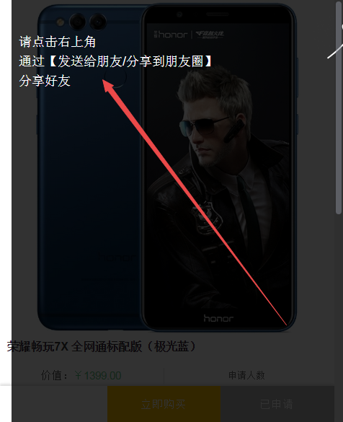
2.2分享效果
http://shop.rongec.com/app/index.php?i=10&c=entry&id=4&do=detail&m=sen_appfreeitem

3.品牌馆
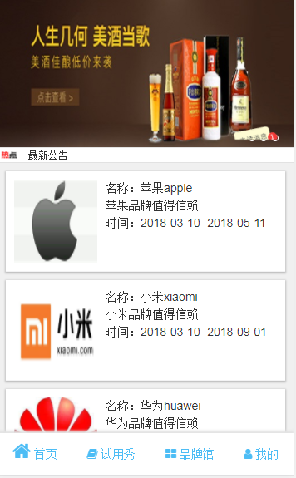
3.品牌馆
http://shop.rongec.com/app/index.php?i=10&c=entry&do=brand&m=sen_appfreeitem

3.1品牌馆列表
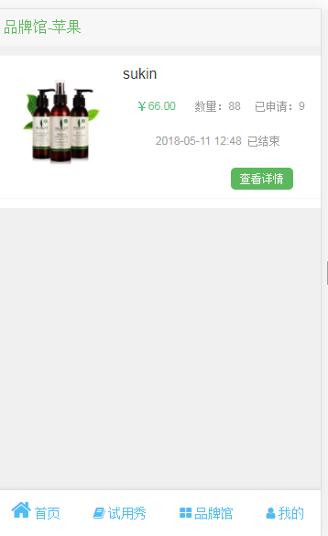
3.1品牌馆列表
http://shop.rongec.com/app/index.php?i=10&c=entry&brand_id=76&brand_name=%E8%8B%B9%E6%9E%9C&do=list&m=sen_appfreeitem

4.我的首页
4.我的首页
http://shop.rongec.com/app/index.php?i=10&c=entry&do=myorder&m=sen_appfreeitem
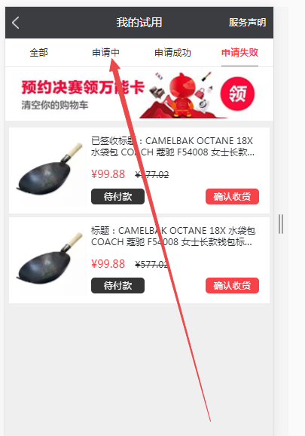
 | 这些tab建议做成ajax请求数据，不然不好翻页
 | 而且少导航到首页，品牌馆，试用秀等

4.1我的试用_我的购买_我的订单
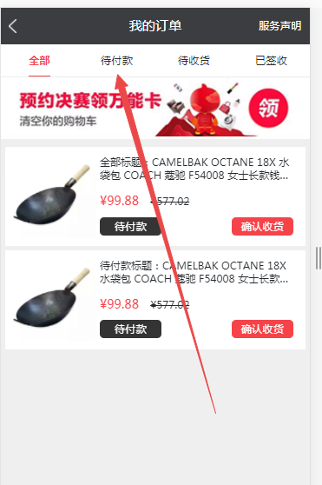
4.1我的试用/我的购买（我的订单）
http://shop.rongec.com/app/index.php?i=10&c=entry&state=9&do=myorder&m=sen_appfreeitem

4.2我的收藏_我的点赞
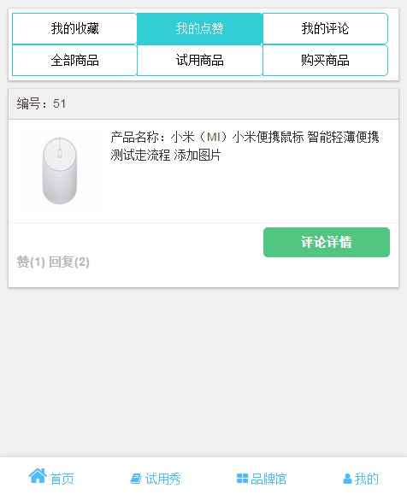
4.2我的收藏/我的点赞
http://shop.rongec.com/app/index.php?i=10&c=entry&type=2&do=MyCenter&m=sen_appfreeitem

4.3我的评论
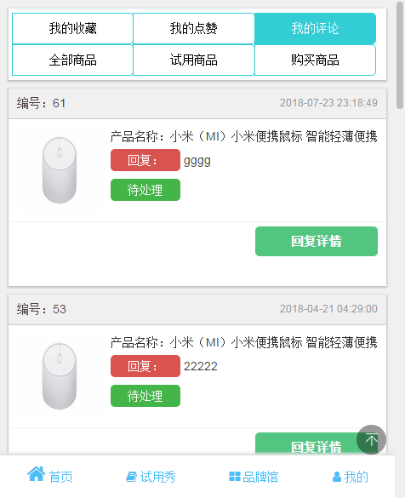
4.3我的评论
http://shop.rongec.com/app/index.php?i=10&c=entry&type=3&do=MyCenter&m=sen_appfreeitem

4.4我的地址
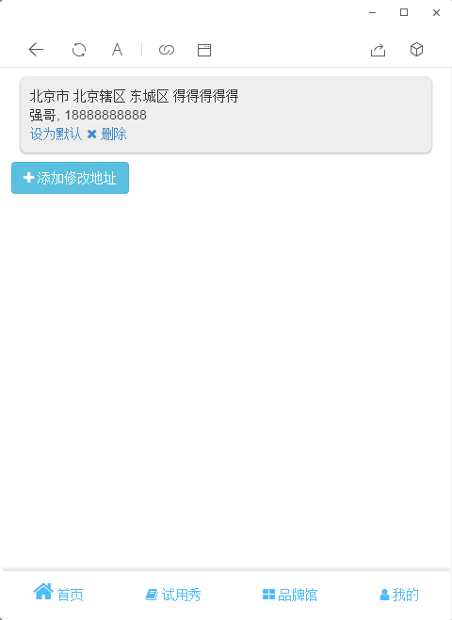
4.4我的地址
http://shop.rongec.com/app/index.php?i=10&c=entry&from=confirm&returnurl=.%252Findex.php%253Fi%253D10%2526c%253Dentry%2526id%253D8%2526do%253Dconfirm%2526m%253Dsen_appfreeitem&do=address&m=sen_appfreeitem

5.试用规则
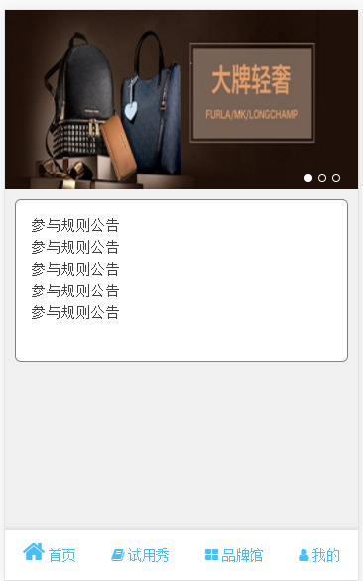
5.试用规则
http://shop.rongec.com/app/index.php?i=10&c=entry&do=rule&m=sen_appfreeitem

