8. Outputs
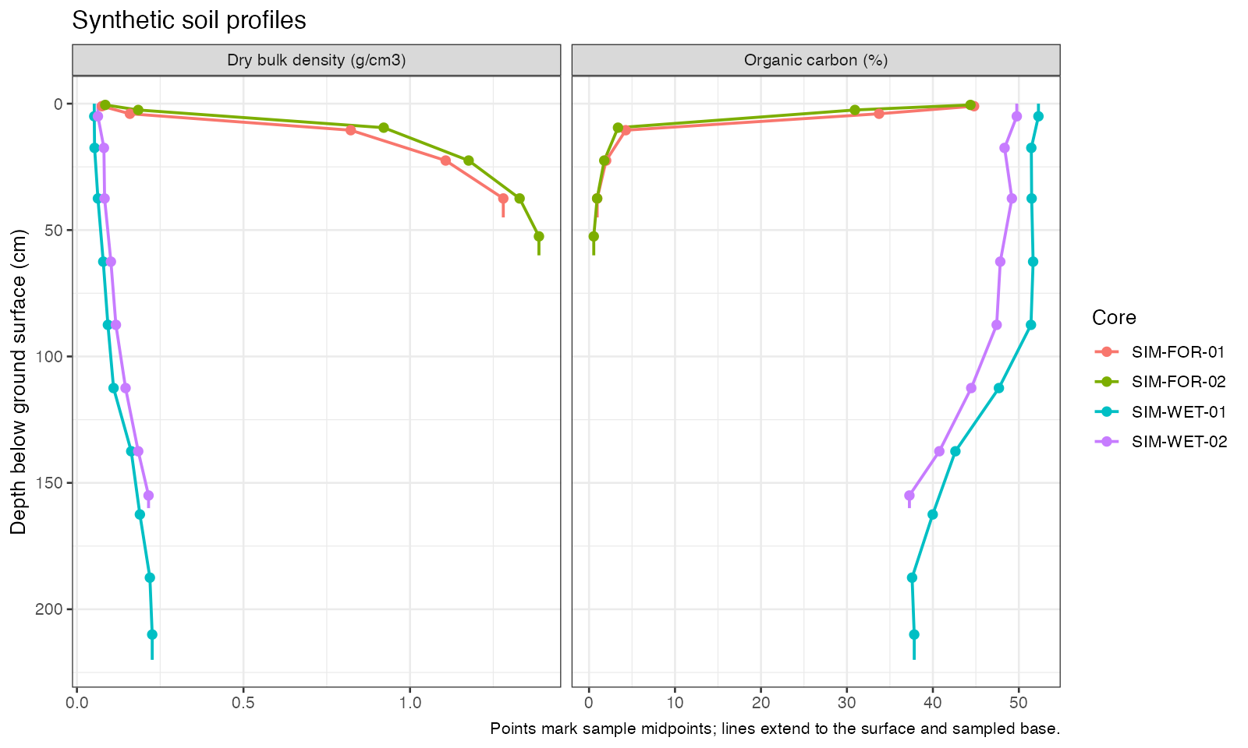
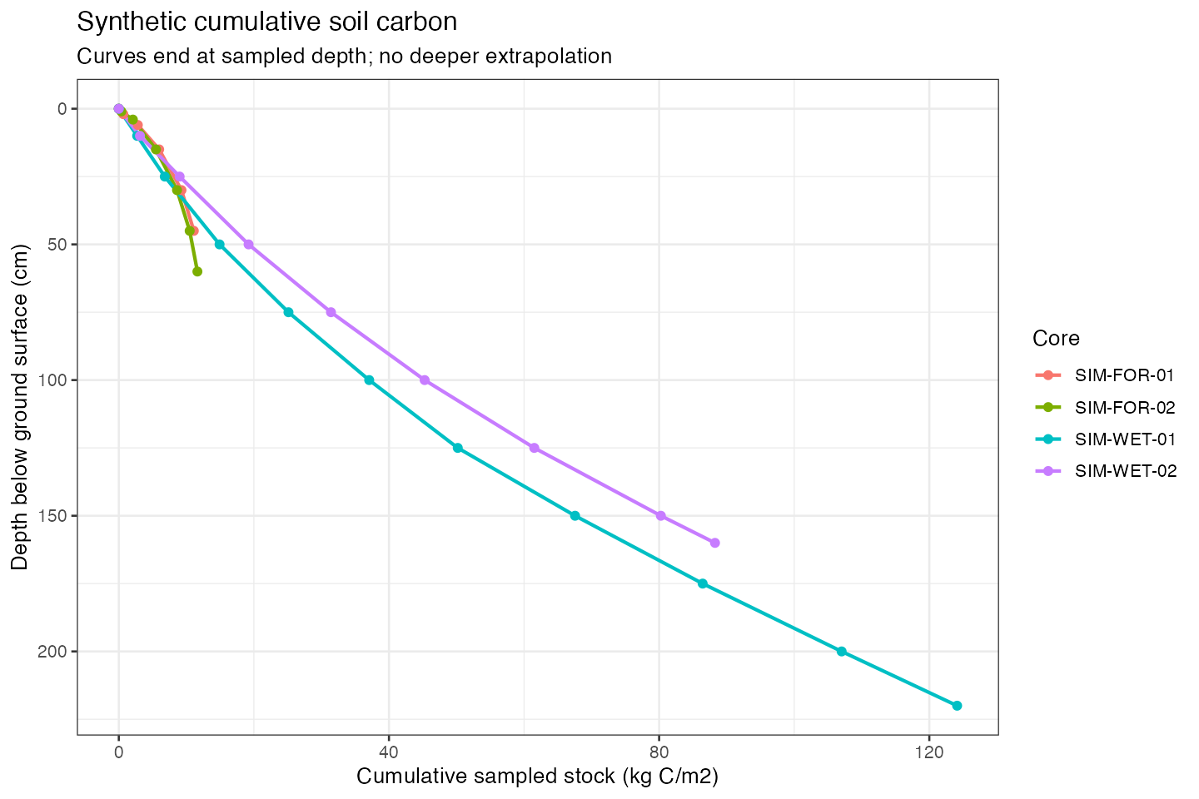
PART 1 FIELD BASED OUTPUTS
Soil organic carbon only. | 0–30 cm is the common comparison depth. |  | Sampled totals cover different depths. |  | Figures refresh after running step 06. |  |  | 0–30 cm calculation detail linked to input rows

Core ID | Group | Sampled depth (cm) | 0–30 cm (kg C/m²) | 0–30 cm (t C/ha) | Sampled profile (kg C/m²) | Complete 0–100 cm (kg C/m²) | Complete to 100 cm? | Core ID | Top cm | Bottom cm | BD g/cm³ | Organic C % | Overlap cm | 0–30 cm stock kg C/m²
PM-03-A | Forest cores | 30.725 | 9.93 | 99.31 | 10.11 |  | No | FS-02 | 20 | 30 | 1.103 | 1.500 | 10.000 | 1.655
FS-01 | Forest cores | 30 | 14.26 | 142.63 | 14.26 |  | No | FS-01 | 0 | 10 | 1.763 | 3.000 | 10.000 | 5.289
PM-01-A | Wetland cores | 14.5 |  |  | 3.06 | 3.06 | Yes | FS-01 | 10 | 20 | 1.594 | 4.100 | 10.000 | 6.535
PM-02-A | Wetland cores | 20.7 |  |  | 3.08 | 3.08 | Yes | FS-01 | 20 | 30 | 1.435 | 1.700 | 10.000 | 2.439
 |  |  |  |  |  |  |  | #REF! | #REF! | #REF! | #REF! | #REF! | #REF! | #REF!
 |  |  |  |  |  |  |  | #REF! | #REF! | #REF! | #REF! | #REF! | #REF! | #REF!
DESCRIPTIVE STATISTICS AT 0–30 CM |  |  |  |  |  |  |  | #REF! | #REF! | #REF! | #REF! | #REF! | #REF! | #REF!
SD: sample standard deviation. | CV = SD / mean. |  | Sample summaries only. |  | No AOI estimates or intervals. |  |  | #REF! | #REF! | #REF! | #REF! | #REF! | #REF! | #REF!
 |  |  |  |  |  |  |  | #REF! | #REF! | #REF! | #REF! | #REF! | #REF! | #REF!
Group | Number of cores | Mean kg C/m² | Sample SD kg C/m² | CV | Mean t C/ha |  |  | #REF! | #REF! | #REF! | #REF! | #REF! | #REF! | #REF!
Forest cores | 2 | 12.10 | 3.06 | 25.3% | 120.97 |  |  | #REF! | #REF! | #REF! | #REF! | #REF! | #REF! | #REF!
Wetland cores | 0 |  |  |  |  |  |  | PM-01-A | 0 | 14.5 | 0.093 | 22.700 | 14.500 | 3.058
 |  |  |  |  |  |  |  | PM-02-A | 0 | 15.2 | 0.083 | 22.700 | 15.200 | 2.853
 |  |  |  |  |  |  |  | PM-02-A | 15.2 | 20.7 | 0.266 | 1.570 | 5.500 | 0.230
 |  |  |  |  |  |  |  | PM-03-A | 0 | 8.625 | 0.050 | 36.500 | 8.625 | 1.577
 |  |  |  |  |  |  |  | PM-03-A | 8.625 | 17.725 | 0.076 | 42.400 | 9.100 | 2.929
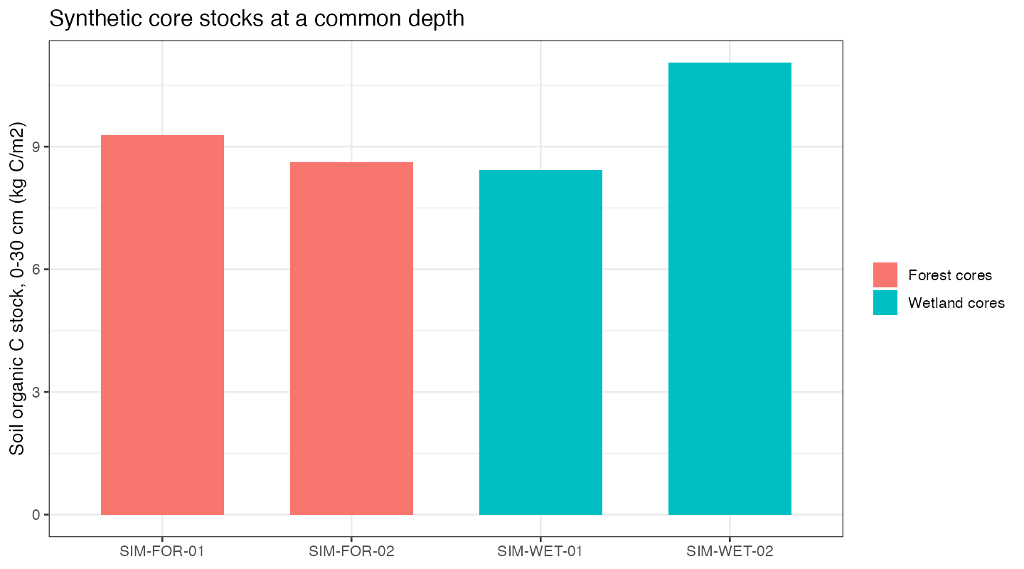
 |  |  |  |  |  |  |  | PM-03-A | 17.725 | 25.225 | 0.146 | 38.900 | 7.500 | 4.257
 |  |  |  |  |  |  |  | PM-03-A | 25.225 | 30.725 | 0.229 | 10.700 | 4.775 | 1.168
 |  |  |  |  |  |  |  | FS-05 | 0 | 10 | 0.279 | 8.600 | 10.000 | 2.404
 |  |  |  |  |  |  |  | FS-05 | 10 | 20 | 2.037 | 1.100 | 10.000 | 2.240
 |  |  |  |  |  |  |  | FS-05 | 20 | 30 | 1.624 | 0.900 | 10.000 | 1.462
 |  |  |  |  |  |  |  | FS-04 | 0 | 10 | 1.975 | 3.100 | 10.000 | 6.121
 |  |  |  |  |  |  |  | FS-04 | 10 | 20 | 0.997 | 1.800 | 10.000 | 1.794
 |  |  |  |  |  |  |  | FS-04 | 20 | 30 | 1.054 | 0.800 | 10.000 | 0.843
 |  |  |  |  |  |  |  | FS-03 | 0 | 10 | 2.063 | 1.000 | 10.000 | 2.063
 |  |  |  |  |  |  |  | FS-03 | 10 | 20 | 2.181 | 0.500 | 10.000 | 1.091
 |  |  |  |  |  |  |  | FS-03 | 20 | 30 | 2.137 | 0.500 | 10.000 | 1.068
 |  |  |  |  |  |  |  | FS-02 | 0 | 10 | 0.747 | 5.200 | 10.000 | 3.883
 |  |  |  |  |  |  |  | FS-02 | 10 | 20 | 1.497 | 1.900 | 10.000 | 2.844

