Metrics
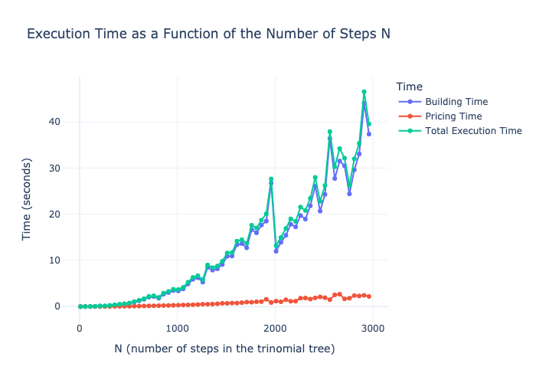
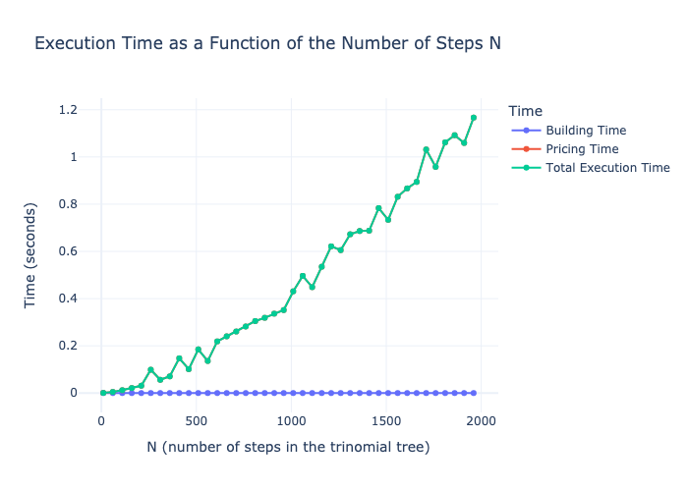
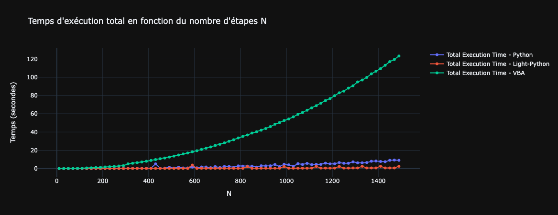
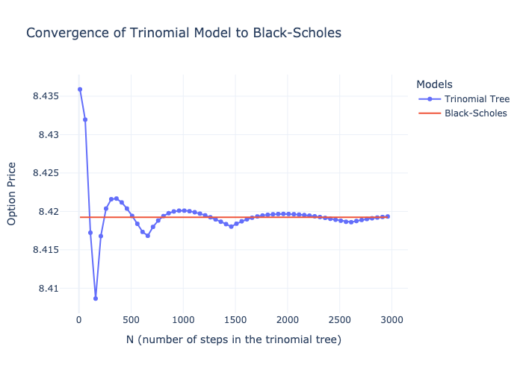
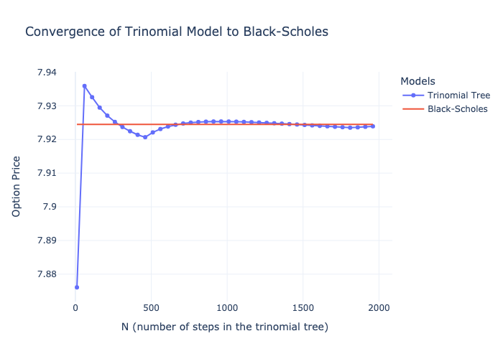
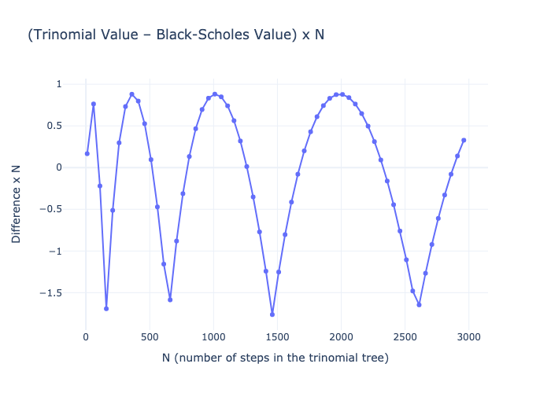
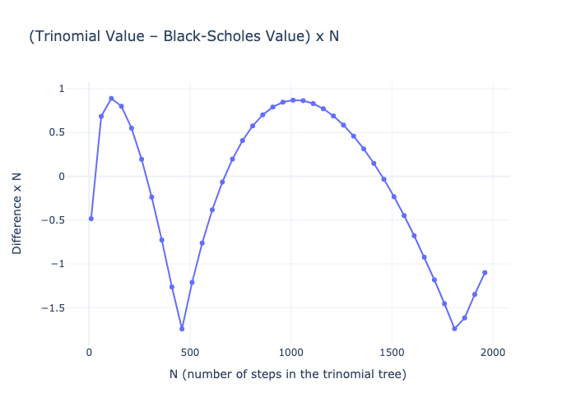
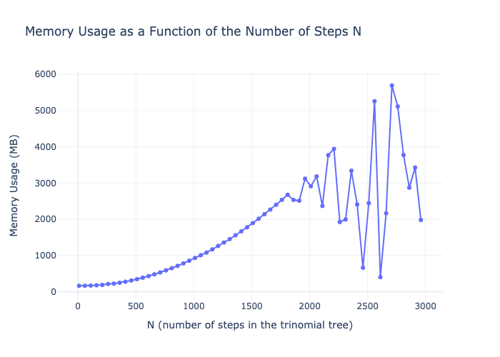
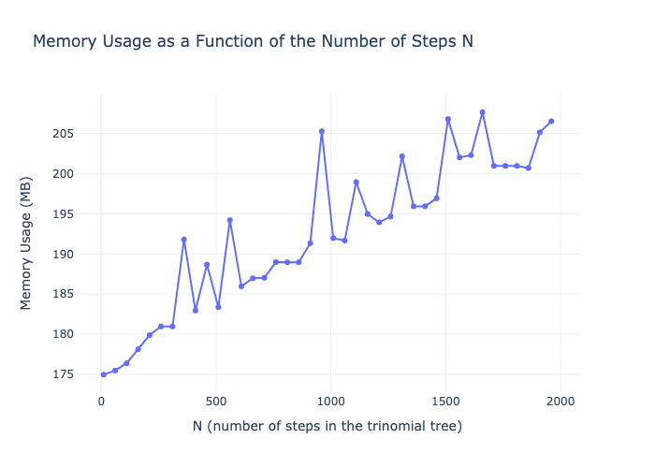
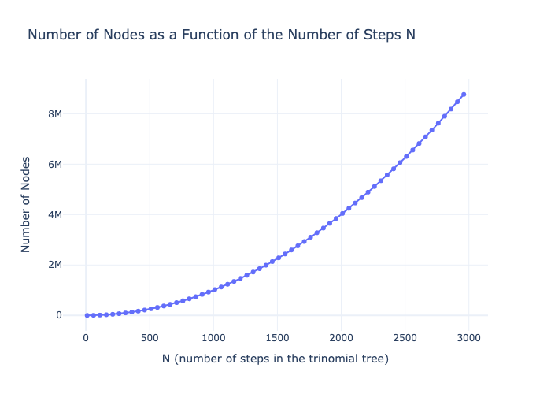
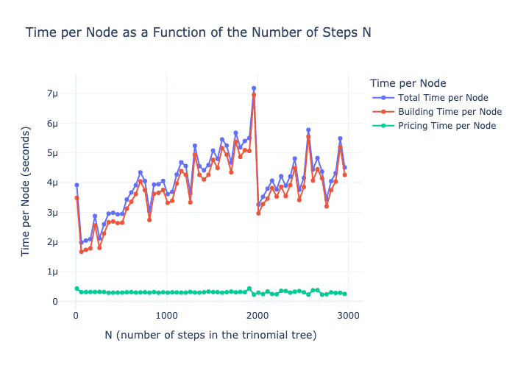
N Array for Metrics | Start | End | Step
 | 10 | 2000 | 50

Metrics for Python without Memory optimisation |  |  |  | Metrics for Python with Memory optimisation (Light Mode) | Total execution time for VBA, Python, and Light Python

Greeks
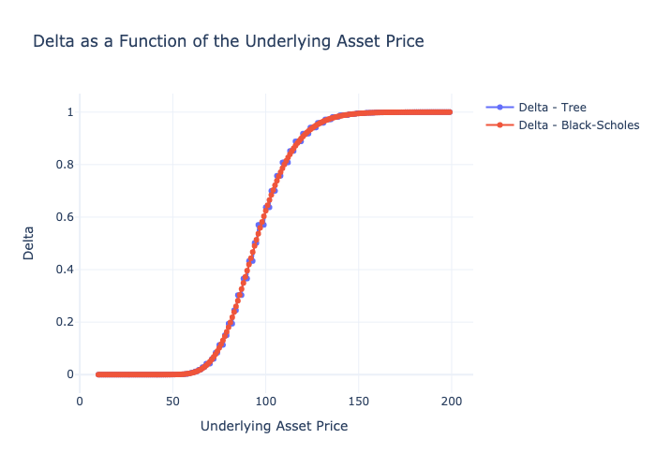
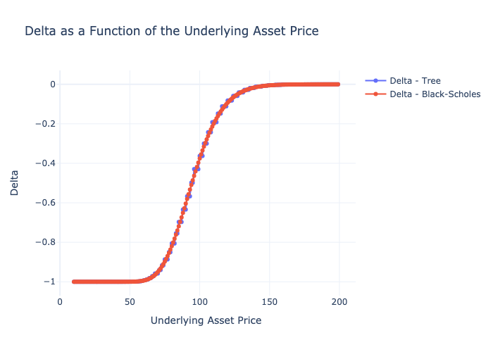
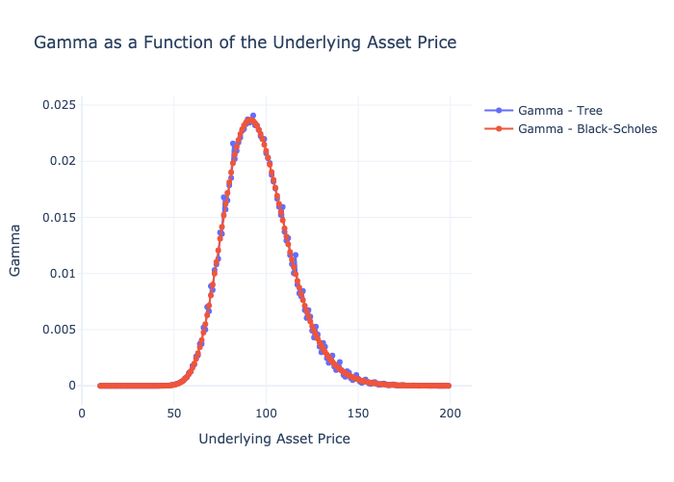
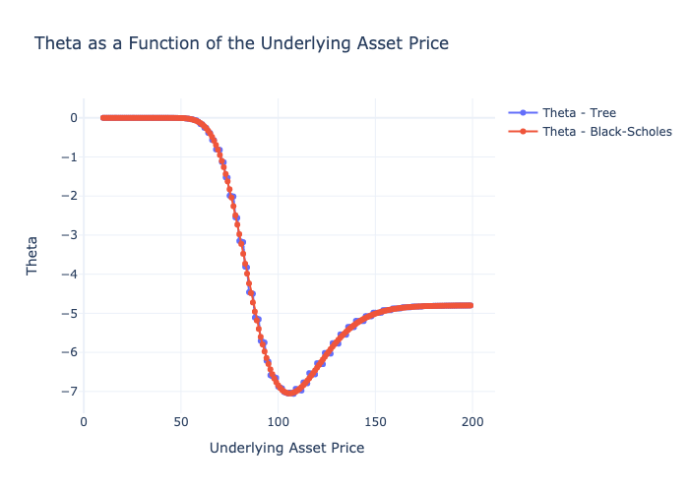

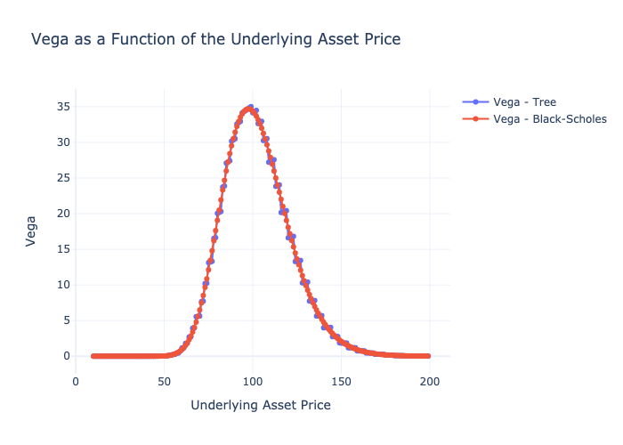
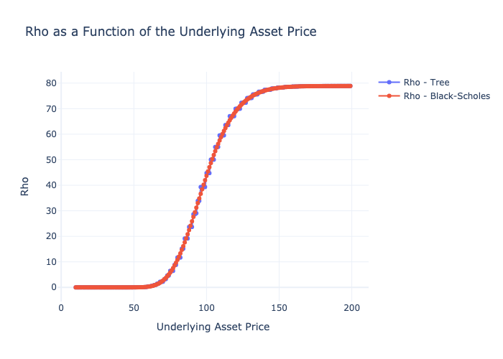
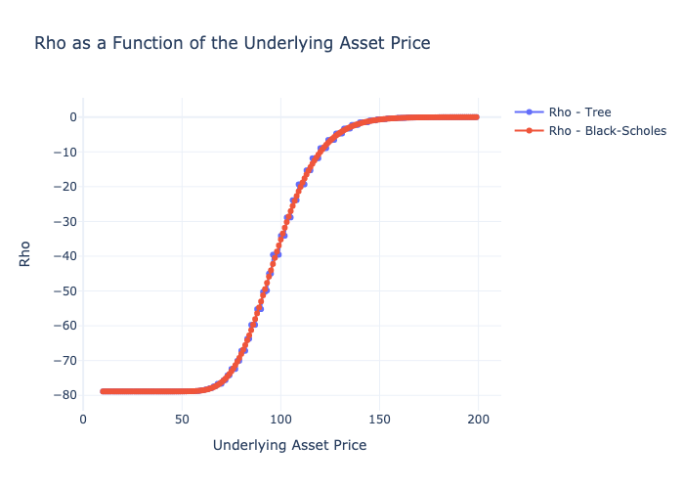
put
 | S0 Array for Greeks | Start | End | Step |  | Precision (N)
 |  | 10 | 200 | 1 |  | 100

 | Greeks for Call |  |  |  | Greeks for Put

Python - Graph
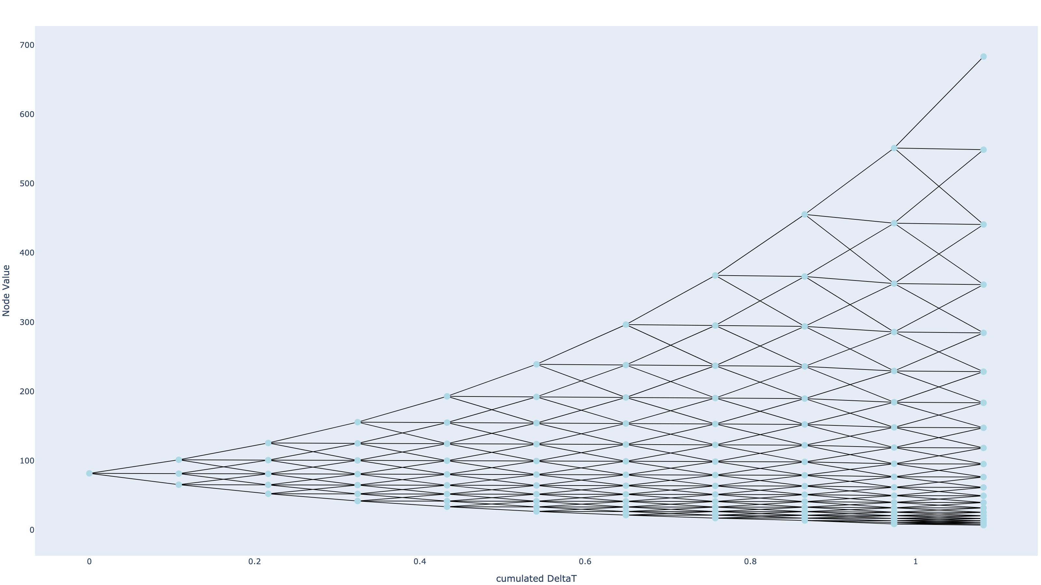

-0.8772068837 | -0.84837655098
-0.00011537217089 | 0.0071861067685
0.17101379016 | 0.19958980501
-0.02217941586 | -0.023134660499
-1.3786219539 | -1.3352838528

