Binomial 5-Steps Calculator
$$Inputs$$
$$Outputs$$
$773.26

$$American$$
$$Options$$
 | 4.11% |  | 740 |  |  | Price | Delta | Gamma | Theta
 | 750 |  | 1.0315 |  | Call | 18.69 | Δ 0.464 | Γ 0.008 | -0.1692 |  |  |  | 5
 | 15.11% |  | 0.9694 |  | Put | 24.21 | -Δ 0.547 | Γ 0.009 | -0.1116
$$European$$
$$Options$$
 | 1.02% |  | 51.3259% |  |  | Price | Delta | Gamma | Theta |  |  | - | p = 3.56%
 | 5 |  | 48.6741% |  | Call | 18.69 | Δ 0.464 | Γ 0.008 | -0.1692 |  | 4 |  | 864.27
 | 2026-10-24 |  | 0.21111111111 |  | Put | 23.80 | -Δ 0.534 | Γ 0.008 | -0.1060 |  |  |  | 1-p = 96.44%
 | 1.0017368399 |  | 0.042222222222 |  |  |  |  |  |  | - | p = 6.94%
 |  |  |  |  |  |  |  |  | 3 |  | 837.85
 |  |  |  |  |  |  |  |  |  |  | 1-p = 93.06%
 |  |  |  |  |  |  |  | - | p = 13.52% |  |  | 1.00 | p = 16.89%
 |  |  |  |  |  |  | 2 |  | 812.24 |  |  |  | 812.24
 |  |  |  |  |  |  |  |  | 1-p = 86.48% |  |  |  | 1-p = 83.11%
 |  |  |  |  |  | - | p = 26.34% |  |  | 1.00 | p = 26.32%
 |  |  |  |  | 1 |  | 787.41 |  |  |  | 787.41
 |  |  |  |  |  |  | 1-p = 73.66% |  |  |  | 1-p = 73.68%
 |  |  |  | - | p = 51.33% |  |  | 1.00 | p = 38.47% |  |  | 2.00 | p = 32.03%
 |  |  | 0 |  | 763.34 |  |  |  | 763.34 |  |  |  | 763.34
 |  |  |  |  | 1-p = 48.67% |  |  |  | 1-p = 61.53% |  |  |  | 1-p = 67.97%
 |  |  |  |  |  | 1.00 | p = 49.96% |  |  | 2.00 | p = 37.45%
 |  |  | 740.00 |  |  |  | 740.00 |  |  |  | 740.00
 |  |  |  |  |  |  | 1-p = 50.04% |  |  |  | 1-p = 62.55%
 |  |  |  | 1.00 | p = 48.67% | - |  | 2.00 | p = 36.48% |  |  | 3.00 | p = 30.38%
 |  |  |  |  | 717.38 |  |  |  | 717.38 |  |  |  | 717.38
 |  |  |  |  | 1-p = 51.33% |  |  |  | 1-p = 63.52% |  |  |  | 1-p = 69.62%
 |  |  |  |  |  | 2.00 | p = 23.69% |  |  | 3.00 | p = 23.67%
 |  |  |  |  |  |  | 695.45 |  |  |  | 695.45
 |  |  |  |  |  |  | 1-p = 76.31% |  |  |  | 1-p = 76.33%
 |  |  |  |  |  |  |  | 3.00 | p = 11.53% |  |  | 4.00 | p = 14.40%
 |  |  |  |  |  |  |  |  | 674.19 |  |  |  | 674.19
 |  |  |  |  |  |  |  |  | 1-p = 88.47% |  |  |  | 1-p = 85.60%
 |  |  |  |  |  |  |  |  |  | 4.00 | p = 5.61%
 |  |  |  |  |  |  |  |  |  |  | 653.58
 |  |  |  |  |  |  |  |  |  |  | 1-p = 94.39%
 |  |  |  |  |  |  |  |  |  |  |  | 5.00 | p = 2.73%
 |  |  |  |  |  |  |  |  |  |  |  |  | 633.59
 |  |  |  |  |  |  |  |  |  |  |  |  | 1-p = 97.27%

$$European Call Value$$

 |  |  |  |  |  |  |  |  |  |  |  |  | 5

 |  |  |  |  |  |  |  |  |  |  | 4 |  | 114.27

 |  |  |  |  |  |  |  |  |  |  | Δ 1.000
 |  |  |  |  |  |  |  |  | 3 |  | 88.79

 |  |  |  |  |  |  |  |  | Δ 1.000
 |  |  |  |  |  |  | 2 |  | 64.14 |  |  |  | 62.24
 |  |  |  |  |  |  |  |  | Γ 0.000
 |  |  |  |  |  |  | Δ 0.842 |  |  |  | Δ 1.000
 |  |  |  |  | 1 |  | 44.03 |  |  |  | 38.37
 |  |  |  |  |  |  | Γ 0.007
 |  |  |  |  | Δ 0.644 |  |  |  | Δ 0.665
 |  |  | 0 |  | 29.11 |  |  |  | 22.98 |  |  |  | 13.34
 |  |  |  |  | Γ 0.009 |  |  |  | Γ 0.015
 |  |  | Δ 0.464 |  |  |  | Δ 0.424 |  |  |  | Δ 0.290
 |  |  | 18.69 |  |  |  | 13.48 |  |  |  | 6.83
 |  |  | Γ 0.008 |  |  |  | Γ 0.011
 |  |  |  |  | Δ 0.262 |  |  |  | Δ 0.153
 |  |  |  |  | 7.78 |  |  |  | 3.50 |  |  |  | -
 |  | θ (annual) | (61.771) |  | Γ 0.008 |  |  |  | Γ 0.007
 |  | θ (daily) | (0.1692) |  |  |  | Δ 0.081 |  |  |  | Δ 0.000
 |  |  |  |  |  |  | 1.79 |  |  |  | -
 |  |  |  |  |  |  | Γ 0.004
 |  |  |  |  |  |  |  |  | Δ 0.000
 |  |  |  |  |  |  |  |  | - |  |  |  | -
 |  |  |  |  |  |  |  |  | Γ 0.000
 |  |  |  |  |  |  |  |  |  |  | Δ 0.000
 |  |  |  |  |  |  |  |  |  |  | -

 |  |  |  |  |  |  |  |  |  |  |  |  | -

$$European Put Value$$
 |  |  |  |  |  |  |  |  |  |  |  |  | 5

 |  |  |  |  |  |  |  |  |  |  | 4 |  | -

 |  |  |  |  |  |  |  |  |  |  | Δ 0.000
 |  |  |  |  |  |  |  |  | 3 |  | -

 |  |  |  |  |  |  |  |  | Δ 0.000
 |  |  |  |  |  |  | 2 |  | - |  |  |  | -
 |  |  |  |  |  |  |  |  | Γ 0.000
 |  |  |  |  |  |  | -Δ 0.157 |  |  |  | Δ 0.000
 |  |  |  |  | 1 |  | 3.74 |  |  |  | -
 |  |  |  |  |  |  | Γ 0.007
 |  |  |  |  | -Δ 0.354 |  |  |  | -Δ 0.334
 |  |  | 0 |  | 11.90 |  |  |  | 7.70 |  |  |  | -
 |  |  |  |  | Γ 0.009 |  |  |  | Γ 0.015
 |  |  | -Δ 0.534 |  |  |  | -Δ 0.575 |  |  |  | -Δ 0.710
 |  |  | 23.80 |  |  |  | 20.54 |  |  |  | 15.85
 |  |  | Γ 0.008 |  |  |  | Γ 0.011
 |  |  |  |  | -Δ 0.737 |  |  |  | -Δ 0.846
 |  |  |  |  | 36.45 |  |  |  | 34.14 |  |  |  | 32.62
 |  | θ (annual) | (38.695) |  | Γ 0.008 |  |  |  | Γ 0.007
 |  | θ (daily) | (0.1060) |  |  |  | -Δ 0.918 |  |  |  | -Δ 1.000
 |  |  |  |  |  |  | 53.35 |  |  |  | 53.55
 |  |  |  |  |  |  | Γ 0.004
 |  |  |  |  |  |  |  |  | -Δ 1.000
 |  |  |  |  |  |  |  |  | 73.80 |  |  |  | 75.81
 |  |  |  |  |  |  |  |  | Γ 0.000
 |  |  |  |  |  |  |  |  |  |  | -Δ 1.000
 |  |  |  |  |  |  |  |  |  |  | 95.41

 |  |  |  |  |  |  |  |  |  |  |  |  | 116.41

$$American Call Value$$

 |  |  |  |  |  |  |  |  |  |  |  |  | 5

 |  |  |  |  |  |  |  |  |  |  | 4 |  | 114.27

 |  |  |  |  |  |  |  |  |  |  | Δ 1.000
 |  |  |  |  |  |  |  |  | 3 |  | 88.79

 |  |  |  |  |  |  |  |  | Δ 1.000
 |  |  |  |  |  |  | 2 |  | 64.14 |  |  |  | 62.24
 |  |  |  |  |  |  |  |  | Γ 0.000
 |  |  |  |  |  |  | Δ 0.842 |  |  |  | Δ 1.000
 |  |  |  |  | 1 |  | 44.03 |  |  |  | 38.37
 |  |  |  |  |  |  | Γ 0.007
 |  |  |  |  | Δ 0.644 |  |  |  | Δ 0.665
 |  |  | 0 |  | 29.11 |  |  |  | 22.98 |  |  |  | 13.34
 |  |  |  |  | Γ 0.009 |  |  |  | Γ 0.015
 |  |  | Δ 0.464 |  |  |  | Δ 0.424 |  |  |  | Δ 0.290
 |  |  | 18.69 |  |  |  | 13.48 |  |  |  | 6.83
 |  |  | Γ 0.008 |  |  |  | Γ 0.011
 |  |  |  |  | Δ 0.262 |  |  |  | Δ 0.153
 |  |  |  |  | 7.78 |  |  |  | 3.50 |  |  |  | -
 |  | θ (annual) | (61.771) |  | Γ 0.008 |  |  |  | Γ 0.007
 |  | θ (daily) | (0.1692) |  |  |  | Δ 0.081 |  |  |  | Δ 0.000
 |  |  |  |  |  |  | 1.79 |  |  |  | -
 |  |  |  |  |  |  | Γ 0.004
 |  |  |  |  |  |  |  |  | Δ 0.000
 |  |  |  |  |  |  |  |  | - |  |  |  | -
 |  |  |  |  |  |  |  |  | Γ 0.000
 |  |  |  |  |  |  |  |  |  |  | Δ 0.000
 |  |  |  |  |  |  |  |  |  |  | -

 |  |  |  |  |  |  |  |  |  |  |  |  | -

$$American Put Value$$

 |  |  |  |  |  |  |  |  |  |  |  |  | 5

 |  |  |  |  |  |  |  |  |  |  | 4 |  | -

 |  |  |  |  |  |  |  |  |  |  | Δ 0.000
 |  |  |  |  |  |  |  |  | 3 |  | -

 |  |  |  |  |  |  |  |  | Δ 0.000
 |  |  |  |  |  |  | 2 |  | - |  |  |  | -
 |  |  |  |  |  |  |  |  | Γ 0.000
 |  |  |  |  |  |  | -Δ 0.157 |  |  |  | Δ 0.000
 |  |  |  |  | 1 |  | 3.74 |  |  |  | -
 |  |  |  |  |  |  | Γ 0.007
 |  |  |  |  | -Δ 0.359 |  |  |  | -Δ 0.334
 |  |  | 0 |  | 12.01 |  |  |  | 7.70 |  |  |  | -
 |  |  |  |  | Γ 0.009 |  |  |  | Γ 0.015
 |  |  | -Δ 0.547 |  |  |  | -Δ 0.586 |  |  |  | -Δ 0.710
 |  |  | 24.21 |  |  |  | 20.77 |  |  |  | 15.85
 |  |  | Γ 0.009 |  |  |  | Γ 0.012
 |  |  |  |  | -Δ 0.759 |  |  |  | -Δ 0.869
 |  |  |  |  | 37.16 |  |  |  | 34.63 |  |  |  | 32.62
 |  | θ (annual) | (40.728) |  | Γ 0.008 |  |  |  | Γ 0.007
 |  | θ (daily) | (0.1116) |  |  |  | -Δ 0.954 |  |  |  | -Δ 1.000
 |  |  |  |  |  |  | 54.58 |  |  |  | 54.55
 |  |  |  |  |  |  | Γ 0.003
 |  |  |  |  |  |  |  |  | -Δ 1.000
 |  |  |  |  |  |  |  |  | 75.81 |  |  |  | 75.81
 |  |  |  |  |  |  |  |  | Γ 0.000
 |  |  |  |  |  |  |  |  |  |  | -Δ 1.000
 |  |  |  |  |  |  |  |  |  |  | 96.42

 |  |  |  |  |  |  |  |  |  |  |  |  | 116.41

Black-Scholes European
$$Inputs$$
$$Outputs$$

Stock Price (S) | 740 |  |  |  | Metric | Call | Put |  | Checks | Status
Strike Price (X) | 750 |  |  |  | Option Value per Share | 18.05 | 23.17 |  | Positive Stock Price | GOOD
Expiration Date | 2026-10-24 |  |  |  | Contract Value | $1,805.44 | $2,317.03 |  | Positive Volatility | GOOD
Risk-Free Rate (r) | 4.11% |  |  |  | Break-even Price | 768.05 | 726.83 |  | Valid Exp. Date | GOOD
Volatility | 15.11% |  |  |  | Moneyness | OTM | ITM | 98.67% | Put-Call Parity | GOOD
Dividend Yield (q) | 1.02%
Valuation Day | 2026-08-08 |  |  |  | Delta | 0.4732 | -0.5247 |  | Assumptions
Calendar Days | 77 |  |  |  | Gamma | 0.0077 | 0.0077 |  | -> Continous volatility, rates, and yields
Contract Multiplier | 100 |  |  |  | Daily Thehta | -0.1601 | -0.0970 |  | -> Calendar days of 365 days
 |  |  |  |  | Vega | 1.3502 | 1.3502 | * | -> European exercise and Lognormal distributed prices
 |  |  |  |  | Rho | 0.7006 | -0.8680 | *
 |  |  |  |  | *Per one percentage point change

Option Value Sensitivity to Stock Price
Option Value Sensitivity to Volatility
Option Value Sensitivity to Time

$$Model and Calculations$$

 | 0.9867 |  |  |  | Call Price | 18.05 |  | Put Price | 23.17
 | -0.0134 |  |  |  | Call Contract Value | $1,805.44 |  | Put Contract Value | $2,317.03
 | 0.2110
 | 0.4593 |  |  |  | Call Intrisic Value | - |  | Intrisic Value | 10.000
 | 0.0694 |  |  |  | Call Extrinsic Value | 18.054 |  | Put Extrinsic Value | 13.170
 | 0.0087
 | 0.9914 |  |  |  | Risk-Neutral Probabilities
 | -0.0648
 | -0.1342 |  |  |  | Probability of Finishing ITM | 44.66% |  | Put Probability of Finishing ITM | 55.34%
 | 0.4742 |  |  |  | Breakeven | 768.0544 |  | Breakeven | 726.8297
 | 0.4466 |  |  |  | Probability of Profit | 31.67% |  | Probability of Profit | 37.52%
 | 0.5258
 | 0.5534 |  |  |  | Call-Put Parity Check | 761.580 |  | Call-Put Parity Check | 761.580
 | 0.3981 |  |  |  |  | YES |  |  | YES
 | 0.3954

Greeks |  |  |  |  | Higher Order Sensitivities |  |  |  | Elasticity

Greeks | Call | Put |  |  |  | Call | Put |  | Call Elasticity |  | 19.393
Delta | 0.4732 | -0.5247 |  |  | Vanna | 0.3528 | 0.3528 | * | Put Elasticity |  | -16.758
Gamma | 0.0077 | 0.0077 |  |  | Charm | -0.0008 | -0.0008 |  | Absolute Leverage Call |  | 19.393
Theta | -58.4310 | -35.4039 |  |  | Speed | 0.0000 | 0.0000 |  | Absolute Leverage Put |  | 16.758
Theta (Daily) | -0.1601 | -0.0970 |  |  | Color | 0.0000 | 0.0000
Vega | 135.0190 | 135.0190 | * |  | Volga (Vomma) | 7.7681 | 7.7681 | *
Rho | 70.0550 | -86.7983 | * |  | Zomma | -0.0507 | -0.0507 | *
Phi | -73.8637 | 81.9103 | * |  | Vega Decay | -0.8913 | -0.8913
* Not scaled down since excel stores percentage points in decimals

$$Scenario Analysis$$

New Stock Price | 760 |  | Dollar Change | 20
New Volatility | 18.50% |  | Volatility Change | 3.39%
New Interets Rate | 5.00% |  | Rate Change | 0.89%
New Dividend Yield | 1.25% |  | Dividend Change | 0.23%
Days Passed | 5
 |  |  | New Options Values |  |  | Greeks Approximation
new t | 0.19726027397 |  | Call Price | 33.1064 |  | ΔCall | 15.2404
new d1 | 0.29231235169 |  | Put Price | 17.6171 |  | ΔPut | -5.4389
new d2 | 0.21014646536 |  | Price Change |  |  | Greek Error
 | 0.61497609212 |  | ΔCall | 15.0520 |  | Call | 0.1884
 | 0.58322331952 |  | ΔPut | -5.5531 |  | Put | 0.1143
 | 0.38502390788 |  | Parity Check |  |  | Abs Error Call | 1.252%
 | 0.41677668048 |  | Call | 775.7455 |  | Abs Error Put | 2.058%
 | 0.38225712731 |  | Put | 775.7455
 | 0.39022987062 |  | Hold? | YES

$$Sensitivity Analysis$$

Stock Price | Call Price | Put Price |  |  | Volatility | Call Price | Put Price |  | Valuation Date | Call Price | Put Price
 | 18.05 | 23.17 |  |  |  | 18.05 | 23.17 |  |  | 18.05 | 23.17
$680.00 | 2.159 | 67.146 |  |  | 5.00% | 4.535 | 9.651 |  | 2026-08-08 | 18.054355928 | 23.170263296
$685.00 | 2.705 | 62.703 |  |  | 6.00% | 5.842 | 10.958 |  | 2026-08-10 | 17.732540162 | 22.9746412
$690.00 | 3.356 | 58.364 |  |  | 7.00% | 7.164 | 12.280 |  | 2026-08-12 | 17.407347903 | 22.775678024
$695.00 | 4.123 | 54.142 |  |  | 8.00% | 8.494 | 13.610 |  | 2026-08-14 | 17.078646275 | 22.573240897
$700.00 | 5.019 | 50.049 |  |  | 9.00% | 9.831 | 14.947 |  | 2026-08-16 | 16.746293393 | 22.367187945
$705.00 | 6.056 | 46.097 |  |  | 10.00% | 11.171 | 16.287 |  | 2026-08-18 | 16.410137492 | 22.157367411
$710.00 | 7.246 | 42.297 |  |  | 11.00% | 12.514 | 17.630 |  | 2026-08-20 | 16.070015934 | 21.943616665
$715.00 | 8.597 | 38.659 |  |  | 12.00% | 13.860 | 18.976 |  | 2026-08-22 | 15.725754086 | 21.725761083
$720.00 | 10.120 | 35.193 |  |  | 13.00% | 15.208 | 20.323 |  | 2026-08-24 | 15.377164051 | 21.503612774
$725.00 | 11.821 | 31.905 |  |  | 14.00% | 16.556 | 21.672 |  | 2026-08-26 | 15.024043207 | 21.276969127
$730.00 | 13.708 | 28.803 |  |  | 15.00% | 17.906 | 23.022 |  | 2026-08-28 | 14.666172551 | 21.045611146
$735.00 | 15.785 | 25.890 |  |  | 16.00% | 19.256 | 24.372 |  | 2026-08-30 | 14.303314782 | 20.80930154
$740.00 | 18.054 | 23.170 |  |  | 17.00% | 20.607 | 25.723 |  | 2026-09-01 | 13.935212094 | 20.56778251
$745.00 | 20.517 | 20.643 |  |  | 18.00% | 21.959 | 27.075 |  | 2026-09-03 | 13.561583611 | 20.320773188
$750.00 | 23.171 | 18.309 |  |  | 19.00% | 23.311 | 28.427 |  | 2026-09-05 | 13.182122399 | 20.067966649
$755.00 | 26.015 | 16.164 |  |  | 20.00% | 24.663 | 29.779 |  | 2026-09-07 | 12.796491961 | 19.809026405
$760.00 | 29.045 | 14.203 |  |  | 21.00% | 26.016 | 31.132 |  | 2026-09-09 | 12.404322106 | 19.543582273
$765.00 | 32.253 | 12.423 |  |  | 22.00% | 27.369 | 32.485 |  | 2026-09-11 | 12.005204047 | 19.271225473
$770.00 | 35.633 | 10.814 |  |  | 23.00% | 28.722 | 33.837 |  | 2026-09-13 | 11.598684544 | 18.991502776
$775.00 | 39.177 | 9.368 |  |  | 24.00% | 30.074 | 35.190 |  | 2026-09-15 | 11.18425887 | 18.703909461
$780.00 | 42.876 | 8.077 |  |  | 25.00% | 31.427 | 36.543 |  | 2026-09-17 | 10.761362272 | 18.407880785
$785.00 | 46.718 | 6.931 |  |  | 26.00% | 32.781 | 37.896 |  | 2026-09-19 | 10.329359547 | 18.102781553
$790.00 | 50.695 | 5.919 |  |  | 27.00% | 34.134 | 39.249 |  | 2026-09-21 | 9.8875321858 | 17.787893263
$795.00 | 54.796 | 5.030 |  |  | 28.00% | 35.486 | 40.602 |  | 2026-09-23 | 9.4350623649 | 17.462398102
$800.00 | 59.009 | 4.254 |  |  | 29.00% | 36.839 | 41.955 |  | 2026-09-25 | 8.9710128065 | 17.125358799
$805.00 | 63.325 | 3.581 |  |  | 30.00% | 38.192 | 43.308 |  | 2026-09-27 | 8.4943011418 | 16.775692994
$810.00 | 67.733 | 2.999 |  |  | 31.00% | 39.545 | 44.661 |  | 2026-09-29 | 8.0036668716 | 16.412140196
$815.00 | 72.223 | 2.500 |  |  | 32.00% | 40.898 | 46.014 |  | 2026-10-01 | 7.4976282104 | 16.033218629
$820.00 | 76.787 | 2.075 |  |  | 33.00% | 42.250 | 47.366 |  | 2026-10-03 | 6.974424897 | 15.637168039
$825.00 | 81.414 | 1.713 |  |  | 34.00% | 43.602 | 48.718 |  | 2026-10-05 | 6.4319412659 | 15.22187277
$830.00 | 86.099 | 1.408 |  |  | 35.00% | 44.955 | 50.070 |  | 2026-10-07 | 5.8676012106 | 14.784756723
$835.00 | 90.832 | 1.152 |  |  | 36.00% | 46.307 | 51.422 |  | 2026-10-09 | 5.2782229159 | 14.322638091
$840.00 | 95.607 | 0.938 |  |  | 37.00% | 47.658 | 52.774 |  | 2026-10-11 | 4.659816752 | 13.831527254

Modified Black-Scholes
Inputs |  |  | Dashboard

Stock Price (S) | 740 |  | Call Price |  |  | Parity Check |  | Put Price |  | Adjustement to the model:
Strike Price (X) | 750 |  | $ 19.85 |  |  | OK |  | $ 25.64 |  | >Discrete Dividends instead of continous yield
Expiration Date | 2026-10-24 |  |  |  |  |  |  |  |  | >Adjusted Volatility with Term Structure and Skewness for mor accuracy
Risk-Free Rate (r) | 4.11% |  | Delta | Δ 0.47 |  | Ticker |  | Delta | -Δ 0.53 | >trading-day time for volatility terms calculation
Volatility | 15.11% |  | Breakeven | 769.85 |  | SPY |  | Breakeven | 724.36 | >Calendar-day time for discounting and interest
Dividend Yield (q) | 1.02% |  | Probability of Profit | 31.51% |  |  |  | Probability of Profit | 37.68% | >Risk-free rate adjusted according to the mturity of the option instead of flat rate
Valuation Day | 2026-08-08 |  | Moneyness | OTM |  | Remaining Days |  | Moneyness | ITM
Calendar Days | 77 |  | Absolute Leverage | 17.64x |  | 77 |  | Absolute Leverage | 15.12x | Assumptions
Contract Multiplier | 100 |  |  |  |  |  |  |  |  | >All Dividens are known through the expiration of the option
Ticker | SPY |  |  | Delta (Δ) | Gamma (Γ) | Daily Theta (θ) | Vega (ν) | Rho (ρ) | Phi (φ) | >Volatility skew and Interets rate schedules are static, manually sourced, and not a curved fit
Trading Days | 55 |  | Call | Δ 0.4746 | Γ 0.0070 | -θ 0.1763 | ν 1.3729 | ρ 0.6971 | -φ 0.7390 | >Trading days exclude weekends but not holidays
 |  |  | Put | -Δ 0.5254 | Γ 0.0070 | -θ 0.0973 | ν 1.3729 | -ρ 0.8722 | -φ 0.8181

Call - PnL Heatmap
Put - PnL Heatmap

Discret Dividend Schedule

Ex-Dividend Date | Dividend Amount | Time to Dividend | Included? | PV of Dividend |  | Total PV of Dividends |  | 1.8947
2026-09-18 | 1.9035 | 0.1123 Yrs | 1 | 1.8947 |  | Adjusted Stock Price |  | 738.11
2026-12-18 | 1.9035 | 0.3616 Yrs | 0 | 0.0000
2027-03-18 | 1.9035 | 0.6082 Yrs | 0 | 0.0000
2027-06-18 | 1.9035 | 0.8603 Yrs | 0 | 0.0000
2027-09-18 | 1.9035 | 1.1123 Yrs | 0 | 0.0000
2027-12-18 | 1.9035 | 1.3616 Yrs | 0 | 0.0000
*Assumes quaterly dividends, modify if different
Note: Dividend amount is projected not announced
* This schedule works bettet for individual stocks where the lumpiness of dividends affects option pricing that can not be capture by the continous discounting model e^-qt

Black-Scholes Model (Dividend-Adjusted)

 | 0.98414 |  | Call Price | 17.91
 | -0.01599 |  | Call Contract Value | $1,791.05
 | 0.21096 |  | Put Price | 23.33
 | 0.06940 |  | Put Contract Value | $2,333.05
 | 0.99137
 | -0.07072 |  | Dividend Price Impact (Call) | -0.14
 | -0.14012 |  | Dividend Price Impact (Put) | 0.16
 | 0.47181
 | 0.44428
 | 0.52819
 | 0.55572
 | 0.39795
 | 0.39504

Volatility Term Structure and Skew

Implied Volatility Term Structure
Implied Volatility Skew
Strike/Maturiy | 1-Month | 3-Month | 6-Month | 12-Month | Volatility Interpolated
Time (yrs) | 0.08 | 0.25 | 0.5 | 1
650 | 28.01% | 25.12% | 24.20% | 23.14% | 25.80%
700 | 21.42% | 20.75% | 20.54% | 20.89% | 20.91%
750 | 15.57% | 16.64% | 17.09% | 18.67% | 16.39%
770 | 13.85% | 15.30% | 15.89% | 17.80% | 14.96%
800 | 11.80% | 13.91% | 14.78% | 18.53% | 13.42%
850 | 12.57% | 12.75% | 13.40% | 16.59% | 12.71%
 | ^18SEP2026 | ^20NOV2026 | ^15JAN2027 | ^17SEP2027

Skew-Adjusted Volatility |  | 16.39%

 | -0.05955 |  | Call Price | 19.64
 | -0.13483 |  | Put Price | 25.06
 | 0.47626
 | 0.44637 |  | Volatility Impact (Call) | 1.73
 | 0.52374 |  | Volatility Impact (Put) | 1.73
 | 0.55363

Improvements and Enhancements Schedules

Trading Days Adjustement

Trading Days Left | 55 |  | Call Price | 20.02
T | 0.21825 | * | Put Price | 25.44
 | -0.05727
 | -0.13384 |  | Time Impact (Call) | 0.38
 | 0.47716 |  | Time Impact (Put) | 0.38
 | 0.44677
 | 0.52284
 | 0.55323
*252 trading days, used for volatility adjustement

Risk-Free Rate Schedule
Tenor | 1-Month | 3-Month | 6-Month | 12-Month
Time (yrs) | 0.08 | 0.25 | 0.5 | 1
Rate | 3.80% | 3.90% | 3.99% | 4.06%
*Data extracted on 08/08/26, from federalreserve.gov/realeases/h15/
Note: Needs to be manually updated when used

Matched Risk-Free Rate |  | 3.88% | *Assumes interpolation of rates between 2 closest maturities

✪ Complete Modified BSM Model

Adj. Stock Price | 738.11 |  | Call Price | 19.85
Adj. Risk-Free Rate | 3.88% |  | Call Contract Value | $1,985.33
Adjusted Volatility | 16.39% |  | Call Intrisic Value | 0.00
Adjusted T | 0.21825 |  | Call Extrinsic Value | 19.85
 | 0.99186
 | -0.06370 |  | Put Price | 25.64
 | -0.14027 |  | Put Contract Value | $2,563.96
 | 0.47460 |  | Put Intrisic Value | 11.89
 | 0.44422 |  | Put Extrinsic Value | 13.74
 | 0.52540
 | 0.55578
 | 0.39813
 | 0.39504

Risk-Neutral Probabilities & Parity Check

 |  |  |  | Call-Put Parity Check
Probability of Finishing ITM (Call) |  | 44.42% |  | C-P | -5.78626
Breakeven (Call) |  | 769.85 |  | S-Xe^rt | -5.78626
Probability of Profit (Call) |  | 31.51% |  |  | PARITY HOLDS

Probability of Finishing ITM (Put) |  | 55.58% |  | C+Xe^(rt) | 763.7449
Breakeven (Put) |  | 724.36 |  | P+S | 763.7449
Probability of Profit (Put) |  | 37.68% |  |  | PARITY HOLDS

The Greeks

Greek | Call | Put
Delta (Δ) | Δ 0.4746 | -Δ 0.5254 |  | Call Elasticity | 17.6448
Gamma (Γ) | Γ 0.0070 | Γ 0.0070 |  | Call Abs. Leverage | 17.6448
Daily Theta (θ) | -θ 0.1763 | -θ 0.0973
Vega (ν) | ν 1.3729 | ν 1.3729 |  | Put Elasticity | -15.1250
Rho (ρ) | ρ 0.6971 | -ρ 0.8722 |  | Put Abs. Leverage | 15.1250
Phi (φ) | -φ 0.7390 | -φ 0.8181

Implied Volatility Solver (Newton-Raphson Method)

Market Price Call | 24.67 |  | Implied Volatility Call | 19.90% | Converged
Market Price Put | 33.00 |  | Implied Volatility Put | 21.75% | Converged

Iteration | Volatility Guess | Model Price | Vega | Price Difference
0 | 15.11% | 18.10 | 137.18 | -6.57
1 | 19.90% | 24.68 | 137.47 | 0.01
2 | 19.90% | 24.67 | 137.47 | 0.00
3 | 19.90% | 24.67 | 137.47 | 0.00
4 | 19.90% | 24.67 | 137.47 | 0.00
5 | 19.90% | 24.67 | 137.47 | 0.00
6 | 19.90% | 24.67 | 137.47 | 0.00
7 | 19.90% | 24.67 | 137.47 | 0.00
8 | 19.90% | 24.67 | 137.47 | 0.00
9 | 19.90% | 24.67 | 137.47 | 0.00
10 | 19.90% | 24.67 | 137.47 | 0.00

Note: To solve for Implied Volatility, the Newton-Raphson Interation Ladder was used to estimate IV. Formula is Vol - (ModelPrice-MarketValue)/Vega

Iteration | Volatility Guess | Model Price | Vega | Price Difference
0 | 15.11% | 23.88 | 137.18 | -9.12
1 | 21.76% | 33.01 | 137.52 | 0.01
2 | 21.75% | 33.00 | 137.52 | 0.00
3 | 21.75% | 33.00 | 137.52 | 0.00
4 | 21.75% | 33.00 | 137.52 | 0.00
5 | 21.75% | 33.00 | 137.52 | 0.00
6 | 21.75% | 33.00 | 137.52 | 0.00
7 | 21.75% | 33.00 | 137.52 | 0.00
8 | 21.75% | 33.00 | 137.52 | 0.00
9 | 21.75% | 33.00 | 137.52 | 0.00
10 | 21.75% | 33.00 | 137.52 | 0.00

Check - Goal Seek
Market Price Call | 24.67 |  | Market Price Put | 33.00
Volatility Input | 19.90% | SAME | Volatility Input | 21.75% | SAME
Model Call Price | 24.67 |  | Model Call Put | 33.00

Binary Options

Fixed Payout | $100.00

Cash-or-Nothing Call | $44.06 |  | Asset-or-Nothing Call | $350.31
Cash-or-Nothing Put | $55.12 |  | Asset-or-Nothing Put | $387.80

Vanilla Call Check | 19.8533 |  | Vanilla Put Check | 25.6396
 | CHECK |  |  | CHECK

Sensitivity Analysis

Call Price - Spot/Implied Volatility Heatmap
19.85 | 12.00% | 14.00% | 16.00% | 18.00% | 20.00% | 22.00% | 24.00% | 26.00% | 28.00%
650.00 | 0.10 | 0.33 | 0.73 | 1.34 | 2.16 | 3.16 | 4.34 | 5.67 | 7.13
665.00 | 0.33 | 0.81 | 1.54 | 2.51 | 3.69 | 5.05 | 6.57 | 8.22 | 9.98
680.00 | 0.92 | 1.81 | 2.97 | 4.37 | 5.95 | 7.70 | 9.56 | 11.53 | 13.58
695.00 | 2.20 | 3.63 | 5.30 | 7.16 | 9.15 | 11.26 | 13.45 | 15.71 | 18.02
710.00 | 4.63 | 6.64 | 8.81 | 11.09 | 13.44 | 15.86 | 18.32 | 20.82 | 23.34
725.00 | 8.68 | 11.18 | 13.73 | 16.33 | 18.95 | 21.59 | 24.25 | 26.92 | 29.59
740.00 | 14.72 | 17.47 | 20.23 | 22.99 | 25.74 | 28.50 | 31.26 | 34.02 | 36.78
755.00 | 22.90 | 25.61 | 28.34 | 31.08 | 33.83 | 36.59 | 39.35 | 42.12 | 44.89
770.00 | 33.09 | 35.48 | 37.98 | 40.55 | 43.16 | 45.81 | 48.48 | 51.18 | 53.89
785.00 | 44.96 | 46.88 | 49.00 | 51.26 | 53.63 | 56.08 | 58.58 | 61.14 | 63.74
800.00 | 58.09 | 59.49 | 61.16 | 63.05 | 65.10 | 67.29 | 69.57 | 71.93 | 74.36
815.00 | 72.06 | 72.99 | 74.23 | 75.73 | 77.43 | 79.31 | 81.33 | 83.47 | 85.70
830.00 | 86.53 | 87.11 | 87.97 | 89.10 | 90.46 | 92.03 | 93.77 | 95.65 | 97.66
845.00 | 101.28 | 101.61 | 102.18 | 102.99 | 104.05 | 105.31 | 106.77 | 108.40 | 110.17
860.00 | 116.18 | 116.35 | 116.70 | 117.27 | 118.05 | 119.05 | 120.24 | 121.62 | 123.15
875.00 | 131.13 | 131.22 | 131.43 | 131.80 | 132.37 | 133.13 | 134.09 | 135.23 | 136.54
890.00 | 146.12 | 146.16 | 146.27 | 146.51 | 146.91 | 147.48 | 148.23 | 149.16 | 150.26
905.00 | 161.11 | 161.13 | 161.19 | 161.34 | 161.61 | 162.02 | 162.60 | 163.35 | 164.26

Put Price - Spot/Implied Volatility Heatmap
25.64 | 12.00% | 14.00% | 16.00% | 18.00% | 20.00% | 22.00% | 24.00% | 26.00% | 28.00%
650.00 | 94.00 | 94.22 | 94.62 | 95.24 | 96.05 | 97.06 | 98.23 | 99.56 | 101.02
665.00 | 79.23 | 79.70 | 80.43 | 81.40 | 82.58 | 83.94 | 85.46 | 87.11 | 88.87
680.00 | 64.81 | 65.70 | 66.86 | 68.26 | 69.85 | 71.59 | 73.45 | 75.42 | 77.47
695.00 | 51.09 | 52.52 | 54.19 | 56.05 | 58.04 | 60.15 | 62.34 | 64.60 | 66.91
710.00 | 38.52 | 40.53 | 42.70 | 44.98 | 47.33 | 49.75 | 52.21 | 54.71 | 57.23
725.00 | 27.57 | 30.07 | 32.63 | 35.22 | 37.84 | 40.48 | 43.14 | 45.81 | 48.48
740.00 | 18.61 | 21.36 | 24.12 | 26.88 | 29.64 | 32.39 | 35.15 | 37.91 | 40.67
755.00 | 11.79 | 14.50 | 17.23 | 19.97 | 22.72 | 25.48 | 28.24 | 31.01 | 33.78
770.00 | 6.98 | 9.38 | 11.87 | 14.44 | 17.05 | 19.70 | 22.37 | 25.07 | 27.78
785.00 | 3.85 | 5.77 | 7.89 | 10.15 | 12.52 | 14.97 | 17.48 | 20.03 | 22.63
800.00 | 1.98 | 3.38 | 5.06 | 6.94 | 9.00 | 11.18 | 13.46 | 15.82 | 18.25
815.00 | 0.95 | 1.88 | 3.12 | 4.62 | 6.33 | 8.21 | 10.22 | 12.36 | 14.59
830.00 | 0.42 | 1.00 | 1.86 | 2.99 | 4.36 | 5.92 | 7.66 | 9.54 | 11.55
845.00 | 0.18 | 0.50 | 1.07 | 1.88 | 2.94 | 4.21 | 5.67 | 7.29 | 9.06
860.00 | 0.07 | 0.24 | 0.59 | 1.16 | 1.94 | 2.94 | 4.13 | 5.51 | 7.05
875.00 | 0.02 | 0.11 | 0.32 | 0.69 | 1.26 | 2.02 | 2.98 | 4.12 | 5.43
890.00 | 0.01 | 0.05 | 0.17 | 0.40 | 0.80 | 1.37 | 2.12 | 3.05 | 4.15
905.00 | 0.00 | 0.02 | 0.08 | 0.23 | 0.50 | 0.91 | 1.49 | 2.24 | 3.15

Formulas & Templates
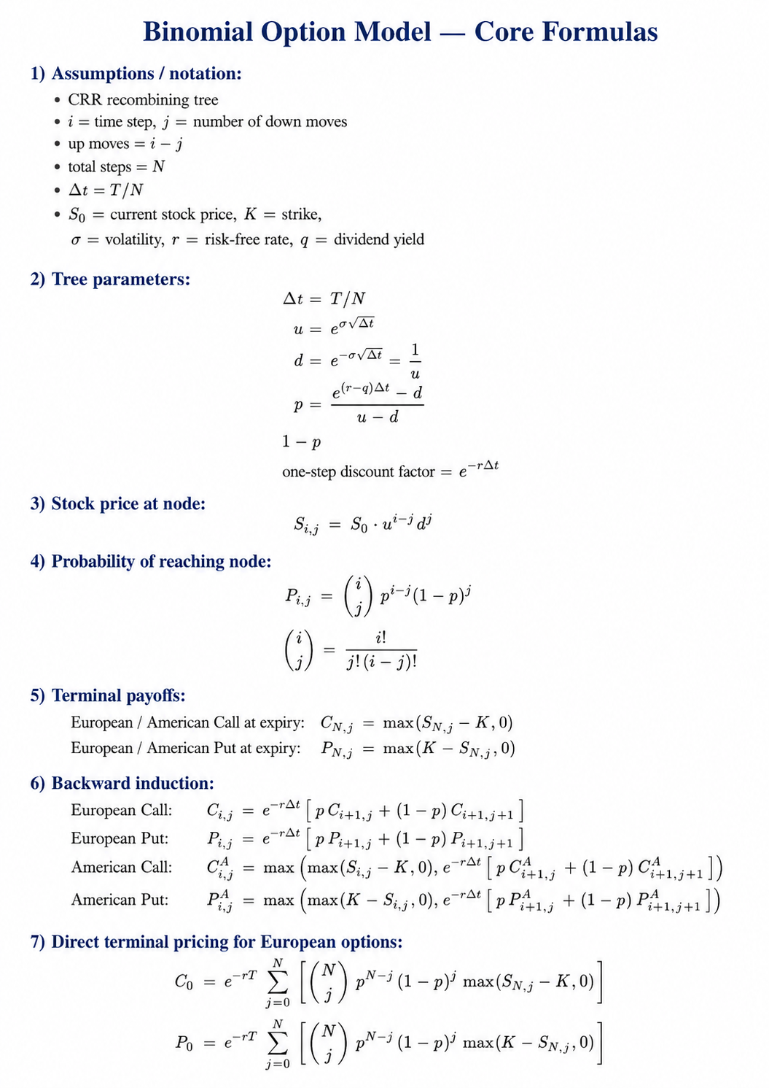
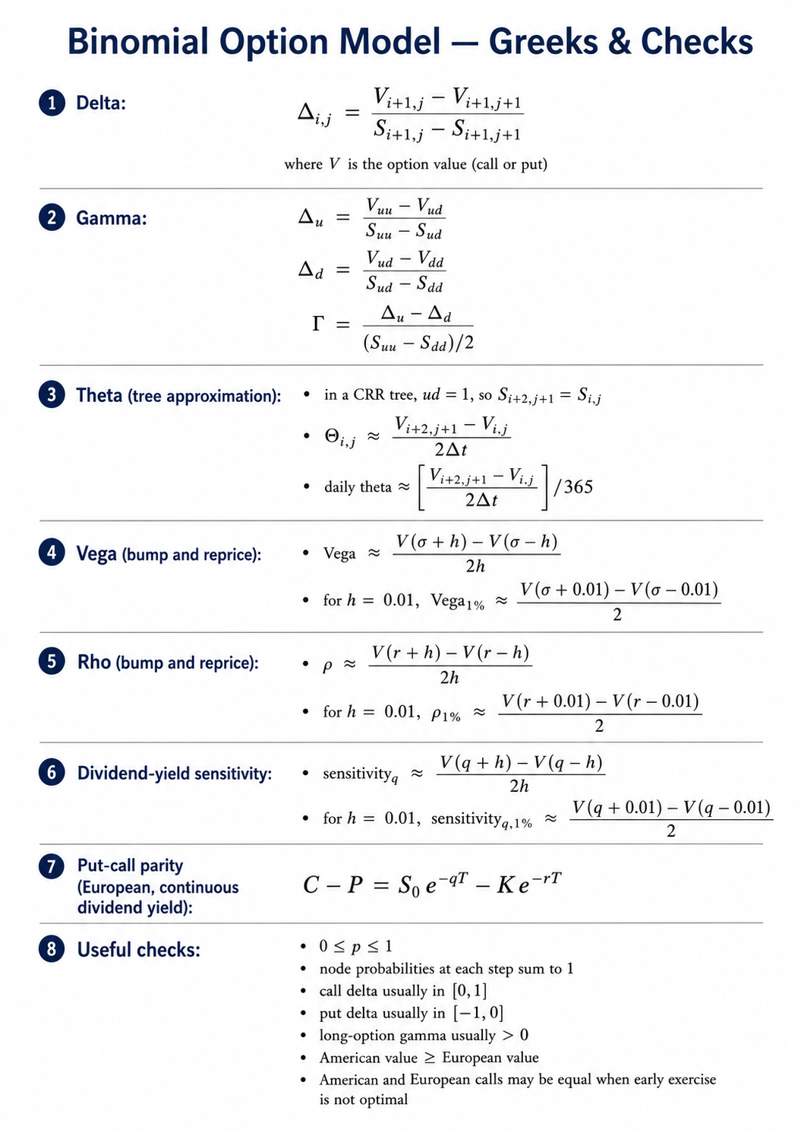
 |  |  |  |  | 6

 |  |  |  | 5

 |  |  | 4

 |  | 3

 | 2

1

$$p=\frac{(e^{(r−D)\frac{t}{n}}−d)}{(u−d)} or \frac{\left(1+rt\right)−d}{(u−d)}$$
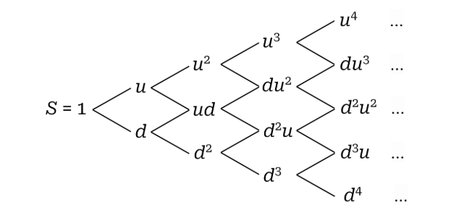
$$S_{u,1}=u∗S_{1}$$
$$Terminal Value of a Put=MAX[X−S,0]$$
$$S_{d,1}=d∗S_{1}$$
$$Terminal Value of a Call=MAX[S−X,0]$$
$$p_{d}=1−p$$

