Design Example
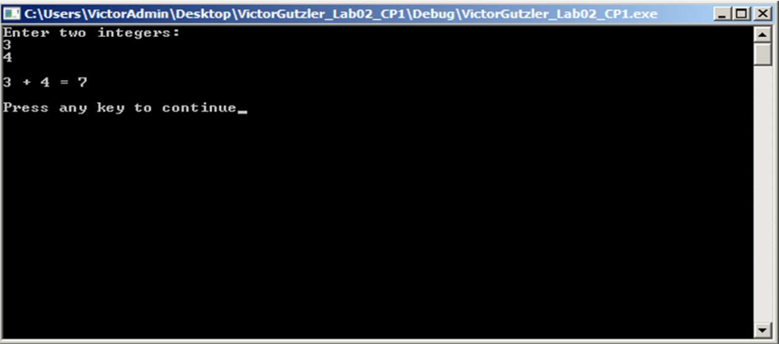
Author: | Victor Gutzler | Program: | Sum of Two Numbers | Date: | 2026-01-25
Diagram: | IPO Chart | Function Name: | Main | Header: | N/A

Input |  | Process |  | Output
Integer1, Integer 2 |  | Prompt the user for 2 integers
 |  | Calculate total of the 2 integers
 |  | Display the total |  | Total

Program Requirements:
Prompt the user for two integers and display the sum of them.

Code from Example (copied as plain text)
/*********************** Name Victor Gutzler Date 09/04/2017 File Name VictorGutzlerLab02PC1 Purpose COSC 1436 Homework ***********************/ // Headers #include <iostream> #include <cstdlib> #include <string> using namespace std; // Global variables // Function declarations int main() { //Prompt for 2 integers int intNumber1, intNumber2; cout << "Enter two integers:\n"; cin >> intNumber1; cin >> intNumber2; // Flush keyboard buffer cin.ignore(); //Calculate total of the 2 integers int intTotal; intTotal = intNumber1 + intNumber2; //Display total cout << endl << intNumber1 << " + " << intNumber2 << " = " << intTotal << endl; // Pause console display until user presses a key cout << endl << "Press any key to continue"; cin.get(); return 0; }

Output Image

