Sheet1
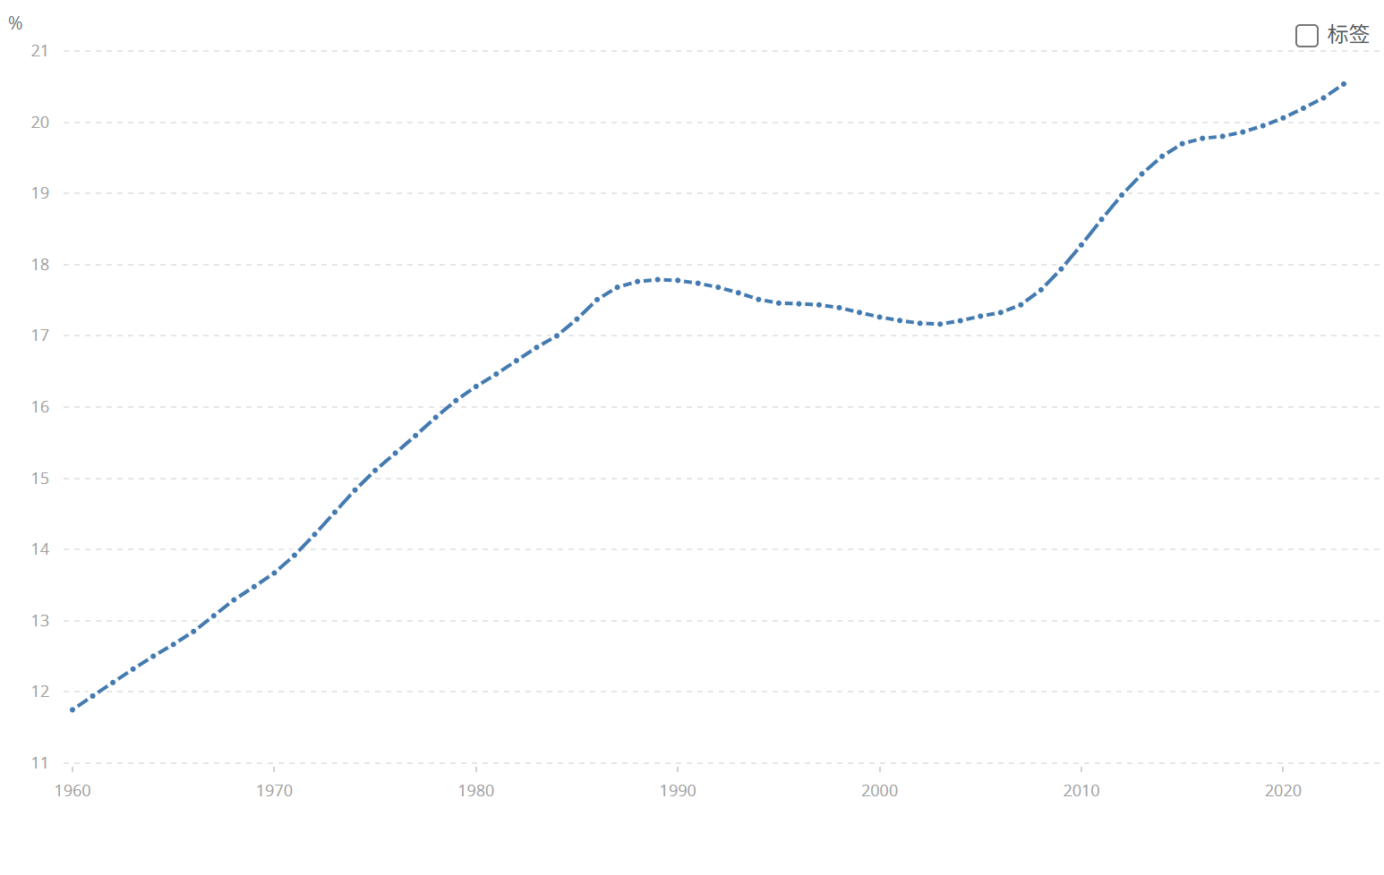
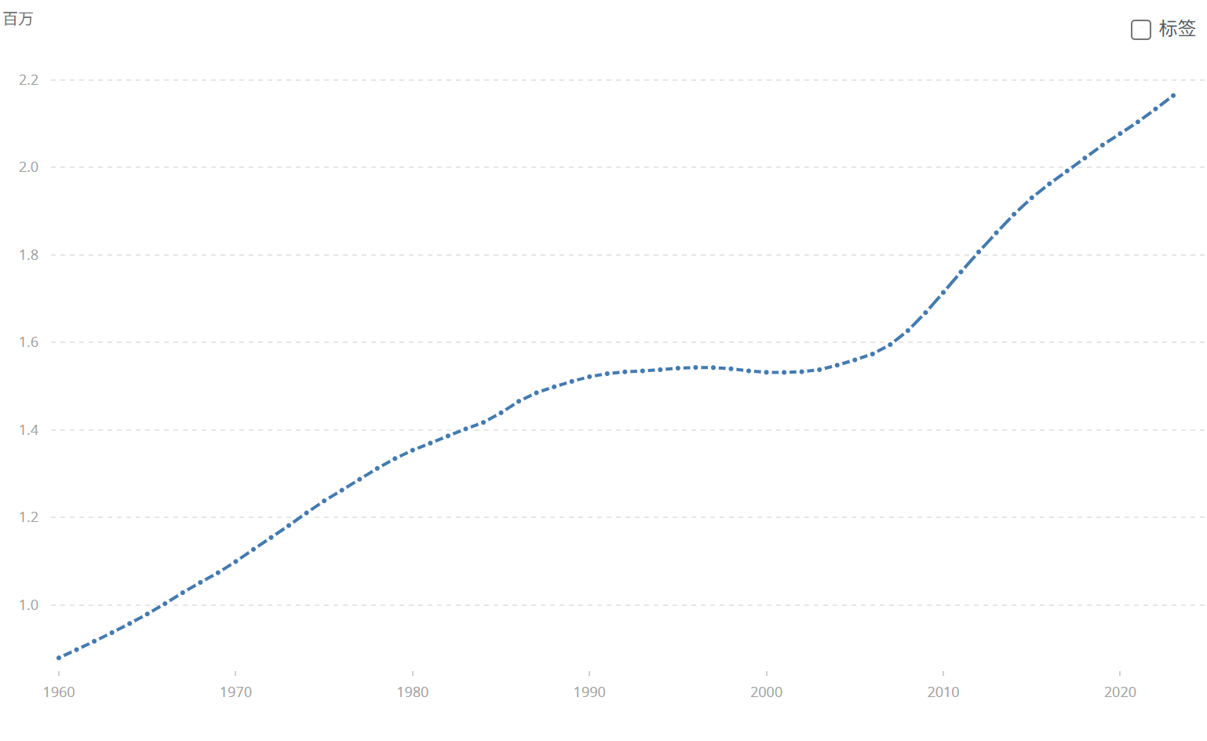
Sweden | SWE | Population ages 65 and above (% of total population) | SP.POP.65UP.TO.ZS | 11.749464383 | 11.943001052 | 12.132099991 | 12.321508966 | 12.501691969 | 12.66725139 | 12.849191141 | 13.069420725 | 13.292871399 | 13.478563629 | 13.670297231 | 13.919144264 | 14.212264194 | 14.524147494 | 14.835008631 | 15.111500675 | 15.353143175 | 15.599545572 | 15.855795243 | 16.092037038 | 16.289412564 | 16.463811247 | 16.65201834 | 16.837938485 | 16.999769627 | 17.235605165 | 17.509043203 | 17.682224832 | 17.763221451 | 17.789882649 | 17.778898163 | 17.738647706 | 17.682290205 | 17.604704775 | 17.511534488 | 17.460001935 | 17.449896511 | 17.43571664 | 17.395837812 | 17.328475105 | 17.264135068 | 17.215752008 | 17.176420313 | 17.164970071 | 17.212430085 | 17.276535434 | 17.328089714 | 17.435834484 | 17.646389874 | 17.939242306 | 18.277288299 | 18.636138559 | 18.977551993 | 19.27442186 | 19.521069267 | 19.698261587 | 19.773834861 | 19.80183362 | 19.86253716 | 19.950662143 | 20.059985397 | 20.19678323 | 20.341901825 | 20.536423562

Sweden | SWE | Population ages 65 and above, total | SP.POP.65UP.TO | 879407 | 898113 | 917379 | 936968 | 957799 | 979667 | 1003239 | 1028293 | 1051768 | 1073982 | 1099475 | 1127219 | 1154363 | 1181730 | 1210530 | 1238000 | 1262379 | 1287203 | 1312162 | 1334622 | 1353737 | 1369872 | 1386324 | 1402437 | 1417204 | 1439240 | 1465477 | 1484919 | 1498592 | 1510888 | 1521667 | 1528606 | 1532713 | 1534877 | 1537643 | 1541184 | 1542745 | 1542374 | 1539701 | 1534934 | 1531693 | 1531506 | 1532988 | 1537677 | 1548005 | 1559997 | 1573478 | 1595046 | 1626933 | 1668083 | 1714067 | 1760968 | 1806544 | 1850418 | 1892784 | 1930269 | 1962174 | 1991609 | 2021056 | 2050706 | 2076899 | 2103659 | 2133243 | 2163847

