Sheet1
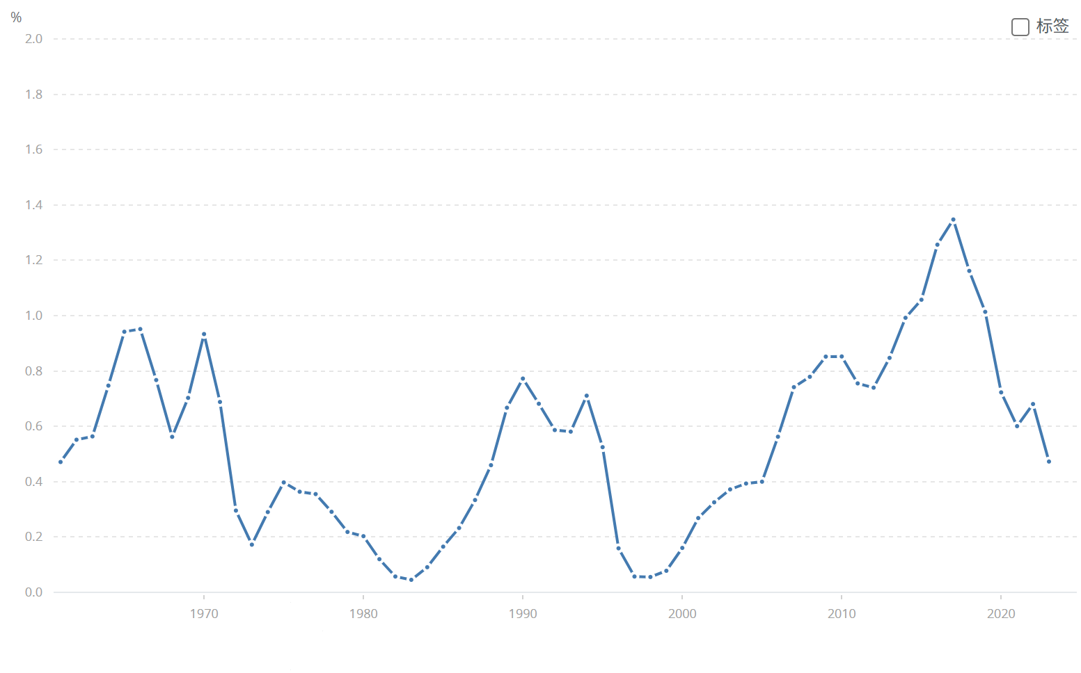
Sweden | SWE | Population growth (annual %) | SP.POP.GROW | 0.52470394155 | 0.15914708058 | 0.057262203423 | 0.055512122212 | 0.07792715087 | 0.16057548458 | 0.26847052795 | 0.3254380677 | 0.3720929428 | 0.39329899136 | 0.39994276281 | 0.56248390648 | 0.74155251463 | 0.77903329077 | 0.85190441294 | 0.85252462877 | 0.75515013367 | 0.73976327243 | 0.84734865225 | 0.99221972859 | 1.0574546855 | 1.2564539851 | 1.3474450596 | 1.16164516

