Sheet1
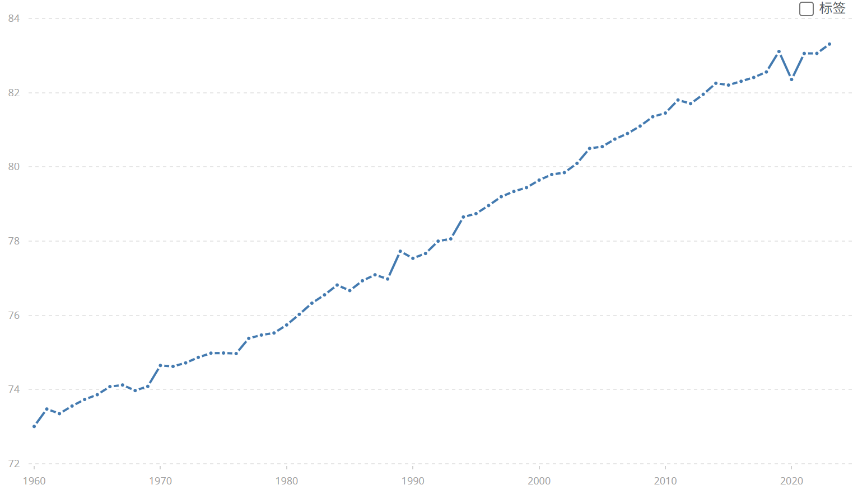
Sweden | SWE | Life expectancy at birth, total (years) | SP.DYN.LE00.IN | 73.005609756 | 73.474390244 | 73.350487805 | 73.555365854 | 73.733170732 | 73.861707317 | 74.078536585 | 74.122439024 | 73.972926829 | 74.084878049 | 74.649268293 | 74.623902439 | 74.71804878 | 74.867317073 | 74.980487805 | 74.984634146 | 74.969268293 | 75.379756098 | 75.46902439 | 75.524146341 | 75.74097561 | 76.026097561 | 76.327317073 | 76.551707317 | 76.815853659 | 76.667804878 | 76.931219512 | 77.092195122 | 76.979268293 | 77.726829268 | 77.536829268 | 77.666829268 | 77.998780488 | 78.060487805 | 78.650243902 | 78.740487805 | 78.95902439 | 79.197560976 | 79.33902439 | 79.441463415 | 79.643902439 | 79.795121951 | 79.846341463 | 80.095121951 | 80.497560976 | 80.546341463 | 80.748780488 | 80.9 | 81.1 | 81.351219512 | 81.451219512 | 81.802439024 | 81.704878049 | 81.956097561 | 82.253658537 | 82.204878049 | 82.307317073 | 82.409756098 | 82.558536585 | 83.109756098 | 82.356097561 | 83.056097561 | 83.058536585 | 83.309756098

