SUMMARY
 |  | 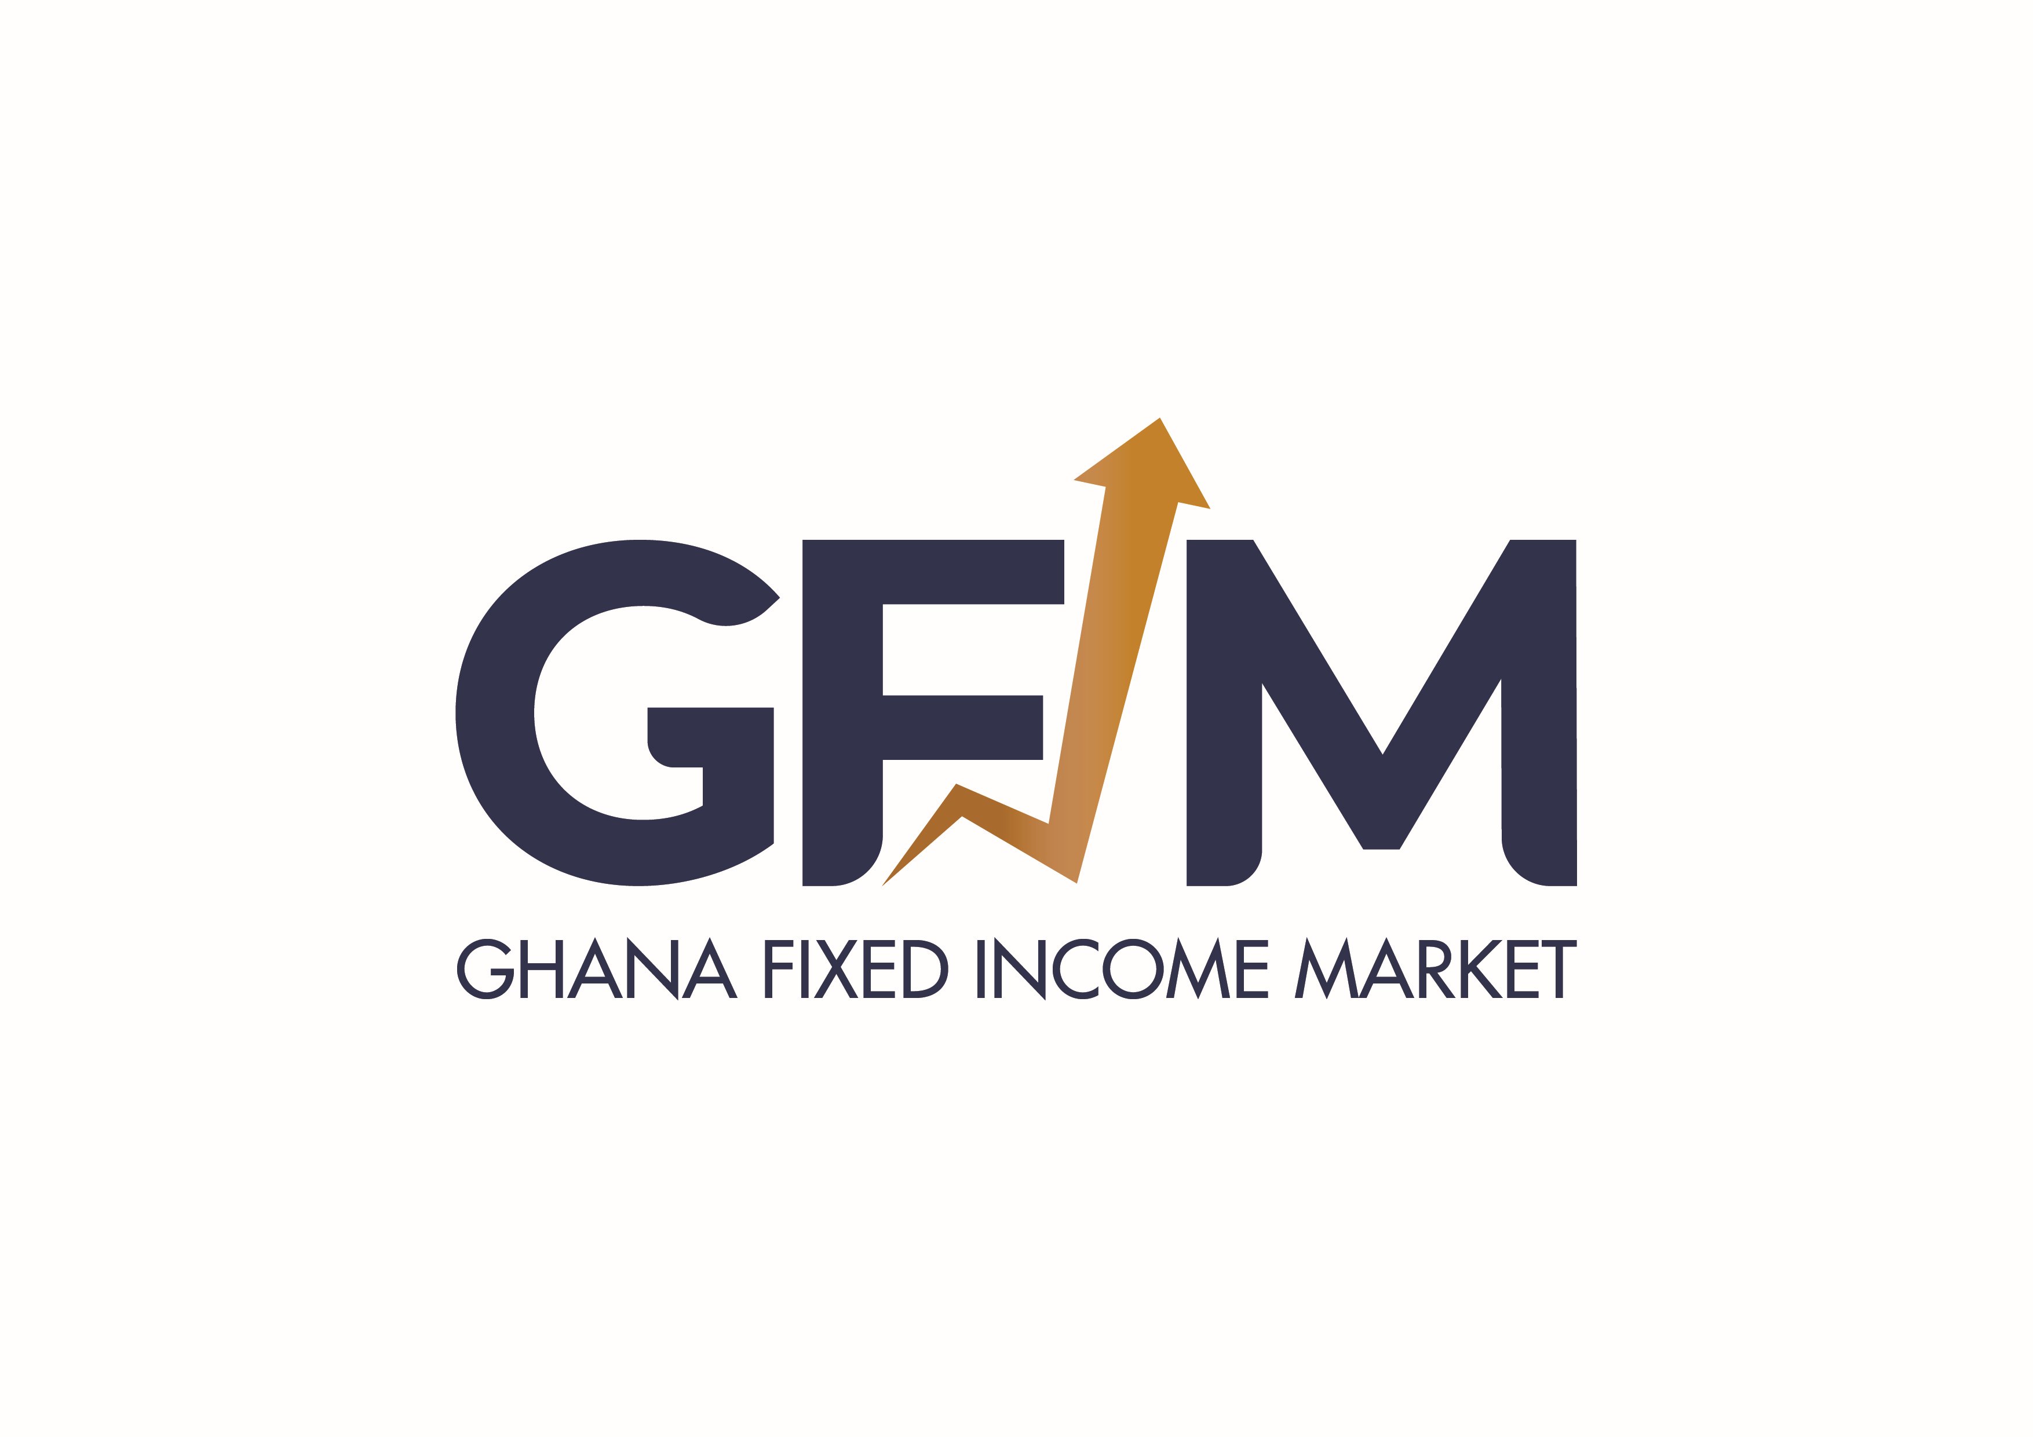
 |  |  |  | GHANA FIXED INCOME MARKET
Date: Wednesday, 05 August, 2026
ITEM |  |  | VOLUME | NUMBER | SECURITY | YIELD | CLOSING PRICE
A | GRAND TOTALS | NEW GOG NOTES & BONDS | 1,105,000 | 3
 |  | DDEP BONDS | 326,610,503 | 23
 |  | OLD GOG NOTES & BONDS | - | -
 |  | TREASURY BILLS | 671,783,699 | 2,576
 |  | CORPORATE BONDS | 2,200,000 | 3
 |  | SELL/BUY BACK TRADES - ALL GOG NOTES & BONDS | 101,830,208 | 14
 |  |  | 1,103,529,410 | 2,619

B | LARGEST VOLUME TRADED | NEW GOG NOTES & BONDS | 1,105,000 | 3 | GOG-BD-29/03/33-A6155-2001-12.50 | 12.37 | 100.5528
 |  | DDEP BONDS | 108,443,336 | 3 | GOG-BD-10/02/32-A6148-1838-9.10 | 14.60 | 79.6005
 |  | OLD GOG NOTES & BONDS
 |  | TREASURY BILLS | 187,479,417 | 26 | GOG-BL-01/03/27-A6984-1996-0 | 8.35 | 95.4447
 |  | CORPORATE BONDS | 1,700,000 | 2 | CMB-BD-28/08/28-A6301-1675-13.00
 |  | SELL/BUY BACK TRADES - GOG NOTES & BONDS | 50,000,000 | 1 | GOG-BD-03/02/37-A6153-1838-9.85 | 14.75 | 74.1850

