SUMMARY
 |  | 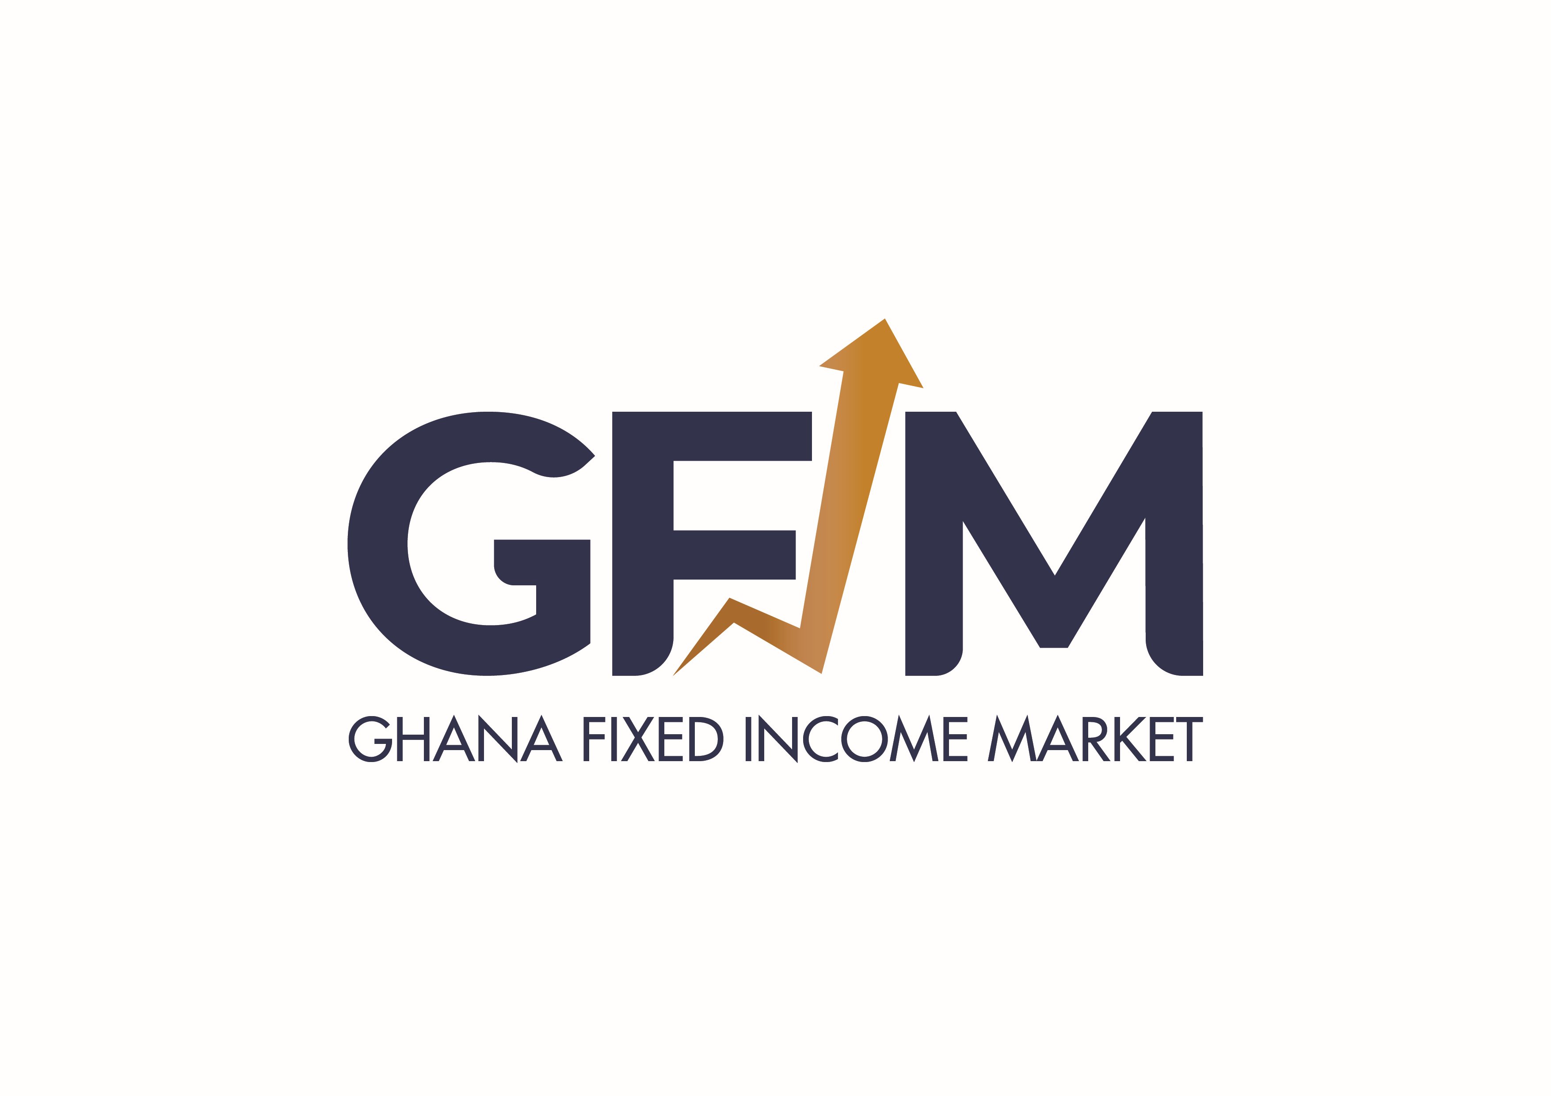
 |  |  |  | GHANA FIXED INCOME MARKET
Date: Friday, 07 August, 2026
ITEM |  |  | VOLUME | NUMBER | SECURITY | YIELD | CLOSING PRICE
A | GRAND TOTALS | NEW GOG NOTES & BONDS | - | -
 |  | DDEP BONDS | 2,920,624,351 | 118
 |  | OLD GOG NOTES & BONDS | 92,269 | 1
 |  | TREASURY BILLS | 739,998,363 | 478
 |  | CORPORATE BONDS | 91,717 | 1
 |  | SELL/BUY BACK TRADES - ALL GOG NOTES & BONDS | 27,833,071 | 4
 |  |  | 3,688,639,771 | 602

B | LARGEST VOLUME TRADED | NEW GOG NOTES & BONDS
 |  | DDEP BONDS | 1,163,082,230 | 35 | GOG-BD-10/02/32-A6148-1838-9.10 | 15.14 | 77.8795
 |  | OLD GOG NOTES & BONDS
 |  | TREASURY BILLS | 326,585,595 | 39 | GOG-BL-02/08/27-A7094-2018-0 | 12.79 | 88.7713
 |  | CORPORATE BONDS | 91,717 | 1 | CMB-BD-28/08/28-A6301-1675-13.00 |  | 99.9764
 |  | SELL/BUY BACK TRADES - GOG NOTES & BONDS | 20,000,000 | 1 | GOG-BD-07/02/34-A6150-1838-9.40 | 14.40 | 77.4544

