Sheet1
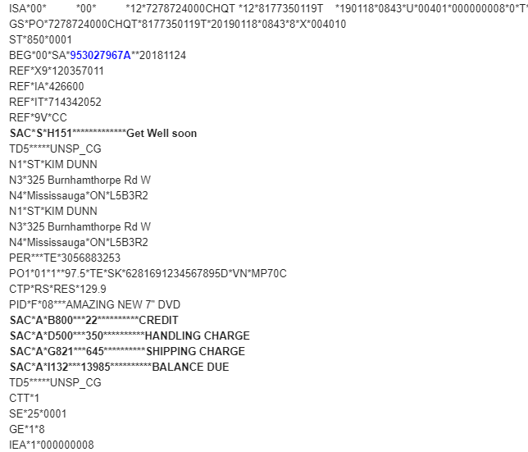
SHIPSTATION INTEGRATOR MAPPING GUIDE

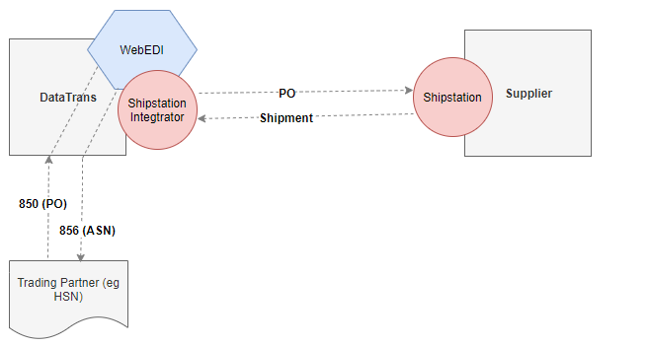

850=EDI Purchase order
856=EDI Advance Shipment Notice

850 EDI elements | Shipstation Field | Notes

HEADER SECTION
BEG03 | order.orderid | Purchase Order Number
REF02 (qualifier = 'CC') | order.paymentMethod
REF02 (qualifier = 'CC') | order.internalNotes
SAC15 (where SAC02 = 'H151') | order.giftMessage | Gift Message. First Gift message must be bolded on the HSN packing list. API data will have the first gift message using <strong></strong><br>
SAC05 (where SAC02 = 'G821') + SAC05 (where SAC02='D500') | order.shippingAmount | Shipping cost + Handling cost
SAC05 (where SAC02 = 'H850') | order.taxAmount | Tax
From SS stores | order.storeId
REF01 (qualifier ='IT') | order.customField1 | Internal customer number
TD5 | order.customField2 | Carrier

ADDRESS INFORMATION
Bill To | order.BillTo
N102 | order.BillTo.name
N301 | BillTo.address1
N302 | order.BillTo.address2
N401 | order.BillTo.city
N402 | order.BillTo.state
N403 | order.BillTo.postalCode
N404 | order.BillTo.country

Ship To | order.shipTo
N102 | order.shipTo.name
N301 | order.shipTo.address1
N302 | order.shipTo.address2
N401 | order.shipTo.city
N402 | order.shipTo.state
N403 | order.shipTo.postalCode
N404 | order.shipTo.country

ITEM SECTION
Item | order.items
P0109 (qualifier= 'VN') | order.items.sku | Supplier Item code (NOTE: this value is not mapped from the 850 but from the WebEDI catalog)
CTP03 | order.items.unitPrice | This is the resale/retail price. Not the HSN wholesale price in PO104
PO102 | order.items.quantity | Item quantity
PID05 (where PID01 = 'F') | order.items.name | Product description
 | order.items.fulfillmentSku | Must be added in the Product entry in Shipstation and must be associated with the correct Supplier item code

SAMPLE 850 (EDI DATA)

