Exercise 1
Exercise 1
Block | Nh | nh | Amount due from defaulters |  |  |  |  |  |  |  |  |  |  | Mean
1 | 60 | 6 | 12.5 | 36.4 | 26 | 55.6 | 58.1 | 40.8 |  |  |  |  |  | 38.233333333
2 | 102 | 10 | 57.4 | 16.8 | 20.3 | 70.1 | 34.6 | 22.6 | 44.9 | 28.4 | 17.5 | 33.7 |  | 34.63
3 | 48 | 5 | 12.9 | 41.6 | 34.7 | 30.8 | 61.1 |  |  |  |  |  |  | 36.22
4 | 113 | 11 | 28.7 | 82.4 | 37.3 | 41.9 | 24.7 | 36.6 | 39.3 | 49.6 | 26 | 76.8 | 51.6 | 44.990909091
5 | 92 | 9 | 44.8 | 42.9 | 51.7 | 28.8 | 36.4 | 40.1 | 61.6 | 47.8 | 77.4 |  |  | 47.944444444
6 | 57 | 6 | 31.6 | 24.8 | 69.9 | 44.9 | 59.7 | 38.6 |  |  |  |  |  | 44.916666667
7 | 82 | 8 | 49.6 | 36.9 | 27.3 | 63.6 | 73 | 44.9 | 87.1 | 61.2 |  |  |  | 55.45
8 | 96 | 10 | 53.7 | 34.9 | 41.5 | 43.4 | 56.6 | 28.9 | 23.4 | 32.8 | 60.2 | 47.6 |  | 42.3
9 | 53 | 5 | 41.7 | 54.9 | 33.9 | 27.9 | 46.3 |  |  |  |  |  |  | 40.94
10 | 71 | 7 | 24.4 | 38.9 | 47.8 | 45 | 32.6 | 66.5 | 58.3 |  |  |  |  | 44.785714286
11 | 77 | 8 | 42.9 | 37.3 | 30.8 | 51.9 | 60.1 | 34.6 | 28.4 | 38.3 |  |  |  | 40.5375
12 | 56 | 6 | 44.7 | 34.9 | 61.7 | 74.6 | 37.4 | 49.2 |  |  |  |  |  | 50.416666667

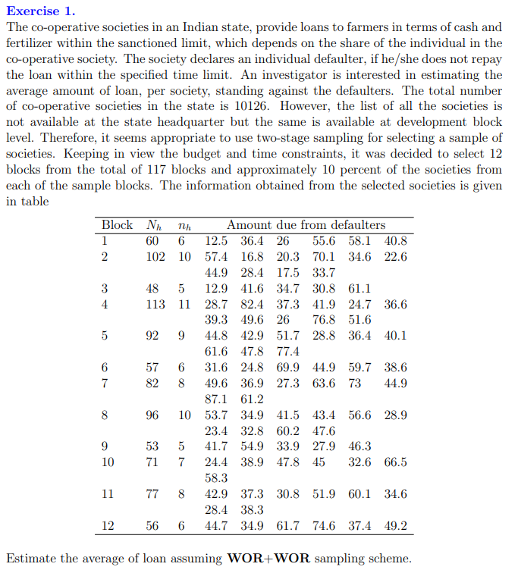
M | 12 |  | Weights | Weight*mean
H | 117 |  | 0.0059253407071 | 0.22654552637
N | 10126 |  | 0.010073079202 | 0.34883073277
conf level | 95 |  | 0.0047402725657 | 0.17169267233
crit | 1.96 |  | 0.011159391665 | 0.50207117591
 |  |  | 0.0090855224175 | 0.4356003248
 |  |  | 0.0056290736717 | 0.25283922576
 |  |  | 0.008097965633 | 0.44903219435
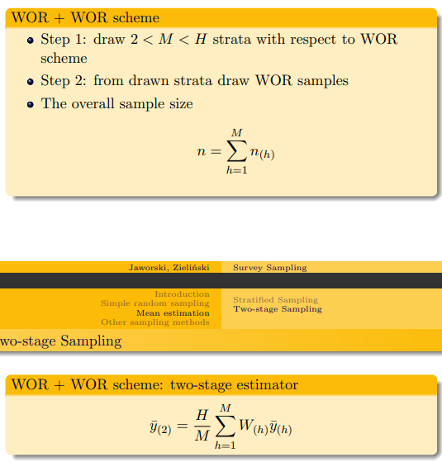
 |  |  | 0.0094805451313 | 0.40102705906
 |  |  | 0.0052340509579 | 0.21428204622
 |  |  | 0.0070116531701 | 0.31402189554
 |  |  | 0.0076041872408 | 0.30825474027
 |  |  | 0.0055303179933 | 0.27882019883

 |  |  | sum of wy | 3.9030177922
 |  | Estımated average |  | 38.054423474
 |  |  |  |  |  |  | ,

 |  |  |  |  |  |  |  |  |  |  | H : total blok / cluster /strata |  |  | 117
 |  |  |  |  |  |  |  |  |  |  | M : jml sample blok/ strata yg di ambil/ |  |  |  | 12

 |  |  |  |  |  |  |  |  |  |  |  |  |  |  |  | n = sum (nh)

Exercise 3
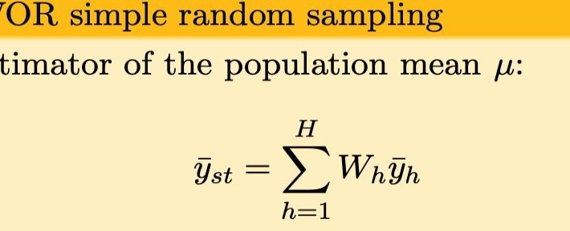
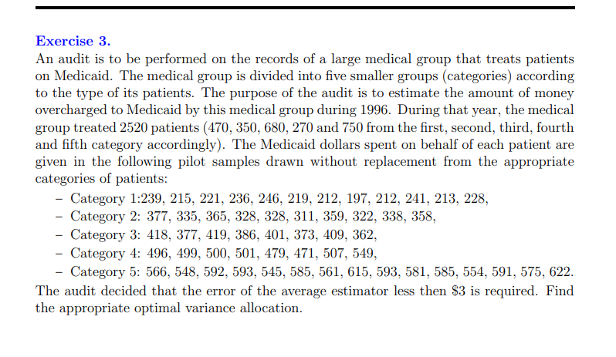
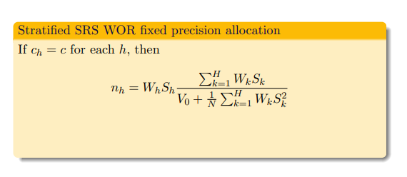
Exercise 3
Category 1 | 239 | 215 | 221 | 236 | 246 | 219 | 212 | 197 | 212 | 241 | 213 | 228
 | 15.75 | -8.25 | -2.25 | 12.75 | 22.75 | -4.25 | -11.25 | -26.25 | -11.25 | 17.75 | -10.25 | 4.75 |  |  |  | left | right
Category 2 | 377 | 335 | 365 | 328 | 328 | 311 | 359 | 322 | 338 | 358 |  |  |  |  |  | 415.86299728 | 427.27589161
 | 34.9 | -7.1 | 22.9 | -14.1 | -14.1 | -31.1 | 16.9 | -20.1 | -4.1 | 15.9 |  |  |  |  |  | 11.412894336
Category 3 | 418 | 377 | 419 | 386 | 401 | 373 | 409 | 362
 | 24.875 | -16.125 | 25.875 | -7.125 | 7.875 | -20.125 | 15.875 | -31.125
Category 4 | 496 | 499 | 500 | 501 | 479 | 471 | 507 | 549
 | -4.25 | -1.25 | -0.25 | 0.75 | -21.25 | -29.25 | 6.75 | 48.75
Category 5 | 566 | 548 | 592 | 593 | 545 | 585 | 561 | 615 | 593 | 581 | 585 | 554 | 591 | 575 | 622
 | -14.4 | -32.4 | 11.6 | 12.6 | -35.4 | 4.6 | -19.4 | 34.6 | 12.6 | 0.6 | 4.6 | -26.4 | 10.6 | -5.4 | 41.6

 |  |  |  | sample mean | sample var | Wh | ysth | Varysth | stdysth | WhSh | WhVarsth | nh
N1 | 470 | n1 | 12 | 223.25 | 218.56818182 | 0.18650793651 | 41.637896825 | 0.61740188044 | 0.78574924781 | 0.14654847082 | 0.11515035072 | 0.067596418764
N2 | 350 | n2 | 10 | 342.1 | 410.69 | 0.13888888889 | 47.513888889 | 0.76959104938 | 0.87726338655 | 0.12184213702 | 0.10688764575
N3 | 680 | n3 | 8 | 393.125 | 409.859375 | 0.26984126984 | 106.08134921 | 3.6865658069 | 1.9200431784 | 0.51810688941 | 0.99478759868
N4 | 270 | n4 | 8 | 500.25 | 467.6875 | 0.10714285714 | 53.598214286 | 0.65122302827 | 0.80698390831 | 0.086462561605 | 0.069773895886
N5 | 750 | n5 | 15 | 580.4 | 475.50666667 | 0.29761904762 | 172.73809524 | 2.7517746914 | 1.6588473985 | 0.49370458287 | 0.8189805629
N | 2520 | n | 53 |  |  | 1 | 421.56944444 | 8.4765564563
 |  |  |  |  |  |  | yst | Varyst |  | 1.3666646417 | 2.1055800539

crit value | cost | C | We will keep the Stratum mean as our cost |  |  |  | V0= | 3
1.96 | 422 | 198137.63889
 |  | 147549.30556 |  |  |  |  | Wh = Nh / N (
 |  | 286667.22222
 |  | 113823.75
 |  | 316177.08333
 |  | 1062355 | Conclusion: Estimated amount of money overcharged to Medicaid by this medical groups during 1996 is 1062355 dollars

