test_all_liberia_manual
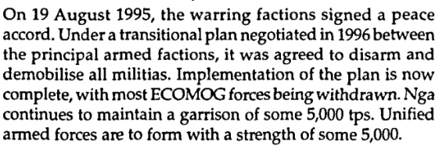
year | country | service | subservice | subsubservice | equipment_type | equipment_subtype | equipment_name | equipment_subname | unit_name | unit_count | rawtext | new_row | notes | old_row
1998 | liberia | coast guard |  |  | patrol and coastal combatants |  | PBR |  | Zodiac | 0 | 8 craft (Zodiac) under 10t FLD |  |  | 1
1998 | liberia | coast guard |  |  | patrol and coastal combatants |  | PBR |  | Defender | 0 | 8 craft (Zodiac) under 10t FLD |  |  | 1

