daily
EU |  |  |  |  |  |  | Asia |  |  |  |  |  |  | CW
 | Type | Order Size | Fee % | Final_Pool_Value | Fees | Trades |  | Type | Order Size | Fee % | Final_Pool_Value | Fees | Trades |  | Type | Order Size | Fee % | Final_Pool_Value | Fees | Trades
hold | hold | no | no | 925,510.92 | - | 0 | hold | hold | no | no | 942,490.16 | - | 0 | hold | hold | no | no | 892,341.68 | - | 0
cpmm_s_1000_%_0.3 | cpmm | 1000 | 0.3 | 924,799.54 | 7,827.31 | 2609 | cpmm_s_1000_%_0.3 | cpmm | 1000 | 0.3 | 938,904.90 | 5,698.76 | 1899 | cpmm_s_1000_%_0.3 | cpmm | 1000 | 0.3 | 892,018.88 | 8,506.39 | 2837
cpmm_s_1000_%_1 | cpmm | 1000 | 1 | 930,705.21 | 14,167.76 | 1417 | cpmm_s_1000_%_1 | cpmm | 1000 | 1 | 942,876.36 | 10,372.59 | 1037 | cpmm_s_1000_%_1 | cpmm | 1000 | 1 | 898,546.09 | 15,683.96 | 1570
cpmm_s_1000_%_3 | cpmm | 1000 | 3 | 935,434.15 | 19,271.14 | 643 | cpmm_s_1000_%_3 | cpmm | 1000 | 3 | 946,365.39 | 14,312.69 | 477 | cpmm_s_1000_%_3 | cpmm | 1000 | 3 | 903,555.93 | 21,095.94 | 705
clmm_s_1000_%_0.3_c_5 | clmm | 1000 | 0.3 | 923,798.46 | 13,822.98 | 4608 | clmm_s_1000_%_0.3_c_5 | clmm | 1000 | 0.3 | 935,774.63 | 10,095.43 | 3364 | clmm_s_1000_%_0.3_c_5 | clmm | 1000 | 0.3 | 891,773.97 | 15,510.55 | 5173
clmm_s_1000_%_1_c_5 | clmm | 1000 | 1 | 934,257.14 | 25,076.29 | 2508 | clmm_s_1000_%_1_c_5 | clmm | 1000 | 1 | 943,355.81 | 19,015.42 | 1901 | clmm_s_1000_%_1_c_5 | clmm | 1000 | 1 | 903,904.89 | 28,821.85 | 2885
clmm_s_1000_%_3_c_5 | clmm | 1000 | 3 | 943,006.88 | 34,529.30 | 1152 | clmm_s_1000_%_3_c_5 | clmm | 1000 | 3 | 949,449.57 | 26,038.34 | 868 | clmm_s_1000_%_3_c_5 | clmm | 1000 | 3 | 912,066.33 | 37,638.75 | 1258
clmm_s_1000_%_0.3_c_1.5 | clmm | 1000 | 0.3 | 915,208.35 | 37,922.29 | 12642 | clmm_s_1000_%_0.3_c_1.5 | clmm | 1000 | 0.3 | 921,975.18 | 26,559.54 | 8850 | clmm_s_1000_%_0.3_c_1.5 | clmm | 1000 | 0.3 | 886,247.59 | 39,625.58 | 13215
clmm_s_1000_%_1_c_1.5 | clmm | 1000 | 1 | 945,214.19 | 67,362.70 | 6738 | clmm_s_1000_%_1_c_1.5 | clmm | 1000 | 1 | 941,245.01 | 49,459.97 | 4944 | clmm_s_1000_%_1_c_1.5 | clmm | 1000 | 1 | 917,873.26 | 73,711.06 | 7378
clmm_s_1000_%_3_c_1.5 | clmm | 1000 | 3 | 968,794.09 | 91,999.31 | 3070 | clmm_s_1000_%_3_c_1.5 | clmm | 1000 | 3 | 957,258.49 | 68,040.91 | 2268 | clmm_s_1000_%_3_c_1.5 | clmm | 1000 | 3 | 939,932.31 | 97,027.78 | 3243
clmm_s_1000_%_0.3_c_1.05 | clmm | 1000 | 0.3 | 782,864.90 | 75,123.76 | 25072 | clmm_s_1000_%_0.3_c_1.05 | clmm | 1000 | 0.3 | 800,298.36 | 70,610.05 | 23556 | clmm_s_1000_%_0.3_c_1.05 | clmm | 1000 | 0.3 | 638,078.46 | 86,993.37 | 29007
clmm_s_1000_%_1_c_1.05 | clmm | 1000 | 1 | 852,221.42 | 142,669.25 | 14293 | clmm_s_1000_%_1_c_1.05 | clmm | 1000 | 1 | 882,931.59 | 131,350.65 | 13149 | clmm_s_1000_%_1_c_1.05 | clmm | 1000 | 1 | 775,450.36 | 177,041.41 | 17707
clmm_s_1000_%_3_c_1.05 | clmm | 1000 | 3 | 952,426.02 | 202,954.25 | 6780 | clmm_s_1000_%_3_c_1.05 | clmm | 1000 | 3 | 955,931.67 | 162,107.18 | 5403 | clmm_s_1000_%_3_c_1.05 | clmm | 1000 | 3 | 941,354.62 | 205,550.44 | 6866
mamm_s_1000_%_0.3 | mamm | 1000 | 0.3 | 921,687.15 | 9,323.25 | 3108 | mamm_s_1000_%_0.3 | mamm | 1000 | 0.3 | 934,974.53 | 8,291.38 | 2763 | mamm_s_1000_%_0.3 | mamm | 1000 | 0.3 | 893,200.73 | 11,515.13 | 3840
mamm_s_1000_%_1 | mamm | 1000 | 1 | 928,504.24 | 16,675.61 | 1668 | mamm_s_1000_%_1 | mamm | 1000 | 1 | 940,777.62 | 14,775.73 | 1477 | mamm_s_1000_%_1 | mamm | 1000 | 1 | 901,553.21 | 20,711.98 | 2073
mamm_s_1000_%_3 | mamm | 1000 | 3 | 933,739.12 | 22,424.94 | 748 | mamm_s_1000_%_3 | mamm | 1000 | 3 | 945,594.31 | 20,103.32 | 670 | mamm_s_1000_%_3 | mamm | 1000 | 3 | 906,978.66 | 26,644.39 | 890
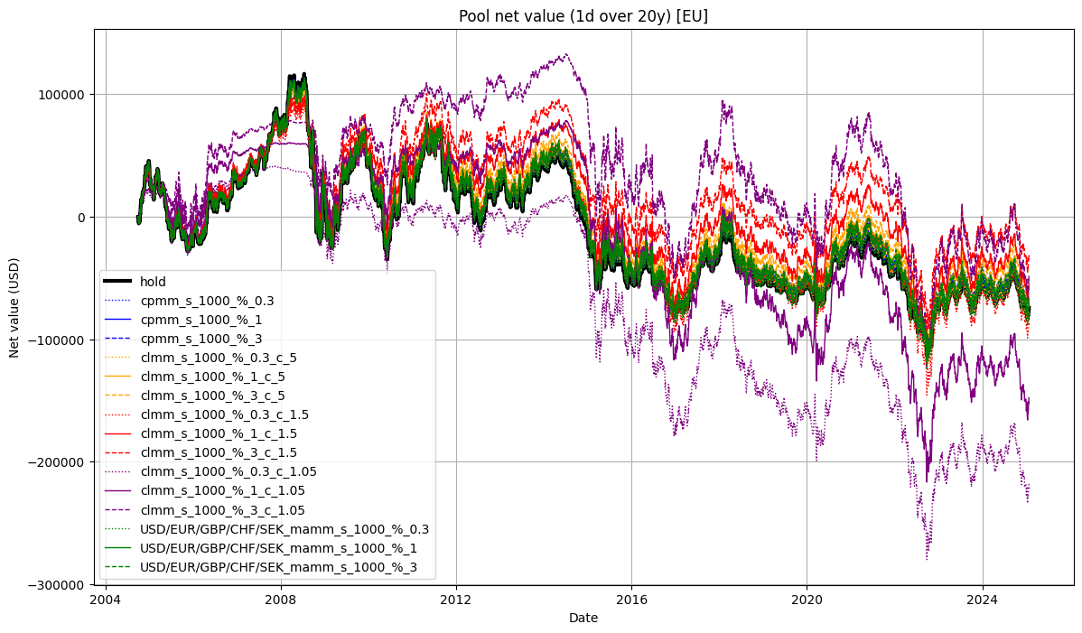
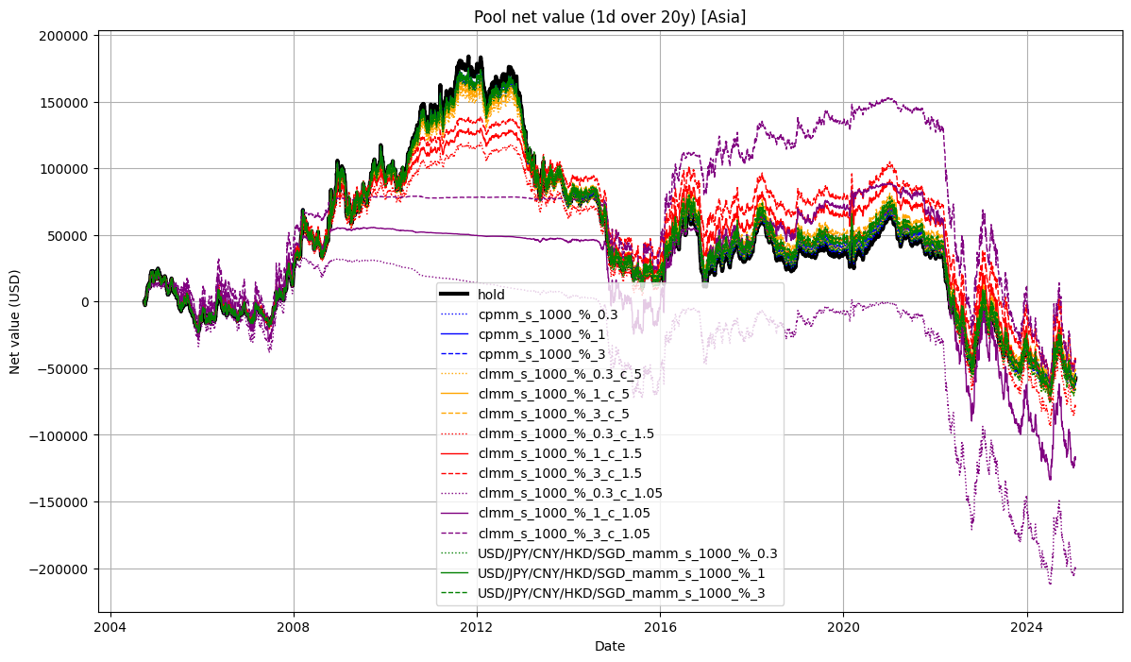
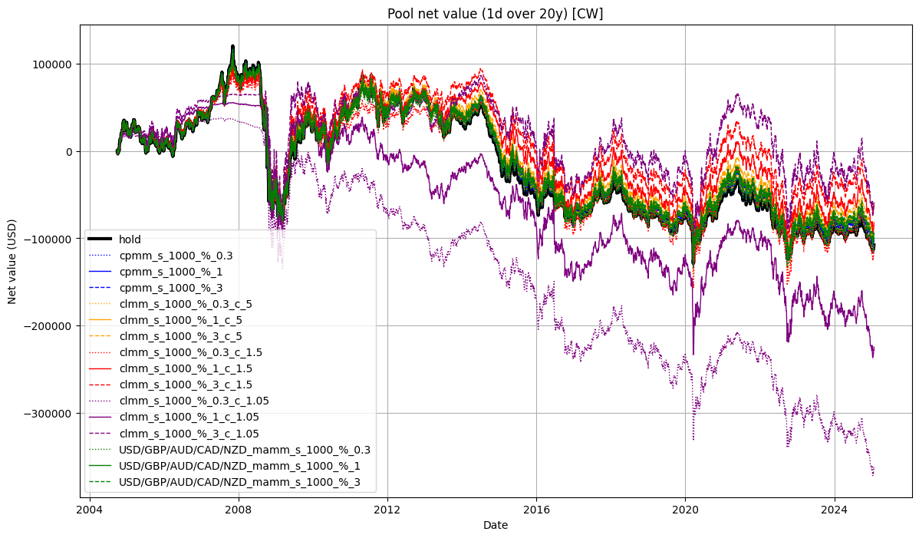

 |  |  |  |  |  |  | USD/JPY in 2009-2015 CLMMs with 1.05 concentration, have achieved very high IL, therefore have converted all of its holdings into less valuable asset

30min
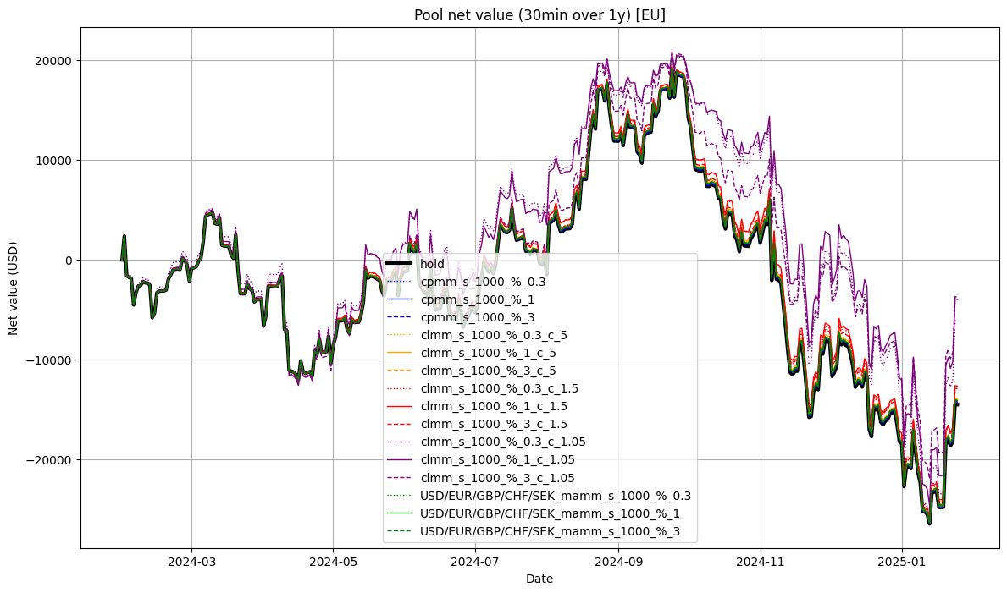
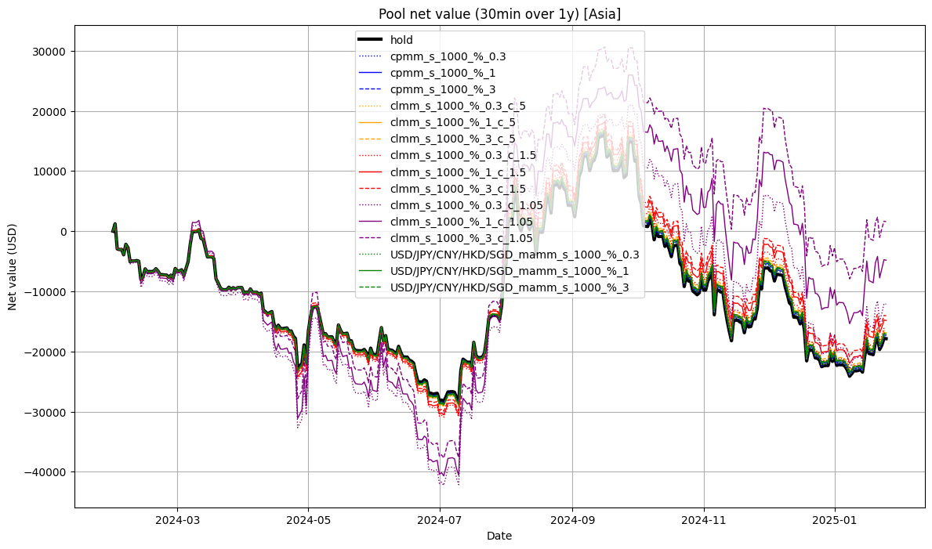
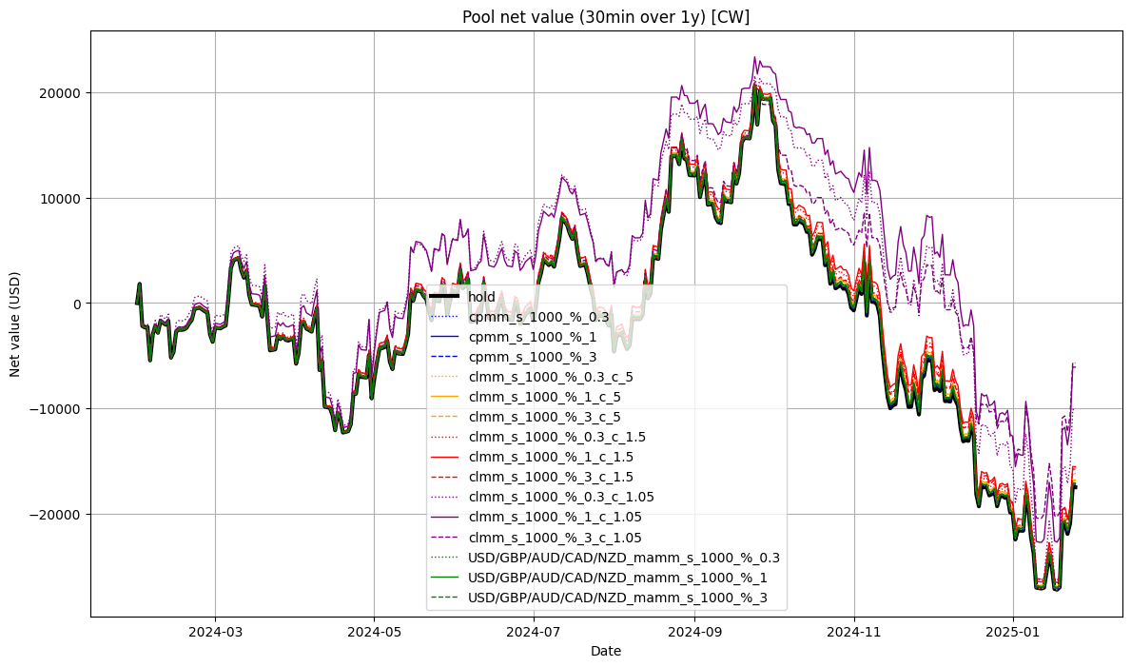
EU |  |  |  |  |  |  | Asia |  |  |  |  |  |  | CW
 | Type | Order Size | Fee % | Final_Pool_Value | Fees | Trades |  | Type | Order Size | Fee % | Final_Pool_Value | Fees | Trades |  | Type | Order Size | Fee % | Final_Pool_Value | Fees | Trades
hold | hold | no | no | 985,520.56 | - | 0 | hold | hold | no | no | 982,121.80 | - | 0 | hold | hold | no | no | 982,498.98 | - | 0
cpmm_s_1000_%_0.3 | cpmm | 1000 | 0.3 | 985,852.29 | 443.89 | 148 | cpmm_s_1000_%_0.3 | cpmm | 1000 | 0.3 | 982,417.42 | 554.97 | 185 | cpmm_s_1000_%_0.3 | cpmm | 1000 | 0.3 | 982,800.16 | 518.88 | 173
cpmm_s_1000_%_1 | cpmm | 1000 | 1 | 985,766.04 | 338.91 | 34 | cpmm_s_1000_%_1 | cpmm | 1000 | 1 | 982,660.21 | 799.02 | 80 | cpmm_s_1000_%_1 | cpmm | 1000 | 1 | 982,782.79 | 488.77 | 49
cpmm_s_1000_%_3 | cpmm | 1000 | 3 | 985,856.50 | 443.93 | 15 | cpmm_s_1000_%_3 | cpmm | 1000 | 3 | 982,831.15 | 955.71 | 32 | cpmm_s_1000_%_3 | cpmm | 1000 | 3 | 982,763.43 | 473.08 | 16
clmm_s_1000_%_0.3_c_5 | clmm | 1000 | 0.3 | 986,025.91 | 728.83 | 243 | clmm_s_1000_%_0.3_c_5 | clmm | 1000 | 0.3 | 982,687.51 | 1,038.04 | 346 | clmm_s_1000_%_0.3_c_5 | clmm | 1000 | 0.3 | 982,889.90 | 782.75 | 261
clmm_s_1000_%_1_c_5 | clmm | 1000 | 1 | 986,129.94 | 818.26 | 82 | clmm_s_1000_%_1_c_5 | clmm | 1000 | 1 | 983,113.41 | 1,458.42 | 146 | clmm_s_1000_%_1_c_5 | clmm | 1000 | 1 | 983,183.84 | 1,068.09 | 107
clmm_s_1000_%_3_c_5 | clmm | 1000 | 3 | 986,104.55 | 798.75 | 27 | clmm_s_1000_%_3_c_5 | clmm | 1000 | 3 | 983,434.29 | 1,761.98 | 59 | clmm_s_1000_%_3_c_5 | clmm | 1000 | 3 | 983,072.47 | 947.90 | 32
clmm_s_1000_%_0.3_c_1.5 | clmm | 1000 | 0.3 | 987,079.07 | 2,240.47 | 747 | clmm_s_1000_%_0.3_c_1.5 | clmm | 1000 | 0.3 | 983,786.04 | 3,087.20 | 1029 | clmm_s_1000_%_0.3_c_1.5 | clmm | 1000 | 0.3 | 983,802.92 | 2,492.43 | 831
clmm_s_1000_%_1_c_1.5 | clmm | 1000 | 1 | 987,353.34 | 2,474.95 | 248 | clmm_s_1000_%_1_c_1.5 | clmm | 1000 | 1 | 985,160.88 | 4,465.53 | 447 | clmm_s_1000_%_1_c_1.5 | clmm | 1000 | 1 | 984,441.83 | 3,104.40 | 311
clmm_s_1000_%_3_c_1.5 | clmm | 1000 | 3 | 987,101.28 | 2,217.57 | 75 | clmm_s_1000_%_3_c_1.5 | clmm | 1000 | 3 | 985,934.07 | 5,166.68 | 173 | clmm_s_1000_%_3_c_1.5 | clmm | 1000 | 3 | 984,206.07 | 2,814.68 | 95
clmm_s_1000_%_0.3_c_1.05 | clmm | 1000 | 0.3 | 993,831.15 | 13,601.75 | 4535 | clmm_s_1000_%_0.3_c_1.05 | clmm | 1000 | 0.3 | 987,855.05 | 14,572.78 | 4858 | clmm_s_1000_%_0.3_c_1.05 | clmm | 1000 | 0.3 | 989,854.70 | 16,133.78 | 5379
clmm_s_1000_%_1_c_1.05 | clmm | 1000 | 1 | 996,031.52 | 15,038.62 | 1507 | clmm_s_1000_%_1_c_1.05 | clmm | 1000 | 1 | 995,171.43 | 21,915.48 | 2194 | clmm_s_1000_%_1_c_1.05 | clmm | 1000 | 1 | 993,897.47 | 18,588.13 | 1862
clmm_s_1000_%_3_c_1.05 | clmm | 1000 | 3 | 996,251.60 | 15,146.55 | 512 | clmm_s_1000_%_3_c_1.05 | clmm | 1000 | 3 | 1,001,582.83 | 28,089.82 | 941 | clmm_s_1000_%_3_c_1.05 | clmm | 1000 | 3 | 994,296.50 | 18,805.37 | 634
mamm_s_1000_%_0.3 | mamm | 1000 | 0.3 | 985,831.54 | 446.91 | 149 | mamm_s_1000_%_0.3 | mamm | 1000 | 0.3 | 982,547.83 | 771.07 | 257 | mamm_s_1000_%_0.3 | mamm | 1000 | 0.3 | 982,773.11 | 542.87 | 181
mamm_s_1000_%_1 | mamm | 1000 | 1 | 985,920.94 | 529.04 | 53 | mamm_s_1000_%_1 | mamm | 1000 | 1 | 982,897.93 | 1,119.09 | 112 | mamm_s_1000_%_1 | mamm | 1000 | 1 | 982,890.19 | 648.89 | 65
mamm_s_1000_%_3 | mamm | 1000 | 3 | 985,956.13 | 564.00 | 19 | mamm_s_1000_%_3 | mamm | 1000 | 3 | 983,002.10 | 1,194.36 | 40 | mamm_s_1000_%_3 | mamm | 1000 | 3 | 982,833.03 | 593.20 | 20

5min
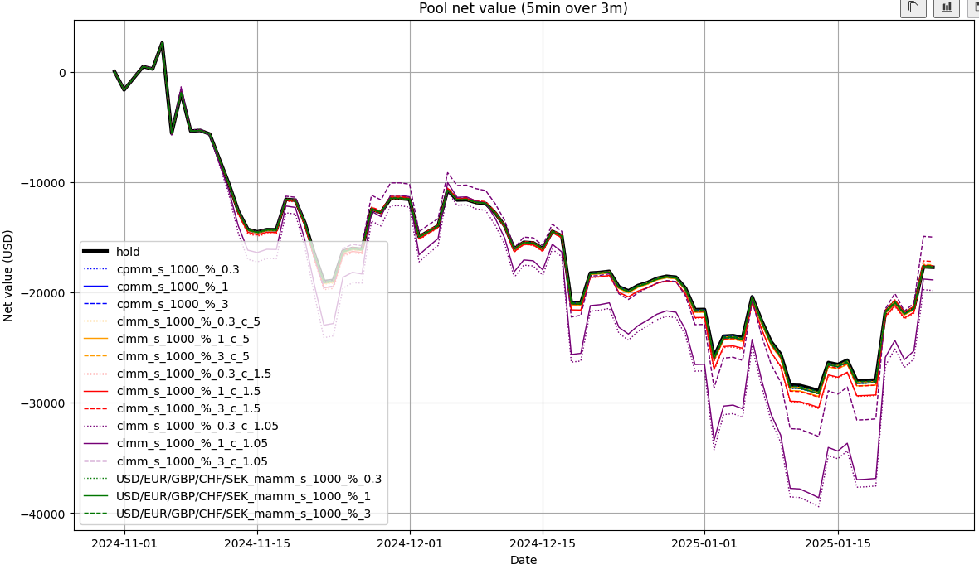
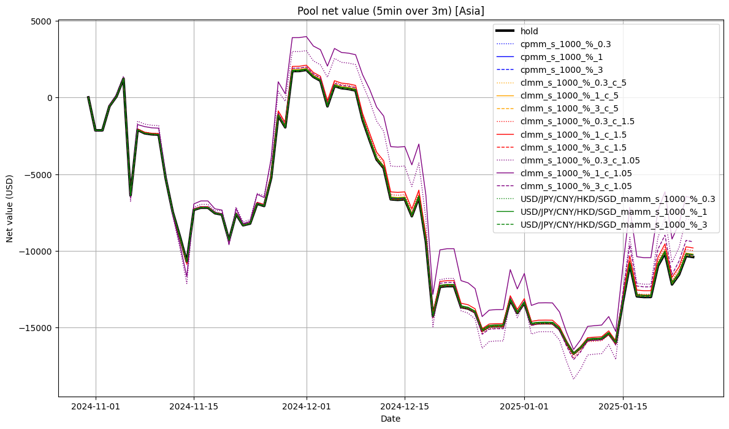
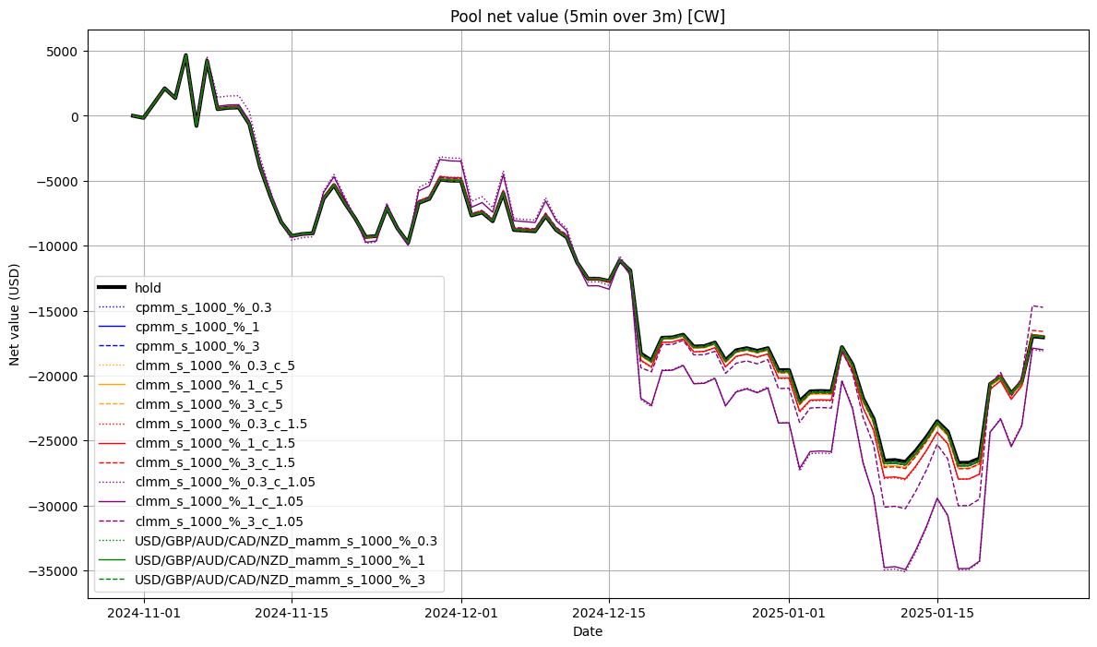
EU |  |  |  |  |  |  | Asia |  |  |  |  |  |  | CW
 | Type Order | Size | Fee % | Final_Pool_Value | Fees | Trades |  | Type | Order Size | Fee % | Final_Pool_Value | Fees | Trades |  | Type | Order Size | Fee % | Final_Pool_Value | Fees | Trades
hold | hold | no | no | 982,277.94 | - | 0 | hold | hold | no | no | 989,599.04 | - | 0 | hold | hold | no | no | 982,945.71 | - | 0
cpmm_s_1000_%_0.3 | cpmm | 1000 | 0.3 | 982,269.99 | 149.92 | 50 | cpmm_s_1000_%_0.3 | cpmm | 1000 | 0.3 | 989,695.03 | 152.95 | 51 | cpmm_s_1000_%_0.3 | cpmm | 1000 | 0.3 | 982,946.45 | 146.90 | 49
cpmm_s_1000_%_1 | cpmm | 1000 | 1 | 982,307.86 | 178.98 | 18 | cpmm_s_1000_%_1 | cpmm | 1000 | 1 | 989,726.28 | 179.41 | 18 | cpmm_s_1000_%_1 | cpmm | 1000 | 1 | 982,957.17 | 148.88 | 15
cpmm_s_1000_%_3 | cpmm | 1000 | 3 | 982,357.00 | 232.90 | 8 | cpmm_s_1000_%_3 | cpmm | 1000 | 3 | 989,621.06 | 58.24 | 2 | cpmm_s_1000_%_3 | cpmm | 1000 | 3 | 983,039.70 | 232.92 | 8
clmm_s_1000_%_0.3_c_5 | clmm | 1000 | 0.3 | 982,288.08 | 296.81 | 99 | clmm_s_1000_%_0.3_c_5 | clmm | 1000 | 0.3 | 989,747.16 | 257.93 | 86 | clmm_s_1000_%_0.3_c_5 | clmm | 1000 | 0.3 | 982,987.25 | 314.82 | 105
clmm_s_1000_%_1_c_5 | clmm | 1000 | 1 | 982,307.38 | 297.92 | 30 | clmm_s_1000_%_1_c_5 | clmm | 1000 | 1 | 989,788.49 | 299.02 | 30 | clmm_s_1000_%_1_c_5 | clmm | 1000 | 1 | 982,984.43 | 298.12 | 30
clmm_s_1000_%_3_c_5 | clmm | 1000 | 3 | 982,496.10 | 494.66 | 17 | clmm_s_1000_%_3_c_5 | clmm | 1000 | 3 | 989,646.18 | 116.45 | 4 | clmm_s_1000_%_3_c_5 | clmm | 1000 | 3 | 983,078.16 | 378.31 | 13
clmm_s_1000_%_0.3_c_1.5 | clmm | 1000 | 0.3 | 982,258.97 | 863.46 | 288 | clmm_s_1000_%_0.3_c_1.5 | clmm | 1000 | 0.3 | 990,013.14 | 746.76 | 249 | clmm_s_1000_%_0.3_c_1.5 | clmm | 1000 | 0.3 | 983,017.74 | 899.48 | 300
clmm_s_1000_%_1_c_1.5 | clmm | 1000 | 1 | 982,408.50 | 973.89 | 98 | clmm_s_1000_%_1_c_1.5 | clmm | 1000 | 1 | 990,189.67 | 916.83 | 92 | clmm_s_1000_%_1_c_1.5 | clmm | 1000 | 1 | 983,068.02 | 914.38 | 92
clmm_s_1000_%_3_c_1.5 | clmm | 1000 | 3 | 982,799.15 | 1,367.88 | 47 | clmm_s_1000_%_3_c_1.5 | clmm | 1000 | 3 | 989,736.27 | 349.40 | 12 | clmm_s_1000_%_3_c_1.5 | clmm | 1000 | 3 | 983,398.52 | 1,193.31 | 41
clmm_s_1000_%_0.3_c_1.05 | clmm | 1000 | 0.3 | 980,173.07 | 4,046.76 | 1350 | clmm_s_1000_%_0.3_c_1.05 | clmm | 1000 | 0.3 | 991,986.60 | 4,828.27 | 1610 | clmm_s_1000_%_0.3_c_1.05 | clmm | 1000 | 0.3 | 981,880.39 | 4,781.86 | 1595
clmm_s_1000_%_1_c_1.05 | clmm | 1000 | 1 | 981,133.75 | 4,745.13 | 478 | clmm_s_1000_%_1_c_1.05 | clmm | 1000 | 1 | 993,438.78 | 6,228.82 | 625 | clmm_s_1000_%_1_c_1.05 | clmm | 1000 | 1 | 981,989.05 | 4,556.69 | 459
clmm_s_1000_%_3_c_1.05 | clmm | 1000 | 3 | 985,008.43 | 8,527.81 | 293 | clmm_s_1000_%_3_c_1.05 | clmm | 1000 | 3 | 990,590.79 | 2,562.19 | 88 | clmm_s_1000_%_3_c_1.05 | clmm | 1000 | 3 | 985,257.11 | 7,393.45 | 254
mamm_s_1000_%_0.3 | mamm | 1000 | 0.3 | 982,299.09 | 182.90 | 61 | mamm_s_1000_%_0.3 | mamm | 1000 | 0.3 | 989,723.94 | 182.97 | 61 | mamm_s_1000_%_0.3 | mamm | 1000 | 0.3 | 982,975.12 | 182.92 | 61
mamm_s_1000_%_1 | mamm | 1000 | 1 | 982,300.79 | 178.94 | 18 | mamm_s_1000_%_1 | mamm | 1000 | 1 | 989,755.88 | 209.31 | 21 | mamm_s_1000_%_1 | mamm | 1000 | 1 | 982,977.62 | 178.98 | 18
mamm_s_1000_%_3 | mamm | 1000 | 3 | 982,383.51 | 261.93 | 9 | mamm_s_1000_%_3 | mamm | 1000 | 3 | 989,618.12 | 58.24 | 2 | mamm_s_1000_%_3 | mamm | 1000 | 3 | 983,037.53 | 232.82 | 8

1min
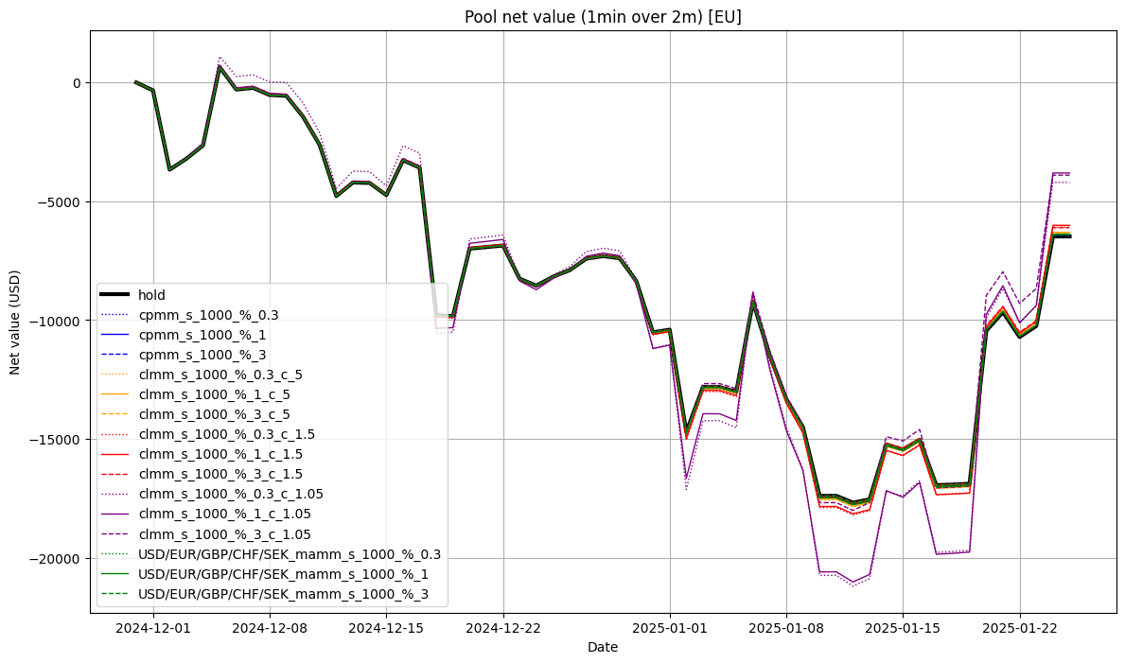
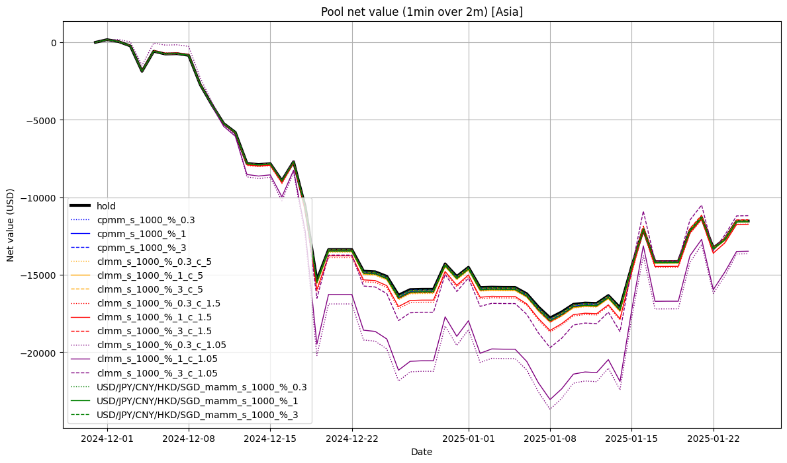
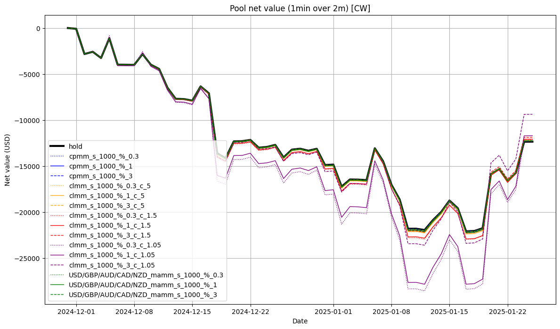
EU |  |  |  |  |  |  | Asia |  |  |  |  |  |  | CW
 | Type | Order Size | Fee % | Final_Pool_Value | Fees | Trades |  | Type | Order Size | Fee % | Final_Pool_Value | Fees | Trades |  | Type | Order Size | Fee % | Final_Pool_Value | Fees | Trades
hold | hold | no | no | 993,521.60 | - | 0 | hold | hold | no | no | 988,470.81 | - | 0 | hold | hold | no | no | 987,649.76 | - | 0
cpmm_s_1000_%_0.3 | cpmm | 1000 | 0.3 | 993,594.96 | 98.97 | 33 | cpmm_s_1000_%_0.3 | cpmm | 1000 | 0.3 | 988,435.56 | 83.94 | 28 | cpmm_s_1000_%_0.3 | cpmm | 1000 | 0.3 | 987,696.74 | 116.93 | 39
cpmm_s_1000_%_1 | cpmm | 1000 | 1 | 993,611.26 | 109.49 | 11 | cpmm_s_1000_%_1 | cpmm | 1000 | 1 | 988,431.42 | 79.39 | 8 | cpmm_s_1000_%_1 | cpmm | 1000 | 1 | 987,709.57 | 129.28 | 13
cpmm_s_1000_%_3 | cpmm | 1000 | 3 | 993,563.57 | 58.22 | 2 | cpmm_s_1000_%_3 | cpmm | 1000 | 3 | 988,481.70 | 116.48 | 4 | cpmm_s_1000_%_3 | cpmm | 1000 | 3 | 987,773.54 | 174.62 | 6
clmm_s_1000_%_0.3_c_5 | clmm | 1000 | 0.3 | 993,635.38 | 161.94 | 54 | clmm_s_1000_%_0.3_c_5 | clmm | 1000 | 0.3 | 988,408.66 | 152.90 | 51 | clmm_s_1000_%_0.3_c_5 | clmm | 1000 | 0.3 | 987,717.59 | 209.87 | 70
clmm_s_1000_%_1_c_5 | clmm | 1000 | 1 | 993,694.88 | 209.08 | 21 | clmm_s_1000_%_1_c_5 | clmm | 1000 | 1 | 988,405.17 | 148.89 | 15 | clmm_s_1000_%_1_c_5 | clmm | 1000 | 1 | 987,733.78 | 218.55 | 22
clmm_s_1000_%_3_c_5 | clmm | 1000 | 3 | 993,651.72 | 174.68 | 6 | clmm_s_1000_%_3_c_5 | clmm | 1000 | 3 | 988,504.78 | 232.96 | 8 | clmm_s_1000_%_3_c_5 | clmm | 1000 | 3 | 987,813.28 | 291.14 | 10
clmm_s_1000_%_0.3_c_1.5 | clmm | 1000 | 0.3 | 993,912.11 | 542.82 | 181 | clmm_s_1000_%_0.3_c_1.5 | clmm | 1000 | 0.3 | 988,272.30 | 449.71 | 150 | clmm_s_1000_%_0.3_c_1.5 | clmm | 1000 | 0.3 | 987,851.91 | 638.67 | 213
clmm_s_1000_%_1_c_1.5 | clmm | 1000 | 1 | 993,988.03 | 567.04 | 57 | clmm_s_1000_%_1_c_1.5 | clmm | 1000 | 1 | 988,259.19 | 426.46 | 43 | clmm_s_1000_%_1_c_1.5 | clmm | 1000 | 1 | 987,924.67 | 675.69 | 68
clmm_s_1000_%_3_c_1.5 | clmm | 1000 | 3 | 993,888.20 | 494.91 | 17 | clmm_s_1000_%_3_c_1.5 | clmm | 1000 | 3 | 988,552.56 | 669.66 | 23 | clmm_s_1000_%_3_c_1.5 | clmm | 1000 | 3 | 988,122.99 | 844.26 | 29
clmm_s_1000_%_0.3_c_1.05 | clmm | 1000 | 0.3 | 995,796.88 | 3,433.76 | 1145 | clmm_s_1000_%_0.3_c_1.05 | clmm | 1000 | 0.3 | 986,358.70 | 2,221.20 | 741 | clmm_s_1000_%_0.3_c_1.05 | clmm | 1000 | 0.3 | 987,677.21 | 3,240.70 | 1081
clmm_s_1000_%_1_c_1.05 | clmm | 1000 | 1 | 996,191.22 | 3,530.40 | 355 | clmm_s_1000_%_1_c_1.05 | clmm | 1000 | 1 | 986,523.69 | 2,309.18 | 233 | clmm_s_1000_%_1_c_1.05 | clmm | 1000 | 1 | 988,294.48 | 3,592.36 | 362
clmm_s_1000_%_3_c_1.05 | clmm | 1000 | 3 | 996,099.74 | 3,522.38 | 121 | clmm_s_1000_%_3_c_1.05 | clmm | 1000 | 3 | 988,815.44 | 4,367.55 | 150 | clmm_s_1000_%_3_c_1.05 | clmm | 1000 | 3 | 990,624.65 | 5,589.56 | 192
mamm_s_1000_%_0.3 | mamm | 1000 | 0.3 | 993,597.76 | 110.98 | 37 | mamm_s_1000_%_0.3 | mamm | 1000 | 0.3 | 988,421.44 | 113.95 | 38 | mamm_s_1000_%_0.3 | mamm | 1000 | 0.3 | 987,724.88 | 155.93 | 52
mamm_s_1000_%_1 | mamm | 1000 | 1 | 993,605.70 | 109.49 | 11 | mamm_s_1000_%_1 | mamm | 1000 | 1 | 988,418.67 | 109.29 | 11 | mamm_s_1000_%_1 | mamm | 1000 | 1 | 987,716.74 | 139.18 | 14
mamm_s_1000_%_3 | mamm | 1000 | 3 | 993,587.96 | 87.33 | 3 | mamm_s_1000_%_3 | mamm | 1000 | 3 | 988,483.77 | 145.57 | 5 | mamm_s_1000_%_3 | mamm | 1000 | 3 | 987,756.48 | 174.67 | 6

