Playstore Beta Feedback Links
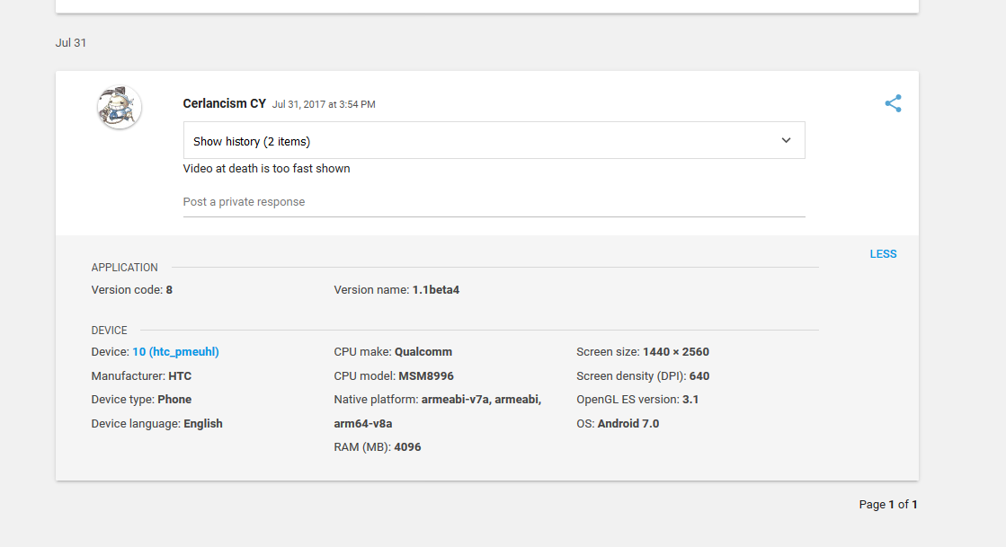
Link | Issue | Developer Remarks
https://play.google.com/apps/publish/?account=4739697924427955550#BetaFeedbackDetailsPlace:p=com.KenzerLancer.TiltedSpace&feedbackid=lg:AOqpTOEomQe1woaN9yjLxISb7gp4gOanA2pOEPBTgOhA6vzSaquS5kh3mc9aPB1FgLZZvcBqEA-nldgfs9x1Mivu | Ads too fast shown | Fixed

