Tabelle1
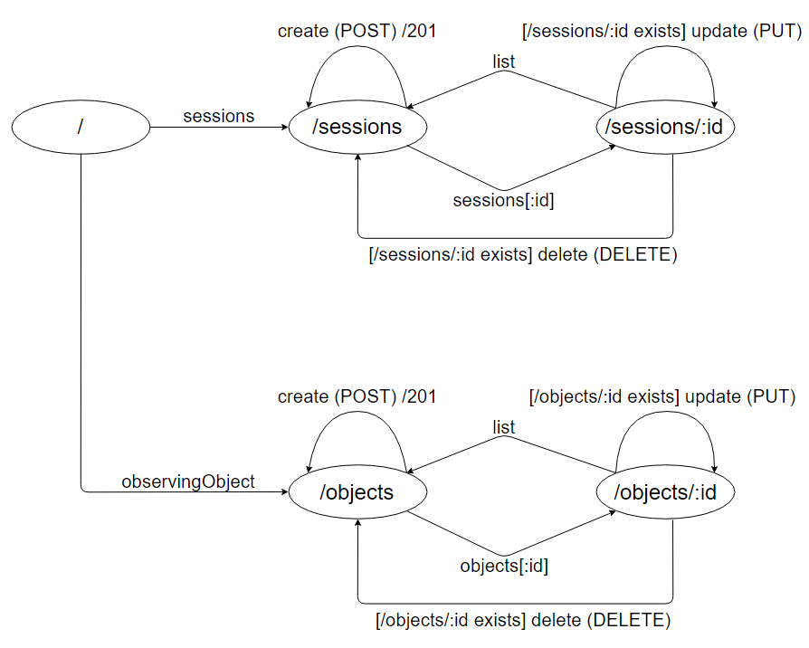
URI-Entwurf |  |  | Relationsentwurf
Ressource | Relative URI | Unterstützte HTTP-Verben
observingSession | /sessions/:id | GET, PUT, DELETE
List of observingSessions | /sessions | GET, POST
observingObject | /observingObjects/:id | GET, PUT, DELETE
List of observingObjects | /observingObjects | GET, POST

Modellierung der Ressourcen-Repräsentationen
Ressource | Pfad zur Beispielressource
/sessions | /server/savedSessions/mod-sessions.json
/sessions/:id | /server/savedSessions/mod-session.json
/objects | /server/savedSessions/mod-observingObjects.json
/objects/:id | /server/savedSessions/mod-observingObject.json

