OLS
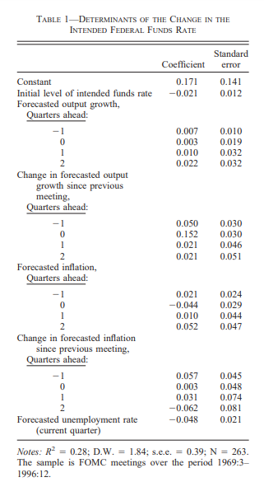
TABLE 1. DETERMINANTS OF THE CHANGE IN
THE OVERNIGHT CENTRAL BANK RATE
 | Coefficient | t-statistics | P-value
Constant | 0.025 | 0.104 | 0.917
Change in Overnight Rate lagged one period | 0.449* | 3.325 | 0.001

Initial level of Overnight Central Bank Rate | -0.012 | -0.644 | 0.52

Forecasted GDP growth
Periods
-1 | -0.024 | -0.771 | 0.44
0 | -0.002 | -0.046 | 0.964
1 | 0.019 | 0.209 | 0.834
Change in Forecasted
GDP growth
Periods
-1 | -0.057 | -1.379 | 0.168
0 | 0.077* | 2.094 | 0.036
1 | -0.055 | -0.662 | 0.508
Forecasted Inflation
Periods
-1 | -0.055* | -2.010 | 0.044
0 | 0.016 | 0.699 | 0.485
1 | 0.044 | 0.879 | 0.380
Change in Forecasted
Inflation
Periods
-1 | -0.099 | -1.084 | 0.278
0 | -0.033 | -1.469 | 0.142
1 | 0.033 | 0.556 | 0.579

