Sheet1
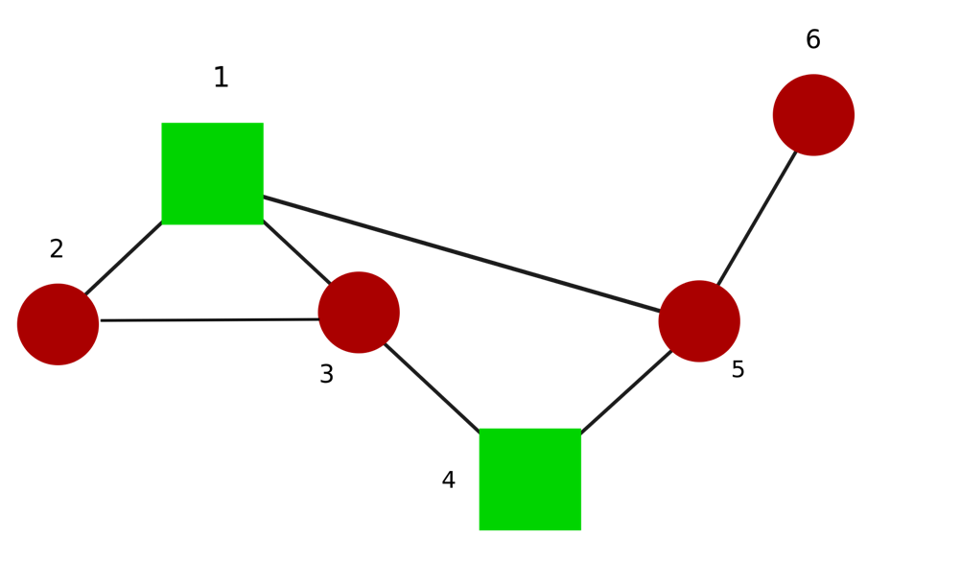
 |  |  |  |  |  |  | BEFORE FALIURE
etas | theta2-theta1 | theta3-theta1 | theta5-theta1 | theta3-theta2 | theta4-theta3 | theta5-theta4 | theta6-theta5 |  |  | Steady state | Peak | Peak time | Zeta | omega | Q
1 | -1.67E-16 | -2.22E-16 | 0 | -5.55E-17 | 2.22E-16 | 0 | 1.11E-16 |  |  | NA | NA | NA | NA | 0 | 0
2 | -0.193936272 | -0.088508148 | 0.441867042 | 0.105428124 | 0.240208873 | 0.290166316 | 0.572610736 |  |  | -0.089406141 | -0.167070271 | 0.312879709 | 0.044771777 | 10.0509748 | -9.0319956618
3 | -0.304630152 | 0.240933084 | 0.401329086 | 0.545563235 | 0.718741705 | -0.558345703 | -0.494648635 |  |  | 0.124623329 | 0.23827578 | 0.204779329 | 0.029319868 | 15.3479547 | 29.356235817
4 | -0.866025404 | -0.866025404 | 9.99E-16 | -7.22E-16 | 5.55E-17 | 0.866025404 | -0.866025404 |  |  | 0.030929479 | 0.059796817 | 0.153330993 | 0.021957752 | 20.4939015 | 12.990381057
5 | -0.875457927 | 0.349692971 | -0.616868989 | 1.225150898 | -0.863271178 | -0.103290782 | 0.422474173 |  |  | 0.010776837 | 0.020904906 | 0.137974416 | 0.019759521 | 22.7738317 | 5.5893788603
6 | -0.594274862 | -1.030452514 | -1.123904414 | -0.436177652 | 0.824907832 | -0.918359733 | 0.706367642 |  |  | 0.090100225 | 0.175461307 | 0.120071929 | 0.017196494 | 26.1681252 | 61.698000915


 |  |  |  |  |  |  |  | AFTER FALIURE
Failed Line : Line2-1
 | theta2-theta1 | theta3-theta1 | theta5-theta1 | theta3-theta2 | theta4-theta3 | theta5-theta4 | theta6-theta5 |  |  | Steady State | Peak | Peak time | Zeta | omega | Q
1 | NA | 1.6653345369E-16 | -5.5511151231E-17 | -3.3306690739E-16 | -2.2204460493E-16 | 0 | 1.6653345369E-16 |  |  | NA | NA | NA | NA | 0 | 0
2 | NA | -0.27059805007 | 0.27059805007 | 0.38268343237 | 0.27059805007 | 0.27059805007 | 0.38268343237 |  |  | 0.079658660621 | 0.14779075574 | 0.34733859513 | 0.049691126198 | 9.0559428702 | 6.5328148244
3 | NA | 0.2588190451 | 0.2588190451 | -0.70710678119 | -0.2588190451 | 0.2588190451 | 0.70710678119 |  |  | -0.23614469781 | -0.44850329402 | 0.23592979151 | 0.033775172068 | 13.323396224 | -41.918727044
4 | NA | -0.70710678119 | -0.70710678119 | -1.1959900091E-16 | -0.70710678119 | 0.70710678119 | 0 |  |  | 2.9736766192E-17 | 5.7063566037E-17 | 0.18781399809 | 0.02689264371 | 16.733200531 | 8.3262945337E-15
5 | NA | -0.65328148244 | 0.65328148244 | -0.92387953251 | 0.65328148244 | 0.65328148244 | -0.92387953251 |  |  | -0.0056611667065 | -0.010967779404 | 0.14372506939 | 0.020582738401 | 21.862980097 | -2.7059805007
6 | NA | 0.96592582629 | 0.96592582629 | 0.70710678119 | -0.96592582629 | 0.96592582629 | -0.70710678119 |  |  | -0.084621816127 | -0.16472040646 | 0.12207522688 | 0.017483315566 | 25.738825013 | -56.060862668



Failed Line: Line3-1
1 | 1.6653345369E-16 | NA | 1.67E-16 | 0 | -1.1102230246E-16 | 1.1102230246E-16 | 2.2204460493E-16 |  |  | NA | NA | NA | NA | 0 | 0
2 | -0.27242730033 | NA | 0.35491164992 | 0 | 0.27242730033 | 0.35491164992 | 0.54485460065 |  |  | -0.057485341086 | -0.10729905851 | 0.3183101808 | 0.045547256115 | 9.8798487194 | -5.611225239
3 | 0.22975292055 | NA | 0.60150095501 | 0.74349606892 | 0.22975292055 | -0.60150095501 | 0 |  |  | -0.0096071215995 | -0.018285328503 | 0.22597717188 | 0.032351901749 | 13.909537792 | -1.8587401723
4 | 0.81649658093 | NA | -1.1102230246E-16 | -5.5511151231E-17 | -0.81649658093 | -5.5511151231E-17 | 0.81649658093 |  |  | -0.16038325697 | -0.30776852185 | 0.18781399809 | 0.02689264371 | 16.733200531 | -44.907311951
5 | -0.97324898947 | NA | -0.37174803446 | 1.20300191 | -0.97324898947 | 0.37174803446 | 0 |  |  | -0.0059375276825 | -0.011513493049 | 0.1396163766 | 0.019994574881 | 22.506104915 | -3.007504775
6 | -0.50903506694 | NA | -1.1721935509 | 1.3877787808E-17 | 0.50903506694 | -1.1721935509 | 1.0180701339 |  |  | 0.089232518529 | 0.17346963549 | 0.12802197218 | 0.018334714235 | 24.543605874 | 53.752650955



Failed Line: Line5-1
1 | 5.5511151231E-17 | 1.1102230246E-16 | NA | 5.5511151231E-17 | 5.5511151231E-17 | 1.6653345369E-16 | -2.2204460493E-16 |  |  | NA | NA | NA | NA | 0 | 0
2 | 0 | 0.13622395348 | NA | 0.13622395348 | 0.36441690326 | 0.33799809745 | 0.20177414397 |  |  | -0.32430794142 | -0.58716220762 | 0.46687498487 | 0.066725874395 | 6.7440105368 | -14.750069404
3 | 5.5511151231E-17 | 0.37393081594 | NA | 0.37393081594 | 0.57555015109 | -0.43753139466 | -0.8114622106 |  |  | 0.092059204083 | 0.17544911268 | 0.21978797947 | 0.031466718995 | 14.300823676 | 18.827355356
4 | 2.7755575616E-17 | 0.54772255751 | NA | 0.54772255751 | 5.5511151231E-17 | -1.095445115 | 1.095445115 |  |  | 0.039123039822 | 0.075637655146 | 0.15333099317 | 0.021957751641 | 20.493901532 | 16.431676725
5 | -1.4142135624 | -0.70710678119 | NA | 0.70710678119 | 0 | 0 | 0 |  |  | 0.10101525446 | 0.19529558582 | 0.15333099317 | 0.021957751641 | 20.493901532 | 42.426406871
6 | -5.5511151231E-17 | -1.020597266 | NA | -1.020597266 | 1.2393314102 | -0.70308147807 | 0.31751578794 |  |  | 0.081425268319 | 0.1582459653 | 0.12935900161 | 0.01852613202 | 24.29001367 | 48.041296224

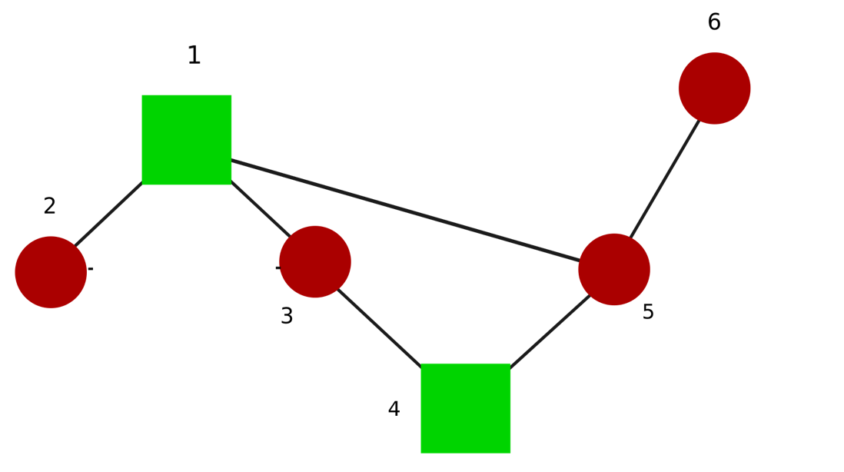

Failed Line: Line3-2
1 | 5.5511151231E-17 | 3.8857805862E-16 | 0 | NA | -1.1102230246E-16 | -2.7755575616E-16 | -5.5511151231E-17 |  |  | NA | NA | NA | NA | 0 | 0
2 | -0.43534715458 | 0.13022948593 | 0.45440825698 | NA | 0.19394928511 | 0.13022948593 | 0.43534715458 |  |  | -0.019995525493 | -0.037247877316 | 0.32791122545 | 0.046918097182 | 9.5911818047 | -1.8394037549
3 | 0.5 | -0.5 | 7.0000376856E-17 | NA | -3.3306690739E-16 | 0.5 | 0.5 |  |  | -0.16071428571 | -0.30331675066 | 0.26570527117 | 0.038031941463 | 11.832159566 | -22.5
4 | -0.47978604515 | 0.32623339508 | -0.58019210369 | NA | -1.2326588938 | 0.32623339508 | 0.47978604515 |  |  | -0.054527068974 | -0.10510668454 | 0.16699692484 | 0.023913706817 | 18.817659823 | -19.308270747
5 | -0.86602540378 | -0.86602540378 | 9.9920072216E-16 | NA | 9.9920072216E-16 | 0.86602540378 | -0.86602540378 |  |  | 0.030929478707 | 0.059796816784 | 0.15333099317 | 0.021957751641 | 20.493901532 | 12.990381057
6 | 0.7617599398 | 0.93627562872 | 1.2070170913 | NA | -0.66553416609 | 0.93627562872 | -0.7617599398 |  |  | -0.092654659206 | -0.18039772893 | 0.121036351 | 0.017334575201 | 25.959678549 | -62.440429808

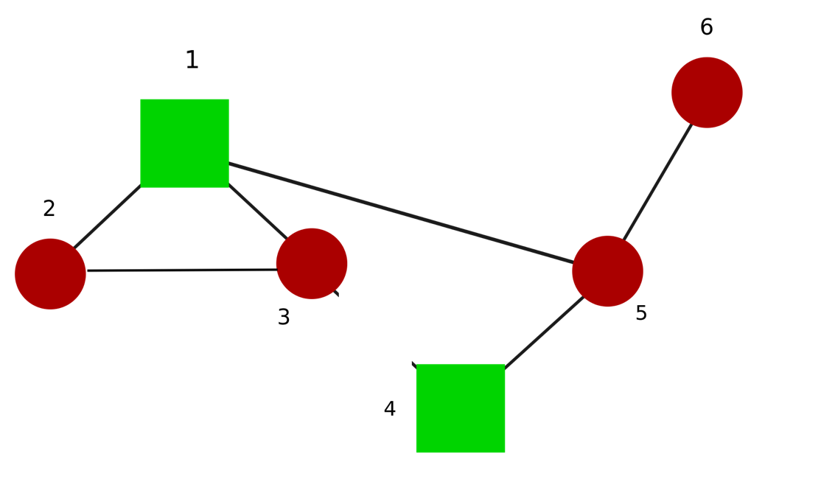

Failed Line: Line4-3
1 | 1.6653345369E-16 | 1.1102230246E-16 | -5.5511151231E-17 | -5.5511151231E-17 | NA | 2.2204460493E-16 | -1.1102230246E-16 |  |  | NA | NA | NA | NA | 0 | 0
2 | -0.20374865785 | -0.20374865785 | 0.52191294762 | -1.1102230246E-16 | NA | -0.20374865785 | 0.20374865785 |  |  | 0.29146227543 | 0.53473164242 | 0.40164721451 | 0.057436749205 | 7.8347052406 | 17.890714077
3 | -8.4126223856E-17 | -5.3989596284E-17 | -1.6901003023E-16 | 3.0136627572E-17 | NA | 0.70710678119 | 0.70710678119 |  |  | -0.25253813614 | -0.47661629164 | 0.26570527117 | 0.038031941463 | 11.832159566 | -35.355339059
4 | 0.86602540378 | 0.86602540378 | 5.5511151231E-16 | 1.1102230246E-16 | NA | -0.86602540378 | 0.86602540378 |  |  | -0.030929478707 | -0.059796816784 | 0.15333099317 | 0.021957751641 | 20.493901532 | -12.990381057
5 | -0.70710678119 | 0.70710678119 | -1.720971759E-17 | 1.4142135624 | NA | 1.720971759E-17 | 0 |  |  | -0.0084179378713 | -0.016274632151 | 0.15333099317 | 0.021957751641 | 20.493901532 | -3.5355339059
6 | -0.84171639192 | -0.84171639192 | -1.3143845994 | 0 | NA | -0.84171639192 | 0.84171639192 |  |  | 0.088561331005 | 0.172303606 | 0.12433642256 | 0.017807056728 | 25.270880353 | 56.556806397



Failed Line: Line5-4
1 | 5.55E-17 | 1.1102230246E-16 | -2.7755575616E-16 | 5.5511151231E-17 | 5.5511151231E-17 | NA | -1.1102230246E-16 |  |  | NA | NA | NA | NA | 0 | 0
2 | 0.17019696268 | 0.25104384446 | -0.44028354127 | 0.080846881782 | 0.20914328229 | NA | -0.27744777928 |  |  | 0.46533598404 | 0.85160564177 | 0.41383104509 | 0.059173062142 | 7.6048117793 | 26.911851442
3 | 0.16729145688 | -0.2594199884 | -0.31167520171 | -0.42671144528 | -0.79499203522 | NA | -0.36112512963 |  |  | -0.15402923088 | -0.29172079274 | 0.24916949036 | 0.035668189892 | 12.616283623 | -24.516927016
4 | -0.67535076061 | -0.37253702199 | 0.43258225916 | 0.30281373862 | 0.19396121068 | NA | -1.2033882321 |  |  | 0.038056095737 | 0.073263389512 | 0.17290667585 | 0.024759464287 | 18.174868195 | 12.570911559
5 | -0.96836777461 | 0.21922600592 | -0.67567527273 | 1.1875937805 | -0.82863946178 | NA | 0.39798359372 |  |  | 0.017730809827 | 0.034393257902 | 0.13810272297 | 0.019777888571 | 22.752681531 | 9.1789657184
6 | -0.74108823063 | -1.297241066 | -1.0321552629 | -0.55615283538 | 0.77458533587 | NA | 0.43136665682 |  |  | 0.094568561805 | 0.18389598143 | 0.12670355941 | 0.018145959758 | 24.798908738 | 58.158329692



Failed Line: Line6-5
1 | 0 | 0 | 0 | 0 | 0 | 0 | NA |  |  | NA | NA | NA | NA | 0 | -10
2 | 0 | 0 | 2.2204460493E-16 | 0 | 0 | 2.2204460493E-16 | NA |  |  | NA | NA | NA | NA | 0 | -4.472135955
3 | -0.43701602445 | -3.8857805862E-16 | 0.70710678119 | 0.43701602445 | 0.70710678119 | 6.6613381478E-16 | NA |  |  | 0.0898953633 | 0.17109872419 | 0.22597717188 | 0.032351901749 | 13.909537792 | 17.392527131
4 | -0.37174803446 | -0.74349606892 | 0.22975292055 | -0.37174803446 | -0.22975292055 | 1.20300191 | NA |  |  | -0.044782754381 | -0.086228433275 | 0.17208775765 | 0.024642270234 | 18.261304487 | -14.933939836
5 | -1.1441228056 | -1.1102230246E-16 | -0.70710678119 | 1.1441228056 | -0.70710678119 | -2.7755575616E-17 | NA |  |  | 0.03433697335 | 0.066583016553 | 0.1396163766 | 0.019994574881 | 22.506104915 | 17.392527131
6 | -0.60150095501 | -1.20300191 | -0.97324898947 | -0.60150095501 | 0.97324898947 | -0.74349606892 | NA |  |  | 0.09784804602 | 0.19040347095 | 0.12357349115 | 0.01769782651 | 25.426851131 | 63.261184315

 |  |  |  | Before faliure | Steady State of thetaj-thetai

 | -0.11038961 | -0.077922078 | -0.097402597 | 0.032467532 | 0.133116883 | -0.152597403 | -0.071428571

 |  |  |  |  |  |  |  |  |  |  |  | Differences insteady state after faliure and before faliure
 |  |  |  | After faliure | Steady State of thetaj-thetai
 | theta2-theta1 | theta3-theta1 | theta5-theta1 | theta3-theta2 | theta4-theta3 | theta5-theta4 | theta6-theta5 |  |  | theta2-theta1 | theta3-theta1 | theta5-theta1 | theta3-theta2 | theta4-theta3 | theta5-theta4 | theta6-theta5
Line 2-1 | NA | -0.16071428571 | -0.125 | 0.14285714286 | 0.16071428571 | -0.125 | -0.071428571429 |  | Line 2-1 | #VALUE! | -0.082792207714 | -0.027597403 | 0.11038961086 | 0.027597402714 | 0.027597403 | -4.2857135896E-10
Line 3-1 | -0.15714285714 | NA | -0.12857142857 | -0.014285714286 | 0.16428571429 | -0.12142857143 | -0.071428571429 |  | Line 3-1 | -0.046753247143 | #VALUE! | -0.031168831571 | -0.046753246286 | 0.031168831286 | 0.031168831571 | -4.285714561E-10
Line 5-1 | -0.14285714286 | -0.14285714286 | NA | 1.3877787808E-17 | 0.035714285714 | -0.25 | -0.071428571429 |  | Line 5-1 | -0.032467532857 | -0.064935064857 | #VALUE! | -0.032467532 | -0.097402597286 | -0.097402597 | -4.2857137283E-10
Line 3-2 | -0.14285714286 | -0.053571428571 | -0.089285714286 | NA | 0.125 | -0.16071428571 | -0.071428571429 |  | Line 3-2 | -0.032467532857 | 0.024350649429 | 0.0081168827143 | #VALUE! | -0.008116883 | -0.0081168827143 | -4.285714561E-10
Line 4-3 | -0.15476190476 | -0.16666666667 | 0.035714285714 | -0.011904761905 | NA | -0.28571428571 | -0.071428571429 |  | Line 4-3 | -0.044372294762 | -0.088744588667 | 0.13311688271 | -0.044372293905 | #VALUE! | -0.13311688271 | -4.2857148386E-10
Line 5-4 | -0.059523809524 | 0.02380952381 | -0.25 | 0.083333333333 | 0.28571428571 | NA | -0.071428571 |  | Line 5-4 | 0.050865800476 | 0.10173160181 | -0.152597403 | 0.050865801333 | 0.15259740271 | #VALUE! | 0
Line 6-5 | -0.12077922078 | -0.084415584416 | -0.066233766234 | 0.036363636364 | 0.14480519481 | -0.12662337662 | NA |  | Line 6-5 | -0.010389610779 | -0.0064935064156 | 0.031168830766 | 0.0038961043636 | 0.011688311805 | 0.025974026377 | #VALUE!

 | INDEX

 |  | Line 6-5 doesn't change with any faliure
 |  |  |  |  |  |  |  |  |  |  | 10 s is time at faliure
 |  |  |  | After faliure peak flows |  |  |  |  |  |  | Time for max flow after faliure
 | theta2-theta1 | theta3-theta1 | theta5-theta1 | theta3-theta2 | theta4-theta3 | theta5-theta4 | theta6-theta5 |  |  | theta2-theta1 | theta3-theta1 | theta5-theta1 | theta3-theta2 | theta4-theta3 | theta5-theta4 | theta6-theta5
Line 2-1 | NA | -0.21072859668 | -0.1717279823 | 0.21850378415 | 0.21735098256 | -0.18193897495 | -0.14440009504 |  | Line 2-1 | NA | 10.234 | 10.162 | 10.2538 | 10.3402 | 10.7254 | 10.7056
Line 3-1 | -0.1915441083 | NA | -0.1661907108 | -0.050770978378 | 0.1971731753 | -0.15331139214 | -0.10286545523 |  | Line 3-1 | 10.207 | NA | 10.657 | 10.2106 | 10.9342 | 10 | 10.5544
Line 5-1 | -0.17208826861 | -0.16943811021 | NA | -0.048080916811 | 0.13472613233 | -0.34734017214 | -0.11997663201 |  | Line 5-1 | 10.1548 | 10.4104 | NA | 10.621 | 10 | 10.4464 | 10.4158
Line 3-2 | -0.16591309949 | -0.078624007832 | -0.097209267636 | NA | 0.14021832113 | -0.17386827121 | -0.090121362105 |  | Line 3-2 | 10.2466 | 10 | 10 | NA | 10.3312 | 10.2664 | 11.3248
Line 4-3 | -0.21721524443 | -0.22923039996 | 0.15292218734 | -0.053743232223 | NA | -0.37192983109 | -0.16040382231 |  | Line 4-3 | 10.3474 | 10.4266 | 10.441 | 10.1548 | NA | 10.3222 | 10.7848
Line 5-4 | -0.11213940654 | 0.10416578076 | -0.39272386684 | 0.13711698771 | 0.38031601511 | NA | -0.17428290515 |  | Line 5-4 | 10.7056 | 11.251 | 10.4338 | 10.2844 | 10.315 | NA | 10.387
Line 6-5 | -0.13894458643 | -0.10071780035 | -0.097209267636 | 0.049004698912 | 0.16500954554 | -0.15331139214 | NA |  | Line 6-5 | 10.2304 | 10.5022 | 10 | 11.098 | 10.7038 | 10 | NA

