Sheet1
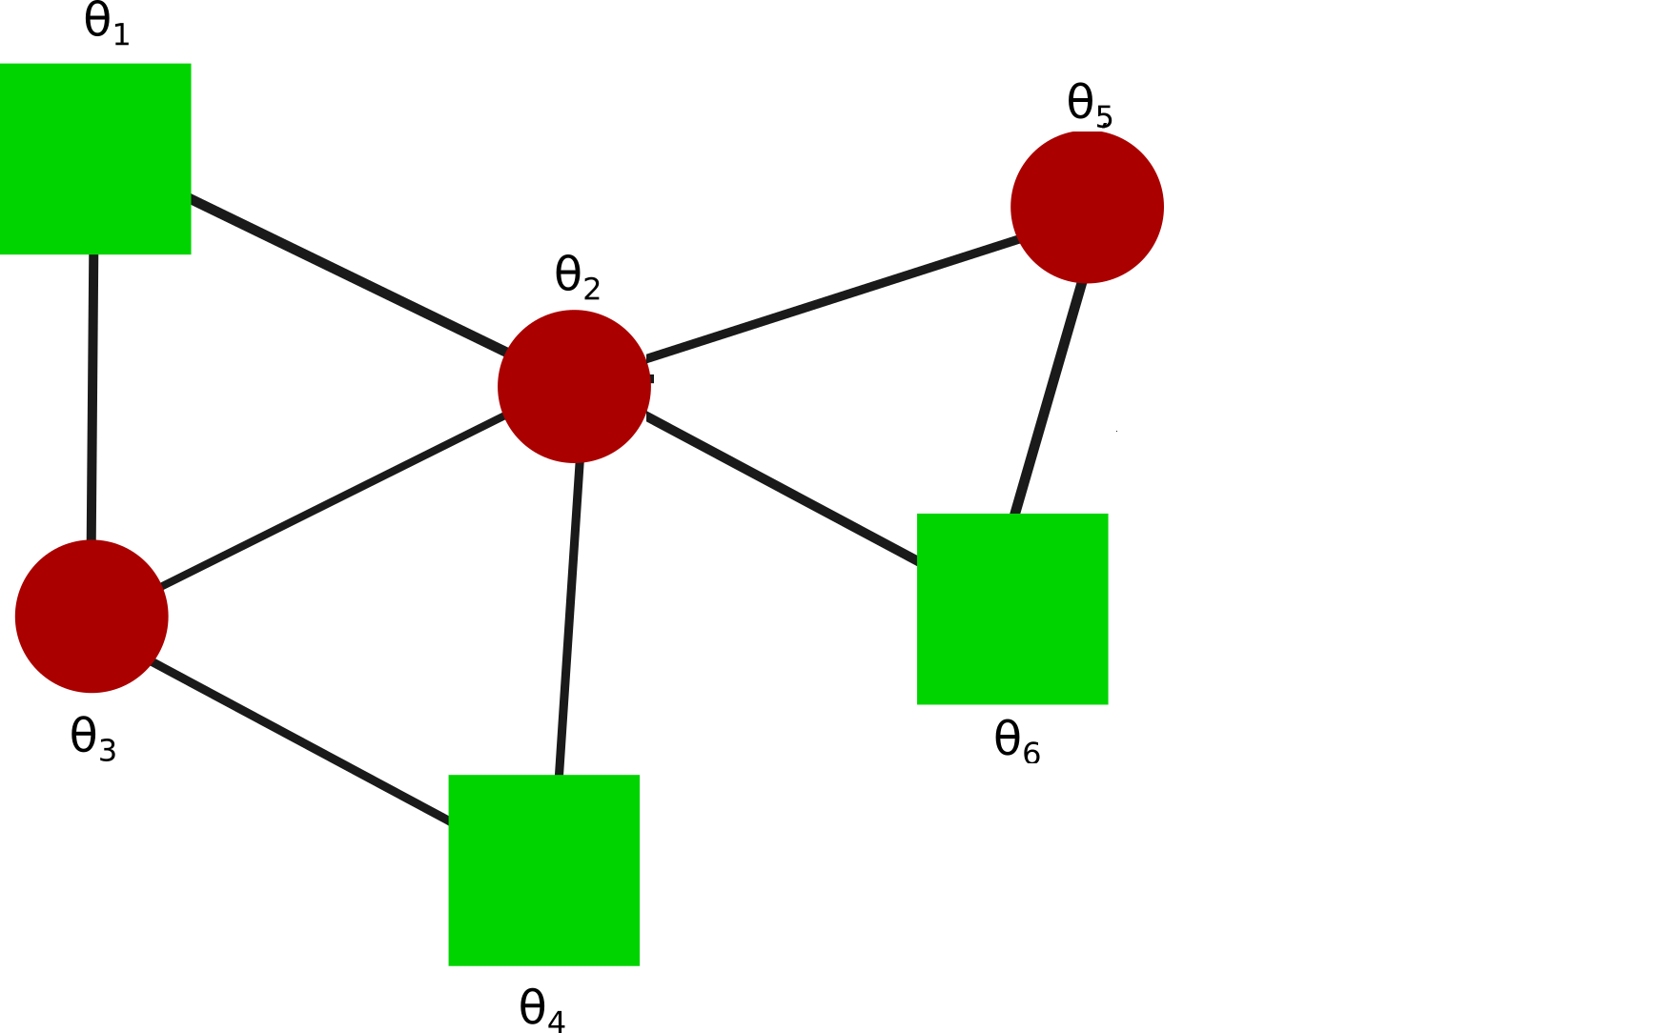
 |  |  |  | STEADY STATE OF THETAj-THETAI BEFORE FAILURE
 | theta2-theta1 | theta3-theta1 | theta3-theta2 | theta4-theta2 | theta5-theta2 | theta6-theta2 | theta4-theta3 | theta6-theta5
 | -1.75 | -1.25 | 0.5 | 0.75 | -1 | -3.89E-16 | 0.25 | 1

 |  |  |  | STEADY STATE OF THETAj-THETAi AFTER FAILURE
 | theta2-theta1 | theta3-theta1 | theta3-theta2 | theta4-theta2 | theta5-theta2 | theta6-theta2 | theta4-theta3 | theta6-theta5
Line 2-1 | NA | -3 | 1.6666666667 | 1.3333333333 | -1 | -1.2212453271E-15 | -0.33333333333 | 1
Line 3-1 | -3 | NA | -0.33333333333 | 0.33333333333 | -1 | 5.5511151231E-17 | 0.66666666667 | 1
Line 3-2 | -2 | -1 | NA | 1 | -1 | -5.5511151231E-16 | -7.7715611724E-16 | 1
Line 4-2 | -2 | -1 | 1 | NA | -1 | -5.5511151231E-17 | 1 | 1
Line 5-2 | -1.75 | -1.25 | 0.5 | 0.75 | NA | -1 | 0.25 | 2
Line 6-2 | -1.75 | -1.25 | 0.5 | 0.75 | -1 | NA | 0.25 | 1
Line 4-3 | -1.6666666667 | -1.3333333333 | 0.33333333333 | 1 | -1 | -1.5543122345E-15 | NA | 1
Line 6-5 | -1.75 | -1.25 | 0.5 | 0.75 | -2 | 1 | 0.25 | NA

 |  |  |  | MAX FLOW OF THETAj-THETAi AFTER FAILURE
 | theta2-theta1 | theta3-theta1 | theta3-theta2 | theta4-theta2 | theta5-theta2 | theta6- theta2 | theta4-theta3 | theta6-theta5
Line 2-1 | NA | -3.1215658811 | 1.8193824705 | 1.451718807 | -1.1105197512 | 0.51771909236 | -0.48218761644 | 1.0083939874
Line 3-1 | -3.2568516387 | NA | 0.50803684667 | 0.75529621877 | -1.0126801123 | -0.012130415373 | 0.84677645254 | 1.0083939874
Line 3-2 | -2.0369240515 | -1.2373386452 | NA | 1.0386766267 | -1.0391727745 | 0.14063362091 | 0.24727530919 | 1.0083939874
Line 4-2 | -2.0506351668 | -1.2457875376 | 1.0649807006 | NA | -1.0468092002 | 0.21838616556 | 1.0531401226 | 1.0083939874
Line 5-2 | -1.7807652959 | -1.2568357428 | 0.53086911906 | 0.78069492878 | NA | -1.0720269298 | 0.25287307781 | 2.0699377082
Line 6-2 | -1.7558582825 | -1.2568355023 | 0.50803684667 | 0.75529621877 | -1.0127890527 | NA | 0.25287324885 | 1.0083939874
Line 4-3 | -1.7505081947 | -1.3748794821 | 0.50803684667 | 1.0494475192 | -1.0126802408 | -0.012130136391 | NA | 1.0083939874
Line 6-5 | -1.7590414741 | -1.2568359388 | 0.50803684667 | 0.75529621877 | -2.2037130718 | 1.2053176969 | 0.25287354006 | NA

 |  |  |  | MAX FLOW TIMES OF THETAj-THETAi AFTER FAILURE
 | theta2-theta1 | theta3-theta1 | theta3-theta2 | theta4-theta2 | theta5-theta2 | theta6-theta2 | theta4-theta3 | theta6-theta5
Line 2-1 | NA | 14.5684 | 14.3524 | 14.7898 | 15.5602 | 11.413 | 13.4452 | 10
Line 3-1 | 13.5154 | NA | 10 | 10 | 10.1926 | 10.7038 | 11.8756 | 10
Line 3-2 | 14.2066 | 10.0342 | NA | 14.2012 | 13.4884 | 11.4022 | 10.009 | 10
Line 4-2 | 14.7898 | 10.5958 | 14.3506 | NA | 15.5836 | 11.422 | 14.5702 | 10
Line 5-2 | 15.5368 | 11.3914 | 15.5458 | 15.5188 | NA | 14.6908 | 11.098 | 16.1344
Line 6-2 | 11.5732 | 11.3914 | 10 | 10 | 10.2322 | NA | 11.573 | 11.391
Line 4-3 | 10.8064 | 11.8198 | 10 | 13.5568 | 10.1926 | 10.7038 | NA | 10
Line 6-5 | 11.512 | 11.3914 | 10 | 10 | 13.5118 | 13.5424 | 11.098 | NA

