Sheet1
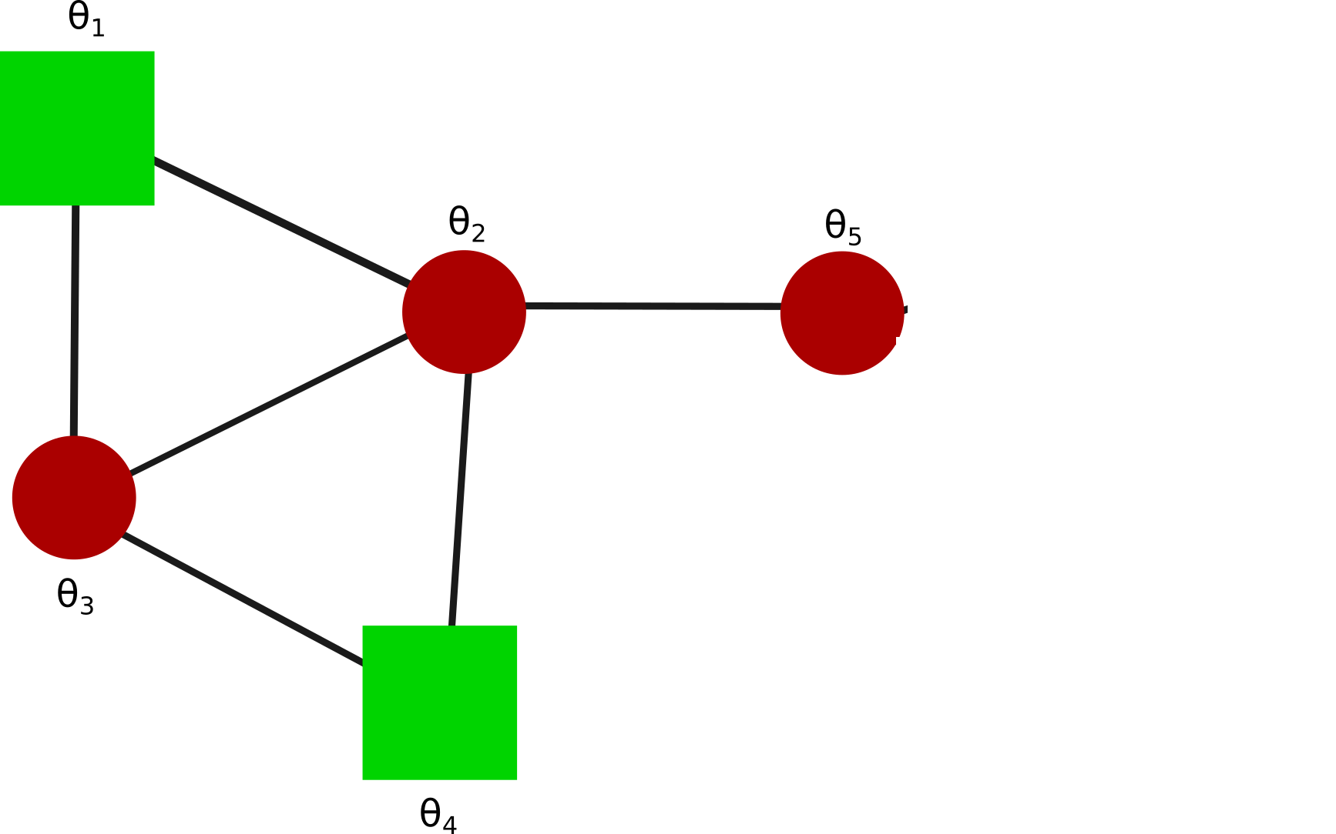

 |  |  |  | STEADY STATE OF THETAj-THETAI BEFORE FAILURE
 | theta2-theta1 | theta3-theta1 | theta3-theta2 | theta4-theta2 | theta5-theta2 | theta4-theta3
 | -1.75 | -1.25 | 0.5 | 0.75 | -2 | 0.25

 |  |  |  | STEADY STATE OF THETAj-THETAi AFTER FAILURE
 | theta2-theta1 | theta3-theta1 | theta3-theta2 | theta4-theta2 | theta5-theta2 | theta4-theta3
Line 2-1 | NA | -3 | 1.666666667 | 1.333333333 | -2 | -0.333333333
Line 3-1 | -3 | NA | -0.333333333 | 0.333333333 | -2 | 0.666666667
Line 3-2 | -2 | -1 | NA | 1 | -2 | 0
Line 4-2 | -2 | -1 | 1 | NA | -2 | 1
Line 5-2 | -1.25 | -1.25 | -5.55E-17 | 0.25 | NA | 0.25
Line 4-3 | -1.666666667 | -1.333333333 | 0.333333333 | 1 | -2 | NA

 |  |  |  | MAX FLOW OF THETAj-THETAi AFTER FAILURE
 | theta2-theta1 | theta3-theta1 | theta3-theta2 | theta4-theta2 | theta5-theta2 | theta4-theta3
Line 2-1 | NA | -3.1992349624 | 1.8173511362 | 1.4548699883 | -2.128998993 | -0.51643306486
Line 3-1 | -3.2574500849 | NA | 0.51326843634 | 0.76064603043 | -2.0187229361 | 0.84673764648
Line 3-2 | -2.0179523559 | -1.2373379286 | NA | 1.0182082273 | -2.068705768 | 0.24727769154
Line 4-2 | -2.051935755 | -1.2457630978 | 1.0635628234 | NA | -2.0543880632 | 1.0848735244
Line 5-2 | -1.7503830245 | -1.2568335944 | 0.51326843634 | 0.76053107569 | NA | 0.25287224597
Line 4-3 | -1.7554879374 | -1.3748736012 | 0.51326843634 | 1.0500021829 | -2.0187229082 | NA

 |  |  |  | MAX FLOW TIMES OF THETAj-THETAi AFTER FAILURE
 | theta2-theta1 | theta3-theta1 | theta3-theta2 | theta4-theta2 | theta5-theta2 | theta4-theta3
Line 2-1 | NA | 13.474 | 14.5846 | 15.0742 | 15.7132 | 13.5064
Line 3-1 | 13.501 | NA | 10 | 10.1008 | 10.8082 | 11.8756
Line 3-2 | 12.142 | 10.0342 | NA | 14.6224 | 13.861 | 10.0072
Line 4-2 | 15.076 | 10.594 | 14.5882 | NA | 15.7492 | 13.501
Line 5-2 | 10.0072 | 11.3914 | 10 | 10.0018 | NA | 11.098
Line 4-3 | 10.585 | 11.8198 | 10 | 13.4866 | 10.8082 | NA

