Summary
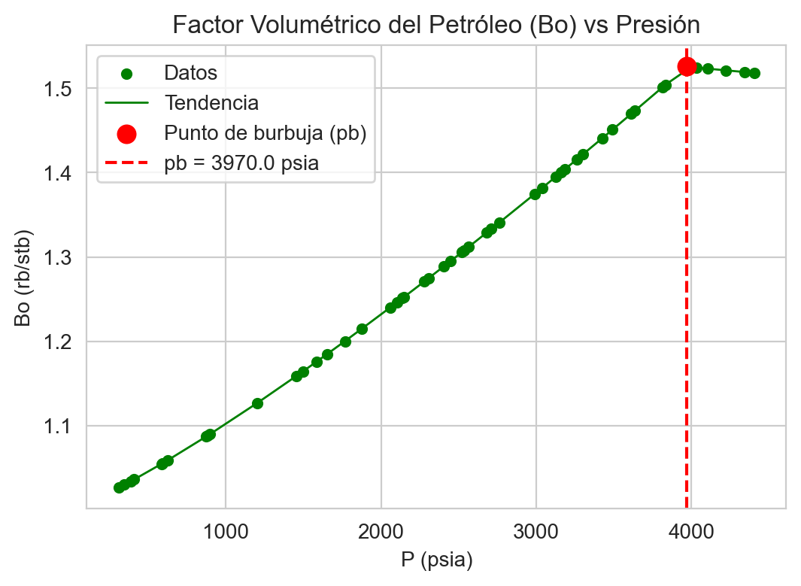
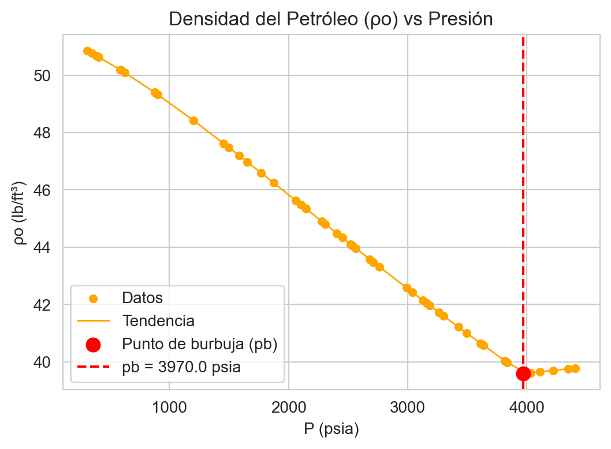
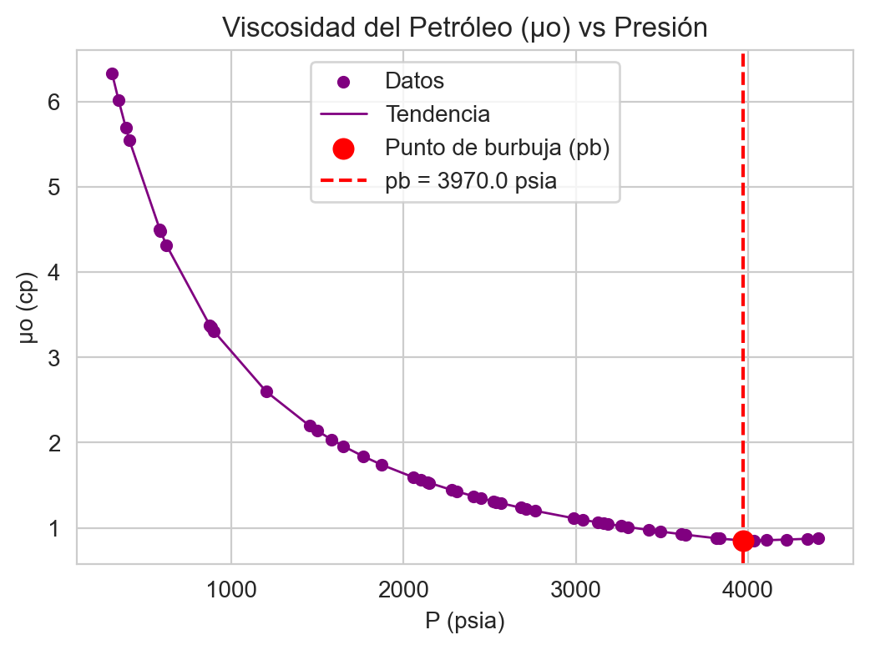
PROPIEDADES PVT - Calculo automatizado (xlwings)
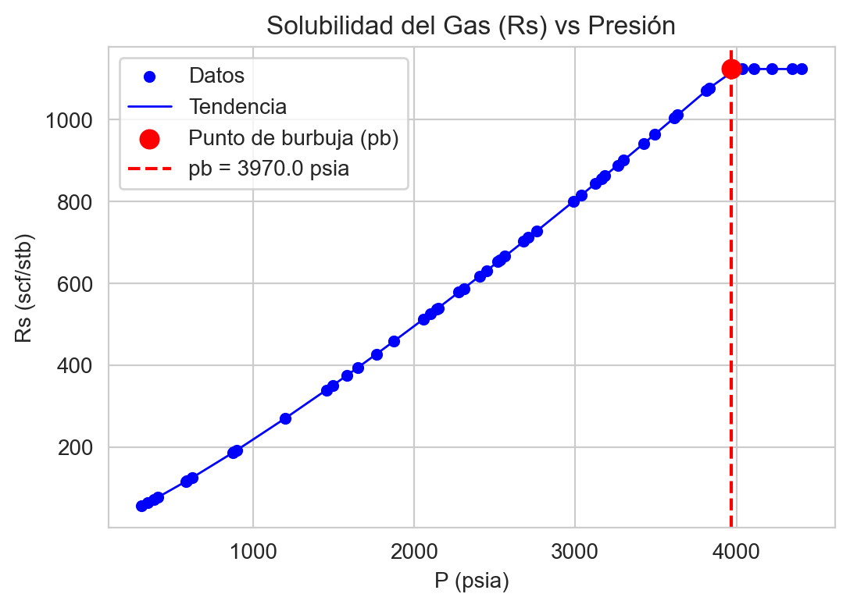

pb (psia) | 3970 | Rs(Pr) [scf/stb] | 1124
rsb (scf/stb) | 1124 | Bo(Pr) [rb/stb] | 1.5256948
API | 38.982 | Co(Pr) [1/psia] | 1.1278418713E-05
sg_gas | 0.65 | mu_o(Pr) [cp] | 0.87628837521
Pr (psia) | 4409 | rho(Pr) [lb/ft3] | 39.58199533
T (F) | 60

Seed | 32
Realizations | 50

