Plan1
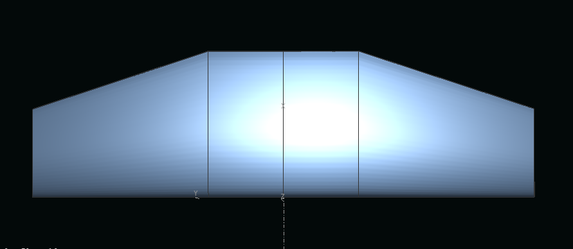
 |  |  | Tabela de dados
 |  |  | Area da asa (m²): | 1.06
 |  |  | MAC (m): | 0.529
 |  |  | AR : | 3.965
 |  |  | Afilamento | 0.605
 |  |  | fator de arrasto induzido (δ) | 0.0082
 |  |  | fator de eficiencia de envergadura de asa (e) | 0.992
 |  |  | coeficiente angular a (rads-1)
y (m) | chord (m) | offset (m) | cdmax(13°) | 0.18944
0.000 | 0.600 | 0.000 | clmax (13°): | 1.47378
0.307 | 0.600 | 0.000 | cl_inc (5°): | 1.021
1.025 | 0.363 | 0.000 | alpha_cl0 (°): | -13.6

