工作表2
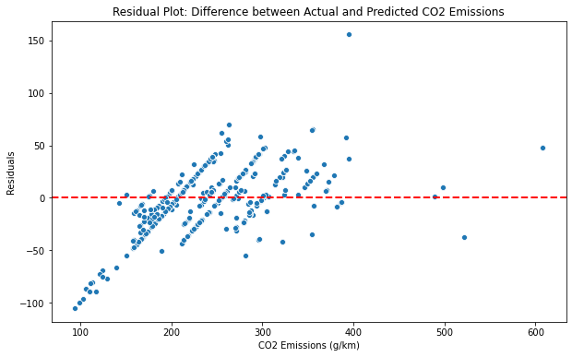

可以發現低碳排會有大殘差
本專案重點在於挑選出高碳排者，或許可以第一階段訓練後，把低碳排者先排除在第二階段訓練，不知模型表現可否更好

綜合線性規劃
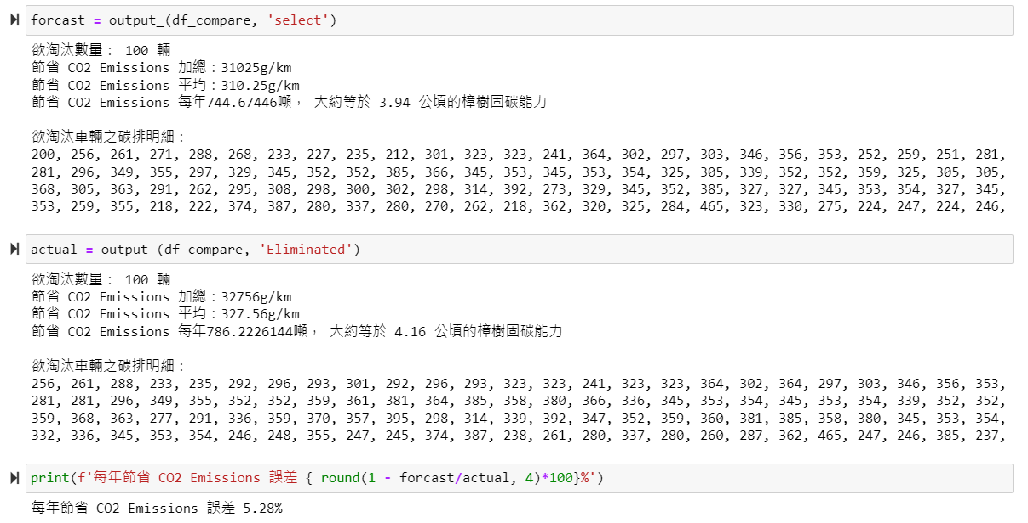
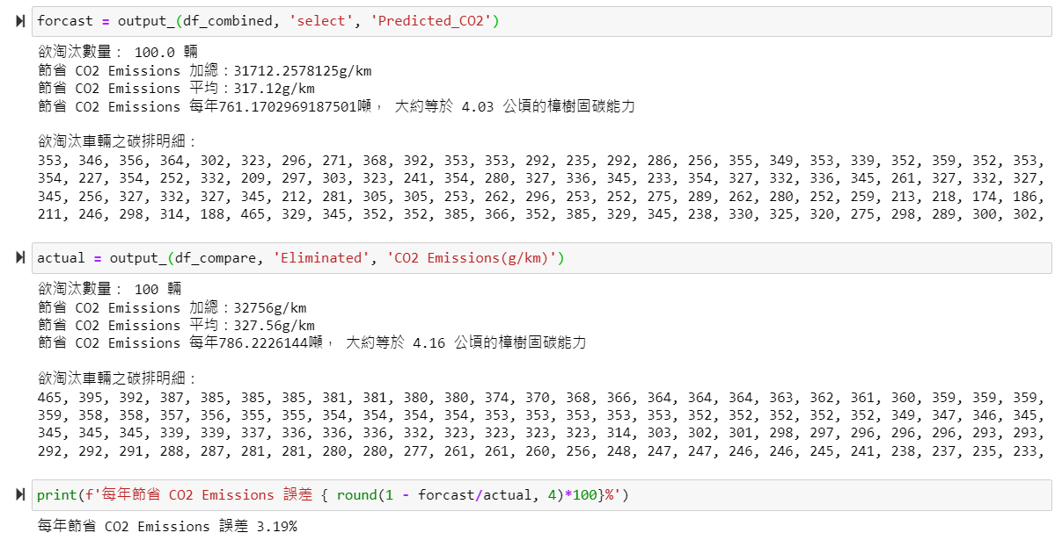
未考量車重 | 考量車重(綜合)

1. Test R^2: 0.7989067942617206 | 1. Test R^2: 0.7207629751572273
2. Test MAE: 22.024224518241358 | 2. Test MAE: 26.751554805836577
1. Test R^2: 0.5676663042463256 | 1. Test R^2: 0.3193262438524107
2. Test MAE: 21.44244974070582 | 2. Test MAE: 30.72543050831762

Confusion Matrix: | Confusion Matrix:
[[632 44] | [[648 51]
[ 44 56]] | [ 52 53]]

Classification Report: | Classification Report:
precision recall f1-score support | precision recall f1-score support

0 0.93 0.93 0.93 676 | 0 0.93 0.93 0.93 699
1 0.56 0.56 0.56 100 | 1 0.51 0.50 0.51 105

accuracy 0.89 776 | accuracy 0.87 804
macro avg 0.75 0.75 0.75 776 | macro avg 0.72 0.72 0.72 804
weighted avg 0.89 0.89 0.89 776 | weighted avg 0.87 0.87 0.87 804

