Sheet2
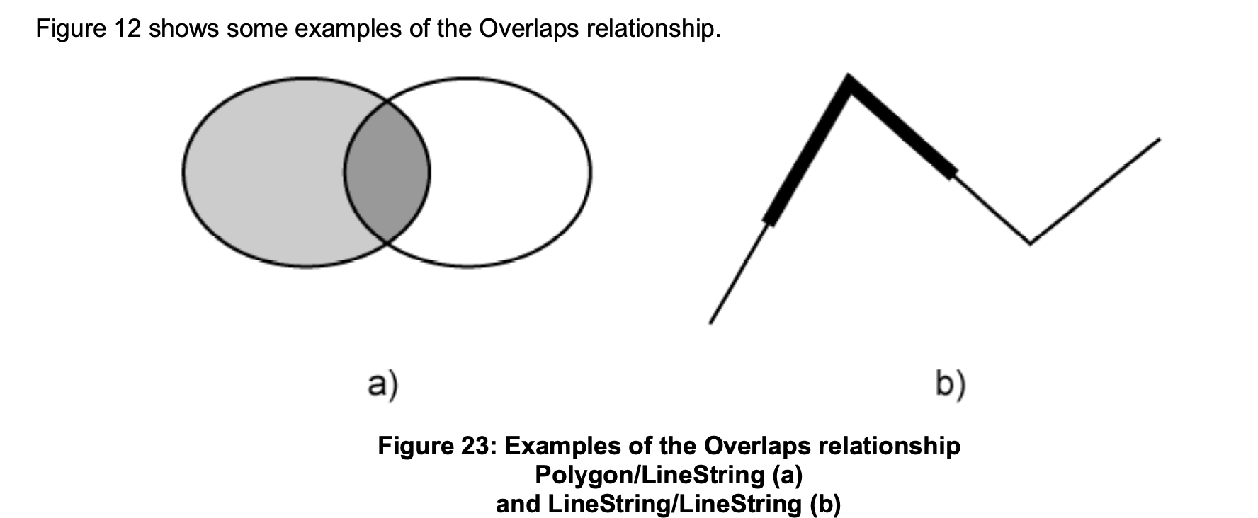
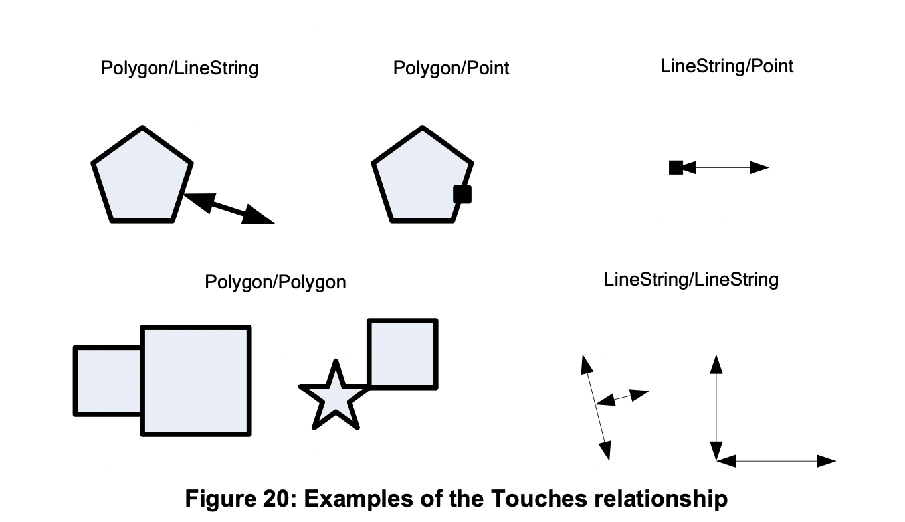
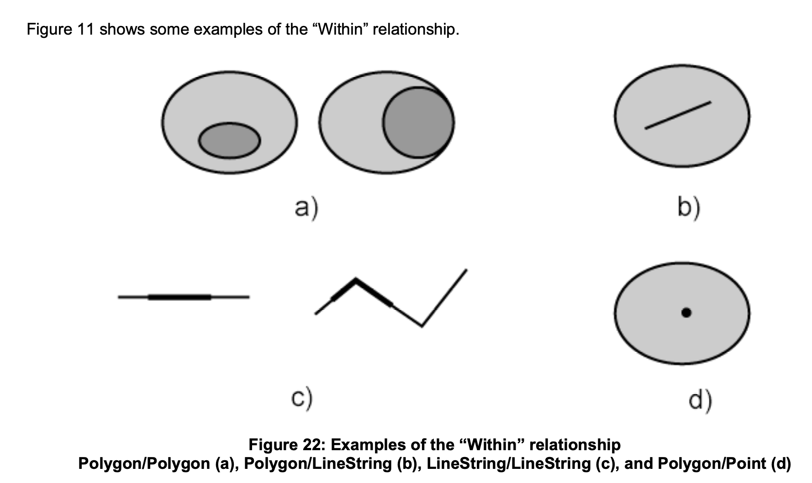
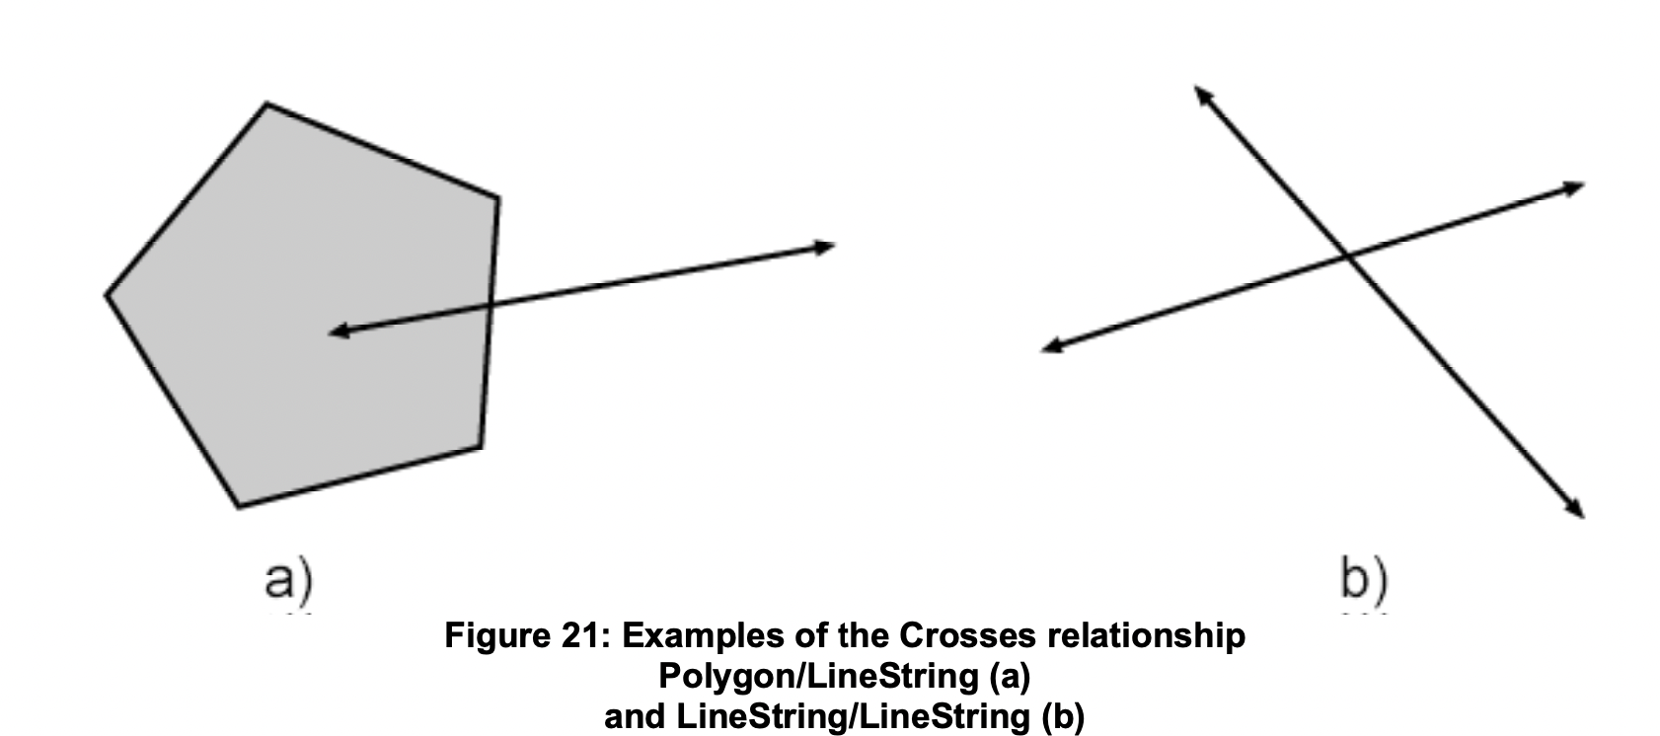
 | Database technique | basic | done | shp | https://www.fao.org/3/W0615E/W0615E06.htm#ch6 | 1)
Data storage and retrieval |  |  | pass for now | point | https://www.tandfonline.com/doi/abs/10.1559/152304098782441723 | 2)
Data editing |  |  | ambigue | tablo | Li, M. and E. Stefanakis (2020). "Geospatial Operations of Discrete Global Grid Systems—a Comparison with Traditional GIS." Journal of Geovisualization and Spatial Analysis 4(2). | 3)
Communication with other systems | Data pre-processing and manipulation |  | predictive | raster
Data validation |  |  |  | none
Data model conversion
Geometric conversion
Integration
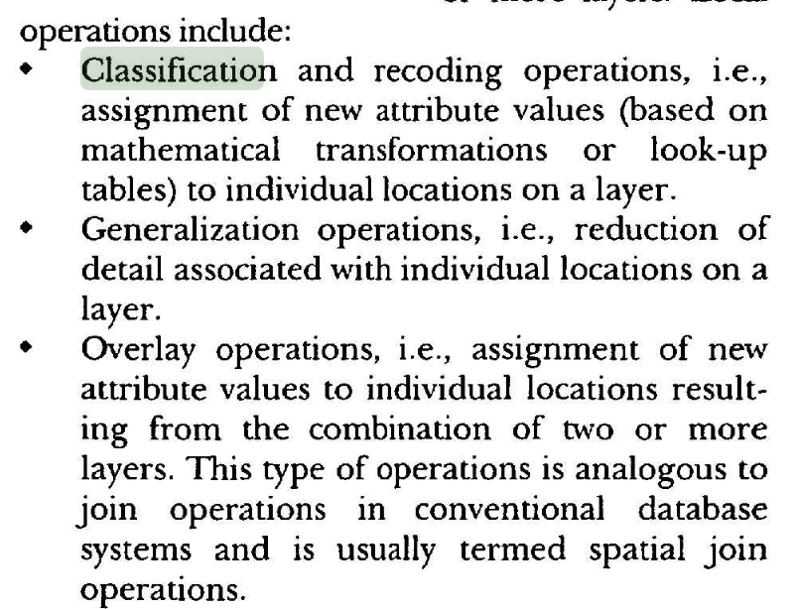
Generalization
Classification | Data visualization
Cloud computing
Parallel processing
Theme maps | Spatial analysis and data interpretation | ordinary
Statistics and reports
Application
Data queries
Overlay analysis
Buffer
Geometry measurement
Network analysis
Image algebra
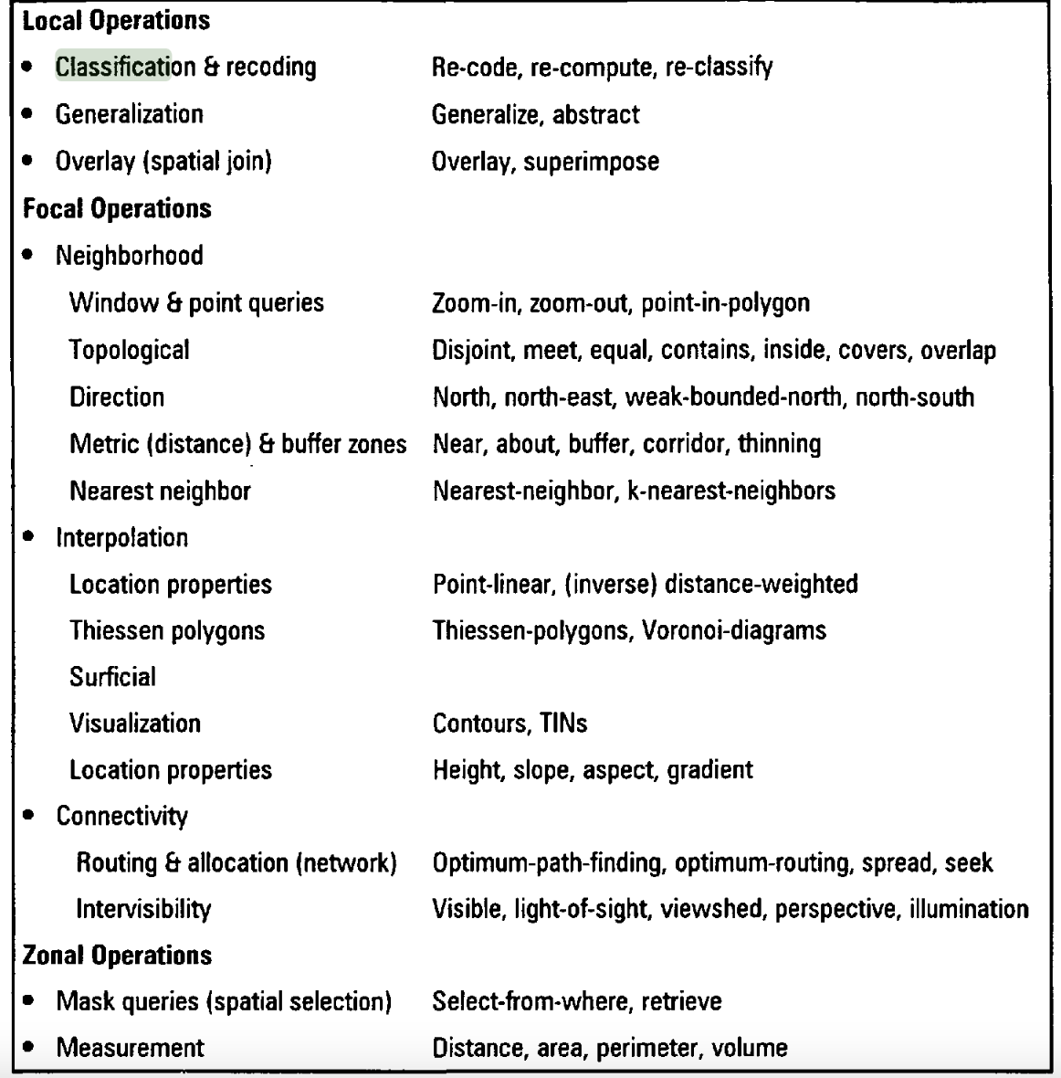
Terrain data storage and representation
Topography
Hydrology |  | advanced
Geostatistics
Sampling
Geocoding
Predictive modeling
Workflows and pipelines

