EDA & SQL Queries
 | Exploratory Data Analysis on Movilens Dataset

 | Most Popular Movies (by Ratings Count)

Q1. | Which movies have the most number of ratings?

 | SELECT r.movieId, count(r.rating) as num_of_ratings,m.title FROM ratings r JOIN movies m ON m.movieId=r.movieId GROUP BY movieId,title ORDER BY num_of_ratings DESC LIMIT 10;

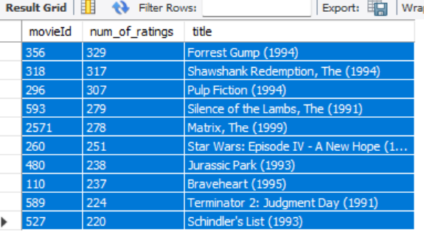
 | movieId | num_of_ratings | title |  |  | movieId | title | num of ratings
 | 356 | 329 | Forrest Gump (1994) |  |  | 356 |  | 329
 | 318 | 317 | Shawshank Redemption, The (1994) |  |  | 318 |  | 317
 | 296 | 307 | Pulp Fiction (1994) |  |  | 296 |  | 307
 | 593 | 279 | Silence of the Lambs, The (1991) |  |  | 593 |  | 279
 | 2571 | 278 | Matrix, The (1999) |  |  | 2571 |  | 278
 | 260 | 251 | Star Wars: Episode IV - A New Hope (1977) |  |  | 260 |  | 251
 | 480 | 238 | Jurassic Park (1993) |  |  | 480 |  | 238
 | 110 | 237 | Braveheart (1995) |  |  | 110 |  | 237
 | 589 | 224 | Terminator 2: Judgment Day (1991) |  |  | 589 |  | 224
 | 527 | 220 | Schindler's List (1993) |  |  | 527 |  | 220
 |  |  |  |  |  | Grand Total |  | 2680
 | Insights These are the most engaged movies based on user rating frequency.

 | Top Movies by Average Rating

Q1. | Which movies have the highest ratings?

 | SELECT r.movieID, COUNT(rating) AS num_of_ratings, AVG(rating) AS avg_rating, m.title FROM ratings r JOIN movies m ON r.movieId = m.movieId GROUP BY m.movieID, m.title HAVING COUNT(rating) > 50 Order By Avg_Rating Desc LIMIT 10;

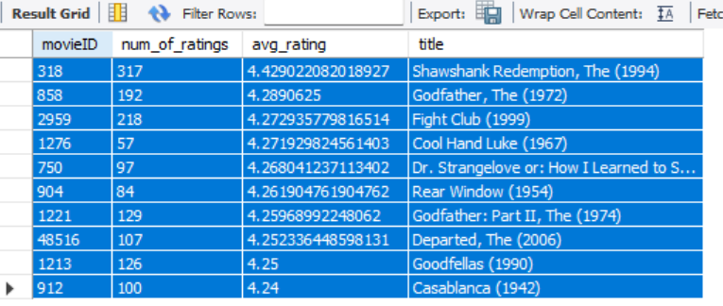
 | movieId | num_of_ratings | avg_rating | title
 | 318 | 317 | 4.43 | Shawshank Redemption, The (1994) |  | title | movieId | num of ratings | avg rating
 | 858 | 192 | 4.29 | Godfather, The (1972) |  | Casablanca (1942) |  | 100 | 4.24
 | 2959 | 218 | 4.27 | Fight Club (1999) |  |  | 912 | 100 | 4.24
 | 1276 | 57 | 4.27 | Cool Hand Luke (1967) |  | Goodfellas (1990) |  | 126 | 4.25
 | 750 | 97 | 4.27 | Dr. Strangelove or: How I Learned to Stop Worrying and Love the Bomb (1964) |  |  | 1213 | 126 | 4.25
 | 904 | 84 | 4.26 | Rear Window (1954) |  | Departed, The (2006) |  | 107 | 4.25
 | 1221 | 129 | 4.26 | Godfather: Part II, The (1974) |  |  | 48516 | 107 | 4.25
 | 48516 | 107 | 4.25 | Departed, The (2006) |  | Godfather: Part II, The (1974) |  | 129 | 4.26
 | 1213 | 126 | 4.25 | Goodfellas (1990) |  |  | 1221 | 129 | 4.26
 | 912 | 100 | 4.24 | Casablanca (1942) |  | Rear Window (1954) |  | 84 | 4.26
 |  |  |  |  |  |  | 904 | 84 | 4.26
 | Insights These movies have the highest average ratings among movies with at least 50 ratings, showing quality rather than just popularity. |  |  |  |  | Dr. Strangelove or: How I Learned to Stop Worrying and Love the Bomb (1964) |  | 97 | 4.27
 |  |  |  |  |  |  | 750 | 97 | 4.27
 |  |  |  |  |  | Cool Hand Luke (1967) |  | 57 | 4.27
 | Relationship Between Movie Popularity and Rating |  |  |  |  |  | 1276 | 57 | 4.27
 |  |  |  |  |  | Fight Club (1999) |  | 218 | 4.27
Q1. | Are the most popular movies also the highest rated? |  |  |  |  |  | 2959 | 218 | 4.27
 |  |  |  |  |  | Godfather, The (1972) |  | 192 | 4.29
 | SELECT r.movieID, COUNT(rating) AS num_of_ratings, AVG(rating) AS avg_rating, m.title, RANK()OVER (ORDER BY COUNT(rating) DESC) AS popularity_rank, RANK()OVER (ORDER BY AVG(rating) DESC) AS rating_rank FROM ratings r JOIN movies m ON r.movieId = m.movieId GROUP BY m.movieID, m.title HAVING COUNT(rating) > 50 LIMIT 10; |  |  |  |  |  | 858 | 192 | 4.29
 |  |  |  |  |  | Shawshank Redemption, The (1994) |  | 317 | 4.43
 |  |  |  |  |  |  | 318 | 317 | 4.43


 | movieId | num_of_ratings | avg_rating | title | popularity_rank | rating_rank |  | movieId | title | num of ratings | avg rating
 | 318 | 317 | 4.43 | Shawshank Redemption, The (1994) | 2 | 1 |  | 318 |  | 317 | 4.43
 | 858 | 192 | 4.29 | Godfather, The (1972) | 22 | 2 |  | 858 |  | 192 | 4.29
 | 2959 | 218 | 4.27 | Fight Club (1999) | 11 | 3 |  | 2959 |  | 218 | 4.27
 | 1276 | 57 | 4.27 | Cool Hand Luke (1967) | 364 | 4 |  | 1276 |  | 57 | 4.27
 | 750 | 97 | 4.27 | Dr. Strangelove or: How I Learned to Stop Worrying and Love the Bomb (1964) | 142 | 5 |  | 750 |  | 97 | 4.27
 | 904 | 84 | 4.26 | Rear Window (1954) | 190 | 6 |  | 904 |  | 84 | 4.26
 | 1221 | 129 | 4.26 | Godfather: Part II, The (1974) | 73 | 7 |  | 1221 |  | 129 | 4.26
 | 48516 | 107 | 4.25 | Departed, The (2006) | 114 | 8 |  | 48516 |  | 107 | 4.25
 | 1213 | 126 | 4.25 | Goodfellas (1990) | 76 | 9 |  | 1213 |  | 126 | 4.25
 | 912 | 100 | 4.24 | Casablanca (1942) | 135 | 10 |  | 912 |  | 100 | 4.24

 | Insights The analysis shows that popularity and rating quality are not strongly correlated. Some highly popular movies have moderate ratings, while some less popular movies have high ratings.

 | User Rating Behavior Analysis

Q1. | Do users show different rating behaviors or biases while rating movies?

 | Top 10 Generous Users
 | SELECT UserId,COUNT(rating) AS num_of_ratings, AVG(rating) AS avg_rating FROM ratings GROUP BY userId ORDER BY AVG(rating) DESC LIMIT 10;

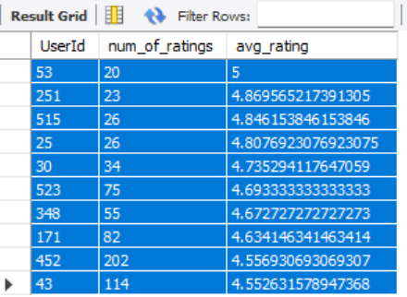
 | UserId | num_of_ratings | avg_rating |  | UserId | num of ratings | avg rating
 | 53 | 20 | 5 |  | 53 | 20 | 5.00
 | 251 | 23 | 4.87 |  | 251 | 23 | 4.87
 | 515 | 26 | 4.85 |  | 25 | 26 | 4.81
 | 25 | 26 | 4.81 |  | 515 | 26 | 4.85
 | 30 | 34 | 4.74 |  | 30 | 34 | 4.74
 | 523 | 75 | 4.69 |  | 348 | 55 | 4.67
 | 348 | 55 | 4.67 |  | 523 | 75 | 4.69
 | 171 | 82 | 4.63 |  | 171 | 82 | 4.63
 | 452 | 202 | 4.56 |  | 43 | 114 | 4.55
 | 43 | 114 | 4.55 |  | 452 | 202 | 4.56
 |  |  |  |  | Grand Total | 657 | 4.74

 | Top 10 Strict Users
 | SELECT UserId,COUNT(rating) AS num_of_ratings, AVG(rating) AS avg_rating FROM ratings GROUP BY userId ORDER BY AVG(rating) ASC LIMIT 10;

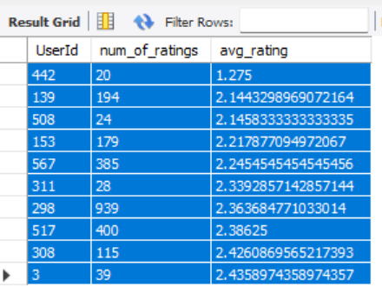
 | UserId | num of ratings | avg rating |  | Top 10 Strict Users
 | 442 | 20 | 1.28 |  | UserId | num_of_ratings | avg_rating | Column1
 | 139 | 194 | 2.14 |  | 442 | 20 | 1.28
 | 508 | 24 | 2.15 |  | 139 | 194 | 2.14
 | 153 | 179 | 2.22 |  | 508 | 24 | 2.15
 | 567 | 385 | 2.25 |  | 153 | 179 | 2.22
 | 311 | 28 | 2.34 |  | 567 | 385 | 2.25
 | 298 | 939 | 2.36 |  | 311 | 28 | 2.34
 | 517 | 400 | 2.39 |  | 298 | 939 | 2.36
 | 308 | 115 | 2.43 |  | 517 | 400 | 2.39
 | 3 | 39 | 2.44 |  | 308 | 115 | 2.43
 | Grand Total | 2323 | 2.20 |  | 3 | 39 | 2.44

 | Insights User rating behavior varies significantly, with some users consistently giving high ratings (generous users) while others are more critical (strict users), indicating subjective bias in movie ratings.

 | Genre Analysis

Q1. | Which genres are most watched?

 | SELECT 'Adventure' AS genre, COUNT(r.rating) AS total_ratings FROM movies m JOIN ratings r ON m.movieId = r.movieId WHERE m.Adventure = 1 UNION ALL SELECT 'Animation', COUNT(r.rating) FROM movies m JOIN ratings r ON m.movieId = r.movieId WHERE m.Animation = 1 UNION ALL SELECT 'Children', COUNT(r.rating) FROM movies m JOIN ratings r ON m.movieId = r.movieId WHERE m.Children = 1 UNION ALL SELECT 'Comedy', COUNT(r.rating) FROM movies m JOIN ratings r ON m.movieId = r.movieId WHERE m.Comedy = 1 UNION ALL SELECT 'Fantasy', COUNT(r.rating) FROM movies m JOIN ratings r ON m.movieId = r.movieId WHERE m.Fantasy = 1 UNION ALL SELECT 'Romance', COUNT(r.rating) FROM movies m JOIN ratings r ON m.movieId = r.movieId WHERE m.Romance = 1 UNION ALL SELECT 'Thriller', COUNT(r.rating) FROM movies m JOIN ratings r ON m.movieId = r.movieId WHERE m.Thriller = 1 UNION ALL SELECT 'Action', COUNT(r.rating) FROM movies m JOIN ratings r ON m.movieId = r.movieId WHERE m.Action = 1 UNION ALL SELECT 'Horror', COUNT(r.rating) FROM movies m JOIN ratings r ON m.movieId = r.movieId WHERE m.Horror = 1 UNION ALL SELECT 'Crime', COUNT(r.rating) FROM movies m JOIN ratings r ON m.movieId = r.movieId WHERE m.Crime = 1 UNION ALL SELECT '`Sci-Fi`', COUNT(r.rating) FROM movies m JOIN ratings r ON m.movieId = r.movieId WHERE m.`Sci-Fi` = 1 UNION ALL SELECT 'Mystery', COUNT(r.rating) FROM movies m JOIN ratings r ON m.movieId = r.movieId WHERE m.Mystery = 1 UNION ALL SELECT 'War', COUNT(r.rating) FROM movies m JOIN ratings r ON m.movieId = r.movieId WHERE m.War = 1 UNION ALL SELECT 'Musical', COUNT(r.rating) FROM movies m JOIN ratings r ON m.movieId = r.movieId WHERE m.Musical = 1 UNION ALL SELECT 'Documentary', COUNT(r.rating) FROM movies m JOIN ratings r ON m.movieId = r.movieId WHERE m.Documentary = 1 UNION ALL SELECT 'Western', COUNT(r.rating) FROM movies m JOIN ratings r ON m.movieId = r.movieId WHERE m.Western = 1 UNION ALL SELECT 'IMAX', COUNT(r.rating) FROM movies m JOIN ratings r ON m.movieId = r.movie

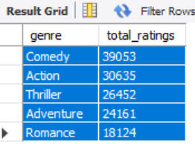
 | genre | total_ratings |  | genre | total ratings
 | Comedy | 39053 |  | Comedy | 39053
 | Action | 30635 |  | Action | 30635
 | Thriller | 26452 |  | Thriller | 26452
 | Adventure | 24161 |  | Adventure | 24161
 | Romance | 18124 |  | Romance | 18124

 | Insights Comedy is the most rated genre, followed by Action, Thriller, and Adventure — showing a clear preference for humor and high‑energy storytelling among MovieLens users.

 | Which genre is liked?

Q2. | SELECT 'Adventure' AS genre, AVG(r.rating) AS total_ratings FROM movies m JOIN ratings r ON m.movieId = r.movieId WHERE m.Adventure = 1 UNION ALL SELECT 'Animation', AVG(r.rating) FROM movies m JOIN ratings r ON m.movieId = r.movieId WHERE m.Animation = 1 UNION ALL SELECT 'Children', AVG(r.rating) FROM movies m JOIN ratings r ON m.movieId = r.movieId WHERE m.Children = 1 UNION ALL SELECT 'Comedy', AVG(r.rating) FROM movies m JOIN ratings r ON m.movieId = r.movieId WHERE m.Comedy = 1 UNION ALL SELECT 'Fantasy', AVG(r.rating) FROM movies m JOIN ratings r ON m.movieId = r.movieId WHERE m.Fantasy = 1 UNION ALL SELECT 'Romance', AVG(r.rating) FROM movies m JOIN ratings r ON m.movieId = r.movieId WHERE m.Romance = 1 UNION ALL SELECT 'Thriller', AVG(r.rating) FROM movies m JOIN ratings r ON m.movieId = r.movieId WHERE m.Thriller = 1 UNION ALL SELECT 'Action', AVG(r.rating) FROM movies m JOIN ratings r ON m.movieId = r.movieId WHERE m.Action = 1 UNION ALL SELECT 'Horror', AVG(r.rating) FROM movies m JOIN ratings r ON m.movieId = r.movieId WHERE m.Horror = 1 UNION ALL SELECT 'Crime', AVG(r.rating) FROM movies m JOIN ratings r ON m.movieId = r.movieId WHERE m.Crime = 1 UNION ALL SELECT '`Sci-Fi`', AVG(r.rating) FROM movies m JOIN ratings r ON m.movieId = r.movieId WHERE m.`Sci-Fi` = 1 UNION ALL SELECT 'Mystery', AVG(r.rating) FROM movies m JOIN ratings r ON m.movieId = r.movieId WHERE m.Mystery = 1 UNION ALL SELECT 'War', AVG(r.rating) FROM movies m JOIN ratings r ON m.movieId = r.movieId WHERE m.War = 1 UNION ALL SELECT 'Musical', AVG(r.rating) FROM movies m JOIN ratings r ON m.movieId = r.movieId WHERE m.Musical = 1 UNION ALL SELECT 'Documentary', AVG(r.rating) FROM movies m JOIN ratings r ON m.movieId = r.movieId WHERE m.Documentary = 1 UNION ALL SELECT 'Western', AVG(r.rating) FROM movies m JOIN ratings r ON m.movieId = r.movieId WHERE m.Western = 1 UNION ALL SELECT 'IMAX', AVG(r.rating) FROM movies m JOIN ratings r ON m.movieId = r.movieId WHERE m.IMAX = 1 ORDER BY total

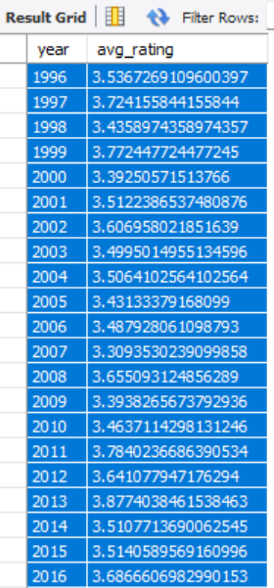
 | genre | total_ratings |  | genre | total ratings
 | War | 3.81 |  | War | 3.81
 | Documentary | 3.80 |  | Documentary | 3.80
 | Crime | 3.66 |  | Crime | 3.66
 | Mystery | 3.63 |  | Mystery | 3.63
 | Animation | 3.63 |  | Animation | 3.63
 | IMAX | 3.62 |  | IMAX | 3.62
 | Western | 3.58 |  | Western | 3.58
 | Musical | 3.56 |  | Musical | 3.56
 | Adventure | 3.51 |  | Adventure | 3.51
 | Romance | 3.51 |  | Romance | 3.51
 | Thriller | 3.49 |  | Thriller | 3.49
 | Fantasy | 3.49 |  | Fantasy | 3.49
 | `Sci-Fi` | 3.46 |  | `Sci-Fi` | 3.46
 | Action | 3.45 |  | Action | 3.45
 | Children | 3.41 |  | Children | 3.41
 | Comedy | 3.38 |  | Comedy | 3.38
 | Horror | 3.26

 | Insights Genre analysis shows that average ratings are relatively similar across most genres, indicating consistent user satisfaction. While Documentary has the highest average rating, it is based on a smaller number of ratings(72 ratings) In contrast, Comedy and Action show the highest user engagement, suggesting they are the most popular genres among users.

 | Time Trends Analysis

Q1. | How has user activity changed over time?

 | SELECT year(rating_date)as year,count(*)as total_ratings from ratings group by year order by 1;

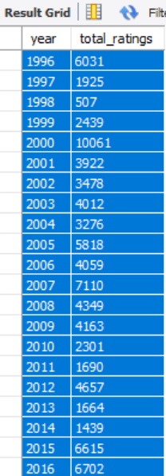
 | year | total_ratings |  | year | total ratings
 | 1996 | 6031 |  | 1996 | 6031
 | 1997 | 1925 |  | 1997 | 1925
 | 1998 | 507 |  | 1998 | 507
 | 1999 | 2439 |  | 1999 | 2439
 | 2000 | 10061 |  | 2000 | 10061
 | 2001 | 3922 |  | 2001 | 3922
 | 2002 | 3478 |  | 2002 | 3478
 | 2003 | 4012 |  | 2003 | 4012
 | 2004 | 3276 |  | 2004 | 3276
 | 2005 | 5818 |  | 2005 | 5818
 | 2006 | 4059 |  | 2006 | 4059
 | 2007 | 7110 |  | 2007 | 7110
 | 2008 | 4349 |  | 2008 | 4349
 | 2009 | 4163 |  | 2009 | 4163
 | 2010 | 2301 |  | 2010 | 2301
 | 2011 | 1690 |  | 2011 | 1690
 | 2012 | 4657 |  | 2012 | 4657
 | 2013 | 1664 |  | 2013 | 1664
 | 2014 | 1439 |  | 2014 | 1439
 | 2015 | 6615 |  | 2015 | 6615
 | 2016 | 6702 |  | 2016 | 6702
 | 2017 | 8200 |  | 2017 | 8200
 | 2018 | 6418 |  | 2018 | 6418
 |  |  |  | Grand Total | 100836

 | Insights User activity peaked in 2000, declined in the early 2010s, and rebounded strongly by 2017 — highlighting cyclical engagement trends over time.

Q2. | Are ratings increasing or decreasing over time?

 | SELECT year(rating_date) AS year,AVG(rating) AS avg_rating FROM ratings GROUP BY year ORDER BY year;

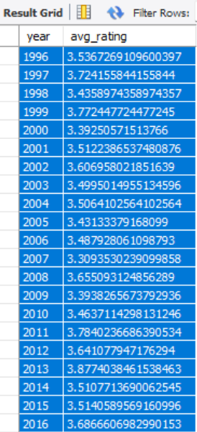
 | year | avg_rating |  | year | avg rating
 | 1996 | 3.54 |  | 1998 | 3.44
 | 1997 | 3.72 |  | 1999 | 3.77
 | 1998 | 3.44 |  | 2000 | 3.39
 | 1999 | 3.77 |  | 2001 | 3.51
 | 2000 | 3.39 |  | 2002 | 3.61
 | 2001 | 3.51 |  | 2003 | 3.50
 | 2002 | 3.61 |  | 2004 | 3.51
 | 2003 | 3.50 |  | 2005 | 3.43
 | 2004 | 3.51 |  | 2006 | 3.49
 | 2005 | 3.43 |  | 2007 | 3.31
 | 2006 | 3.49 |  | 2008 | 3.66
 | 2007 | 3.31 |  | 2009 | 3.39
 | 2008 | 3.66 |  | 2010 | 3.46
 | 2009 | 3.39 |  | 2011 | 3.78
 | 2010 | 3.46 |  | 2012 | 3.64
 | 2011 | 3.78 |  | 2013 | 3.88
 | 2012 | 3.64 |  | 2014 | 3.51
 | 2013 | 3.88 |  | 2015 | 3.51
 | 2014 | 3.51 |  | 2016 | 3.69
 | 2015 | 3.51 |  | 2017 | 3.35
 | 2016 | 3.69 |  | 2018 | 3.39
 | 2017 | 3.35 |  | 1996 | 3.54
 | 2018 | 3.39 |  | 1997 | 3.72

 | Insights Average ratings remain relatively stable over time, suggesting consistent user rating behavior without significant shifts in sentiment.

Dashboard 1
 | Movielens Dashboard: Movie Performance & Ratings

Most Popular Movies (by Ratings Count)
 | Total
356 | 329
318 | 317
296 | 307
593 | 279
2571 | 278
260 | 251
480 | 238
110 | 237
589 | 224
527 | 220
Top Movies by Average Rating
 | num of ratings | avg rating
912 | 100 | 4.24
1213 | 126 | 4.25
48516 | 107 | 4.25
1221 | 129 | 4.26
904 | 84 | 4.26
750 | 97 | 4.27
1276 | 57 | 4.27
2959 | 218 | 4.27
858 | 192 | 4.29
318 | 317 | 4.43
Relationship Between Movie Popularity and Rating
 | num of ratings | avg rating
318 | 317 | 4.43
858 | 192 | 4.29
2959 | 218 | 4.27
1276 | 57 | 4.27
750 | 97 | 4.27
904 | 84 | 4.26
1221 | 129 | 4.26
48516 | 107 | 4.25
1213 | 126 | 4.25
912 | 100 | 4.24
⭐ Key Insights: • Popular movies are not always the highest rated, indicating a gap between engagement and quality • Comedy & Action are the most popular genres • Ratings are consistent across genres • Documentary shows highest rating but low sample size

Most Watched Genres
 | Total
Comedy | 39053
Action | 30635
Thriller | 26452
Adventure | 24161
Romance | 18124
Most Liked Genres
 | Total
War | 3.81
Documentary | 3.80
Crime | 3.66
Mystery | 3.63
Animation | 3.63
IMAX | 3.62
Western | 3.58
Musical | 3.56
Adventure | 3.51
Romance | 3.51
Thriller | 3.49
Fantasy | 3.49
`Sci-Fi` | 3.46
Action | 3.45
Children | 3.41
Comedy | 3.38

Dashboard 2
 | MovieLens Analysis: User Behavior & Rating Trends

Top 10 Generous Users
 | num of ratings | avg rating
53 | 20 | 5.00
251 | 23 | 4.87
25 | 26 | 4.81
515 | 26 | 4.85
30 | 34 | 4.74
348 | 55 | 4.67
523 | 75 | 4.69
171 | 82 | 4.63
43 | 114 | 4.55
452 | 202 | 4.56
Top 10 Strict Users
 | num of ratings | avg rating
442 | 20 | 1.28
139 | 194 | 2.14
508 | 24 | 2.15
153 | 179 | 2.22
567 | 385 | 2.25
311 | 28 | 2.34
298 | 939 | 2.36
517 | 400 | 2.39
308 | 115 | 2.43
3 | 39 | 2.44
⭐ Key Insights: •User rating behavior varies significantly, with both highly generous and strict users influencing overall rating distributions • Movie ratings remain consistent over time, showing stable audience preferences • Platform engagement shows cyclical trends, with peaks and dips across years

User Activity Overtime
 | Total
1996 | 6031
1997 | 1925
1998 | 507
1999 | 2439
2000 | 10061
2001 | 3922
2002 | 3478
2003 | 4012
2004 | 3276
2005 | 5818
2006 | 4059
2007 | 7110
2008 | 4349
2009 | 4163
2010 | 2301
2011 | 1690
2012 | 4657
2013 | 1664
2014 | 1439
2015 | 6615
2016 | 6702
2017 | 8200
2018 | 6418
Ratings Overtime
 | Total
1998 | 3.44
1999 | 3.77
2000 | 3.39
2001 | 3.51
2002 | 3.61
2003 | 3.50
2004 | 3.51
2005 | 3.43
2006 | 3.49
2007 | 3.31
2008 | 3.66
2009 | 3.39
2010 | 3.46
2011 | 3.78
2012 | 3.64
2013 | 3.88
2014 | 3.51
2015 | 3.51
2016 | 3.69
2017 | 3.35
2018 | 3.39
1996 | 3.54
1997 | 3.72

 |  | Movielens Dashboard:User Behavior & Trends

