EDA & Queries
 | Exploratory Data Analysis

Q1 | Passengers Survival Rate | Total Passengers Survived
 | SELECT COUNT(*) AS total_passengers, SUM(CASE WHEN Survived = 1 THEN 1 ELSE 0 END) AS Survived, SUM(CASE WHEN Survived = 0 THEN 1 ELSE 0 END) AS Not_Survived, ROUND(SUM(CASE WHEN Survived = 1 THEN 1 ELSE 0 END)/COUNT(*)*100,2)As Survival_Rate, ROUND(SUM(CASE WHEN Survived = 0 THEN 1 ELSE 0 END)/COUNT(*)*100,2)As Non_Survival_Rate FROM train; | Total_Passengers | Survived | Not_Survived | Survival_Rate | Non_Survival_Rate
 |  | 891 | 342 | 549 | 38.38% | 61.62%

 | Insight: Overall, only 38% of passengers survived. This baseline sets the context for deeper analysis by gender, class, and embarkation port.

Q2 | Male/Female Survival Rate | Male & Female Survival Rate
 | SELECT Sex, COUNT(*) AS Total, SUM(CASE WHEN Survived = 1 THEN 1 ELSE 0 END) AS Survivors, ROUND(SUM(CASE WHEN Survived = 1 THEN 1 ELSE 0 END) / COUNT(*) * 100, 2) AS Survival_Rate FROM train GROUP BY sex; | Sex | Total | Survivors | Survival_Rate
 |  | Male | 577 | 109 | 18.89%
 |  | Female | 314 | 233 | 74.20%

 | Insight: Survival outcomes show a stark gender difference. Females: ~74% survived (233 out of 314). Males: ~19% survived (109 out of 577). This highlights the "women and children first"evacuation priority, where women had a much higher chance of survival compared to men.

Q3 | Pclass | Passenger Class
 | SELECT Pclass, COUNT(*), SUM(CASE WHEN SURVIVED = 1 THEN 1 ELSE 0 END) AS Survived_Count, ROUND(SUM(CASE WHEN SURVIVED = 1 THEN 1 ELSE 0 END) / COUNT(*) * 100,2) AS Survival_Rate FROM train GROUP BY Pclass ORDER BY Pclass ASC; | Pclass | COUNT(*) | Survived | Survival_Rate | Not_Survived | Non_Survival_Rate
 |  | 1 | 216 | 136 | 62.96% | 80 | 37.04%
 |  | 2 | 184 | 87 | 47.28% | 97 | 52.72%
 |  | 3 | 491 | 119 | 24.24% | 372 | 75.76%

 | Insight: Survival chances declined sharply by class, with 63% of 1st class passengers surviving compared to 47% in 2nd class and only 24% in 3rd class.

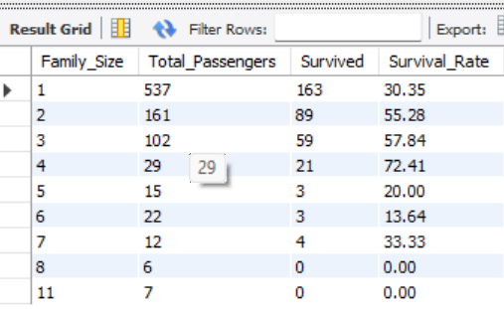
Q4 | Family Size | Family Size
 | SELECT SibSp+Parch+1 as Family_Size, COUNT(*) AS Total_Passengers, SUM(CASE WHEN SURVIVED = 1 THEN 1 ELSE 0 END) AS Survived, ROUND(SUM(CASE WHEN SURVIVED = 1 THEN 1 ELSE 0 END) / COUNT(*) * 100,2) AS Survival_Rate FROM train GROUP BY family_size ORDER BY 1 ASC; | Family_Size | Total_Passengers | Survived | Survival_Rate | Column1
 |  | 1 | 537 | 163 | 30.35%
 |  | 2 | 161 | 89 | 55.28%
 |  | 3 | 102 | 59 | 57.84%
 |  | 4 | 29 | 21 | 72.41%
 |  | 5 | 15 | 3 | 20.00%
 |  | 6 | 22 | 3 | 13.64%
 | Insight: Survival rates peaked for small families (2-4 members), while passengers travelling alone or in large families had much lower chances. | 7 | 12 | 4 | 33.33%
 |  | 8 | 6 | 0 | 0.00%
 |  | 11 | 7 | 0 | 0.00%

Q5 | Age Group | Survival Rate based on Age & Gender
 | SELECT CASE WHEN AGE BETWEEN 0 AND 12 THEN 'Kid' WHEN AGE BETWEEN 13 AND 18 THEN 'Teenager' WHEN AGE BETWEEN 19 AND 59 THEN 'Adult' WHEN AGE >= 60 THEN 'Elderly' ELSE 'Unknown' END AS Age_Group, Sex, COUNT(*), SUM(CASE WHEN SURVIVED = 1 THEN 1 ELSE 0 END) AS Survival_Count, ROUND(SUM(CASE WHEN SURVIVED = 1 THEN 1 ELSE 0 END) / COUNT(*) * 100,2) AS Survival_Rate FROM train GROUP BY age_group,sex ORDER BY age_group ASC;

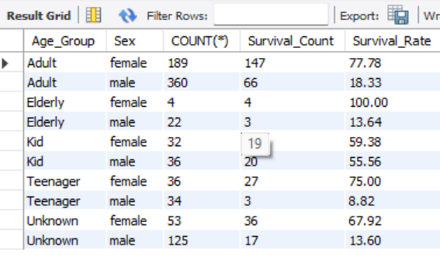
 |  | Age_Group | Sex | Count(*) | Survival_Count | Survival_Rate | Column1 | Column2
 |  | Adult | Female | 189 | 147 | 77.78%
 |  | Adult | Male | 360 | 66 | 18.33%
 |  | Elderly | Female | 4 | 4 | 100.00%
 |  | Elderly | Male | 22 | 3 | 13.64%
 |  | Kid | female | 32 | 19 | 59.38%
 |  | Kid | male | 36 | 20 | 55.56%
 |  | Teenager | female | 36 | 27 | 75.00%
 |  | Teenager | male | 34 | 3 | 8.82%
 |  | Unknown | female | 53 | 36 | 67.92%
 |  | Unknown | male | 125 | 17 | 13.60%
 | Insight: The chart shows women and children had significantly higher survival rates, while teenage and adult males faced the lowest chances of survival. Elderly women had a 100% survival rate (though sample size was tiny).
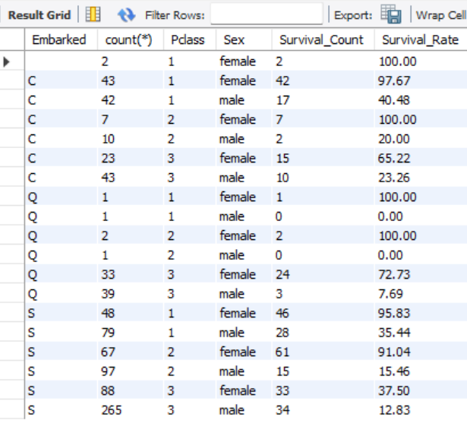
 |  |  |  |  |  |  |  |  | Pclass | 1
Q6 | Embarked | Survival Rate based on Embarkation Point
 | SELECT Embarked,count(*),Pclass,Sex, SUM(CASE WHEN SURVIVED = 1 THEN 1 ELSE 0 END) AS Survival_Count, ROUND(SUM(CASE WHEN SURVIVED = 1 THEN 1 ELSE 0 END)/COUNT(*)*100,2) AS Survival_Rate FROM train GROUP BY embarked, Pclass,sex ORDER BY 1 ASC; | Embarked | Total_Count | Pclass | Sex | Survival_Count | Survival_Rate |  | Embarked | Sex | Average of Survival_Rate
 |  |  | 2 | 1 | Female | 2 | 100.00% |  | C |  | 69.075
 |  | C | 43 | 1 | Female | 42 | 97.67% |  |  | Female | 97.67
 |  | C | 42 | 1 | Male | 17 | 40.48% |  |  | Male | 40.48
 |  | C | 7 | 2 | Female | 7 | 100.00% |  | Q |  | 50
 |  | C | 10 | 2 | Male | 2 | 20.00% |  |  | Female | 100
 |  | C | 23 | 3 | Female | 15 | 65.22% |  |  | Male | 0
 | Insight: Female passengers consistently had far higher survival rates than males across all embarkation points and classes, with Cherbourg and Southampton showing especially strong outcomes for women. | C | 43 | 3 | Male | 10 | 23.26% |  | S |  | 65.635
 |  | Q | 1 | 1 | Female | 1 | 100.00% |  |  | Female | 95.83
 |  | Q | 1 | 1 | Male | 0 | 0.00% |  |  | Male | 35.44
 |  | Q | 2 | 2 | Female | 2 | 100.00% |  | (blank) |  | 100
 |  | Q | 1 | 2 | Male | 0 | 0.00% |  |  | Female | 100
 |  | Q | 33 | 3 | Female | 24 | 72.73% |  | Grand Total |  | 67.06
 |  | Q | 39 | 3 | Male | 3 | 7.69%
 |  | S | 48 | 1 | Female | 46 | 95.83%
 |  | S | 79 | 1 | Male | 28 | 35.44%
 |  | S | 67 | 2 | Female | 61 | 91.04%
 |  | S | 97 | 2 | Male | 15 | 15.46%
 |  | S | 88 | 3 | Female | 33 | 37.50%
 |  | S | 265 | 3 | Male | 34 | 12.83%

7 | Fare Fraction | Fare Fraction
 | SELECT CASE WHEN FARE <20 THEN 'LOW_FARE' WHEN FARE BETWEEN 20 AND 50 THEN 'MID_FARE' WHEN FARE > 50 THEN 'HIGH_FARE' ELSE 'UNKNOWN' END AS FARE_RANGE, EMBARKED,COUNT(*), SUM(CASE WHEN SURVIVED =1 THEN 1 ELSE 0 END)AS Survival_Count, ROUND(SUM(CASE WHEN SURVIVED =1 THEN 1 ELSE 0 END)/COUNT(*)*100,2)AS Survival_Rate FROM train GROUP BY fare_range,embarked ORDER BY 2,1; | Fare_Range | Embarked | COUNT(*) | Survival_Count | Survival_Rate
 |  | HIGH_FARE | C | 61 | 48 | 78.69%
 |  | LOW_FARE | C | 70 | 27 | 38.57%
 |  | MID_FARE | C | 37 | 18 | 48.65%
 |  | HIGH_FARE | Q | 2 | 1 | 50.00%
 |  | LOW_FARE | Q | 65 | 26 | 40.00%
 |  | MID_FARE | Q | 10 | 3 | 30.00%
 |  | HIGH_FARE | S | 95 | 58 | 61.05%
 |  | LOW_FARE | S | 380 | 90 | 23.68%
 |  | MID_FARE | S | 169 | 69 | 40.83%

Dashboard
Titanic Survival Rate Analysis

Total Passengers 891 |  | Overall Survival Rate 38%

 | Key Insights: 1. Females had much higher survival rate than males. 2. First class passengers were most likely to survive. 3. Third class had lowest survival. 4. Embarkation point also influenced survival slightly.

Total Passengers Survival Rate
Survival_Rate | 38.38%
Non_Survival_Rate | 61.62%
Male & Female Survival Rate
 | Sex
Male | 18.89%
Female | 74.20%
Survival By Passenger Class
 | 1 | 2 | 3
Survived | 136 | 87 | 119
Not_Survived | 80 | 97 | 372

Survival Rate By Family Size
 | Family_Size | Survival_Rate
 | 1 | 30.35%
 | 2 | 55.28%
 | 3 | 57.84%
 | 4 | 72.41%
 | 5 | 20.00%
 | 6 | 13.64%
 | 7 | 33.33%
 | 8 | 0.00%
 | 11 | 0.00%
Survival Rate based on Age & Gender
 | Female | Male
Adult | 77.78 | 18.33
Elderly | 100 | 13.64
Kid | 59.38 | 55.56
Teenager | 75 | 8.82

Survival Rate Based on Embarkation Point, Sex & Passenger Class
 | Total
Female | 97.67
Male | 40.48
Female | 100
Male | 0
Female | 95.83
Male | 35.44
Female | 100
Survival Rate by Embarkation Point & Fare Range
 | HIGH_FARE | LOW_FARE | MID_FARE
C | 78.69 | 38.57 | 48.65
Q | 50 | 40 | 30
S | 61.05 | 23.68 | 40.83

