Tabelle1
0.01 | 1.56 | 0.15902140673
0.02 | 1.92 | 0.19571865443
0.03 | 2.28 | 0.23241590214
0.04 | 2.64 | 0.26911314985
0.05 | 3 | 0.30581039755
0.075 | 3 | 0.30581039755
0.1 | 3 | 0.30581039755
0.15 | 3 | 0.30581039755
0.2 | 3 | 0.30581039755
0.25 | 3 | 0.30581039755
0.3 | 3 | 0.30581039755
0.4 | 2.25 | 0.22935779817
0.5 | 1.8 | 0.18348623853
0.75 | 1.2 | 0.12232415902
1 | 0.9 | 0.091743119266
1.5 | 0.6 | 0.061162079511
2 | 0.45 | 0.045871559633
2.5 | 0.36 | 0.036697247706
3 | 0.3 | 0.030581039755
3.5 | 0.25714285714 | 0.02621231979
4 | 0.14693877551 | 0.014978468452
4.5 | 0.1125 | 0.011467889908
5 | 0.088888888889 | 0.0090610488164
6 | 0.072 | 0.0073394495413
7 | 0.05 | 0.0050968399592
8 | 0.036734693878 | 0.0037446171129
9 | 0.028125 | 0.0028669724771
10 | 0.022222222222 | 0.0022652622041

Tabelle3
Scaled Earthquakes

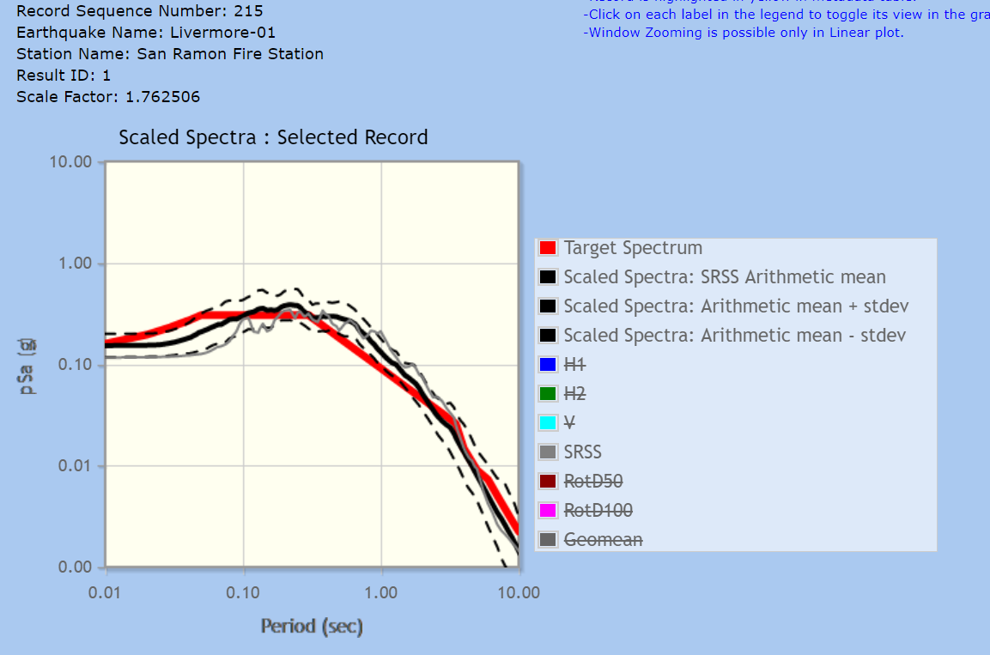
Record Sequence Number: 215
Earthquake Name: Livermore-01
Station Name: San Ramon Fire Station
Result ID: 1
Scale Factor: 1.762506

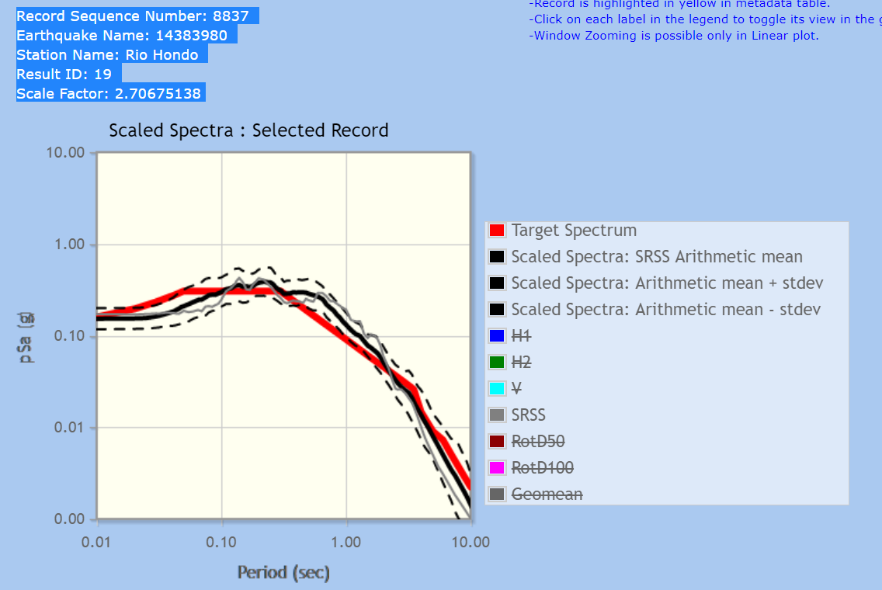
Record Sequence Number: 8837
Earthquake Name: 14383980
Station Name: Rio Hondo
Result ID: 19
Scale Factor: 2.70675138

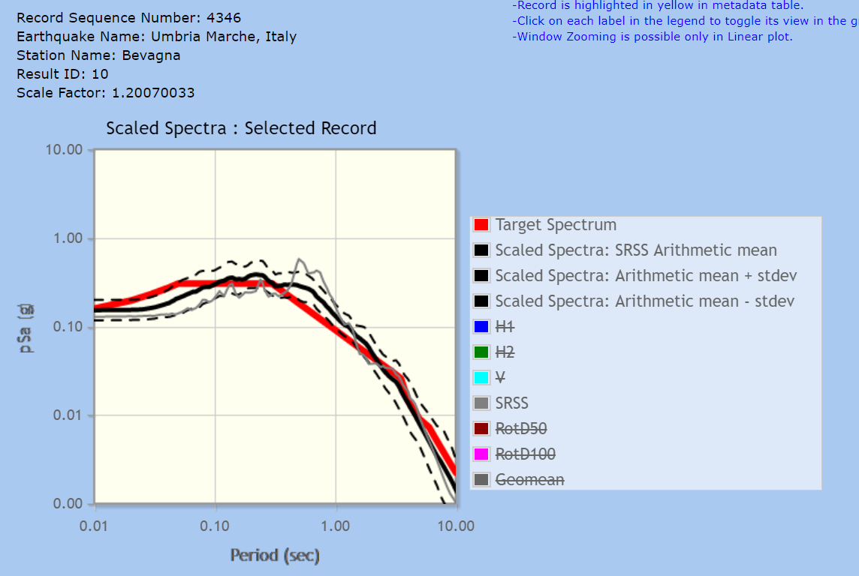
Record Sequence Number: 4346
Earthquake Name: Umbria Marche, Italy
Station Name: Bevagna
Result ID: 10
Scale Factor: 1.20070033

