Business-Web-New-Java
No | Organization | Platform | Type | Language | Size (CPF) | Effort (hrs)
7 | Business | WEB | New development | Java | 52 | 274
8 | Business | WEB | New development | Java | 61 | 337
10 | Business | WEB | New development | Java | 68 | 512
12 | Business | WEB | New development | Java | 70 | 380
13 | Business | WEB | New development | Java | 72 | 398
14 | Business | WEB | New development | Java | 73 | 660
15 | Business | WEB | New development | Java | 74 | 483
19 | Business | WEB | New development | Java | 79 | 476
23 | Business | WEB | New development | Java | 81 | 691
24 | Business | WEB | New development | Java | 83 | 467
26 | Business | WEB | New development | Java | 84 | 422
27 | Business | WEB | New development | Java | 85 | 725
30 | Business | WEB | New development | Java | 90 | 407
32 | Business | WEB | New development | Java | 92 | 831
33 | Business | WEB | New development | Java | 100 | 703
35 | Business | WEB | New development | Java | 102 | 922
36 | Business | WEB | New development | Java | 105 | 2196
37 | Business | WEB | New development | Java | 108 | 651
40 | Business | WEB | New development | Java | 114 | 502
43 | Business | WEB | New development | Java | 115 | 693
45 | Business | WEB | New development | Java | 117 | 728
46 | Business | WEB | New development | Java | 117 | 998
47 | Business | WEB | New development | Java | 118 | 1795
49 | Business | WEB | New development | Java | 125 | 1004
51 | Business | WEB | New development | Java | 127 | 1020
52 | Business | WEB | New development | Java | 135 | 1053
54 | Business | WEB | New development | Java | 136 | 1024
55 | Business | WEB | New development | Java | 143 | 861
59 | Business | WEB | New development | Java | 153 | 1229
60 | Business | WEB | New development | Java | 156 | 1025
63 | Business | WEB | New development | Java | 162 | 1305
64 | Business | WEB | New development | Java | 162 | 1904
71 | Business | WEB | New Development | Java | 183 | 460
73 | Business | WEB | New development | Java | 193 | 734
75 | Business | WEB | New development | Java | 209 | 1993
80 | Business | WEB | New development | Java | 310 | 934
90 | Business | WEB | New Development | Java | 849 | 1874

Statistics Description
Statistics
Variable | N | Mean | StDev | Minimum | Median | Maximum
Size (CPF) | 37 | 137.92 | 130.15 | 52 | 114 | 849

Statistics
Variable | N | Mean | StDev | Minimum | Median | Maximum
Effort (hres) | 37 | 883 | 501.94 | 274 | 728 | 2196

Outlier detection
Fits and Diagnostics for Unusual Observations
Obs | Effort (hrs)
17 | 2196
23 | 1795
32 | 1904
35 | 1993
37 | 1874

No | Organization | Platform | Type | Language | Size (CPF) | Effort (hrs)
7 | Business | WEB | New development | Java | 52 | 274
8 | Business | WEB | New development | Java | 61 | 337
10 | Business | WEB | New development | Java | 68 | 512
12 | Business | WEB | New development | Java | 70 | 380
13 | Business | WEB | New development | Java | 72 | 398
14 | Business | WEB | New development | Java | 73 | 660
15 | Business | WEB | New development | Java | 74 | 483
19 | Business | WEB | New development | Java | 79 | 476
23 | Business | WEB | New development | Java | 81 | 691
24 | Business | WEB | New development | Java | 83 | 467
26 | Business | WEB | New development | Java | 84 | 422
27 | Business | WEB | New development | Java | 85 | 725
30 | Business | WEB | New development | Java | 90 | 407
32 | Business | WEB | New development | Java | 92 | 831
33 | Business | WEB | New development | Java | 100 | 703
35 | Business | WEB | New development | Java | 102 | 922
36 | Business | WEB | New development | Java | 105 | 2196 | Outlier
37 | Business | WEB | New development | Java | 108 | 651
40 | Business | WEB | New development | Java | 114 | 502
43 | Business | WEB | New development | Java | 115 | 693
45 | Business | WEB | New development | Java | 117 | 728
46 | Business | WEB | New development | Java | 117 | 998
47 | Business | WEB | New development | Java | 118 | 1795 | Outlier
49 | Business | WEB | New development | Java | 125 | 1004
51 | Business | WEB | New development | Java | 127 | 1020
52 | Business | WEB | New development | Java | 135 | 1053
54 | Business | WEB | New development | Java | 136 | 1024
55 | Business | WEB | New development | Java | 143 | 861
59 | Business | WEB | New development | Java | 153 | 1229
60 | Business | WEB | New development | Java | 156 | 1025
63 | Business | WEB | New development | Java | 162 | 1305
64 | Business | WEB | New development | Java | 162 | 1904 | Outlier
71 | Business | WEB | New Development | Java | 183 | 460
73 | Business | WEB | New development | Java | 193 | 734
75 | Business | WEB | New development | Java | 209 | 1993 | Outlier
80 | Business | WEB | New development | Java | 310 | 934
90 | Business | WEB | New Development | Java | 849 | 1874 | Outlier

No | Organization | Platform | Type | Language | Size (CPF) | Effort (hrs)
7 | Business | WEB | New development | Java | 52 | 274
8 | Business | WEB | New development | Java | 61 | 337
10 | Business | WEB | New development | Java | 68 | 512
12 | Business | WEB | New development | Java | 70 | 380
13 | Business | WEB | New development | Java | 72 | 398
14 | Business | WEB | New development | Java | 73 | 660
15 | Business | WEB | New development | Java | 74 | 483
19 | Business | WEB | New development | Java | 79 | 476
23 | Business | WEB | New development | Java | 81 | 691
24 | Business | WEB | New development | Java | 83 | 467
26 | Business | WEB | New development | Java | 84 | 422
27 | Business | WEB | New development | Java | 85 | 725
30 | Business | WEB | New development | Java | 90 | 407
32 | Business | WEB | New development | Java | 92 | 831
33 | Business | WEB | New development | Java | 100 | 703
35 | Business | WEB | New development | Java | 102 | 922
37 | Business | WEB | New development | Java | 108 | 651
40 | Business | WEB | New development | Java | 114 | 502
43 | Business | WEB | New development | Java | 115 | 693
45 | Business | WEB | New development | Java | 117 | 728
46 | Business | WEB | New development | Java | 117 | 998
49 | Business | WEB | New development | Java | 125 | 1004
51 | Business | WEB | New development | Java | 127 | 1020
52 | Business | WEB | New development | Java | 135 | 1053
54 | Business | WEB | New development | Java | 136 | 1024
55 | Business | WEB | New development | Java | 143 | 861
59 | Business | WEB | New development | Java | 153 | 1229
60 | Business | WEB | New development | Java | 156 | 1025
63 | Business | WEB | New development | Java | 162 | 1305
71 | Business | WEB | New Development | Java | 183 | 460
73 | Business | WEB | New development | Java | 193 | 734
80 | Business | WEB | New development | Java | 310 | 934

Outlier detection
Fits and Diagnostics for Unusual Observations
Obs | Effort (hrs)
30 | 460
32 | 934

No | Organization | Platform | Type | Language | Size (CPF) | Effort (hrs)
7 | Business | WEB | New development | Java | 52 | 274
8 | Business | WEB | New development | Java | 61 | 337
10 | Business | WEB | New development | Java | 68 | 512
12 | Business | WEB | New development | Java | 70 | 380
13 | Business | WEB | New development | Java | 72 | 398
14 | Business | WEB | New development | Java | 73 | 660
15 | Business | WEB | New development | Java | 74 | 483
19 | Business | WEB | New development | Java | 79 | 476
23 | Business | WEB | New development | Java | 81 | 691
24 | Business | WEB | New development | Java | 83 | 467
26 | Business | WEB | New development | Java | 84 | 422
27 | Business | WEB | New development | Java | 85 | 725
30 | Business | WEB | New development | Java | 90 | 407
32 | Business | WEB | New development | Java | 92 | 831
33 | Business | WEB | New development | Java | 100 | 703
35 | Business | WEB | New development | Java | 102 | 922
37 | Business | WEB | New development | Java | 108 | 651
40 | Business | WEB | New development | Java | 114 | 502
43 | Business | WEB | New development | Java | 115 | 693
45 | Business | WEB | New development | Java | 117 | 728
46 | Business | WEB | New development | Java | 117 | 998
49 | Business | WEB | New development | Java | 125 | 1004
51 | Business | WEB | New development | Java | 127 | 1020
52 | Business | WEB | New development | Java | 135 | 1053
54 | Business | WEB | New development | Java | 136 | 1024
55 | Business | WEB | New development | Java | 143 | 861
59 | Business | WEB | New development | Java | 153 | 1229
60 | Business | WEB | New development | Java | 156 | 1025
63 | Business | WEB | New development | Java | 162 | 1305
71 | Business | WEB | New Development | Java | 183 | 460 | Outlier
73 | Business | WEB | New development | Java | 193 | 734
80 | Business | WEB | New development | Java | 310 | 934 | Outlier

No | Organization | Platform | Type | Language | Size (CPF) | Effort (hrs)
7 | Business | WEB | New development | Java | 52 | 274
8 | Business | WEB | New development | Java | 61 | 337
10 | Business | WEB | New development | Java | 68 | 512
12 | Business | WEB | New development | Java | 70 | 380
13 | Business | WEB | New development | Java | 72 | 398
14 | Business | WEB | New development | Java | 73 | 660
15 | Business | WEB | New development | Java | 74 | 483
19 | Business | WEB | New development | Java | 79 | 476
23 | Business | WEB | New development | Java | 81 | 691
24 | Business | WEB | New development | Java | 83 | 467
26 | Business | WEB | New development | Java | 84 | 422
27 | Business | WEB | New development | Java | 85 | 725
30 | Business | WEB | New development | Java | 90 | 407
32 | Business | WEB | New development | Java | 92 | 831
33 | Business | WEB | New development | Java | 100 | 703
35 | Business | WEB | New development | Java | 102 | 922
37 | Business | WEB | New development | Java | 108 | 651
40 | Business | WEB | New development | Java | 114 | 502
43 | Business | WEB | New development | Java | 115 | 693
45 | Business | WEB | New development | Java | 117 | 728
46 | Business | WEB | New development | Java | 117 | 998
49 | Business | WEB | New development | Java | 125 | 1004
51 | Business | WEB | New development | Java | 127 | 1020
52 | Business | WEB | New development | Java | 135 | 1053
54 | Business | WEB | New development | Java | 136 | 1024
55 | Business | WEB | New development | Java | 143 | 861
59 | Business | WEB | New development | Java | 153 | 1229
60 | Business | WEB | New development | Java | 156 | 1025
63 | Business | WEB | New development | Java | 162 | 1305
73 | Business | WEB | New development | Java | 193 | 734

Outlier detection
Fits and Diagnostics for Unusual Observations
Obs | Effort (hrs)
30 | 734

No | Organization | Platform | Type | Language | Size (CPF) | Effort (hrs)
7 | Business | WEB | New development | Java | 52 | 274
8 | Business | WEB | New development | Java | 61 | 337
10 | Business | WEB | New development | Java | 68 | 512
12 | Business | WEB | New development | Java | 70 | 380
13 | Business | WEB | New development | Java | 72 | 398
14 | Business | WEB | New development | Java | 73 | 660
15 | Business | WEB | New development | Java | 74 | 483
19 | Business | WEB | New development | Java | 79 | 476
23 | Business | WEB | New development | Java | 81 | 691
24 | Business | WEB | New development | Java | 83 | 467
26 | Business | WEB | New development | Java | 84 | 422
27 | Business | WEB | New development | Java | 85 | 725
30 | Business | WEB | New development | Java | 90 | 407
32 | Business | WEB | New development | Java | 92 | 831
33 | Business | WEB | New development | Java | 100 | 703
35 | Business | WEB | New development | Java | 102 | 922
37 | Business | WEB | New development | Java | 108 | 651
40 | Business | WEB | New development | Java | 114 | 502
43 | Business | WEB | New development | Java | 115 | 693
45 | Business | WEB | New development | Java | 117 | 728
46 | Business | WEB | New development | Java | 117 | 998
49 | Business | WEB | New development | Java | 125 | 1004
51 | Business | WEB | New development | Java | 127 | 1020
52 | Business | WEB | New development | Java | 135 | 1053
54 | Business | WEB | New development | Java | 136 | 1024
55 | Business | WEB | New development | Java | 143 | 861
59 | Business | WEB | New development | Java | 153 | 1229
60 | Business | WEB | New development | Java | 156 | 1025
63 | Business | WEB | New development | Java | 162 | 1305
73 | Business | WEB | New development | Java | 193 | 734 | Outlier

No | Organization | Platform | Type | Language | Size (CPF) | Effort (hrs)
7 | Business | WEB | New development | Java | 52 | 274
8 | Business | WEB | New development | Java | 61 | 337
10 | Business | WEB | New development | Java | 68 | 512
12 | Business | WEB | New development | Java | 70 | 380
13 | Business | WEB | New development | Java | 72 | 398
14 | Business | WEB | New development | Java | 73 | 660
15 | Business | WEB | New development | Java | 74 | 483
19 | Business | WEB | New development | Java | 79 | 476
23 | Business | WEB | New development | Java | 81 | 691
24 | Business | WEB | New development | Java | 83 | 467
26 | Business | WEB | New development | Java | 84 | 422
27 | Business | WEB | New development | Java | 85 | 725
30 | Business | WEB | New development | Java | 90 | 407
32 | Business | WEB | New development | Java | 92 | 831
33 | Business | WEB | New development | Java | 100 | 703
35 | Business | WEB | New development | Java | 102 | 922
37 | Business | WEB | New development | Java | 108 | 651
40 | Business | WEB | New development | Java | 114 | 502
43 | Business | WEB | New development | Java | 115 | 693
45 | Business | WEB | New development | Java | 117 | 728
46 | Business | WEB | New development | Java | 117 | 998
49 | Business | WEB | New development | Java | 125 | 1004
51 | Business | WEB | New development | Java | 127 | 1020
52 | Business | WEB | New development | Java | 135 | 1053
54 | Business | WEB | New development | Java | 136 | 1024
55 | Business | WEB | New development | Java | 143 | 861
59 | Business | WEB | New development | Java | 153 | 1229
60 | Business | WEB | New development | Java | 156 | 1025
63 | Business | WEB | New development | Java | 162 | 1305

Outlier detection
Fits and Diagnostics for Unusual Observations
Obs | Effort (hrs)
18 | 502

No | Organization | Platform | Type | Language | Size (CPF) | Effort (hrs)
7 | Business | WEB | New development | Java | 52 | 274
8 | Business | WEB | New development | Java | 61 | 337
10 | Business | WEB | New development | Java | 68 | 512
12 | Business | WEB | New development | Java | 70 | 380
13 | Business | WEB | New development | Java | 72 | 398
14 | Business | WEB | New development | Java | 73 | 660
15 | Business | WEB | New development | Java | 74 | 483
19 | Business | WEB | New development | Java | 79 | 476
23 | Business | WEB | New development | Java | 81 | 691
24 | Business | WEB | New development | Java | 83 | 467
26 | Business | WEB | New development | Java | 84 | 422
27 | Business | WEB | New development | Java | 85 | 725
30 | Business | WEB | New development | Java | 90 | 407
32 | Business | WEB | New development | Java | 92 | 831
33 | Business | WEB | New development | Java | 100 | 703
35 | Business | WEB | New development | Java | 102 | 922
37 | Business | WEB | New development | Java | 108 | 651
40 | Business | WEB | New development | Java | 114 | 502 | Outlier
43 | Business | WEB | New development | Java | 115 | 693
45 | Business | WEB | New development | Java | 117 | 728
46 | Business | WEB | New development | Java | 117 | 998
49 | Business | WEB | New development | Java | 125 | 1004
51 | Business | WEB | New development | Java | 127 | 1020
52 | Business | WEB | New development | Java | 135 | 1053
54 | Business | WEB | New development | Java | 136 | 1024
55 | Business | WEB | New development | Java | 143 | 861
59 | Business | WEB | New development | Java | 153 | 1229
60 | Business | WEB | New development | Java | 156 | 1025
63 | Business | WEB | New development | Java | 162 | 1305

No | Organization | Platform | Type | Language | Size (CPF) | Effort (hrs)
7 | Business | WEB | New development | Java | 52 | 274
8 | Business | WEB | New development | Java | 61 | 337
10 | Business | WEB | New development | Java | 68 | 512
12 | Business | WEB | New development | Java | 70 | 380
13 | Business | WEB | New development | Java | 72 | 398
14 | Business | WEB | New development | Java | 73 | 660
15 | Business | WEB | New development | Java | 74 | 483
19 | Business | WEB | New development | Java | 79 | 476
23 | Business | WEB | New development | Java | 81 | 691
24 | Business | WEB | New development | Java | 83 | 467
26 | Business | WEB | New development | Java | 84 | 422
27 | Business | WEB | New development | Java | 85 | 725
30 | Business | WEB | New development | Java | 90 | 407
32 | Business | WEB | New development | Java | 92 | 831
33 | Business | WEB | New development | Java | 100 | 703
35 | Business | WEB | New development | Java | 102 | 922
37 | Business | WEB | New development | Java | 108 | 651
43 | Business | WEB | New development | Java | 115 | 693
45 | Business | WEB | New development | Java | 117 | 728
46 | Business | WEB | New development | Java | 117 | 998
49 | Business | WEB | New development | Java | 125 | 1004
51 | Business | WEB | New development | Java | 127 | 1020
52 | Business | WEB | New development | Java | 135 | 1053
54 | Business | WEB | New development | Java | 136 | 1024
55 | Business | WEB | New development | Java | 143 | 861
59 | Business | WEB | New development | Java | 153 | 1229
60 | Business | WEB | New development | Java | 156 | 1025
63 | Business | WEB | New development | Java | 162 | 1305

Outlier detection
Outlier | Test de Grubbs
# of values: |  | # of values:
28 |  | 28
Outlier detected? |  | Outlier detected?
No |  | No

No | Organization | Platform | Type | Language | Size (CPF) | Effort (hrs)
7 | Business | WEB | New development | Java | 52 | 274
8 | Business | WEB | New development | Java | 61 | 337
10 | Business | WEB | New development | Java | 68 | 512
12 | Business | WEB | New development | Java | 70 | 380
13 | Business | WEB | New development | Java | 72 | 398
14 | Business | WEB | New development | Java | 73 | 660
15 | Business | WEB | New development | Java | 74 | 483
19 | Business | WEB | New development | Java | 79 | 476
23 | Business | WEB | New development | Java | 81 | 691
24 | Business | WEB | New development | Java | 83 | 467
26 | Business | WEB | New development | Java | 84 | 422
27 | Business | WEB | New development | Java | 85 | 725
30 | Business | WEB | New development | Java | 90 | 407
32 | Business | WEB | New development | Java | 92 | 831
33 | Business | WEB | New development | Java | 100 | 703
35 | Business | WEB | New development | Java | 102 | 922
37 | Business | WEB | New development | Java | 108 | 651
43 | Business | WEB | New development | Java | 115 | 693
45 | Business | WEB | New development | Java | 117 | 728
46 | Business | WEB | New development | Java | 117 | 998
49 | Business | WEB | New development | Java | 125 | 1004
51 | Business | WEB | New development | Java | 127 | 1020
52 | Business | WEB | New development | Java | 135 | 1053
54 | Business | WEB | New development | Java | 136 | 1024
55 | Business | WEB | New development | Java | 143 | 861
59 | Business | WEB | New development | Java | 153 | 1229
60 | Business | WEB | New development | Java | 156 | 1025
63 | Business | WEB | New development | Java | 162 | 1305

R square
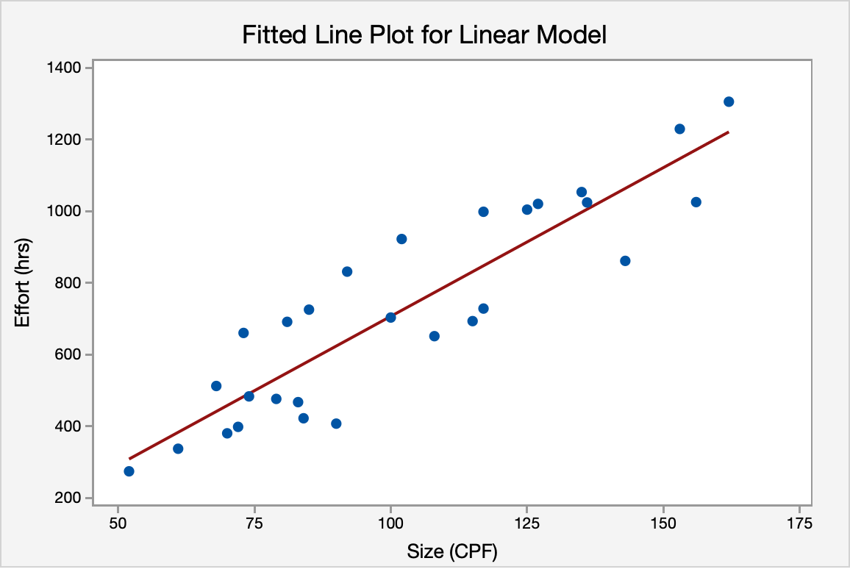

Model Summary
R-sq(adj)
80.31%

Regression Equation
Effort (hrs) = −123.29 + 8.2976 Size (CPF)

MMRE
No | Organization | Platform | Type | Language | Size (CPF) | Effort (hrs) | Estimated effort(hrs) | RE | MRE | MMRE
7 | Business | WEB | New development | Java | 52 | 274 | 308.19 | 12.44% | 12.44% | 16.50%
8 | Business | WEB | New development | Java | 61 | 337 | 382.86 | 13.66% | 13.66%
10 | Business | WEB | New development | Java | 68 | 512 | 440.95 | -13.88% | 13.88%
12 | Business | WEB | New development | Java | 70 | 380 | 457.54 | 20.56% | 20.56%
13 | Business | WEB | New development | Java | 72 | 398 | 474.14 | 19.25% | 19.25%
14 | Business | WEB | New development | Java | 73 | 660 | 482.43 | -26.86% | 26.86%
15 | Business | WEB | New development | Java | 74 | 483 | 490.73 | 1.62% | 1.62%
19 | Business | WEB | New development | Java | 79 | 476 | 532.22 | 11.84% | 11.84%
23 | Business | WEB | New development | Java | 81 | 691 | 548.82 | -20.61% | 20.61%
24 | Business | WEB | New development | Java | 83 | 467 | 565.41 | 21.16% | 21.16%
26 | Business | WEB | New development | Java | 84 | 422 | 573.71 | 36.05% | 36.05%
27 | Business | WEB | New development | Java | 85 | 725 | 582.01 | -19.77% | 19.77%
30 | Business | WEB | New development | Java | 90 | 407 | 623.49 | 53.34% | 53.34%
32 | Business | WEB | New development | Java | 92 | 831 | 640.09 | -23.00% | 23.00%
33 | Business | WEB | New development | Java | 100 | 703 | 706.47 | 0.52% | 0.52%
35 | Business | WEB | New development | Java | 102 | 922 | 723.07 | -21.55% | 21.55%
37 | Business | WEB | New development | Java | 108 | 651 | 772.85 | 18.79% | 18.79%
43 | Business | WEB | New development | Java | 115 | 693 | 830.93 | 19.95% | 19.95%
45 | Business | WEB | New development | Java | 117 | 728 | 847.53 | 16.37% | 16.37%
46 | Business | WEB | New development | Java | 117 | 998 | 847.53 | -15.12% | 15.12%
49 | Business | WEB | New development | Java | 125 | 1004 | 913.91 | -8.97% | 8.97%
51 | Business | WEB | New development | Java | 127 | 1020 | 930.51 | -8.78% | 8.78%
52 | Business | WEB | New development | Java | 135 | 1053 | 996.89 | -5.33% | 5.33%
54 | Business | WEB | New development | Java | 136 | 1024 | 1005.18 | -1.85% | 1.85%
55 | Business | WEB | New development | Java | 143 | 861 | 1063.27 | 23.43% | 23.43%
59 | Business | WEB | New development | Java | 153 | 1229 | 1146.24 | -6.73% | 6.73%
60 | Business | WEB | New development | Java | 156 | 1025 | 1171.14 | 14.26% | 14.26%
63 | Business | WEB | New development | Java | 162 | 1305 | 1220.92 | -6.44% | 6.44%

 |  |  | Criteria
Questions1: | Is it valid to draw statistical conclusions from this sample size? |  | Statistical confidence
None |  |  | Level | number of data
Medium |  |  | High | >=25
High | 28 |  | Medium | [15,24]
 |  |  | None | [0,15)

Questions2: | How is the relationship between size and effort? |  | R square
Low |  |  | Level | R2
Medium |  |  | High | >=80%
High | 80% |  | Medium | [40%,79%)
 |  |  | Low | (0%, 40%)
Question3: | What is the impact if there is a least one outlier in this dataset?
None |  |  | Outlier | outlier/total number of data
 |  |  | Level | %
One of more outliers | 24% |  | None | 0
 |  |  | One of more outliers | (0,100%]

Questions4: | How is the range of effort variation?
Low |  |  | Margin of Error
Medium | 17% |  | Level | MMRE
High |  |  | Low | [0,10%]
 |  |  | Medium | (10%,30%]
 |  |  | High | (30%,100%]

Real time-Maintenance-Java
No | Organization | Platform | Type | Language | Size (CPF) | Effort (hrs)
6 | Real time | Stand alone | Maintenance | C | 51 | 52
18 | Real time | Stand alone | Maintenance | C | 79 | 142
20 | Real time | WEB | Maintenance | C | 80 | 260
22 | Real time | Stand alone | Maintenance | C | 81 | 190
28 | Real time | Stand alone | Maintenance | C | 87 | 170
29 | Real time | Stand alone | Maintenance | C | 90 | 189
34 | Real time | Stand alone | Maintenance | C | 102 | 200
53 | Real time | Stand alone | Maintenance | C | 136 | 220
56 | Real time | Stand alone | Maintenance | C | 148 | 186
57 | Real time | Stand alone | Maintenance | C | 152 | 237
62 | Real time | Stand alone | Maintenance | C | 160 | 242
65 | Real time | Stand alone | Maintenance | C | 169 | 215

Statistics Description
Statistics
Variable | N | Mean | StDev | Minimum | Median | Maximum
Size (CPF) | 12 | 111.25 | 39.34 | 51 | 96 | 169

Statistics
Variable | N | Mean | StDev | Minimum | Median | Maximum
Effort (hrs) | 12 | 191.92 | 54.9 | 52 | 195 | 260

Outlier detection
Fits and Diagnostics for Unusual Observations
Obs | Effort (hrs)
1 | 52
3 | 260

No | Organization | Platform | Type | Language | Size (CPF) | Effort (hrs)
6 | Real time | Stand alone | Maintenance | C | 51 | 52 | outlier
18 | Real time | Stand alone | Maintenance | C | 79 | 142
20 | Real time | WEB | Maintenance | C | 80 | 260 | outlier
22 | Real time | Stand alone | Maintenance | C | 81 | 190
28 | Real time | Stand alone | Maintenance | C | 87 | 170
29 | Real time | Stand alone | Maintenance | C | 90 | 189
34 | Real time | Stand alone | Maintenance | C | 102 | 200
53 | Real time | Stand alone | Maintenance | C | 136 | 220
56 | Real time | Stand alone | Maintenance | C | 148 | 186
57 | Real time | Stand alone | Maintenance | C | 152 | 237
62 | Real time | Stand alone | Maintenance | C | 160 | 242
65 | Real time | Stand alone | Maintenance | C | 169 | 215

No | Organization | Platform | Type | Language | Size (CPF) | Effort (hrs)
18 | Real time | Stand alone | Maintenance | C | 79 | 142
22 | Real time | Stand alone | Maintenance | C | 81 | 190
28 | Real time | Stand alone | Maintenance | C | 87 | 170
29 | Real time | Stand alone | Maintenance | C | 90 | 189
34 | Real time | Stand alone | Maintenance | C | 102 | 200
53 | Real time | Stand alone | Maintenance | C | 136 | 220
56 | Real time | Stand alone | Maintenance | C | 148 | 186
57 | Real time | Stand alone | Maintenance | C | 152 | 237
62 | Real time | Stand alone | Maintenance | C | 160 | 242
65 | Real time | Stand alone | Maintenance | C | 169 | 215

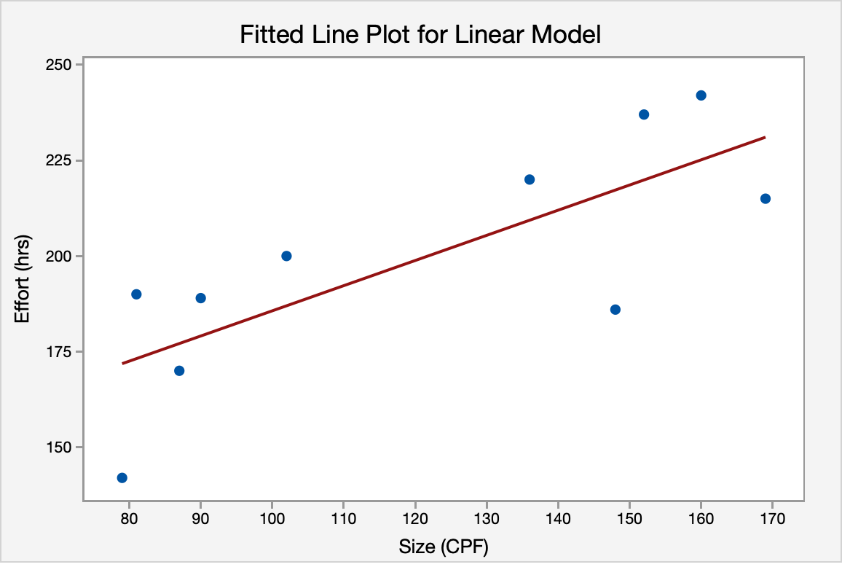

Outlier detection
Outlier | Test de Grubbs
# of values: |  |  | # of values:
10 |  |  | 10
# of rows w/o data: |  |  | # of rows w/o data:
1 |  |  | 1
Outlier detected? |  |  | Outlier detected?
No |  |  | No

R square

Model Summary
R-sq(adj)
54.39%

Regression Equation
Effort (hrs) = 119.88 + 0.6580 Size (CPF)

MMRE
No | Organization | Platform | Type | Language | Size (CPF) | Effort (hrs) | Estimated effort(hrs) | RE | MRE | MMRE
18 | Real time | Stand alone | Maintenance | C | 79 | 142 | 171.86 | 21.03% | 21.03% | 8.91%
22 | Real time | Stand alone | Maintenance | C | 81 | 190 | 173.18 | -8.85% | 8.85%
28 | Real time | Stand alone | Maintenance | C | 87 | 170 | 177.13 | 4.19% | 4.19%
29 | Real time | Stand alone | Maintenance | C | 90 | 189 | 179.10 | -5.24% | 5.24%
34 | Real time | Stand alone | Maintenance | C | 102 | 200 | 187.00 | -6.50% | 6.50%
53 | Real time | Stand alone | Maintenance | C | 136 | 220 | 209.37 | -4.83% | 4.83%
56 | Real time | Stand alone | Maintenance | C | 148 | 186 | 217.26 | 16.81% | 16.81%
57 | Real time | Stand alone | Maintenance | C | 152 | 237 | 219.90 | -7.22% | 7.22%
62 | Real time | Stand alone | Maintenance | C | 160 | 242 | 225.16 | -6.96% | 6.96%
65 | Real time | Stand alone | Maintenance | C | 169 | 215 | 231.08 | 7.48% | 7.48%

Questions1: | Is it valid to draw statistical conclusions from this sample size? |  |  | Statistical confidence
None | 10 |  |  | Level | number of data
Medium |  |  |  | High | >=25
High |  |  |  | Medium | [15,24]
 |  |  |  | None | [0,15)

Questions2: | How is the relationship between size and effort? |  |  | R square
Low |  |  |  | Level | R2
Medium | 54% |  |  | High | >=80%
High |  |  |  | Medium | [40%,79%)
 |  |  |  | Low | (0%, 40%)
Question3: | What is the impact if there is a least one outlier in this dataset?
None |  |  |  | Outlier | outlier/total number of data
One of more outliers | 17% | 0.16666666667 |  | Level | %
 |  |  |  | None | 0
 |  |  |  | One of more outliers | (0,100%]

Questions4: | How is the range of effort variation?
Low | 9% |  |  | Margin of Error
Medium |  |  |  | Level | MMRE
High |  |  |  | Low | [0,10%]
 |  |  |  | Medium | (10%,30%]
 |  |  |  | High | (30%,100%]

Real time-Maintenance
No | Organization | Platform | Type | Language | Size (CPF) | Effort (hrs)
6 | Real time | Stand alone | Maintenance | C | 51 | 52
18 | Real time | Stand alone | Maintenance | C | 79 | 142
20 | Real time | WEB | Maintenance | C | 80 | 260
22 | Real time | Stand alone | Maintenance | C | 81 | 190
28 | Real time | Stand alone | Maintenance | C | 87 | 170
29 | Real time | Stand alone | Maintenance | C | 90 | 189
34 | Real time | Stand alone | Maintenance | C | 102 | 200
42 | Real time | Stand alone | Maintenance | Java | 115 | 285
53 | Real time | Stand alone | Maintenance | C | 136 | 220
56 | Real time | Stand alone | Maintenance | C | 148 | 186
57 | Real time | Stand alone | Maintenance | C | 152 | 237
62 | Real time | Stand alone | Maintenance | C | 160 | 242
65 | Real time | Stand alone | Maintenance | C | 169 | 215
67 | Real time | Stand alone | Maintenance | Java | 178 | 290

Statistics Description
Statistics
Variable | N | Mean | StDev | Minimum | Median | Maximum
Size (CPF) | 14 | 116.29 | 40.32 | 51 | 108.5 | 178

Statistics
Variable | N | Mean | StDev | Minimum | Median | Maximum
Effort (hrs) | 14 | 205.57 | 61.29 | 52 | 207.5 | 290

Outlier detection
Fits and Diagnostics for Unusual Observations
Obs | Effort (hrs)
1 | 52

No | Organization | Platform | Type | Language | Size (CPF) | Effort (hrs)
6 | Real time | Stand alone | Maintenance | C | 51 | 52 | outlier
18 | Real time | Stand alone | Maintenance | C | 79 | 142
20 | Real time | WEB | Maintenance | C | 80 | 260
22 | Real time | Stand alone | Maintenance | C | 81 | 190
28 | Real time | Stand alone | Maintenance | C | 87 | 170
29 | Real time | Stand alone | Maintenance | C | 90 | 189
34 | Real time | Stand alone | Maintenance | C | 102 | 200
42 | Real time | Stand alone | Maintenance | Java | 115 | 285
53 | Real time | Stand alone | Maintenance | C | 136 | 220
56 | Real time | Stand alone | Maintenance | C | 148 | 186
57 | Real time | Stand alone | Maintenance | C | 152 | 237
62 | Real time | Stand alone | Maintenance | C | 160 | 242
65 | Real time | Stand alone | Maintenance | C | 169 | 215
67 | Real time | Stand alone | Maintenance | Java | 178 | 290

No | Organization | Platform | Type | Language | Size (CPF) | Effort (hrs)
18 | Real time | Stand alone | Maintenance | C | 79 | 142
20 | Real time | WEB | Maintenance | C | 80 | 260
22 | Real time | Stand alone | Maintenance | C | 81 | 190
28 | Real time | Stand alone | Maintenance | C | 87 | 170
29 | Real time | Stand alone | Maintenance | C | 90 | 189
34 | Real time | Stand alone | Maintenance | C | 102 | 200
42 | Real time | Stand alone | Maintenance | Java | 115 | 285
53 | Real time | Stand alone | Maintenance | C | 136 | 220
56 | Real time | Stand alone | Maintenance | C | 148 | 186
57 | Real time | Stand alone | Maintenance | C | 152 | 237
62 | Real time | Stand alone | Maintenance | C | 160 | 242
65 | Real time | Stand alone | Maintenance | C | 169 | 215
67 | Real time | Stand alone | Maintenance | Java | 178 | 290

Outlier detection
Outlier | Test de Grubbs

# of values: |  |  | # of values:
13 |  |  | 13
# of rows w/o data: |  |  | # of rows w/o data:
1 |  |  | 1
Outlier detected? |  |  | Outlier detected?
No |  |  | No

R square
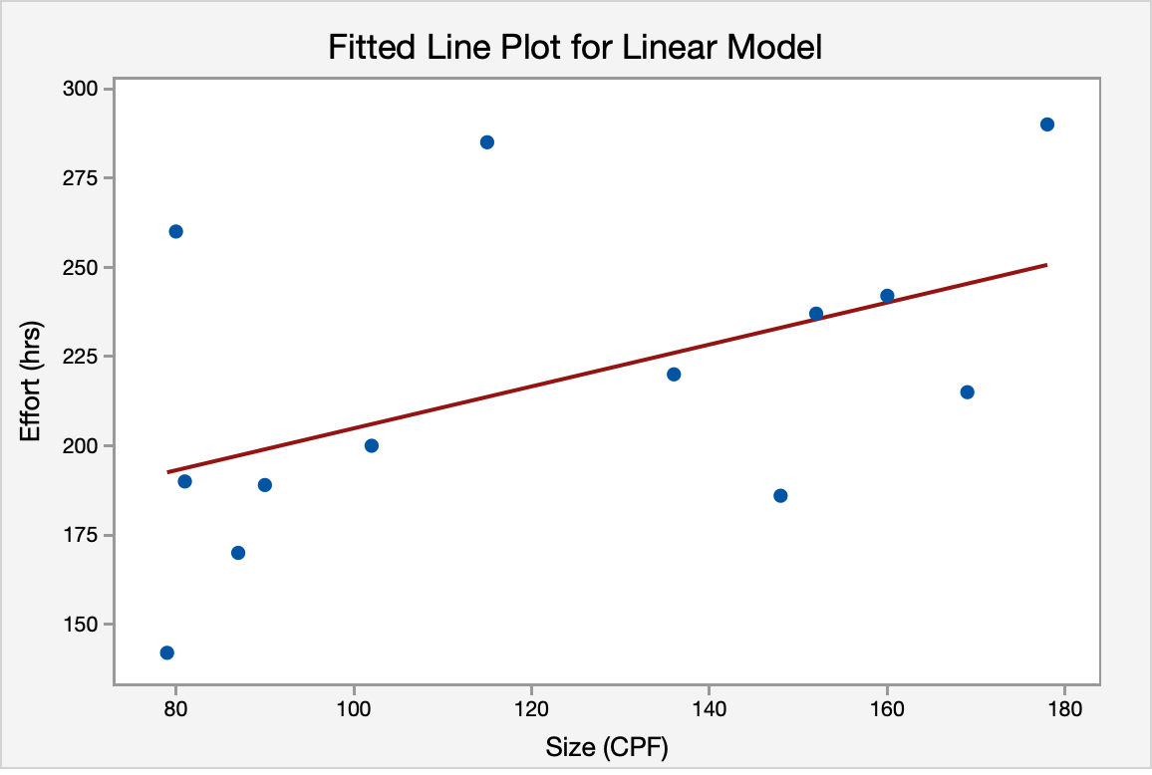

Model Summary
R-sq(adj)
17.46%

Regression Equation
Effort (hrs) = 146.17 + 0.5871 Size (CPF)

MMRE
No | Organization | Platform | Type | Language | Size (CPF) | Effort (hrs) | Estimated effort(hrs) | RE | MRE | MMRE
18 | Real time | Stand alone | Maintenance | C | 79 | 142 | 192.55 | 35.60% | 35.60% | 13.06%
20 | Real time | WEB | Maintenance | C | 80 | 260 | 193.14 | -25.72% | 25.72%
22 | Real time | Stand alone | Maintenance | C | 81 | 190 | 193.73 | 1.96% | 1.96%
28 | Real time | Stand alone | Maintenance | C | 87 | 170 | 197.25 | 16.03% | 16.03%
29 | Real time | Stand alone | Maintenance | C | 90 | 189 | 199.01 | 5.30% | 5.30%
34 | Real time | Stand alone | Maintenance | C | 102 | 200 | 206.05 | 3.03% | 3.03%
42 | Real time | Stand alone | Maintenance | Java | 115 | 285 | 213.69 | -25.02% | 25.02%
53 | Real time | Stand alone | Maintenance | C | 136 | 220 | 226.02 | 2.73% | 2.73%
56 | Real time | Stand alone | Maintenance | C | 148 | 186 | 233.06 | 25.30% | 25.30%
57 | Real time | Stand alone | Maintenance | C | 152 | 237 | 235.41 | -0.67% | 0.67%
62 | Real time | Stand alone | Maintenance | C | 160 | 242 | 240.11 | -0.78% | 0.78%
65 | Real time | Stand alone | Maintenance | C | 169 | 215 | 245.39 | 14.13% | 14.13%
67 | Real time | Stand alone | Maintenance | Java | 178 | 290 | 250.67 | -13.56% | 13.56%

 |  |  | Criteria
Questions1: | Is it valid to draw statistical conclusions from this sample size? |  | Statistical confidence
None | 13 |  | Level | number of data
Medium |  |  | High | >=25
High |  |  | Medium | [15,24]
 |  |  | Low | [0,15)

Questions2: | How is the relationship between size and effort? |  | R square
Low | 17% |  | Level | R2
Medium |  |  | High | >=80%
High |  |  | Medium | [40%,79%)
 |  |  | Low | (0%, 40%)
Question3: | What is the impact if there is a least one outlier in this dataset?
None |  |  | Outlier | outlier/total number of data
One of more outliers | 7% | 0.071428571429 | Level | %
 |  |  | None | 0
 |  |  | One of more outliers | (0,100%]

Questions4: | How is the range of effort variation?
Low |  |  | Margin of Error
Medium | 13% |  | Level | MMRE
High |  |  | Low | [0,10%]
 |  |  | Medium | (10%,30%]
 |  |  | High | (30%,100%]

Real time-C
No | Organization | Platform | Type | Language | Size (CPF) | Effort (hrs)
2 | Real time | Stand alone | New development | C | 28 | 42
4 | Real time | Stand alone | New development | C | 45 | 68
6 | Real time | Stand alone | Maintenance | C | 51 | 52
9 | Real time | Stand alone | New development | C | 65 | 139
16 | Real time | Stand alone | New development | C | 75 | 110
18 | Real time | Stand alone | Maintenance | C | 79 | 142
20 | Real time | WEB | Maintenance | C | 80 | 260
22 | Real time | Stand alone | Maintenance | C | 81 | 190
28 | Real time | Stand alone | Maintenance | C | 87 | 170
29 | Real time | Stand alone | Maintenance | C | 90 | 189
31 | Real time | Batch | New development | C | 92 | 195
34 | Real time | Stand alone | Maintenance | C | 102 | 200
50 | Real time | Stand alone | New development | C | 127 | 215
53 | Real time | Stand alone | Maintenance | C | 136 | 220
56 | Real time | Stand alone | Maintenance | C | 148 | 186
57 | Real time | Stand alone | Maintenance | C | 152 | 237
62 | Real time | Stand alone | Maintenance | C | 160 | 242
65 | Real time | Stand alone | Maintenance | C | 169 | 215

Statistics Description
Statistics
Variable | N | Mean | StDev | Minimum | Median | Maximum
Size (CPF) | 18 | 98.167 | 41.538 | 28 | 88.5 | 169

Statistics
Variable | N | Mean | StDev | Minimum | Median | Maximum
Effort (hrs) | 18 | 170.67 | 65.49 | 42 | 189.5 | 260

Outlier detection
Fits and Diagnostics for Unusual Observations
Obs | Effort (hrs)
7 | 260

No | Organization | Platform | Type | Language | Size (CPF) | Effort (hrs)
2 | Real time | Stand alone | New development | C | 28 | 42
4 | Real time | Stand alone | New development | C | 45 | 68
6 | Real time | Stand alone | Maintenance | C | 51 | 52
9 | Real time | Stand alone | New development | C | 65 | 139
16 | Real time | Stand alone | New development | C | 75 | 110
18 | Real time | Stand alone | Maintenance | C | 79 | 142
20 | Real time | WEB | Maintenance | C | 80 | 260 | Outlier
22 | Real time | Stand alone | Maintenance | C | 81 | 190
28 | Real time | Stand alone | Maintenance | C | 87 | 170
29 | Real time | Stand alone | Maintenance | C | 90 | 189
31 | Real time | Batch | New development | C | 92 | 195
34 | Real time | Stand alone | Maintenance | C | 102 | 200
50 | Real time | Stand alone | New development | C | 127 | 215
53 | Real time | Stand alone | Maintenance | C | 136 | 220
56 | Real time | Stand alone | Maintenance | C | 148 | 186
57 | Real time | Stand alone | Maintenance | C | 152 | 237
62 | Real time | Stand alone | Maintenance | C | 160 | 242
65 | Real time | Stand alone | Maintenance | C | 169 | 215

No | Organization | Platform | Type | Language | Size (CPF) | Effort (hrs)
2 | Real time | Stand alone | New development | C | 28 | 42
4 | Real time | Stand alone | New development | C | 45 | 68
6 | Real time | Stand alone | Maintenance | C | 51 | 52
9 | Real time | Stand alone | New development | C | 65 | 139
16 | Real time | Stand alone | New development | C | 75 | 110
18 | Real time | Stand alone | Maintenance | C | 79 | 142
22 | Real time | Stand alone | Maintenance | C | 81 | 190
28 | Real time | Stand alone | Maintenance | C | 87 | 170
29 | Real time | Stand alone | Maintenance | C | 90 | 189
31 | Real time | Batch | New development | C | 92 | 195
34 | Real time | Stand alone | Maintenance | C | 102 | 200
50 | Real time | Stand alone | New development | C | 127 | 215
53 | Real time | Stand alone | Maintenance | C | 136 | 220
56 | Real time | Stand alone | Maintenance | C | 148 | 186
57 | Real time | Stand alone | Maintenance | C | 152 | 237
62 | Real time | Stand alone | Maintenance | C | 160 | 242
65 | Real time | Stand alone | Maintenance | C | 169 | 215

Outlier detection
Outlier | Test de Grubbs
# of values: |  |  | # of values:
17 |  |  | 17
# of rows w/o data: |  |  | # of rows w/o data:
1 |  |  | 1
Outlier detected? |  |  | Outlier detected?
No |  |  | No

R-Square

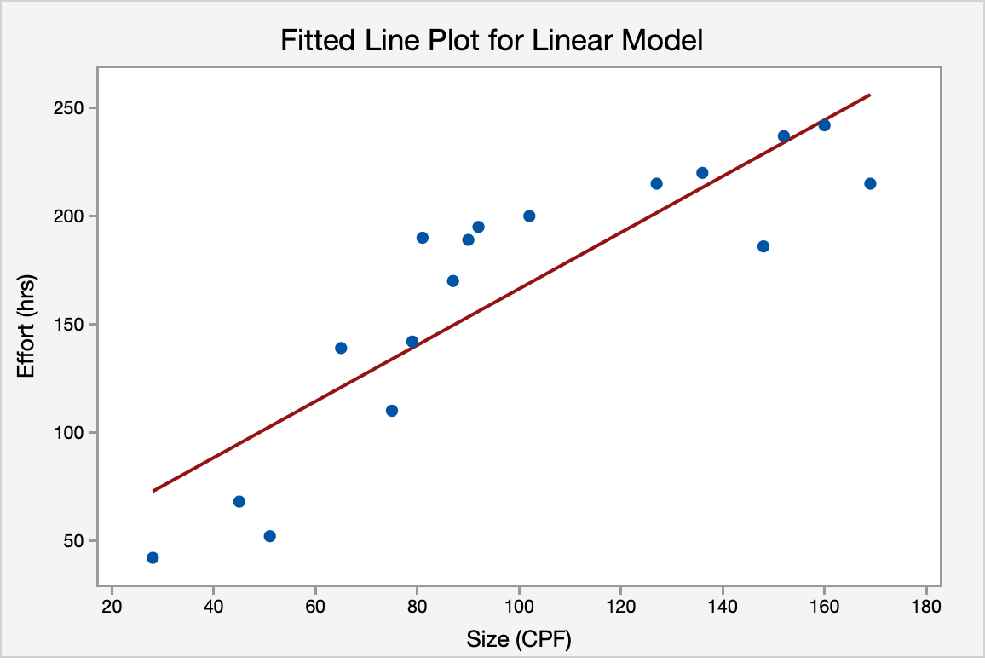

Model Summary
R-sq(adj)
74.49%

Regression Equation
Effort (hrs) = 36.32 + 1.3009 Size (CPF)

MMRE
No | Organization | Platform | Type | Language | Size (CPF) | Effort (hrs) | Estimated effort(hrs) | RE | MRE | MMRE
2 | Real time | Stand alone | New development | C | 28 | 42 | 72.75 | 73.20% | 73.20% | 23.09%
4 | Real time | Stand alone | New development | C | 45 | 68 | 94.86 | 39.50% | 39.50%
6 | Real time | Stand alone | Maintenance | C | 51 | 52 | 102.67 | 97.43% | 97.43%
9 | Real time | Stand alone | New development | C | 65 | 139 | 120.88 | -13.04% | 13.04%
16 | Real time | Stand alone | New development | C | 75 | 110 | 133.89 | 21.72% | 21.72%
18 | Real time | Stand alone | Maintenance | C | 79 | 142 | 139.09 | -2.05% | 2.05%
22 | Real time | Stand alone | Maintenance | C | 81 | 190 | 141.69 | -25.42% | 25.42%
28 | Real time | Stand alone | Maintenance | C | 87 | 170 | 149.50 | -12.06% | 12.06%
29 | Real time | Stand alone | Maintenance | C | 90 | 189 | 153.40 | -18.84% | 18.84%
31 | Real time | Batch | New development | C | 92 | 195 | 156.00 | -20.00% | 20.00%
34 | Real time | Stand alone | Maintenance | C | 102 | 200 | 169.01 | -15.49% | 15.49%
50 | Real time | Stand alone | New development | C | 127 | 215 | 201.53 | -6.26% | 6.26%
53 | Real time | Stand alone | Maintenance | C | 136 | 220 | 213.24 | -3.07% | 3.07%
56 | Real time | Stand alone | Maintenance | C | 148 | 186 | 228.85 | 23.04% | 23.04%
57 | Real time | Stand alone | Maintenance | C | 152 | 237 | 234.06 | -1.24% | 1.24%
62 | Real time | Stand alone | Maintenance | C | 160 | 242 | 244.46 | 1.02% | 1.02%
65 | Real time | Stand alone | Maintenance | C | 169 | 215 | 256.17 | 19.15% | 19.15%

 |  |  | Criteria
Questions1: | Is it valid to draw statistical conclusions from this sample size? |  | Statistical confidence
None |  |  | Level | number of data
Medium | 17 |  | High | >=25
High |  |  | Medium | [15,24]
 |  |  | Low | [0,15)

Questions2: | How is the relationship between size and effort? |  | R square
Low |  |  | Level | R2
Medium | 74% |  | High | >=80%
High |  |  | Medium | [40%,79%)
 |  |  | Low | (0%, 40%)
Question3: | What is the impact if there is a least one outlier in this dataset?
None |  |  | Outlier | outlier/total number of data
One of more outliers | 5% | 0.055555555556 | Level | %
 |  |  | None | 0
 |  |  | One of more outliers | (0,100%]

Questions4: | How is the range of effort variation?
Low |  |  | Margin of Error
Medium | 23% |  | Level | MMRE
High |  |  | Low | [0,10%]
 |  |  | Medium | (10%,30%]
 |  |  | High | (30%,100%]

Maintenance
No | Organization | Platform | Type | Language | Size (CPF) | Effort (hrs)
1 | Business | Stand alone | Maintenance | C | 25 | 118
5 | Business | WEB | Maintenance | Java | 46 | 1009
6 | Real time | Stand alone | Maintenance | C | 51 | 52
11 | Business | WEB | Maintenance | Java | 68 | 12702
18 | Real time | Stand alone | Maintenance | C | 79 | 142
20 | Real time | WEB | Maintenance | C | 80 | 260
21 | Business | WEB | Maintenance | Java | 80 | 2879
22 | Real time | Stand alone | Maintenance | C | 81 | 190
25 | Business | WEB | Maintenance | Java | 83 | 855
28 | Real time | Stand alone | Maintenance | C | 87 | 170
29 | Real time | Stand alone | Maintenance | C | 90 | 189
34 | Real time | Stand alone | Maintenance | C | 102 | 200
41 | Business | WEB | Maintenance | Java | 114 | 7290
42 | Real time | Stand alone | Maintenance | Java | 115 | 285
44 | Business | WEB | Maintenance | Java | 115 | 2712
53 | Real time | Stand alone | Maintenance | C | 136 | 220
56 | Real time | Stand alone | Maintenance | C | 148 | 186
57 | Real time | Stand alone | Maintenance | C | 152 | 237
58 | Business | WEB | Maintenance | Java | 152 | 2389
61 | Business | WEB | Maintenance | Java | 159 | 3689
62 | Real time | Stand alone | Maintenance | C | 160 | 242
65 | Real time | Stand alone | Maintenance | C | 169 | 215
66 | Business | WEB | Maintenance | Java | 174 | 1876
67 | Real time | Stand alone | Maintenance | Java | 178 | 290
68 | Business | WEB | Maintenance | Java | 179 | 789
69 | Business | WEB | Maintenance | Java | 180 | 3063
70 | Business | WEB | Maintenance | Java | 182 | 2629.2
76 | Business | WEB | Maintenance | Java | 237 | 3065
77 | Business | Stand alone | Maintenance | Java | 250 | 400
78 | Business | WEB | Maintenance | Java | 297 | 2684
79 | Business | WEB | Maintenance | Java | 297 | 7449
81 | Business | WEB | Maintenance | Java | 382 | 22000
82 | Business | Batch | Maintenance | Java | 443 | 796
83 | Business | WEB | Maintenance | Java | 460 | 1667
84 | Business | Stand alone | Maintenance | Java | 500 | 700
85 | Business | WEB | Maintenance | Java | 500 | 2510
86 | Business | WEB | Maintenance | Java | 568 | 5873
87 | Business | WEB | Maintenance | Java | 620 | 18160
88 | Business | WEB | Maintenance | Java | 730 | 20975
89 | Business | WEB | Maintenance | Java | 779 | 25040

Statistics Description
Statistics
Variable | N | Mean | StDev | Minimum | Median | Maximum
Size (CPF) | 40 | 231.2 | 195.53 | 25 | 159.5 | 779

Statistics
Variable | N | Mean | StDev | Minimum | Median | Maximum
Effort (hrs) | 40 | 3905 | 6524 | 52 | 932 | 25040

Outlier detection
Fits and Diagnostics for Unusual Observations
Obs | Effort (hrs)
4 | 12702
32 | 22000
39 | 20975
40 | 25040

No | Organization | Platform | Type | Language | Size (CPF) | Effort (hrs)
1 | Business | Stand alone | Maintenance | C | 25 | 118
5 | Business | WEB | Maintenance | Java | 46 | 1009
6 | Real time | Stand alone | Maintenance | C | 51 | 52
11 | Business | WEB | Maintenance | Java | 68 | 12702 | outlier
18 | Real time | Stand alone | Maintenance | C | 79 | 142
20 | Real time | WEB | Maintenance | C | 80 | 260
21 | Business | WEB | Maintenance | Java | 80 | 2879
22 | Real time | Stand alone | Maintenance | C | 81 | 190
25 | Business | WEB | Maintenance | Java | 83 | 855
28 | Real time | Stand alone | Maintenance | C | 87 | 170
29 | Real time | Stand alone | Maintenance | C | 90 | 189
34 | Real time | Stand alone | Maintenance | C | 102 | 200
41 | Business | WEB | Maintenance | Java | 114 | 7290
42 | Real time | Stand alone | Maintenance | Java | 115 | 285
44 | Business | WEB | Maintenance | Java | 115 | 2712
53 | Real time | Stand alone | Maintenance | C | 136 | 220
56 | Real time | Stand alone | Maintenance | C | 148 | 186
57 | Real time | Stand alone | Maintenance | C | 152 | 237
58 | Business | WEB | Maintenance | Java | 152 | 2389
61 | Business | WEB | Maintenance | Java | 159 | 3689
62 | Real time | Stand alone | Maintenance | C | 160 | 242
65 | Real time | Stand alone | Maintenance | C | 169 | 215
66 | Business | WEB | Maintenance | Java | 174 | 1876
67 | Real time | Stand alone | Maintenance | Java | 178 | 290
68 | Business | WEB | Maintenance | Java | 179 | 789
69 | Business | WEB | Maintenance | Java | 180 | 3063
70 | Business | WEB | Maintenance | Java | 182 | 2629.2
76 | Business | WEB | Maintenance | Java | 237 | 3065
77 | Business | Stand alone | Maintenance | Java | 250 | 400
78 | Business | WEB | Maintenance | Java | 297 | 2684
79 | Business | WEB | Maintenance | Java | 297 | 7449
81 | Business | WEB | Maintenance | Java | 382 | 22000 | outlier
82 | Business | Batch | Maintenance | Java | 443 | 796
83 | Business | WEB | Maintenance | Java | 460 | 1667
84 | Business | Stand alone | Maintenance | Java | 500 | 700
85 | Business | WEB | Maintenance | Java | 500 | 2510
86 | Business | WEB | Maintenance | Java | 568 | 5873
87 | Business | WEB | Maintenance | Java | 620 | 18160
88 | Business | WEB | Maintenance | Java | 730 | 20975 | outlier
89 | Business | WEB | Maintenance | Java | 779 | 25040 | outlier

No | Organization | Platform | Type | Language | Size (CPF) | Effort (hrs)
1 | Business | Stand alone | Maintenance | C | 25 | 118
5 | Business | WEB | Maintenance | Java | 46 | 1009
6 | Real time | Stand alone | Maintenance | C | 51 | 52
18 | Real time | Stand alone | Maintenance | C | 79 | 142
20 | Real time | WEB | Maintenance | C | 80 | 260
21 | Business | WEB | Maintenance | Java | 80 | 2879
22 | Real time | Stand alone | Maintenance | C | 81 | 190
25 | Business | WEB | Maintenance | Java | 83 | 855
28 | Real time | Stand alone | Maintenance | C | 87 | 170
29 | Real time | Stand alone | Maintenance | C | 90 | 189
34 | Real time | Stand alone | Maintenance | C | 102 | 200
41 | Business | WEB | Maintenance | Java | 114 | 7290
42 | Real time | Stand alone | Maintenance | Java | 115 | 285
44 | Business | WEB | Maintenance | Java | 115 | 2712
53 | Real time | Stand alone | Maintenance | C | 136 | 220
56 | Real time | Stand alone | Maintenance | C | 148 | 186
57 | Real time | Stand alone | Maintenance | C | 152 | 237
58 | Business | WEB | Maintenance | Java | 152 | 2389
61 | Business | WEB | Maintenance | Java | 159 | 3689
62 | Real time | Stand alone | Maintenance | C | 160 | 242
65 | Real time | Stand alone | Maintenance | C | 169 | 215
66 | Business | WEB | Maintenance | Java | 174 | 1876
67 | Real time | Stand alone | Maintenance | Java | 178 | 290
68 | Business | WEB | Maintenance | Java | 179 | 789
69 | Business | WEB | Maintenance | Java | 180 | 3063
70 | Business | WEB | Maintenance | Java | 182 | 2629.2
76 | Business | WEB | Maintenance | Java | 237 | 3065
77 | Business | Stand alone | Maintenance | Java | 250 | 400
78 | Business | WEB | Maintenance | Java | 297 | 2684
79 | Business | WEB | Maintenance | Java | 297 | 7449
82 | Business | Batch | Maintenance | Java | 443 | 796
83 | Business | WEB | Maintenance | Java | 460 | 1667
84 | Business | Stand alone | Maintenance | Java | 500 | 700
85 | Business | WEB | Maintenance | Java | 500 | 2510
86 | Business | WEB | Maintenance | Java | 568 | 5873
87 | Business | WEB | Maintenance | Java | 620 | 18160

Outlier detection
Fits and Diagnostics for Unusual Observations
Obs | Effort (hrs)
12 | 7290
35 | 5873
36 | 18160

No | Organization | Platform | Type | Language | Size (CPF) | Effort (hrs)
1 | Business | Stand alone | Maintenance | C | 25 | 118
5 | Business | WEB | Maintenance | Java | 46 | 1009
6 | Real time | Stand alone | Maintenance | C | 51 | 52
18 | Real time | Stand alone | Maintenance | C | 79 | 142
20 | Real time | WEB | Maintenance | C | 80 | 260
21 | Business | WEB | Maintenance | Java | 80 | 2879
22 | Real time | Stand alone | Maintenance | C | 81 | 190
25 | Business | WEB | Maintenance | Java | 83 | 855
28 | Real time | Stand alone | Maintenance | C | 87 | 170
29 | Real time | Stand alone | Maintenance | C | 90 | 189
34 | Real time | Stand alone | Maintenance | C | 102 | 200
41 | Business | WEB | Maintenance | Java | 114 | 7290 | outlier
42 | Real time | Stand alone | Maintenance | Java | 115 | 285
44 | Business | WEB | Maintenance | Java | 115 | 2712
53 | Real time | Stand alone | Maintenance | C | 136 | 220
56 | Real time | Stand alone | Maintenance | C | 148 | 186
57 | Real time | Stand alone | Maintenance | C | 152 | 237
58 | Business | WEB | Maintenance | Java | 152 | 2389
61 | Business | WEB | Maintenance | Java | 159 | 3689
62 | Real time | Stand alone | Maintenance | C | 160 | 242
65 | Real time | Stand alone | Maintenance | C | 169 | 215
66 | Business | WEB | Maintenance | Java | 174 | 1876
67 | Real time | Stand alone | Maintenance | Java | 178 | 290
68 | Business | WEB | Maintenance | Java | 179 | 789
69 | Business | WEB | Maintenance | Java | 180 | 3063
70 | Business | WEB | Maintenance | Java | 182 | 2629.2
76 | Business | WEB | Maintenance | Java | 237 | 3065
77 | Business | Stand alone | Maintenance | Java | 250 | 400
78 | Business | WEB | Maintenance | Java | 297 | 2684
79 | Business | WEB | Maintenance | Java | 297 | 7449
82 | Business | Batch | Maintenance | Java | 443 | 796
83 | Business | WEB | Maintenance | Java | 460 | 1667
84 | Business | Stand alone | Maintenance | Java | 500 | 700
85 | Business | WEB | Maintenance | Java | 500 | 2510
86 | Business | WEB | Maintenance | Java | 568 | 5873 | outlier
87 | Business | WEB | Maintenance | Java | 620 | 18160 | outlier

No | Organization | Platform | Type | Language | Size (CPF) | Effort (hrs)
1 | Business | Stand alone | Maintenance | C | 25 | 118
5 | Business | WEB | Maintenance | Java | 46 | 1009
6 | Real time | Stand alone | Maintenance | C | 51 | 52
18 | Real time | Stand alone | Maintenance | C | 79 | 142
20 | Real time | WEB | Maintenance | C | 80 | 260
21 | Business | WEB | Maintenance | Java | 80 | 2879
22 | Real time | Stand alone | Maintenance | C | 81 | 190
25 | Business | WEB | Maintenance | Java | 83 | 855
28 | Real time | Stand alone | Maintenance | C | 87 | 170
29 | Real time | Stand alone | Maintenance | C | 90 | 189
34 | Real time | Stand alone | Maintenance | C | 102 | 200
42 | Real time | Stand alone | Maintenance | Java | 115 | 285
44 | Business | WEB | Maintenance | Java | 115 | 2712
53 | Real time | Stand alone | Maintenance | C | 136 | 220
56 | Real time | Stand alone | Maintenance | C | 148 | 186
57 | Real time | Stand alone | Maintenance | C | 152 | 237
58 | Business | WEB | Maintenance | Java | 152 | 2389
61 | Business | WEB | Maintenance | Java | 159 | 3689
62 | Real time | Stand alone | Maintenance | C | 160 | 242
65 | Real time | Stand alone | Maintenance | C | 169 | 215
66 | Business | WEB | Maintenance | Java | 174 | 1876
67 | Real time | Stand alone | Maintenance | Java | 178 | 290
68 | Business | WEB | Maintenance | Java | 179 | 789
69 | Business | WEB | Maintenance | Java | 180 | 3063
70 | Business | WEB | Maintenance | Java | 182 | 2629.2
76 | Business | WEB | Maintenance | Java | 237 | 3065
77 | Business | Stand alone | Maintenance | Java | 250 | 400
78 | Business | WEB | Maintenance | Java | 297 | 2684
79 | Business | WEB | Maintenance | Java | 297 | 7449
82 | Business | Batch | Maintenance | Java | 443 | 796
83 | Business | WEB | Maintenance | Java | 460 | 1667
84 | Business | Stand alone | Maintenance | Java | 500 | 700
85 | Business | WEB | Maintenance | Java | 500 | 2510

Outlier detection
Fits and Diagnostics for Unusual Observations
Obs | Effort (hrs)
29 | 7449
32 | 700
33 | 2510

No | Organization | Platform | Type | Language | Size (CPF) | Effort (hrs)
1 | Business | Stand alone | Maintenance | C | 25 | 118
5 | Business | WEB | Maintenance | Java | 46 | 1009
6 | Real time | Stand alone | Maintenance | C | 51 | 52
18 | Real time | Stand alone | Maintenance | C | 79 | 142
20 | Real time | WEB | Maintenance | C | 80 | 260
21 | Business | WEB | Maintenance | Java | 80 | 2879
22 | Real time | Stand alone | Maintenance | C | 81 | 190
25 | Business | WEB | Maintenance | Java | 83 | 855
28 | Real time | Stand alone | Maintenance | C | 87 | 170
29 | Real time | Stand alone | Maintenance | C | 90 | 189
34 | Real time | Stand alone | Maintenance | C | 102 | 200
42 | Real time | Stand alone | Maintenance | Java | 115 | 285
44 | Business | WEB | Maintenance | Java | 115 | 2712
53 | Real time | Stand alone | Maintenance | C | 136 | 220
56 | Real time | Stand alone | Maintenance | C | 148 | 186
57 | Real time | Stand alone | Maintenance | C | 152 | 237
58 | Business | WEB | Maintenance | Java | 152 | 2389
61 | Business | WEB | Maintenance | Java | 159 | 3689
62 | Real time | Stand alone | Maintenance | C | 160 | 242
65 | Real time | Stand alone | Maintenance | C | 169 | 215
66 | Business | WEB | Maintenance | Java | 174 | 1876
67 | Real time | Stand alone | Maintenance | Java | 178 | 290
68 | Business | WEB | Maintenance | Java | 179 | 789
69 | Business | WEB | Maintenance | Java | 180 | 3063
70 | Business | WEB | Maintenance | Java | 182 | 2629.2
76 | Business | WEB | Maintenance | Java | 237 | 3065
77 | Business | Stand alone | Maintenance | Java | 250 | 400
78 | Business | WEB | Maintenance | Java | 297 | 2684
79 | Business | WEB | Maintenance | Java | 297 | 7449 | outlier
82 | Business | Batch | Maintenance | Java | 443 | 796
83 | Business | WEB | Maintenance | Java | 460 | 1667
84 | Business | Stand alone | Maintenance | Java | 500 | 700 | outlier
85 | Business | WEB | Maintenance | Java | 500 | 2510 | outlier

No | Organization | Platform | Type | Language | Size (CPF) | Effort (hrs)
1 | Business | Stand alone | Maintenance | C | 25 | 118
5 | Business | WEB | Maintenance | Java | 46 | 1009
6 | Real time | Stand alone | Maintenance | C | 51 | 52
18 | Real time | Stand alone | Maintenance | C | 79 | 142
20 | Real time | WEB | Maintenance | C | 80 | 260
21 | Business | WEB | Maintenance | Java | 80 | 2879
22 | Real time | Stand alone | Maintenance | C | 81 | 190
25 | Business | WEB | Maintenance | Java | 83 | 855
28 | Real time | Stand alone | Maintenance | C | 87 | 170
29 | Real time | Stand alone | Maintenance | C | 90 | 189
34 | Real time | Stand alone | Maintenance | C | 102 | 200
42 | Real time | Stand alone | Maintenance | Java | 115 | 285
44 | Business | WEB | Maintenance | Java | 115 | 2712
53 | Real time | Stand alone | Maintenance | C | 136 | 220
56 | Real time | Stand alone | Maintenance | C | 148 | 186
57 | Real time | Stand alone | Maintenance | C | 152 | 237
58 | Business | WEB | Maintenance | Java | 152 | 2389
61 | Business | WEB | Maintenance | Java | 159 | 3689
62 | Real time | Stand alone | Maintenance | C | 160 | 242
65 | Real time | Stand alone | Maintenance | C | 169 | 215
66 | Business | WEB | Maintenance | Java | 174 | 1876
67 | Real time | Stand alone | Maintenance | Java | 178 | 290
68 | Business | WEB | Maintenance | Java | 179 | 789
69 | Business | WEB | Maintenance | Java | 180 | 3063
70 | Business | WEB | Maintenance | Java | 182 | 2629.2
76 | Business | WEB | Maintenance | Java | 237 | 3065
77 | Business | Stand alone | Maintenance | Java | 250 | 400
78 | Business | WEB | Maintenance | Java | 297 | 2684
82 | Business | Batch | Maintenance | Java | 443 | 796
83 | Business | WEB | Maintenance | Java | 460 | 1667

Outlier detection
Fits and Diagnostics for Unusual Observations
Obs | Effort (hrs)
18 | 3689
29 | 796
30 | 1667

No | Organization | Platform | Type | Language | Size (CPF) | Effort (hrs)
1 | Business | Stand alone | Maintenance | C | 25 | 118
5 | Business | WEB | Maintenance | Java | 46 | 1009
6 | Real time | Stand alone | Maintenance | C | 51 | 52
18 | Real time | Stand alone | Maintenance | C | 79 | 142
20 | Real time | WEB | Maintenance | C | 80 | 260
21 | Business | WEB | Maintenance | Java | 80 | 2879
22 | Real time | Stand alone | Maintenance | C | 81 | 190
25 | Business | WEB | Maintenance | Java | 83 | 855
28 | Real time | Stand alone | Maintenance | C | 87 | 170
29 | Real time | Stand alone | Maintenance | C | 90 | 189
34 | Real time | Stand alone | Maintenance | C | 102 | 200
42 | Real time | Stand alone | Maintenance | Java | 115 | 285
44 | Business | WEB | Maintenance | Java | 115 | 2712
53 | Real time | Stand alone | Maintenance | C | 136 | 220
56 | Real time | Stand alone | Maintenance | C | 148 | 186
57 | Real time | Stand alone | Maintenance | C | 152 | 237
58 | Business | WEB | Maintenance | Java | 152 | 2389
61 | Business | WEB | Maintenance | Java | 159 | 3689 | Outlier
62 | Real time | Stand alone | Maintenance | C | 160 | 242
65 | Real time | Stand alone | Maintenance | C | 169 | 215
66 | Business | WEB | Maintenance | Java | 174 | 1876
67 | Real time | Stand alone | Maintenance | Java | 178 | 290
68 | Business | WEB | Maintenance | Java | 179 | 789
69 | Business | WEB | Maintenance | Java | 180 | 3063
70 | Business | WEB | Maintenance | Java | 182 | 2629.2
76 | Business | WEB | Maintenance | Java | 237 | 3065
77 | Business | Stand alone | Maintenance | Java | 250 | 400
78 | Business | WEB | Maintenance | Java | 297 | 2684
82 | Business | Batch | Maintenance | Java | 443 | 796 | Outlier
83 | Business | WEB | Maintenance | Java | 460 | 1667 | Outlier

No | Organization | Platform | Type | Language | Size (CPF) | Effort (hrs)
1 | Business | Stand alone | Maintenance | C | 25 | 118
5 | Business | WEB | Maintenance | Java | 46 | 1009
6 | Real time | Stand alone | Maintenance | C | 51 | 52
18 | Real time | Stand alone | Maintenance | C | 79 | 142
20 | Real time | WEB | Maintenance | C | 80 | 260
21 | Business | WEB | Maintenance | Java | 80 | 2879
22 | Real time | Stand alone | Maintenance | C | 81 | 190
25 | Business | WEB | Maintenance | Java | 83 | 855
28 | Real time | Stand alone | Maintenance | C | 87 | 170
29 | Real time | Stand alone | Maintenance | C | 90 | 189
34 | Real time | Stand alone | Maintenance | C | 102 | 200
42 | Real time | Stand alone | Maintenance | Java | 115 | 285
44 | Business | WEB | Maintenance | Java | 115 | 2712
53 | Real time | Stand alone | Maintenance | C | 136 | 220
56 | Real time | Stand alone | Maintenance | C | 148 | 186
57 | Real time | Stand alone | Maintenance | C | 152 | 237
58 | Business | WEB | Maintenance | Java | 152 | 2389
62 | Real time | Stand alone | Maintenance | C | 160 | 242
65 | Real time | Stand alone | Maintenance | C | 169 | 215
66 | Business | WEB | Maintenance | Java | 174 | 1876
67 | Real time | Stand alone | Maintenance | Java | 178 | 290
68 | Business | WEB | Maintenance | Java | 179 | 789
69 | Business | WEB | Maintenance | Java | 180 | 3063
70 | Business | WEB | Maintenance | Java | 182 | 2629.2
76 | Business | WEB | Maintenance | Java | 237 | 3065
77 | Business | Stand alone | Maintenance | Java | 250 | 400
78 | Business | WEB | Maintenance | Java | 297 | 2684

Outlier detection
Fits and Diagnostics for Unusual Observations
Obs | Effort (hrs)
6 | 2879
27 | 2684

No | Organization | Platform | Type | Language | Size (CPF) | Effort (hrs)
1 | Business | Stand alone | Maintenance | C | 25 | 118
5 | Business | WEB | Maintenance | Java | 46 | 1009
6 | Real time | Stand alone | Maintenance | C | 51 | 52
18 | Real time | Stand alone | Maintenance | C | 79 | 142
20 | Real time | WEB | Maintenance | C | 80 | 260
21 | Business | WEB | Maintenance | Java | 80 | 2879 | Outlier
22 | Real time | Stand alone | Maintenance | C | 81 | 190
25 | Business | WEB | Maintenance | Java | 83 | 855
28 | Real time | Stand alone | Maintenance | C | 87 | 170
29 | Real time | Stand alone | Maintenance | C | 90 | 189
34 | Real time | Stand alone | Maintenance | C | 102 | 200
42 | Real time | Stand alone | Maintenance | Java | 115 | 285
44 | Business | WEB | Maintenance | Java | 115 | 2712
53 | Real time | Stand alone | Maintenance | C | 136 | 220
56 | Real time | Stand alone | Maintenance | C | 148 | 186
57 | Real time | Stand alone | Maintenance | C | 152 | 237
58 | Business | WEB | Maintenance | Java | 152 | 2389
62 | Real time | Stand alone | Maintenance | C | 160 | 242
65 | Real time | Stand alone | Maintenance | C | 169 | 215
66 | Business | WEB | Maintenance | Java | 174 | 1876
67 | Real time | Stand alone | Maintenance | Java | 178 | 290
68 | Business | WEB | Maintenance | Java | 179 | 789
69 | Business | WEB | Maintenance | Java | 180 | 3063
70 | Business | WEB | Maintenance | Java | 182 | 2629.2
76 | Business | WEB | Maintenance | Java | 237 | 3065
77 | Business | Stand alone | Maintenance | Java | 250 | 400
78 | Business | WEB | Maintenance | Java | 297 | 2684 | Outlier

No | Organization | Platform | Type | Language | Size (CPF) | Effort (hrs)
1 | Business | Stand alone | Maintenance | C | 25 | 118
5 | Business | WEB | Maintenance | Java | 46 | 1009
6 | Real time | Stand alone | Maintenance | C | 51 | 52
18 | Real time | Stand alone | Maintenance | C | 79 | 142
20 | Real time | WEB | Maintenance | C | 80 | 260
22 | Real time | Stand alone | Maintenance | C | 81 | 190
25 | Business | WEB | Maintenance | Java | 83 | 855
28 | Real time | Stand alone | Maintenance | C | 87 | 170
29 | Real time | Stand alone | Maintenance | C | 90 | 189
...
# of values: |  |  | # of values:
12 |  |  | 12
# of rows w/o data: |  |  | # of rows w/o data:
1 |  |  | 1
Outlier detected? |  |  | Outlier detected?
No |  |  | No

R Square
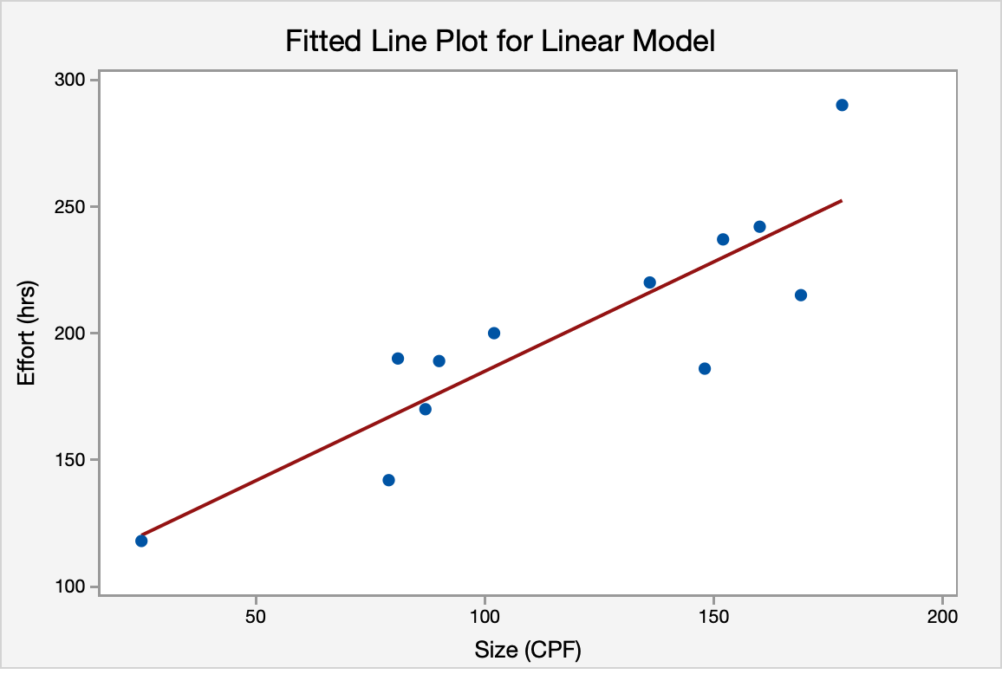

Model Summary
R-sq(adj)
74.22%

Regression Equation
Effort (hrs) = 98.65 + 0.8636 Size (CPF)

MMRE
No | Organization | Platform | Type | Language | Size (CPF) | Effort (hrs) | Estimated effort(hrs) | RE | MRE | MMRE
...

Business-New
...
Outlier detection
Outlier | Test de Grubbs
# of values: |  |  | # of values:
31 |  |  | 31
# of rows w/o data: |  |  | # of rows w/o data:
1 |  |  | 1
Outlier detected? |  |  | Outlier detected?
No |  |  | No

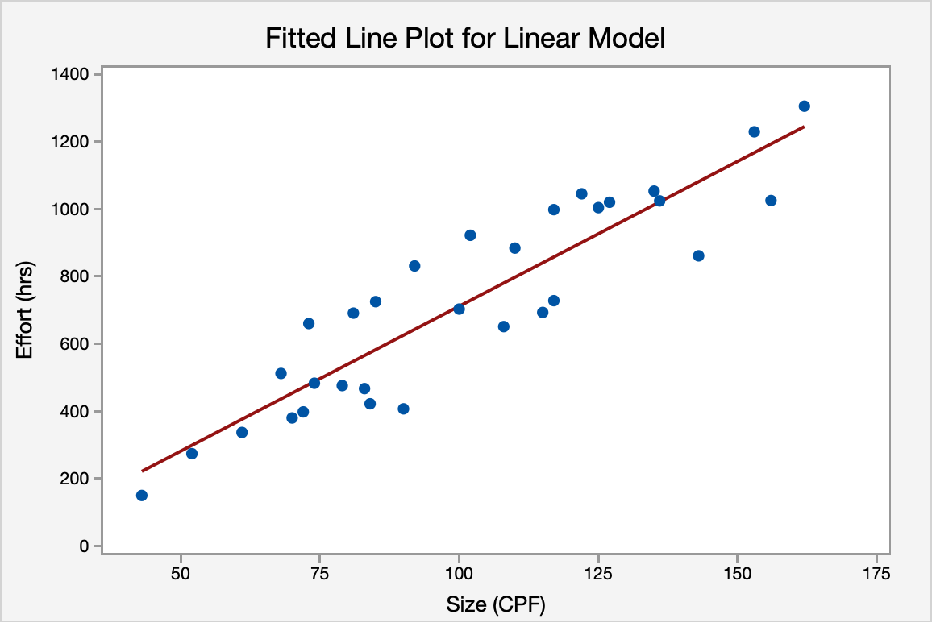

Model Summary
R-sq(adj)
82.33%

Regression Equation
Effort (hrs) = −148.22 + 8.5974 Size (CPF)

MMRE
No | Organization | Platform | Type | Language | Size (CPF) | Effort (hrs) | Estimated effort(hrs) | RE | MRE | MMRE
3 | Business | Stand alone | New Development | C | 43 | 150 | 221.47 | 47.65% | 47.65% | 16.94%
...

Real time
...
Outlier detection
Outlier | Test de Grubbs
# of values: |  |  | # of values:
18 |  |  | 18
# of rows w/o data: |  |  | # of rows w/o data:
1 |  |  | 1
Outlier detected? |  |  | Outlier detected?
No |  |  | No

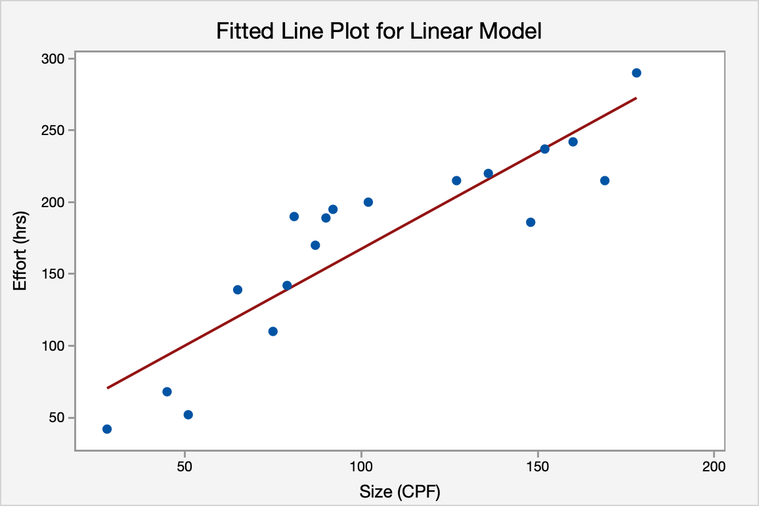

Model Summary
R-sq(adj)
78.78%

Regression Equation
Effort (hrs) = 32.65 + 1.3481 Size (CPF)

MMRE
No | Organization | Platform | Type | Language | Size (CPF) | Effort (hrs) | Estimated effort(hrs) | RE | MRE | MMRE
...

New
...
Outlier detection
Outlier | Test de Grubbs
# of values: |  |  | # of values:
34 |  |  | 34
# of rows w/o data: |  |  | # of rows w/o data:
1 |  |  | 1
Outlier detected? |  |  | Outlier detected?
No |  |  | No

R square
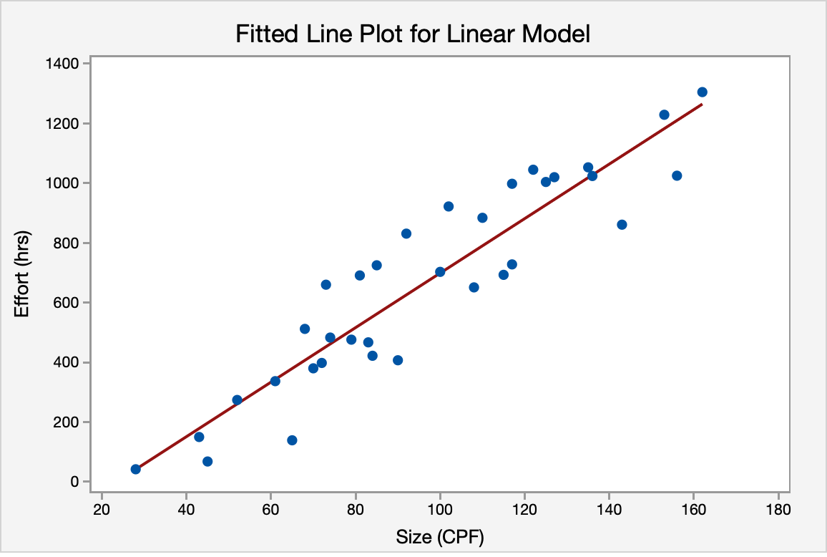

Model Summary
R-sq(adj)
85.22%

Regression Equation
Effort (hrs) = −213.98 + 9.1299 Size (CPF)

MMRE
No | Organization | Platform | Type | Language | Size (CPF) | Effort (hrs) | Estimated effort(hrs) | RE | MRE | MMRE
...

C
...
Outlier detection
Outlier | Test de Grubbs

# of values: |  |  | # of values:
19 |  |  | 19
# of rows w/o data: |  |  | # of rows w/o data:
1 |  |  | 1
Outlier detected? |  |  | Outlier detected?
No |  |  | No

R Square
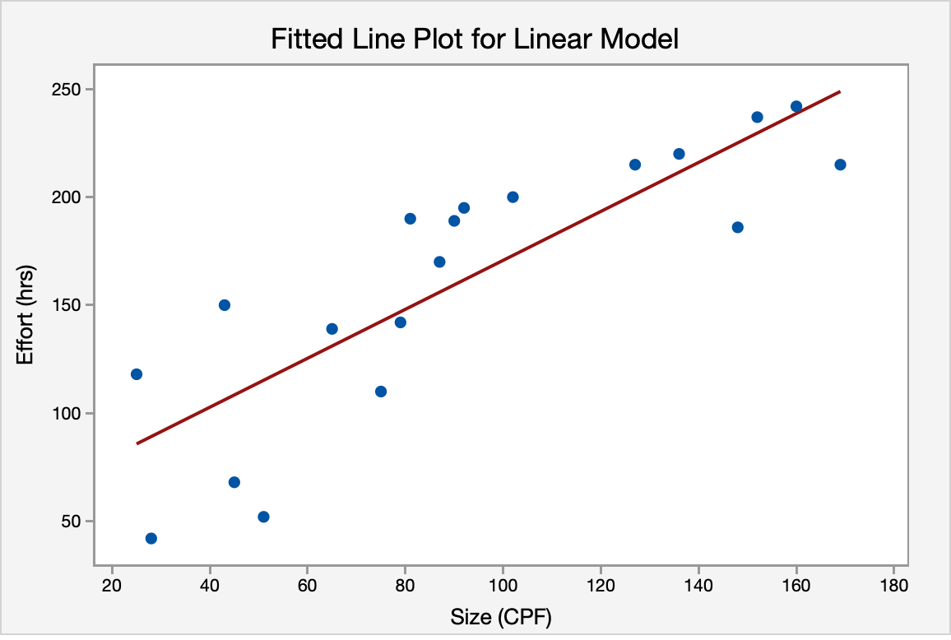

Model Summary
R-sq(adj)
69.01%

Regression Equation
Effort (hrs) = 57.43 + 1.1332 Size (CPF)

MMRE
No | Organization | Platform | Type | Language | Size (CPF) | Effort (hrs) | Estimated effort(hrs) | RE | MRE | MMRE
...

Java
...
Outlier detection
# of values: |  |  | # of values:
42 |  |  | 42
# of rows w/o data: |  |  | # of rows w/o data:
1 |  |  | 1
Outlier detected? |  |  | Outlier detected?
No |  |  | No

R Square
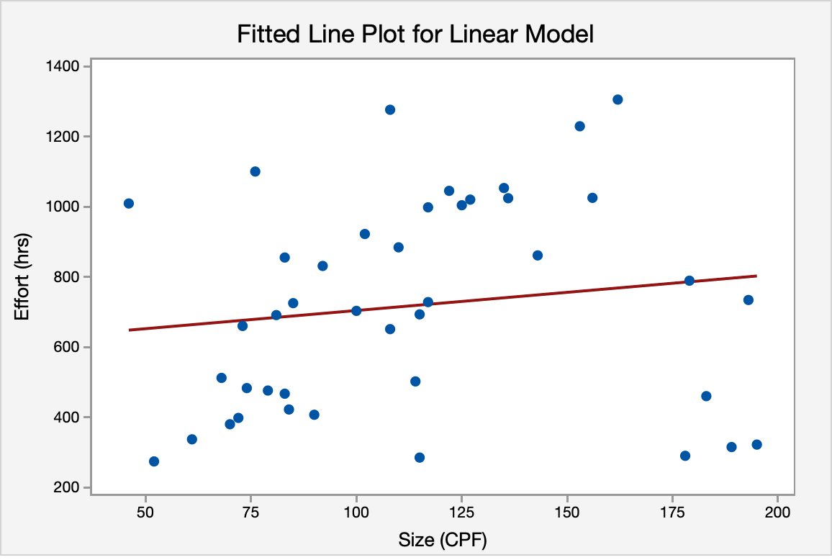

Model Summary
R-sq(adj)
0.00%

Regression Equation
Effort (hrs) = 600.4 + 1.038 Size (CPF)

MMRE
No | Organization | Platform | Type | Language | Size (CPF) | Effort (hrs) | Estimated effort(hrs) | RE | MRE | MMRE
5 | Business | WEB | Maintenance | Java | 46 | 1009 | 648.15 | -35.76% | 35.76% | 46.12%
...

