Sheet1
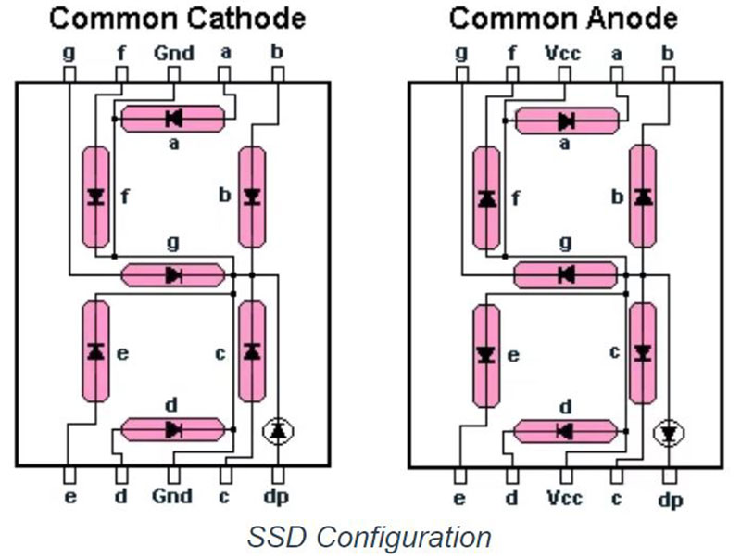
 | lsb |  |  |  |  |  |  | msb
Port - D | 0 | 1 | 2 | 3 | 4 | 5 | 6 | 7
Digit | e | d | g | f | a | b | c | dp |  | HEX
0 | 1 | 1 | 0 | 1 | 1 | 1 | 1 | 0 | = | 7B
1 | 0 | 0 | 0 | 0 | 0 | 1 | 1 | 0 | = | 60
2 | 1 | 1 | 1 | 0 | 1 | 1 | 0 | 0 | = | 37
3 | 0 | 1 | 1 | 0 | 1 | 1 | 1 | 0 | = | 76
4 | 0 | 0 | 1 | 1 | 0 | 1 | 1 | 0 | = | 6C
5 | 0 | 1 | 1 | 1 | 1 | 0 | 1 | 0 | = | 5E
6 | 1 | 1 | 1 | 1 | 1 | 0 | 1 | 0 | = | 5F
7 | 0 | 0 | 0 | 0 | 1 | 1 | 1 | 0 | = | 70
8 | 1 | 1 | 1 | 1 | 1 | 1 | 1 | 0 | = | 7F
9 | 0 | 0 | 1 | 1 | 1 | 1 | 1 | 0 | = | 7C

