Sheet2
Income per month | Spending
100000 | 50000
80000 | 35000
60000 | 29000
45000 | 20000
30000 | 15000

Model Buliding
 | Income per month (x) | Spending (y) | xmean | ymean | x-xmean | y-mean | Product | (x-xmean)^2
 | 100000 | 50000 | 63000 | 29800 | 37000 | 20200 | 747400000 | 1369000000
 | 80000 | 35000 | 63000 | 29800 | 17000 | 5200 | 88400000 | 289000000
 | 60000 | 29000 | 63000 | 29800 | -3000 | -800 | 2400000 | 9000000
 | 45000 | 20000 | 63000 | 29800 | -18000 | -9800 | 176400000 | 324000000
 | 30000 | 15000 | 63000 | 29800 | -33000 | -14800 | 488400000 | 1089000000

Mean | 63000 | 29800 |  |  |  | COVAR | 300600000 | 616000000 | Var

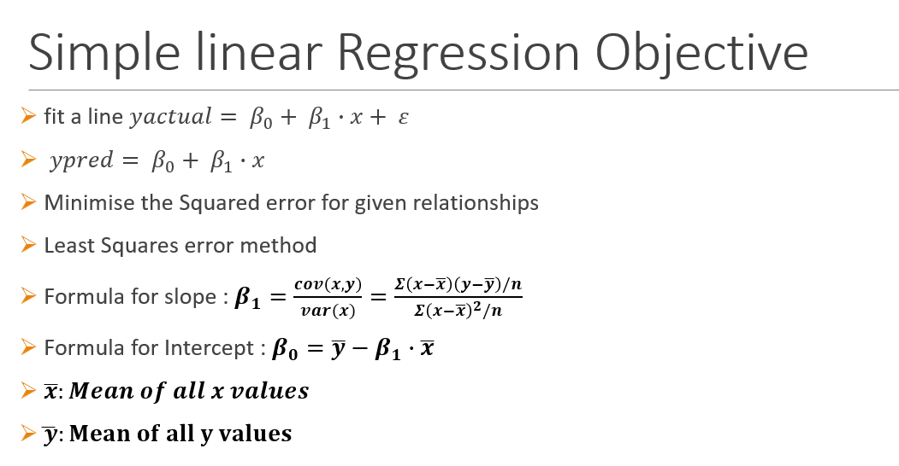
Covar | 300600000 |  |  |  | B1 | 0.48798701299
Var(x) | 616000000 |  |  |  | B0 | -943.18181818

B1 | 0.488 |  |  |  | Income | 20000
B0 | -943.18181818 |  |  |  | Spend Estimate | 8816.56

Spending = B0 + B1*Income

Spending = -943.18 + 0.488*Income

Model Evaluation
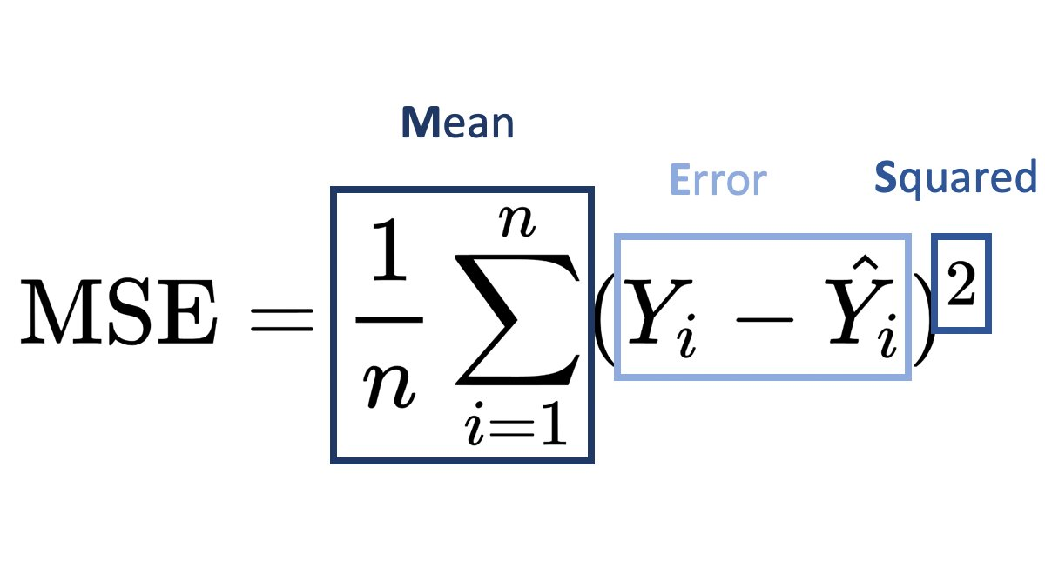
B1 | 0.48798701299 |  | 0.48798701299
B0 | -943.18181818 |  | -943.18181818

 | Income per month (x) | Spending (y) | Ycap | Error | Error^2 | Abs(Error)
 | 100000 | 50000 | 47855.519481 | 2144.48 | 4598796.70 | 2144.4805195
 | 80000 | 35000 | 38095.779221 | -3095.78 | 9583848.98 | 3095.7792208
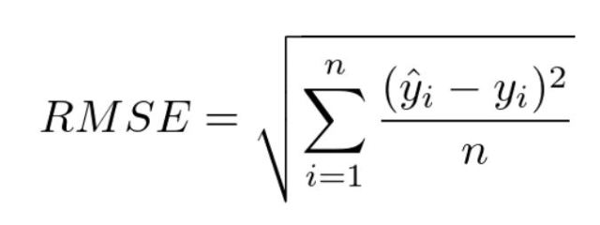
 | 60000 | 29000 | 28336.038961 | 663.96 | 440844.26 | 663.96103896
 | 45000 | 20000 | 21016.233766 | -1016.23 | 1032731.07 | 1016.2337662
 | 30000 | 15000 | 13696.428571 | 1303.57 | 1699298.47 | 1303.5714286

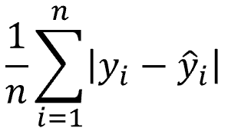
 |  |  |  | 0.00 | 3471103.90 | 1644.8051948
 |  |  |  |  | MSE (Mean Squared Error) | MAE

 |  |  |  |  | 1863.0898787
 |  |  |  |  | RMSE

 | Income per month (x) | Spending (y) | Ycap | Error | Error^2 | (Y-ymean)^2
 | 100000 | 50000 | 47855.519481 | 2144.48 | 4598796.70 | 408040000
 | 80000 | 35000 | 38095.779221 | -3095.78 | 9583848.98 | 27040000
 | 60000 | 29000 | 28336.038961 | 663.96 | 440844.26 | 640000
 | 45000 | 20000 | 21016.233766 | -1016.23 | 1032731.07 | 96040000
 | 30000 | 15000 | 13696.428571 | 1303.57 | 1699298.47 | 219040000

 | Average | 29800 |  | RSS | 17355519.48 | 750800000 | TSS

 |  |  |  | R2 | 0.9769

