String Methods(47)
Category | Method | Description | Arguments | Return Type | Example
🔠 Case Conversion Methods | capitalize() | Capitalizes first character | None | str | 'hello'.capitalize() → 'Hello'
 | casefold() | Converts string into lower case | None | str | 'HeLLo'.casefold() → 'hello'
 | lower() | Converts all characters to lowercase | None | str | 'HELLO'.lower() → 'hello'
 | upper() | Converts all characters to uppercase | None | str | 'hello'.upper() → 'HELLO'
 | swapcase() | Swaps case of each character | None | str | 'Hello'.swapcase() → 'hELLO'
 | title() | Title-cases the string | None | str | 'hello world'.title() → 'Hello World'
📐 Alignment Methods | center(width) | Centers string in field of given width | int | str | 'hi'.center(5) → ' hi '
 | center(width, fillchar) |  | int, str (1-char) | str | 'hi'.center(5, '*') → '*hi*' | -9 | -8 | -7 | -6 | -5 | -4 | -3 | -2 | -1
 | ljust(width) | Left-justifies string | int | str | 'hi'.ljust(5) → 'hi ' | C | h | a | i | t | a | n | y | a
 | ljust(width, fillchar) |  | int, str (1-char) | str | 'hi'.ljust(5, '-') → 'hi---' | 0 | 1 | 2 | 3 | 4 | 5 | 6 | 7 | 8
 | rjust(width) | Right-justifies string | int | str | 'hi'.rjust(5) → ' hi'
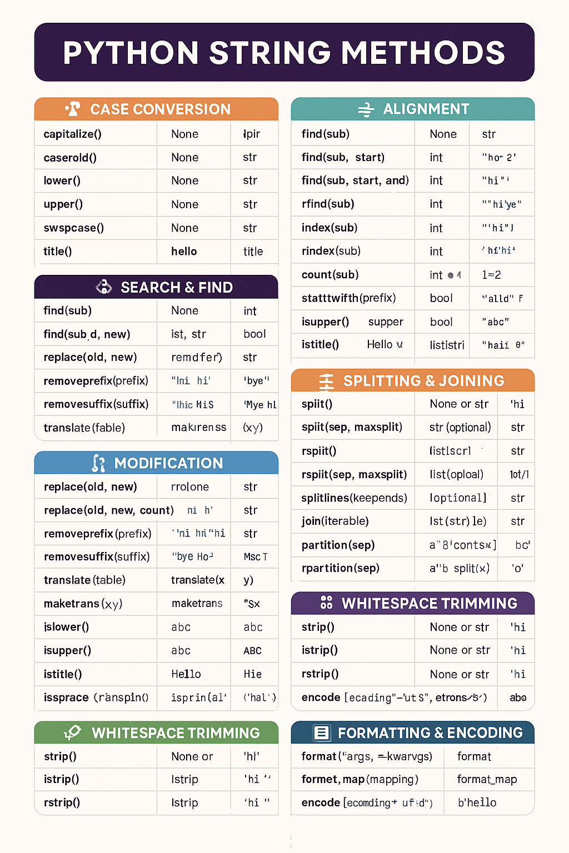
 | rjust(width, fillchar) |  | int, str (1-char) | str | 'hi'.rjust(5, '0') → '000hi'
 | zfill(width) | Pads string with zeros from the left | int | str | '42'.zfill(5) → '00042'
🔍 Search & Find Methods | find(sub) | Finds first occurrence | str | int | 'hello'.find('l') → 2
 | find(sub, start) |  | str, int | int | 'hello'.find('l', 3) → 3
 | find(sub, start, end) |  | str, int, int | int | 'hello'.find('l', 0, 2) → -1
 | rfind(sub) | Finds last occurrence | str | int | 'hello'.rfind('l') → 3
 | index(sub) | Like find() but raises error if not found | str | int | 'hello'.index('e') → 1
 | rindex(sub) | Like rfind() but raises error if not found | str | int | hello'.rindex('l') → 3
 | count(sub) | Counts occurrences of a substring | str | int | 'banana'.count('a') → 3
 | startswith(prefix) | Checks if string starts with substring | str or tuple | bool | 'hello'.startswith('he') → True
 | endswith(suffix) | Checks if string ends with substring | str or tuple | bool | 'hello'.endswith('lo') → True
✅ Validation Methods (Returns Boolean) | isalnum() | Checks alphanumeric | None | bool | 'abc123'.isalnum() → True
 | isalpha() | Checks if all alphabetic | None | bool | 'abc'.isalpha() → True
 | isdigit() | Checks if all digits | None | bool | '123'.isdigit() → True
 | isdecimal() | Checks if all decimal characters | None | bool | '123'.isdecimal() → True
 | isnumeric() | Checks if all numeric | None | bool | 'Ⅷ'.isnumeric() → True
 | isascii() | Checks if all characters are ASCII | None | bool | 'abc'.isascii() → True
 | isidentifier() | Checks if valid Python identifier | None | bool | 'var_1'.isidentifier() → True
 | islower() | Checks if all characters are lowercase | None | bool | 'abc'.islower() → True
 | isupper() | Checks if all characters are uppercase | None | bool | 'ABC'.isupper() → True
 | istitle() | Checks if string is title cased | None | bool | 'Hello World'.istitle() → True
 | isspace() | Checks if all characters are whitespace | None | bool | ' '.isspace() → True
 | isprintable() |  | None | bool | 'hello\n'.isprintable() → False
🔧 Modification/Manipulation Methods | replace(old, new) | Replace all occurrences of a substring. | str, str | str | 'hi hi'.replace('hi', 'bye') → 'bye bye'
 | replace(old, new, count) | Replace up to count occurrences of a substring. | str, str, int | str | 'hi hi'.replace('hi', 'bye', 1) → 'bye hi'
 | removeprefix(prefix) | Remove a prefix if present. | str | str | 'TestHook'.removeprefix('Test') → 'Hook'
 | removesuffix(suffix) | Remove a suffix if present | str | str | 'MiscTests'.removesuffix('Tests') → 'Misc'
 | translate(table) | Replace characters using a translation table | dict or map | str | 'abc'.translate({97: 120}) → 'xbc'
 | maketrans(x, y) | Create a translation table for use with translate() | str, str | dict | str.maketrans('a', 'b') → {97: 98}
 | expandtabs(tabsize) | Replace tabs with spaces | int (optional) | str | '1\t2'.expandtabs(4) → '1 2'
📎Splitting & Joining Methods | split() | Splits on separator | None | list[str] | 'a b c'.split() → ['a', 'b', 'c']
 | split(sep, maxsplit) |  | str, int | list[str] | 'a,b,c'.split(',', 1) → ['a', 'b,c']
 | rsplit() | Splits from the right | None | list[str] | 'a b c'.rsplit() → ['a', 'b', 'c']
 | rsplit(sep, maxsplit) |  | str, int | list[str] | 'a,b,c'.rsplit(',', 1) → ['a,b', 'c']
 | splitlines() | Splits at line breaks | bool | list[str] | 'a\nb'.splitlines() → ['a', 'b']
 | join(iterable) | Joins elements of iterable with string | Iterable[str] | str | ' '.join(['a', 'b']) → 'a b'
 | partition(sep) | Splits at first occurrence | str | tuple[str,str,str] | 'a=b'.partition('=') → ('a', '=', 'b')
 | rpartition(sep) | Splits at last occurrence | str | tuple[str,str,str] | 'a=b=c'.rpartition('=') → ('a=b', '=', 'c')
🧹 Whitespace Trimming Methods | strip() | Removes leading/trailing whitespace | None or str | str | ' hi '.strip() → 'hi'
 | lstrip() | Removes leading characters | None or str | str | ' hi'.lstrip() → 'hi'
 | rstrip() | Removes trailing characters | None or str | str | 'hi '.rstrip() → 'hi'
🧾 Formatting & Encoding Methods | format(*args, **kwargs) | Formats string | any | str | 'Hello {}'.format('World') → 'Hello World'
 | format_map(mapping) | Formats using a mapping object | dict-like | str | 'Hello {name}'.format_map({'name': 'Tom'}) → 'Hello Tom'
 | encode(encoding='utf-8', errors='strict') | Encodes string to bytes | str (optional), str (optional) | bytes | 'hello'.encode() → b'hello'

