SparkSession
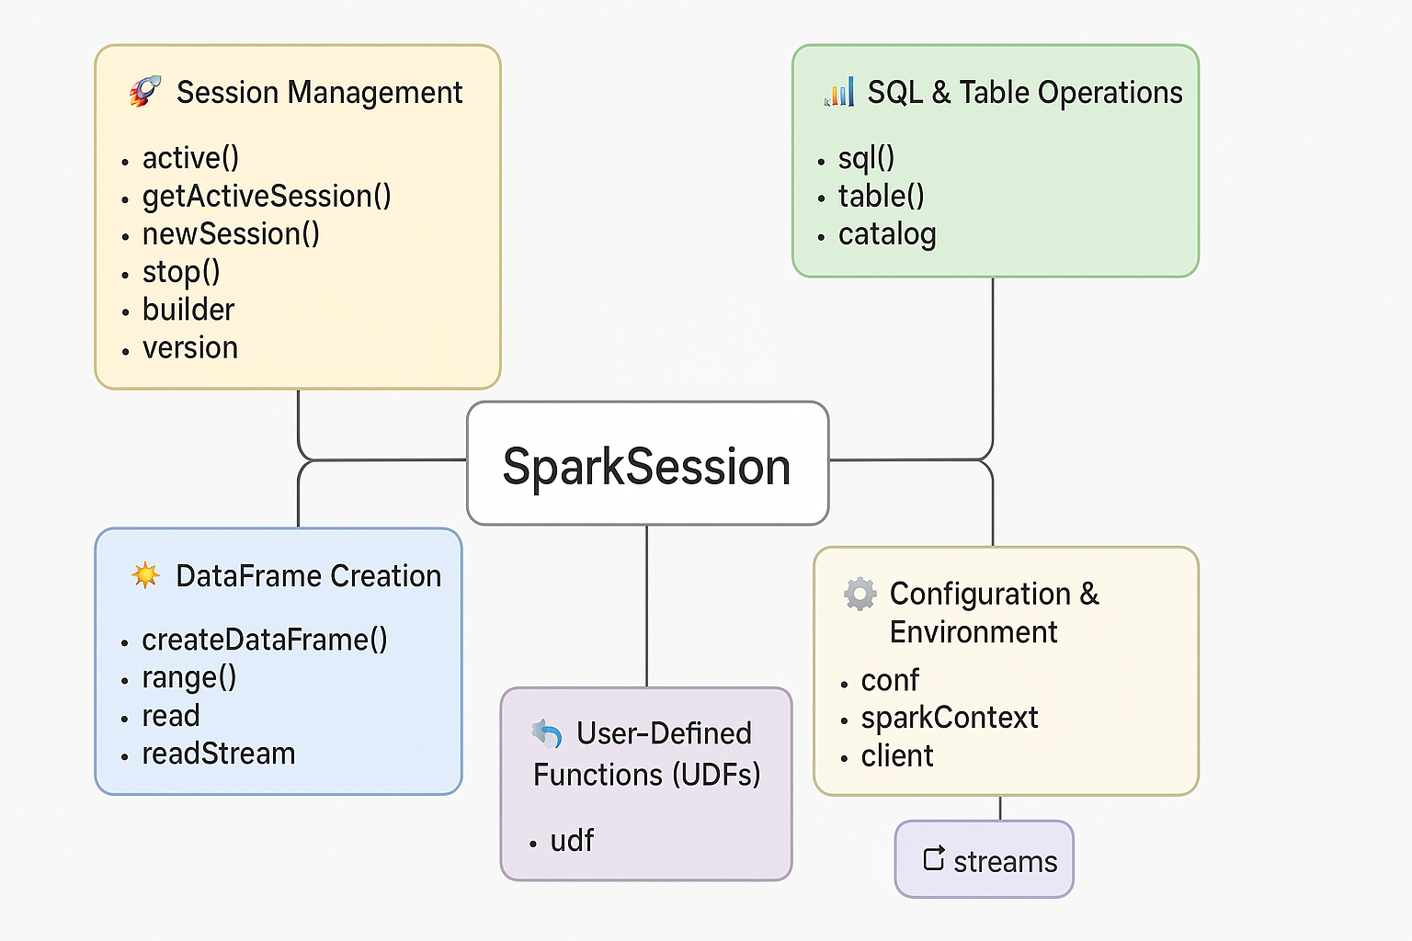
🚀 Session Management | builder | → Builder
 | active()
 | getActiveSession()
 | newSession()
 | stop()
 | version

🛠️ DataFrame Creation (To create DataFrames programmatically) | createDataFrame()
 | range()
 | read (for reading data into DataFrames) | → pyspark.sql.readwriter.DataFrameReader
 | readStream (for streaming DataFrames) | → pyspark.sql.streaming.DataStreamReader

📊 SQL & Table Operations | sql()
 | table()
 | catalog | → pyspark.sql.catalog.Catalog

🔧 Configuration & Environment Attributes providing access to Spark configuration and environment | conf | → RuntimeConfig
 | sparkContext | → SparkContext
 | client

🧠 User-Defined Functions (UDFs) For registering and working with custom UDFs | udf | → UDFRegistration

🔄 Streaming Operations Tools to manage and monitor structured streaming | streams

GroupedData
Created by DataFrame.groupBy() → pyspark.sql.group.GroupedData

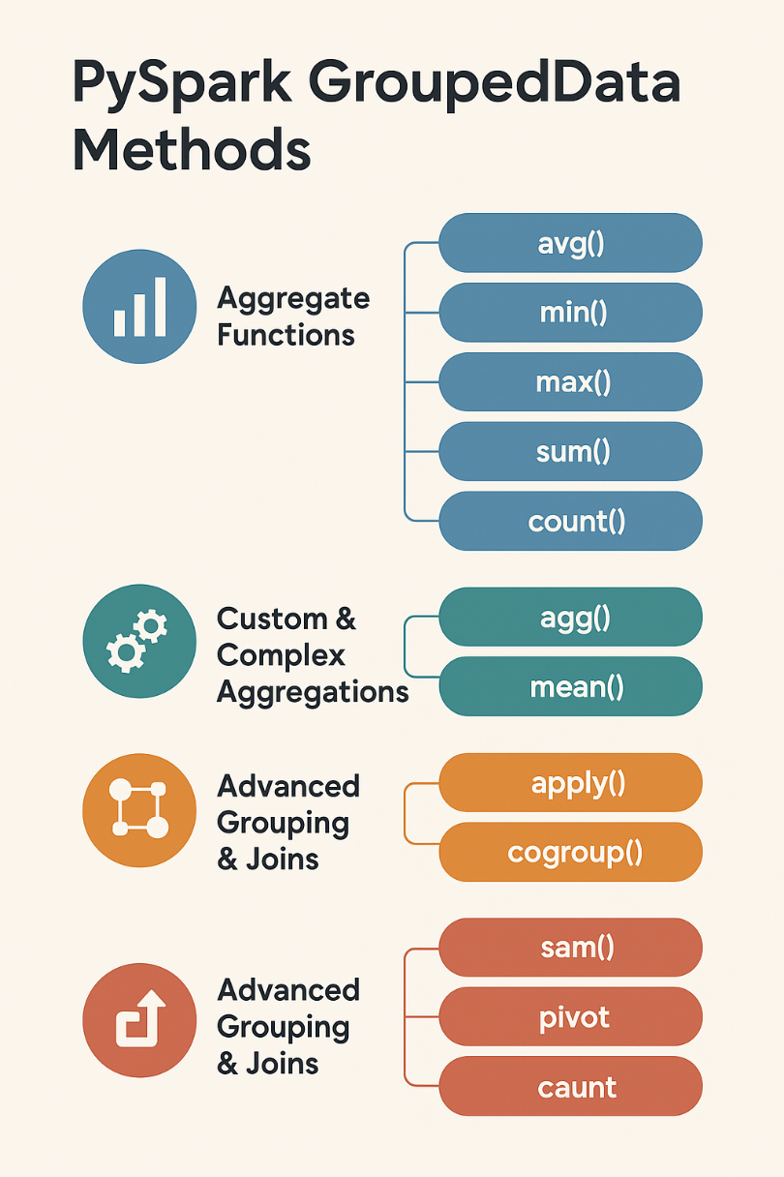
📊 Aggregate Functions (Simple Aggregations) ⁞⁞ Shorthand methods to perform common aggregations on grouped data | avg()
 | min()
 | max()
 | sum()
 | count()

🧠 Custom & Complex Aggregations ⁞⁞ More advanced or multiple aggregations | agg() | Supports multiple column-wise aggregations (can combine min, max, sum, etc.)
 | mean() | Alias for avg(), included for flexibility
 | apply() | Used with Pandas UDFs for grouped map operations (available with Arrow enabled)

🔗 Advanced Grouping & Joins ⁞⁞ Used for cross-group operations or restructuring the output | pivot() | Pivot a column’s values into separate columns (i.e., wide format)
 | cogroup() | Co-group two grouped datasets (used with Pandas UDFs)

Window
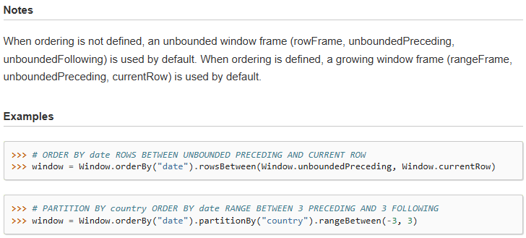
pyspark.sql.window.Window (Utility functions for defining window in DataFrames)
Category | Method | Syntax | Short Description | Arguments | Returns | Simple Example
🪟 Window Partitioning & Ordering (These methods define the window specification) | partitionBy() | Window.partitionBy(*cols) | Defines how to partition the data before applying window functions. | - *cols (str or Column): One or more columns to partition by. | WindowSpec | Window.partitionBy("department")
 | orderBy() | Window.orderBy(*cols) | Specifies the ordering of rows within each partition. | - *cols (str or Column): One or more columns to order by. | WindowSpec | Window.orderBy(col("salary").desc())
 | rowsBetween() | Window.rowsBetween(start, end) | Defines a frame of rows relative to the current row. | - start (int): Start offset (e.g., -1).- end (int): End offset (e.g., 1). | WindowSpec | Window.orderBy("date").rowsBetween(-1, 1)
 | rangeBetween() | Window.rangeBetween(start, end) | Defines a frame based on a range of values relative to the current row. | - start (int): Lower bound of the range.- end (int): Upper bound of the range. | WindowSpec | Window.orderBy("salary").rangeBetween(-1000, 1000)
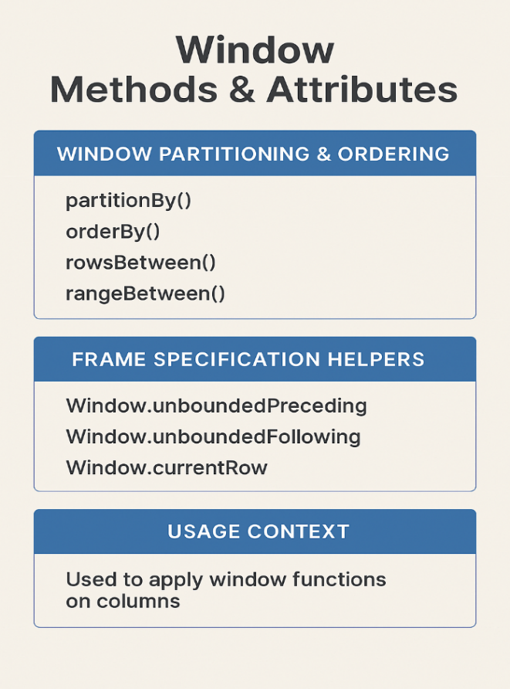
 | Attributes |  |  | from pyspark.sql import SparkSession from pyspark.sql.window import Window from pyspark.sql.functions import sum, col # Create SparkSession spark = SparkSession.builder.appName("WindowFunctionExample").getOrCreate() # Sample data data = [ ("Sales", "Alice", 2023, 1000), ("Sales", "Alice", 2024, 1500), ("Sales", "Bob", 2023, 1200), ("Sales", "Bob", 2024, 1300), ("HR", "Carol", 2023, 1100), ("HR", "Carol", 2024, 1400), ] columns = ["department", "employee", "year", "salary"] df = spark.createDataFrame(data, columns) # Define WindowSpec with multiple columns in partitionBy and orderBy window_spec = Window.partitionBy("department", "employee").orderBy("year") # Apply sum() over the window df_with_running_total = df.withColumn( "running_total", sum("salary").over(window_spec) ) df_with_running_total.show()
🛠️ Frame Specification Helpers (Constants used within rowsBetween() and rangeBetween()) | Window.unboundedPreceding | Start from the first row in the partition
 | Window.unboundedFollowing | Go until the last row in the partition
 | Window.currentRow | Refers to the current row

🔁 Usage Context These aren’t callable methods but are used to apply window functions on columns: These window specs are passed to functions like row_number().over(windowSpec), rank().over(...), etc.

