Male RI 10 min
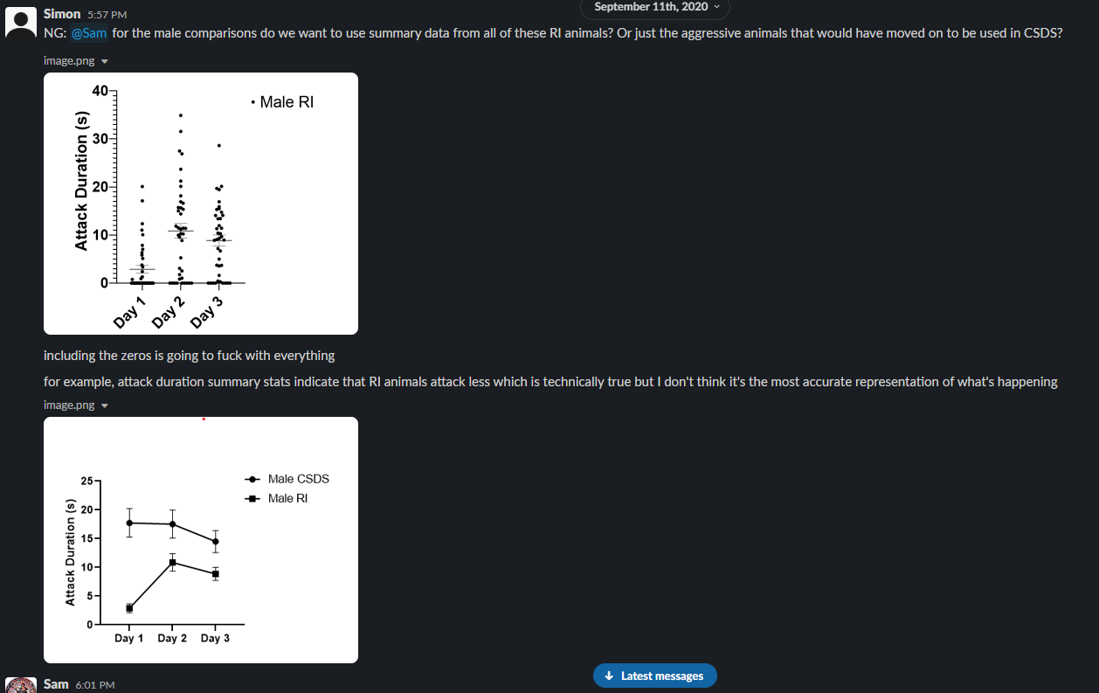
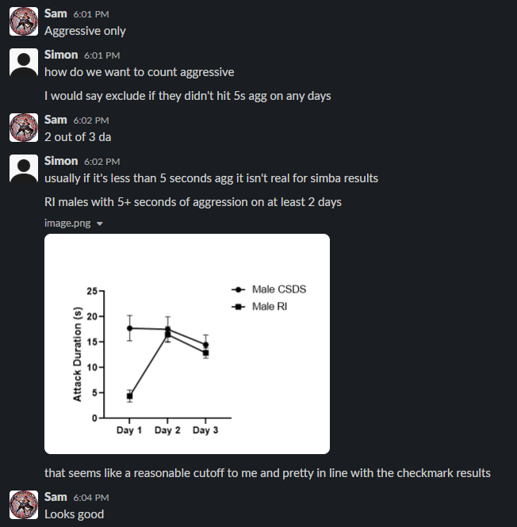
 |  |  |  | attack 10 min |  |  |  | Anogenital sniffing 1st half |  |  |  | escape 10 min |  |  |  | defensive 10 min |  |  |  | pursuit 10 min
Video | exclude? (keep if >5s agg on at least two days) | Animal_ID | Day | ATTACK total bouts | ATTACK average bout length | ATTACK average event interval | Attack total duration | Event count | Mean event duration (s) | Mean event interval (s) | Total event duration (s) | total bouts | average bout length | average event interval | duration | total bouts | average bout length | average event interval | duration | total bouts | average bout length | average event interval | Pursuit DURATION
RI_01_82 |  | 82 | 1 | 2 | 2.667 | 210.733 | 5.333 | 34 | 1.03 | 15.719 | 35.033 | 1 | 0.067 | 600 | 0.067 | 5 | 0.433 | 59.875 | 2.167 | 46 | 0.428 | 11.824 | 19.7
RI_01_84 |  | 84 | 1 | 25 | 0.635 | 4.208 | 15.867 | 59 | 1.663 | 7.908 | 98.133 | 1 | 0.1 | 600 | 0.1 | 27 | 0.505 | 3.931 | 13.633 | 28 | 0.464 | 18.217 | 13
RI_01_85 |  | 85 | 1 | 26 | 1.399 | 16.353 | 36.367 | 40 | 1.442 | 12.233 | 57.667 | 18 | 0.917 | 29.075 | 16.5 | 35 | 0.783 | 12.273 | 27.4 | 53 | 0.517 | 9.758 | 27.4
RI_01_87 |  | 87 | 1 | 2 | 0.633 | 99.3 | 1.267 | 25 | 1.685 | 20.347 | 42.133 | 2 | 0.833 | 77.967 | 1.667 | 3 | 1.878 | 119.067 | 5.633 | 31 | 0.478 | 16.118 | 14.833
RI_01_88 |  | 88 | 1 | 21 | 1.365 | 15.41 | 28.667 | 51 | 1.08 | 7.621 | 55.1 | 41 | 0.649 | 12.346 | 26.6 | 34 | 0.633 | 9.234 | 21.533 | 92 | 0.585 | 5.253 | 53.8
RI_01_89 |  | 89 | 1 | 54 | 0.923 | 9.382 | 49.833 | 27 | 1.259 | 17.456 | 34 | 45 | 0.536 | 11.805 | 24.1 | 54 | 0.586 | 9.753 | 31.667 | 75 | 0.45 | 7.205 | 33.767
RI_01_90 |  | 90 | 1 | 24 | 1.474 | 21.167 | 35.367 | 12 | 1.389 | 30.021 | 16.667 | 25 | 0.916 | 21.501 | 22.9 | 28 | 0.667 | 18.619 | 18.667 | 45 | 0.585 | 11.799 | 26.333
RI_01_91 |  | 91 | 1 | 27 | 0.791 | 8.626 | 21.367 | 24 | 1.386 | 20.474 | 33.267 | 37 | 0.431 | 6.378 | 15.933 | 27 | 0.549 | 8.868 | 14.833 | 53 | 0.574 | 10.135 | 30.433
RI_01_92 |  | 92 | 1 | 14 | 1.819 | 22.415 | 25.467 | 59 | 0.806 | 9.029 | 47.567 | 4 | 0.367 | 69.656 | 1.467 | 19 | 1.144 | 16.417 | 21.733 | 47 | 0.479 | 11.709 | 22.5
RI_01_94 |  | 94 | 1 | 47 | 0.946 | 9.049 | 44.467 | 9 | 3.456 | 29.329 | 31.1 | 50 | 0.525 | 9.759 | 26.233 | 47 | 0.655 | 9.67 | 30.767 | 80 | 0.567 | 6.08 | 45.333
RI_01_95 |  | 95 | 1 | 12 | 2.578 | 41.979 | 30.933 | 25 | 1.515 | 21.331 | 37.867 | 25 | 1.064 | 21.614 | 26.6 | 9 | 1.081 | 48.442 | 9.733 | 58 | 0.571 | 9.104 | 33.1
RI_01_96 |  | 96 | 1 | 26 | 1.187 | 13.859 | 30.867 | 39 | 1.359 | 13.869 | 53 | 38 | 0.73 | 13.63 | 27.733 | 25 | 0.735 | 15.178 | 18.367 | 62 | 0.585 | 8.721 | 36.267
RI_01_97 |  | 97 | 1 | 2 | 4.883 | 234.233 | 9.767 | 54 | 1.291 | 9.062 | 69.733 | 10 | 1.907 | 57.17 | 19.067 | 3 | 3.522 | 116.133 | 10.567 | 50 | 0.484 | 10.749 | 24.2
RI_01_98 |  | 98 | 1 | 12 | 2.197 | 35.824 | 26.367 | 7 | 2.248 | 71.711 | 15.733 | 6 | 2.017 | 85.213 | 12.1 | 17 | 1.247 | 24.977 | 21.2 | 27 | 0.575 | 16.597 | 15.533
RI_01_99 |  | 99 | 1 | 3 | 0.6 | 86.817 | 1.8 | 32 | 1.177 | 15.577 | 37.667 | 18 | 0.783 | 32.394 | 14.1 | 4 | 0.458 | 95.611 | 1.833 | 48 | 0.525 | 11.529 | 25.2
RI_01_100 |  | 100 | 1 | 1 | 0.833 | 600 | 0.833 | 24 | 1.646 | 19.926 | 39.5 | 1 | 0.067 | 600 | 0.067 | 4 | 2.092 | 84.989 | 8.367 | 12 | 0.686 | 39.952 | 8.233
RI_01_101 |  | 101 | 1 | 23 | 0.655 | 4.48 | 15.067 | 45 | 1.393 | 9.886 | 62.667 | 31 | 0.37 | 7.21 | 11.467 | 31 | 0.356 | 4.171 | 11.033 | 68 | 0.62 | 4.881 | 42.167
RI_01_102 |  | 102 | 1 | 14 | 1.81 | 27.585 | 25.333 | 5 | 2.973 | 21.1 | 14.867 | 15 | 0.884 | 26.293 | 13.267 | 18 | 0.985 | 21.524 | 17.733 | 26 | 0.673 | 19.716 | 17.5
RI_01_103 |  | 103 | 1 | 15 | 1.364 | 30.507 | 20.467 | 14 | 2.012 | 25.482 | 28.167 | 19 | 1.221 | 10.048 | 23.2 | 13 | 0.928 | 14.969 | 12.067 | 48 | 0.517 | 10.552 | 24.8
RI_01_105 |  | 105 | 1 | 17 | 0.9 | 4.41 | 15.3 | 13 | 1.154 | 41.181 | 15 | 21 | 0.737 | 11.685 | 15.467 | 18 | 0.524 | 4.596 | 9.433 | 29 | 0.683 | 13.232 | 19.8
RI_01_107 |  | 107 | 1 | 33 | 1.297 | 11.913 | 42.8 | 11 | 2.688 | 46.447 | 29.567 | 50 | 0.601 | 8.993 | 30.033 | 43 | 0.474 | 9.478 | 20.4 | 65 | 0.646 | 8.594 | 41.967
RI_01_109 |  | 109 | 1 | 26 | 0.578 | 4.284 | 15.033 | 24 | 2.153 | 16.283 | 51.667 | 20 | 0.873 | 25.574 | 17.467 | 26 | 0.482 | 4.267 | 12.533 | 39 | 0.619 | 14.441 | 24.133
RI_01_110 |  | 110 | 1 | 0 | 0 |  | 0 | 48 | 1.197 | 9.943 | 57.433 | 1 | 0.1 | 600 | 0.1 | 1 | 0.1 | 600 | 0.1 | 14 | 0.619 | 38.369 | 8.667
RI_01_114 |  | 114 | 1 | 27 | 0.993 | 19.745 | 26.8 | 19 | 1.439 | 29.235 | 27.333 | 27 | 0.607 | 19.974 | 16.4 | 26 | 0.591 | 20.881 | 15.367 | 39 | 0.55 | 14.642 | 21.433
RI_02_82 |  | 82 | 2 | 46 | 0.864 | 10.983 | 39.733 | 40 | 0.846 | 12.762 | 33.833 | 58 | 0.536 | 8.781 | 31.067 | 51 | 0.583 | 9.995 | 29.733 | 78 | 0.677 | 6.305 | 52.833
RI_02_84 |  | 84 | 2 | 23 | 1.709 | 19.067 | 39.3 | 27 | 1.917 | 19.271 | 51.767 | 28 | 0.921 | 16.72 | 25.8 | 20 | 0.918 | 22.839 | 18.367 | 45 | 0.749 | 10.145 | 33.7
RI_02_85 |  | 85 | 2 | 19 | 1.714 | 26.546 | 32.567 | 49 | 1.366 | 10.342 | 66.933 | 21 | 0.992 | 24.082 | 20.833 | 16 | 1.11 | 27.051 | 17.767 | 43 | 0.609 | 11.403 | 26.167
RI_02_87 |  | 87 | 2 | 67 | 1.271 | 7.452 | 85.133 | 12 | 0.739 | 42.63 | 8.867 | 56 | 0.517 | 9.278 | 28.933 | 62 | 0.718 | 8.651 | 44.5 | 73 | 0.532 | 7.78 | 38.8
RI_02_88 |  | 88 | 2 | 20 | 2.487 | 26.853 | 49.733 | 6 | 1.039 | 84.4 | 6.233 | 21 | 1.052 | 26.712 | 22.1 | 35 | 0.836 | 15.421 | 29.267 | 41 | 0.585 | 13.328 | 23.967
RI_02_89 |  | 89 | 2 | 52 | 1.014 | 9.927 | 52.733 | 6 | 1.383 | 115.22 | 8.3 | 48 | 0.497 | 11.84 | 23.833 | 47 | 0.701 | 11.74 | 32.967 | 72 | 0.497 | 7.693 | 35.767
RI_02_90 |  | 90 | 2 | 26 | 1.099 | 15.612 | 28.567 | 15 | 1.287 | 28.374 | 19.3 | 31 | 0.691 | 13.498 | 21.433 | 20 | 0.785 | 21.186 | 15.7 | 43 | 0.604 | 11.853 | 25.967
RI_02_91 |  | 91 | 2 | 45 | 1.044 | 11.705 | 46.967 | 21 | 0.96 | 26.107 | 20.167 | 40 | 0.606 | 13.268 | 24.233 | 52 | 0.651 | 10.151 | 33.867 | 66 | 0.512 | 8.418 | 33.8
RI_02_92 |  | 92 | 2 | 74 | 0.814 | 6.754 | 60.2 | 14 | 0.893 | 34.133 | 12.5 | 21 | 0.551 | 25.838 | 11.567 | 77 | 0.606 | 6.668 | 46.667 | 43 | 0.46 | 13.123 | 19.767
RI_02_94 |  | 94 | 2 | 60 | 0.916 | 8.944 | 54.933 | 10 | 1.733 | 45.919 | 17.333 | 70 | 0.598 | 7.771 | 41.867 | 53 | 0.594 | 10.738 | 31.467 | 91 | 0.568 | 5.99 | 51.733
RI_02_95 |  | 95 | 2 | 43 | 0.833 | 12.737 | 35.8 | 22 | 1.344 | 24.887 | 29.567 | 77 | 0.483 | 7.281 | 37.2 | 46 | 0.567 | 12.063 | 26.1 | 110 | 0.589 | 4.866 | 64.833
RI_02_96 |  | 96 | 2 | 39 | 1.202 | 13.818 | 46.867 | 32 | 1.416 | 16.989 | 45.3 | 67 | 0.623 | 8.148 | 41.733 | 39 | 0.807 | 14.235 | 31.467 | 80 | 0.627 | 6.778 | 50.133
RI_02_97 |  | 97 | 2 | 34 | 1.089 | 15.127 | 37.033 | 6 | 1.817 | 49.073 | 10.9 | 28 | 0.852 | 18.864 | 23.867 | 32 | 0.596 | 16.601 | 19.067 | 39 | 0.663 | 13.593 | 25.867
RI_02_98 |  | 98 | 2 | 23 | 1.959 | 24.786 | 45.067 | 12 | 2.033 | 30.515 | 24.4 | 26 | 1.223 | 22.272 | 31.8 | 33 | 0.912 | 16.591 | 30.1 | 63 | 0.552 | 8.98 | 34.8
RI_02_99 |  | 99 | 2 | 42 | 1.019 | 10.802 | 42.8 | 2 | 7.067 | 268.967 | 14.133 | 52 | 0.608 | 8.895 | 31.6 | 48 | 0.601 | 9.814 | 28.833 | 53 | 0.868 | 8.469 | 46
RI_02_100 |  | 100 | 2 | 35 | 1.251 | 15.562 | 43.8 | 18 | 1.513 | 30.706 | 27.233 | 85 | 0.442 | 6.598 | 37.567 | 34 | 0.647 | 16.69 | 22 | 106 | 0.645 | 4.989 | 68.367
RI_02_101 |  | 101 | 2 | 54 | 0.773 | 9.079 | 41.767 | 11 | 1.418 | 39.343 | 15.6 | 58 | 0.455 | 8.686 | 26.4 | 48 | 0.538 | 10.701 | 25.8 | 64 | 0.701 | 7.609 | 44.833
RI_02_102 |  | 102 | 2 | 49 | 1.227 | 9.685 | 60.1 | 0 | 0 |  | 0 | 20 | 0.77 | 26.535 | 15.4 | 63 | 0.648 | 7.802 | 40.833 | 44 | 0.502 | 11.622 | 22.067
RI_02_103 |  | 103 | 2 | 30 | 1.12 | 18.091 | 33.6 | 6 | 1.211 | 103.493 | 7.267 | 35 | 0.461 | 16.196 | 16.133 | 31 | 0.677 | 17.777 | 21 | 49 | 0.486 | 11.56 | 23.833
RI_02_105 |  | 105 | 2 | 28 | 1.351 | 13.156 | 37.833 | 15 | 0.844 | 29.988 | 12.667 | 37 | 0.717 | 10.477 | 26.533 | 29 | 0.625 | 13.179 | 18.133 | 58 | 0.555 | 8.709 | 32.167
RI_02_107 |  | 107 | 2 | 27 | 1.473 | 21.05 | 39.767 | 7 | 2.324 | 82.867 | 16.267 | 25 | 0.708 | 22.163 | 17.7 | 29 | 0.769 | 20.026 | 22.3 | 40 | 0.615 | 14.699 | 24.6
RI_02_109 |  | 109 | 2 | 23 | 1.328 | 5.005 | 30.533 | 8 | 3.275 | 69.833 | 26.2 | 18 | 1.339 | 22.853 | 24.1 | 24 | 0.585 | 5.312 | 14.033 | 35 | 0.756 | 11.881 | 26.467
RI_02_110 |  | 110 | 2 | 35 | 1.216 | 10.49 | 42.567 | 9 | 1.656 | 16.417 | 14.9 | 46 | 0.58 | 9.779 | 26.667 | 41 | 0.675 | 9.296 | 27.667 | 61 | 0.685 | 7.099 | 41.767
RI_02_114 |  | 114 | 2 | 34 | 1.097 | 16.517 | 37.3 | 8 | 1.779 | 41.257 | 14.233 | 35 | 0.646 | 16.459 | 22.6 | 35 | 0.696 | 16.381 | 24.367 | 46 | 0.558 | 12.367 | 25.667
RI_03_82 |  | 82 | 3 | 29 | 0.993 | 18.705 | 28.8 | 40 | 1.182 | 13.685 | 47.3 | 42 | 0.745 | 12.78 | 31.3 | 28 | 0.733 | 19.686 | 20.533 | 68 | 0.509 | 7.798 | 34.633
RI_03_84 |  | 84 | 3 | 17 | 2.129 | 25.092 | 36.2 | 41 | 1.464 | 10.529 | 60.033 | 20 | 1.183 | 23.8 | 23.667 | 21 | 0.908 | 20.835 | 19.067 | 41 | 0.585 | 11.337 | 24
RI_03_85 |  | 85 | 3 | 25 | 1.496 | 20.363 | 37.4 | 4 | 1.5 | 190.933 | 6 | 28 | 1.073 | 18.357 | 30.033 | 25 | 0.853 | 20.76 | 21.333 | 43 | 0.774 | 12.658 | 33.3
RI_03_87 |  | 87 | 3 | 32 | 1.511 | 15.252 | 48.367 | 3 | 2.289 | 157.817 | 6.867 | 33 | 0.596 | 15.652 | 19.667 | 38 | 0.737 | 13.271 | 28 | 37 | 0.648 | 13.809 | 23.967
RI_03_88 |  | 88 | 3 | 37 | 1.284 | 14.222 | 47.5 | 21 | 0.886 | 20.788 | 18.6 | 57 | 0.52 | 9.43 | 29.633 | 36 | 0.682 | 15.169 | 24.567 | 67 | 0.699 | 7.751 | 46.833
RI_03_89 |  | 89 | 3 | 38 | 0.913 | 12.848 | 34.7 | 5 | 2.607 | 110.642 | 13.033 | 33 | 0.508 | 15.05 | 16.767 | 38 | 0.767 | 14.907 | 29.133 | 52 | 0.496 | 10.875 | 25.767
RI_03_90 |  | 90 | 3 | 9 | 2.348 | 48.167 | 21.133 | 1 | 7.5 | 600 | 7.5 | 11 | 1.191 | 54.35 | 13.1 | 10 | 1.283 | 43.656 | 12.833 | 17 | 0.825 | 33.975 | 14.033
RI_03_91 |  | 91 | 3 | 42 | 1.125 | 13.425 | 47.233 | 11 | 1.218 | 50.043 | 13.4 | 56 | 0.495 | 10.27 | 27.733 | 44 | 0.81 | 13.074 | 35.633 | 68 | 0.54 | 8.367 | 36.733
RI_03_92 |  | 92 | 3 | 39 | 1.179 | 13.991 | 46 | 23 | 1.833 | 22.561 | 42.167 | 40 | 0.575 | 14.079 | 23 | 49 | 0.578 | 11.458 | 28.3 | 63 | 0.552 | 8.857 | 34.8
RI_03_94 |  | 94 | 3 | 20 | 1.843 | 27.444 | 36.867 | 3 | 1.011 | 175.217 | 3.033 | 28 | 0.814 | 19.804 | 22.8 | 20 | 1.173 | 27.9 | 23.467 | 38 | 0.632 | 14.359 | 24
RI_03_95 |  | 95 | 3 | 32 | 1.027 | 14.539 | 32.867 | 23 | 1.549 | 21.048 | 35.633 | 67 | 0.599 | 6.824 | 40.1 | 23 | 0.555 | 21.147 | 12.767 | 71 | 0.744 | 7.027 | 52.8
RI_03_96 |  | 96 | 3 | 19 | 1.825 | 14.839 | 34.667 | 10 | 1.167 | 60.937 | 11.667 | 21 | 0.559 | 14.778 | 11.733 | 25 | 0.719 | 11.693 | 17.967 | 37 | 0.464 | 8.091 | 17.167
RI_03_97 |  | 97 | 3 | 19 | 1.939 | 20.989 | 36.833 | 5 | 1.36 | 86.783 | 6.8 | 37 | 0.636 | 11.004 | 23.533 | 20 | 0.863 | 20.733 | 17.267 | 43 | 0.588 | 9.32 | 25.267
RI_03_98 |  | 98 | 3 | 15 | 1.069 | 10.283 | 16.033 | 8 | 1.692 | 36.338 | 13.533 | 29 | 0.648 | 7.936 | 18.8 | 5 | 0.48 | 4.275 | 2.4 | 41 | 0.646 | 5.531 | 26.467
RI_03_99 |  | 99 | 3 | 37 | 1.177 | 14.799 | 43.567 | 13 | 1.336 | 42.056 | 17.367 | 43 | 0.549 | 13.582 | 23.6 | 40 | 0.827 | 13.924 | 33.067 | 76 | 0.524 | 7.442 | 39.8
RI_03_100 |  | 100 | 3 | 26 | 1.528 | 15.76 | 39.733 | 38 | 1.039 | 15.095 | 39.467 | 81 | 0.48 | 6.767 | 38.9 | 28 | 0.867 | 15.136 | 24.267 | 97 | 0.735 | 5.366 | 71.267
RI_03_101 |  | 101 | 3 | 42 | 1.044 | 11.388 | 43.833 | 15 | 1.571 | 25.262 | 23.567 | 42 | 0.501 | 11.956 | 21.033 | 38 | 0.709 | 13.066 | 26.933 | 53 | 0.575 | 9.306 | 30.467
RI_03_102 |  | 102 | 3 | 21 | 1.978 | 22.13 | 41.533 | 1 | 0.167 | 600 | 0.167 | 34 | 0.57 | 14.109 | 19.367 | 28 | 0.887 | 16.994 | 24.833 | 44 | 0.618 | 10.667 | 27.2
RI_03_103 |  | 103 | 3 | 35 | 0.99 | 15.392 | 34.633 | 11 | 3.173 | 52.79 | 34.9 | 49 | 0.509 | 11.34 | 24.933 | 20 | 0.763 | 24.058 | 15.267 | 61 | 0.544 | 8.983 | 33.167
RI_03_105 |  | 105 | 3 | 15 | 2.018 | 34.224 | 30.267 | 8 | 2.1 | 75.919 | 16.8 | 14 | 0.529 | 40.013 | 7.4 | 19 | 1.237 | 27.007 | 23.5 | 30 | 0.401 | 19.254 | 12.033
RI_03_107 |  | 107 | 3 | 25 | 0.92 | 15.628 | 23 | 28 | 1.135 | 18.227 | 31.767 | 31 | 0.584 | 13.328 | 18.1 | 15 | 0.644 | 25.067 | 9.667 | 33 | 0.684 | 11.737 | 22.567
RI_03_109 |  | 109 | 3 | 7 | 2.552 | 28.278 | 17.867 | 8 | 1.354 | 67.643 | 10.833 | 5 | 3.147 | 42.067 | 15.733 | 7 | 2.367 | 51.689 | 16.567 | 12 | 0.719 | 16.315 | 8.633
RI_03_110 |  | 110 | 3 | 17 | 2.049 | 28.929 | 34.833 | 4 | 4.508 | 169.689 | 18.033 | 18 | 1.33 | 32.6 | 23.933 | 19 | 1.312 | 23.394 | 24.933 | 35 | 0.653 | 11.009 | 22.867
RI_03_114 |  | 114 | 3 | 34 | 1.022 | 14.883 | 34.733 | 9 | 1.974 | 62.267 | 17.767 | 35 | 0.649 | 14.262 | 22.7 | 32 | 0.635 | 16.244 | 20.333 | 46 | 0.525 | 10.765 | 24.167

