cmd
Client
500 git clone https://github.com/ChamomileTommy/social-network.git
501 cd client/
502 yarn install
503 yarn start
504 yarn build
505 yarn build
506 aws s3 sync build s3://vohoangyen.com --delete --acl public-read
507 aws s3 sync build s3://vohoangtuan.com --delete --acl public-read
508*
509 yarn build
510 aws s3 sync build s3://vohoangtuan.com --delete --acl public-read
511 yarn build
512 aws s3 sync build s3://vohoangtuan.com --delete --acl public-read
513 history
API
500 git clone https://github.com/ChamomileTommy/social-network.git
501 cd api/
502 yarn install
503 yarn start
504 npm install -g serverless serverless-offline
505 yarn add -d serverless-dotenv-plugin
506 yarn add -D serverless-dotenv-plugin
507 yarn add serverless-http
508 serverless-offline
509 serverless offline
510 serverless offline
511 sls deploy --stage=prod
512 sls deploy --stage=prod --profile admin
513 aws configure --profile
514 aws s3 ls --profile admin
515 sls deploy --stage=prod
516 yarn add bcryptjs
517 yarn install
518 sls deploy --stage=prod
519 sls deploy --stage=prod
520 sls deploy --stage=prod
521 yarn add cors
522 sls deploy --stage=prod
523 history

s3
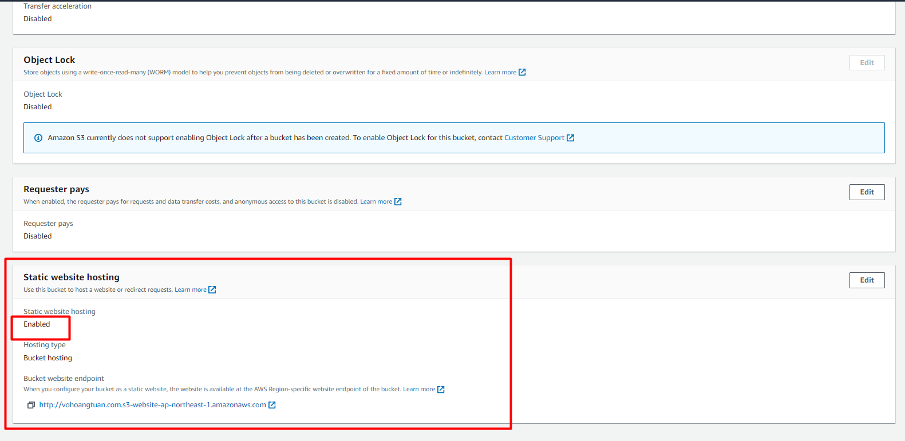

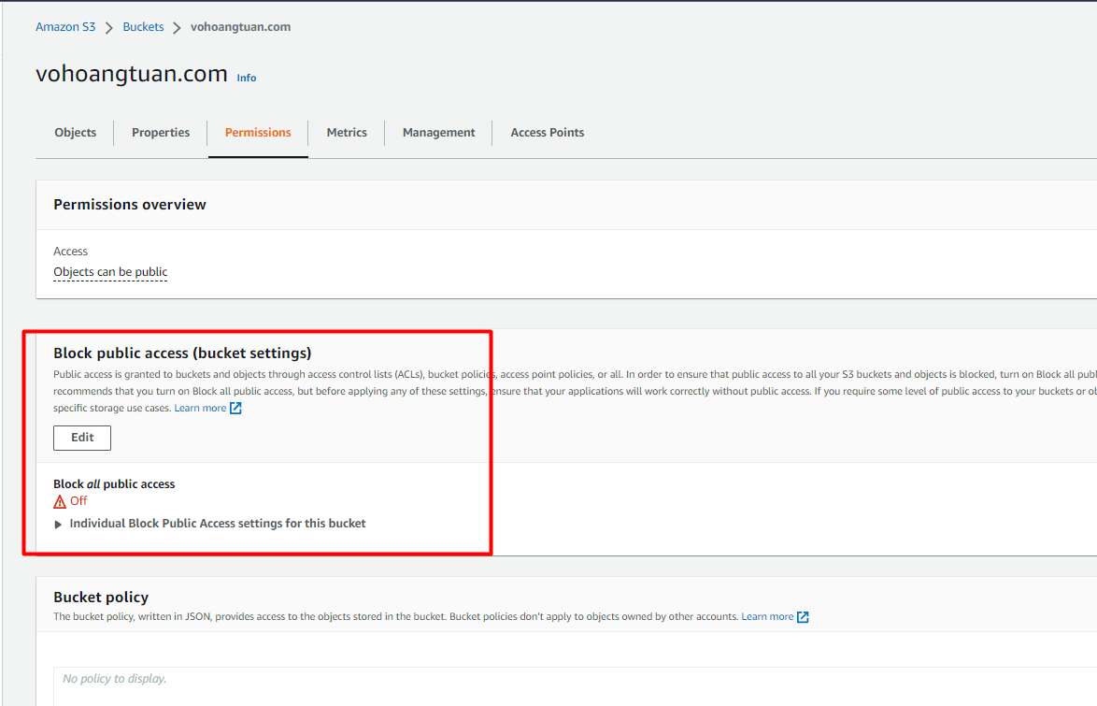

cloudfront
