newproject
new folder webks-api => webks-api\app, webks-api\public
pip list -> chek installed packeage
python app\main.py -> running
new file web-api\app\__init__.py
new file web-api\app\main.py
 | print("START MY-APP")

https://fastapi.tiangolo.com
 | pip install "fastapi[standard]"
 | from fastapi import FastAPI app = FastAPI() @app.get("/hello") def hello(): return {"Hello": "World"}
 | fastapi dev app\main.py
 | http://127.0.0.1:8000/hello

 | encrypt password
 | from passlib.context import CryptContext pwd_context = CryptContext(schemes=["bcrypt"], deprecated="auto") @app.get("/enpwd") ##for-test## /enpwd?pwd=xxxx def enpwd(pwd:str|None = None): if (pwd == None or pwd == "") : return "??????" else : return pwd_context.hash(pwd)

authen
pip install "passlib[bcrypt]"
pip install python-jose[cryptography]

copy file pwd_utils.py to web-api\app
copy file schema.py to web-api\app\schemas

edit file web-api\app\api_router1.py
 | from fastapi import APIRouter, Depends from app import api_authen, api_lookup, api_ticket, pwd_utils router = APIRouter() router.include_router(api_authen.router) router.include_router(api_lookup.router, dependencies=[Depends(pwd_utils.checkAuthorized)])# router.include_router(api_lookup.router) router.include_router(api_ticket.router, dependencies=[Depends(pwd_utils.checkAuthorized)])# router.include_router(api_ticket.router)

edit file web-api\app\api_authen.py
 | from fastapi import APIRouter, Depends, Request, Response, status from fastapi.responses import JSONResponse from sqlalchemy.orm import Session from app.database import get_db_session from app.schemas.user_entity import UserEntity from app.schemas import schema from app import pwd_utils router = APIRouter() @router.post("/authen/login") def login( user: schema.User, response: Response, db_session: Session = Depends(get_db_session) ): _user = db_session.query(UserEntity).filter(UserEntity.login=="manager").first() if not _user: return JSONResponse(status_code=status.HTTP_401_UNAUTHORIZED, content={"message" : "Login Fail."}) if not pwd_utils.verify_password(user.password, _user.password): return JSONResponse(status_code=status.HTTP_401_UNAUTHORIZED, content={"message" : "Login Fail.."}) user.agent_id = _user.agent_id user.first_name= _user.first_name user.last_name = _user.last_name user.password = "" user.level_id = _user.level_id user.group_id = _user.group_id user.group_name= "" user.token = pwd_utils.create_access_token(data={"agent_id": user.agent_id, "login": user.login, "level_id": user.level_id}) user.message = "Success" response.set_cookie(key="token", value=user.token, path="/webks", httponly=True, max_age=3*60*60) ## ***** 3hour return user | 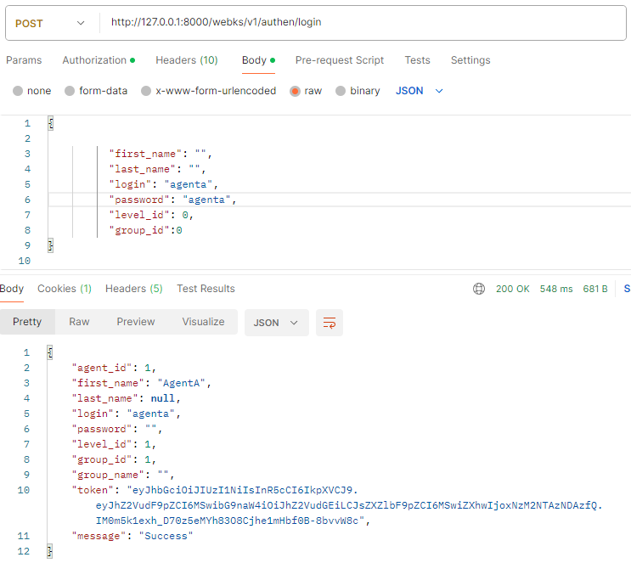

 | @router.post("/authen/logout") def Logout(user: schema.User, response: Response): response = JSONResponse(content="Success") if user: response.set_cookie(key="token", value="", path="/webks", httponly=True, max_age=0) return response

integration
Python Structure
 | webks-api
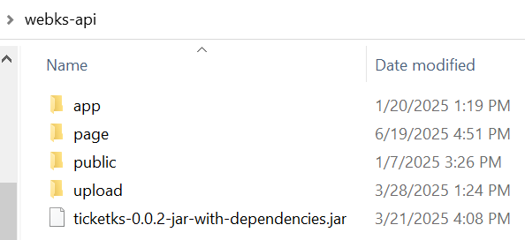

 |  | app => file .py | http://localhost:8000/webks/v1/authen/login http://localhost:8000/webks/v1/ticket/onhand
 |  | page mount for => html file + static ที่ build จาก React | http://localhost:8000/webks/page/index.html
 |  | page mount for => image or static file | http://localhost:8000/webks/public/apple.jpg

React Build Structure

 | package.json (set homepage)

 | Environment.tsx

 |  |  | ../ => 2 step up current url
 |  |  | http://localhost:3000/webks/page/welcome | curr browser url
 |  |  | http://localhost:3000/webks/v1/authen/login | service url

