Branding
Team | Fan Equity Rank | Social Equity Rank | Total Rank
Arizona Cardinals | 24 | 25 | 25
Atlanta Falcons | 18 | 9 | 14
Baltimore Ravens | 10 | 24 | 17
Buffalo Bills | 22 | 23 | 23
Carolina Panthers | 14 | 5 | 9
Chicago Bears | 6 | 14 | 10
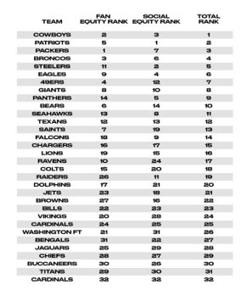
Cincinnati Bengals | 31 | 22 | 27
Cleveland Browns | 27 | 16 | 22
Dallas Cowboys | 2 | 3 | 1
Denver Broncos | 3 | 6 | 4
Detroit Lions | 19 | 15 | 16
Green Bay Packers | 1 | 7 | 3
Houston Texans | 12 | 13 | 12
Indianapolis Colts | 15 | 20 | 18
Jacksonville Jaguars | 25 | 29 | 28
Kansas City Chiefs | 28 | 27 | 29
Las Vegas Raiders | 26 | 11 | 19
Los Angeles Chargers | 16 | 17 | 15
Los Angeles Rams | 32 | 32 | 32
Miami Dolphins | 17 | 21 | 20
Minnesota Vikings | 20 | 28 | 24
New England Patriots | 5 | 1 | 2
New Orleans Saints | 7 | 19 | 13
New York Giants | 8 | 10 | 8
New York Jets | 23 | 18 | 21
Philadelphia Eagles | 9 | 4 | 6
Pittsburgh Steelers | 11 | 2 | 5
San Francisco 49ers | 4 | 12 | 7
Seattle Seahawks | 13 | 8 | 11
Tampa Bay Buccaneers | 30 | 26 | 30
Tennessee Titans | 29 | 30 | 31
Washington Commanders | 21 | 31 | 26

https://fansided.com/2021/02/28/nfl-team-fandom-report-ranking-nfl-brands/

