LoginPage
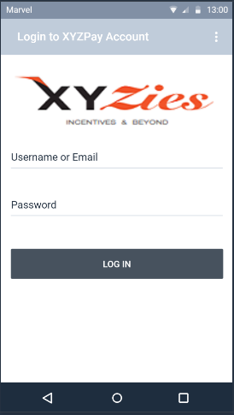

XYZies LoginPage
 | 1 | Webservice link is http://64.27.25.45/XYZies/API/RepWeb.asmx
 | 2 | For LoginPage the webservice method is GenerateMobileAccessKey(LoginEmail, Password)
 | 3 | Returns MobileAccessKey

 |  | Email - | stevesmith@gamil.com
 |  | Password - | test

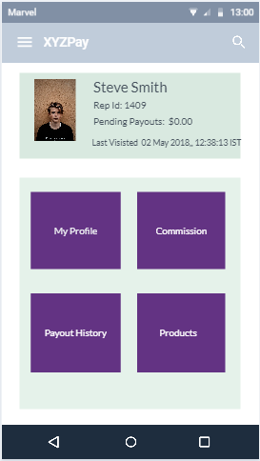
SalesRepDashboard
 | 1 | For SalesrepDashBoard method name is MobileRepDashboard(MobileAccessKey)
 | 2 | Returns RepName, RepId, Pending Payout and Profile Picture

 |  |  | JSON Response

 | {"RepId":"1409","RepName":"Steve Smith",
 | "RepProfilePicture":"http://64.27.25.45/xyzies/ProfilePicture/7afe7364-03e9-428c-92b2
 | -0d1eb0ead64a_freddie.jpg","RepPendingPayouts":"0.00"}

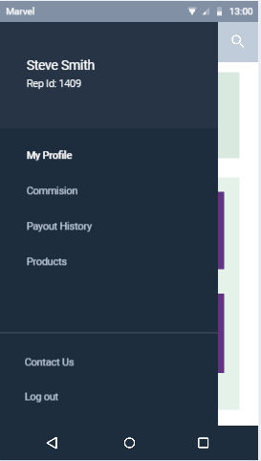
SalesRepDashboard Sidebar

 | 1 | SalesRepDashboard Sidebar design

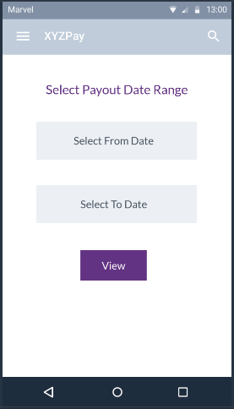

Payout DatepickerPage

 | 1 | Based on the selected date PayoutList page appears

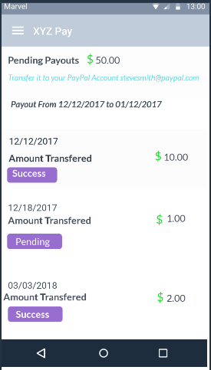

Payout ListPage

 | 1 | For PayoutListPage there are two methods 1) MobileRepPayoutDetails (MobileAccessKey) 2) MobileRepPayouts(MobileAccessKey, FromDate, Todate)

 | 2 | MobileRepPayoutDetails() returns PendingPayouts and PayPalEmail

 | 3 | MobileRepPayouts() returns PayoutDate, PayoutAmount and BatchStatus

 |  |  | JSON Response
 | {"PendingPayouts":"50.00","PayPalEmail":"stevesmith@gamil.com"}

 | PayoutHistoryList[{"PayoutDate":"12/12/2018","PayoutAmount":"100", "BatchStatus":"Success" }]

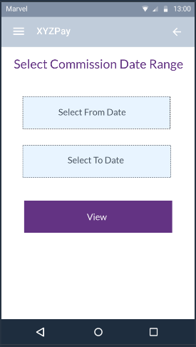
Commision DatepickerPage

 | 1 | Based on the selected date CommisionListpage appears

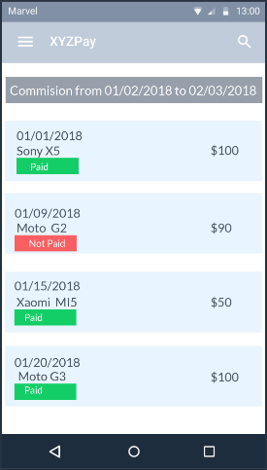

Commision ListPage
 | 1 | For CommisionListPage the method is MobileRepCommissions(MobileAccessKey, FromDate, ToDate)

 | 2 | MobileRepCommissions() returns OrderDate, ProductName, ComAmount and PaymentStatus.

 |  |  | JSON Response

 | Commission[{"OrderDate":"12/12/2018", "ProductName":"Sony X5", "ComAmount": "100", "PaymentStatus":"Paid"}]

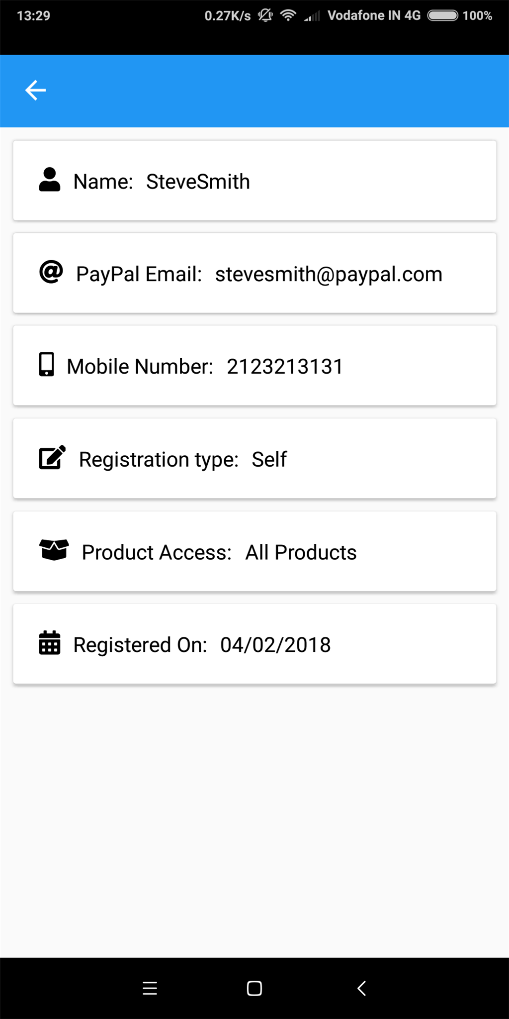
Profile Page

 | 1 | For ProfilePage method name is MobileRepProfile(MobileAccessKey)

 | 2 | MobileRepProfile() returns RepName, PayPalEmail, Mobile, RegType, ProductAccess and RegisteredOn.

 |  |  | JSON Response

 |  | { "RepName": "SteveSmith", "RepId": 1409, "PaypalEmail": "stevesmith@paypal.com", "AddressLine": null, "City": null, "State": null, "Mobile": "2123213131", "Website": null, "RegType": "Self", "ProductAccess": "All Products", "RegisteredOn": "04/02/2018" }

