Dashboard
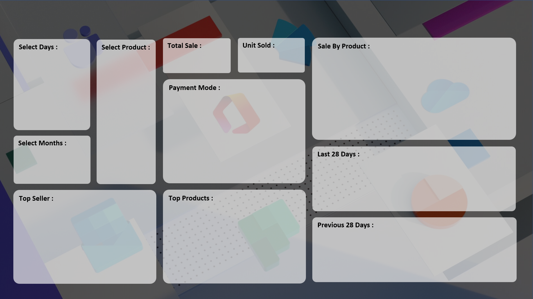
 | Total
Cash | 2274
Online | 2032
 | Total
HDD 256 GB | 1295
Keyboard | 1320
Monitor | 904
Mouse | 787
 | Total
19-Aug | 33
20-Aug | 35
21-Aug | 30
22-Aug | 27
23-Aug | 47
24-Aug | 35
25-Aug | 82
26-Aug | 79
27-Aug | 76
28-Aug | 79
29-Aug | 77
30-Aug | 77
31-Aug | 118
10-Sep | 99
11-Sep | 152
12-Sep | 175
1-Sep | 66
2-Sep | 106
3-Sep | 127
4-Sep | 97
5-Sep | 111
6-Sep | 156
7-Sep | 66
8-Sep | 121
9-Sep | 110
 | Total
22-Jul | 17
23-Jul | 4
24-Jul | 10
25-Jul | 11
26-Jul | 11
27-Jul | 11
28-Jul | 9
29-Jul | 9
30-Jul | 12
31-Jul | 14
10-Aug | 6
11-Aug | 10
12-Aug | 7
13-Aug | 12
14-Aug | 17
15-Aug | 12
16-Aug | 19
17-Aug | 9
18-Aug | 18
1-Aug | 4
2-Aug | 13
3-Aug | 7
4-Aug | 15
5-Aug | 11
6-Aug | 9
7-Aug | 8
8-Aug | 13
9-Aug | 12
 | Total
Super Tech | 1016
ABC Traders | 1123
RG Store | 1373
 | Total
Monitor | 904
HDD 256 GB | 1295
Keyboard | 1320
₹ 17,858,190
7,679
SALE PERFORMANCE DASHBOARD 2022
CHANDAN GUPTA

