📸 Screenshots
SCREENSHOTS | Captured by TestListener.java + @AfterMethod | Saved: backend/target/screenshots/

All screenshots are captured automatically after EVERY test method — both PASSED and FAILED. They are saved to backend/target/screenshots/ with naming format: STATUS_browserName_testMethodName_yyyyMMdd_HHmmss.png

# | Title & What It Shows | Type | Status | Description | Actual Screenshot
1 | Maven Build — Tests run: 14, Failures: 0, BUILD SUCCESS | Build Result | PASS | Maven terminal output showing all 14 Selenium tests passed with zero failures. Tests run: 14, Failures: 0, Errors: 0, Skipped: 0. BUILD SUCCESS confirmed. This is the final result after running: mvn clean test -Dtest=SeleniumTest | 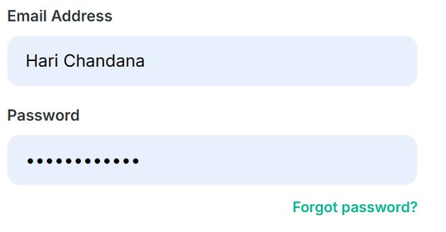

2 | Selenium Running — Chrome Browser Automation in Progress | Browser Test | PASS | Chrome browser opened automatically by Selenium WebDriver. Angular frontend at localhost:4200 loaded and visible. Selenium is executing test cases — running in parallel with Unit and Controller tests using TestNG parallel='tests' thread-count='5'.

3 | TC63 — testAdminDashboard_Loads — Admin Inventory Table | Selenium Test | PASS | Admin dashboard page captured during testAdminDashboard_Loads (TC63). Selenium navigated to localhost:4200/admin after login as admin. .admin-container visible with full inventory table showing all books. Test PASSED — screenshot saved as PASSED_chrome_testAdminDashboard_Loads_timestamp.png

4 | Selenium Test Execution — Angular Frontend Being Tested | Selenium Test | PASS | Full test execution in progress with Chrome browser automation. Selenium WebDriver is navigating through the Angular application executing all 14 test cases including login, admin dashboard, cart, search popup and community page tests.

5 | Screenshots Folder — All 14 PASSED_chrome_testName Files | Report | PASS | Windows File Explorer showing backend/target/screenshots/ folder. All 14 tests passed — 14 PASSED_chrome_testName_timestamp.png files visible. Each PNG file is a browser screenshot from the moment that test completed. Generated by both @AfterMethod takeScreenshot() and TestListener.onTestSuccess(). | 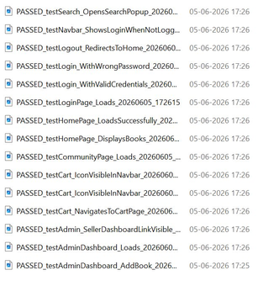

6 | Screenshots Folder — PASSED and FAILED Together | Report | INFO | Screenshots folder showing both PASSED and FAILED screenshots together. FAILED_testIntentionalFailure_ForScreenshotDemo.png visible — this was an intentional failure test added to demonstrate that TestListener.onTestFailure() correctly captures FAILED screenshots. Confirms the listener works for both PASSED and FAILED test cases. | 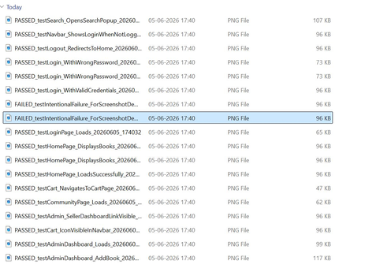

7 | Surefire Reports Folder — All Report Files Generated | Report | INFO | Windows File Explorer showing backend/target/surefire-reports/ folder. Contains: index.html (complete TestNG visual report), emailable-report.html (summary for email), testng-results.html, TEST-com.bookstore.selenium.SeleniumTest (55KB XML report), testng-failed.html, testng-reports CSS and JS files. junitreports and Surefire suite subfolders also visible. | 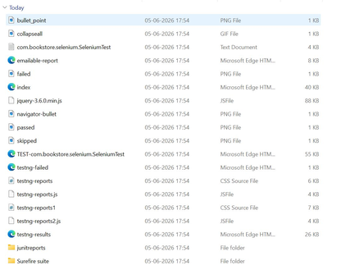

8 | JUnit Reports — TEST-com.bookstore.selenium.SeleniumTest XML | Report | INFO | Windows File Explorer showing backend/target/surefire-reports/junitreports/ folder. Contains TEST-com.bookstore.selenium.SeleniumTest file — this is the JUnit format XML file with all 14 Selenium test case results including test names, execution time and pass/fail status. | 