Charts & Visualizations
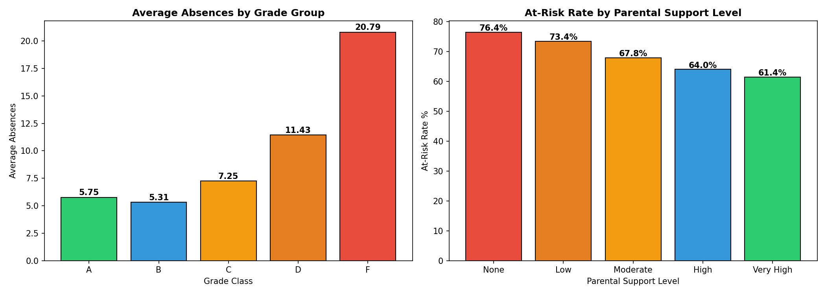
Charts & Visualizations — Student Success Analytics

Grade Distribution | Correlation with GPA
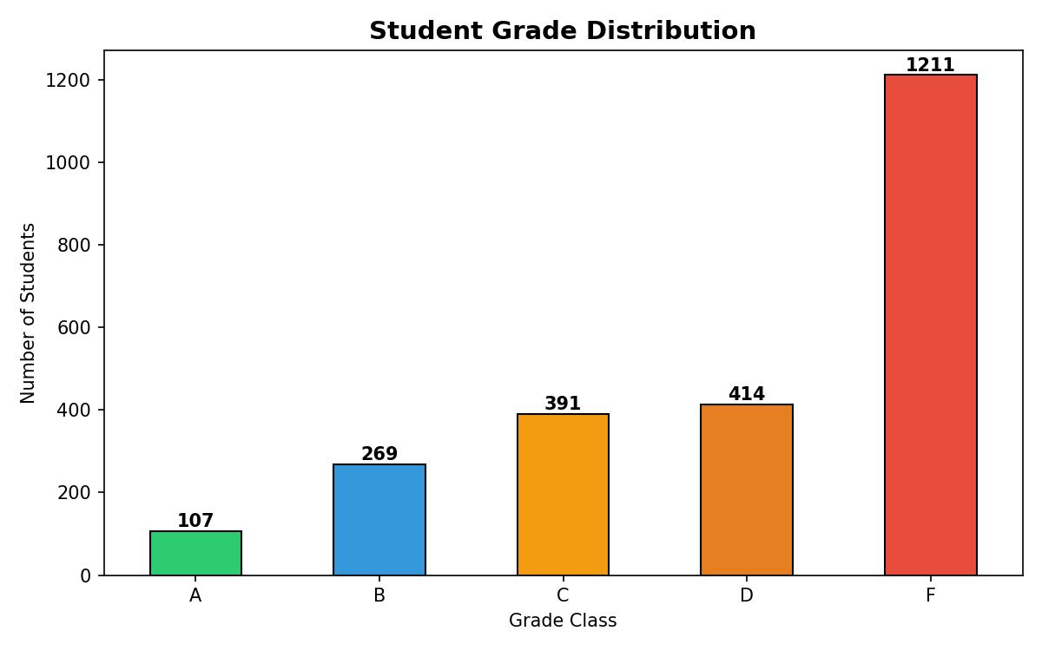
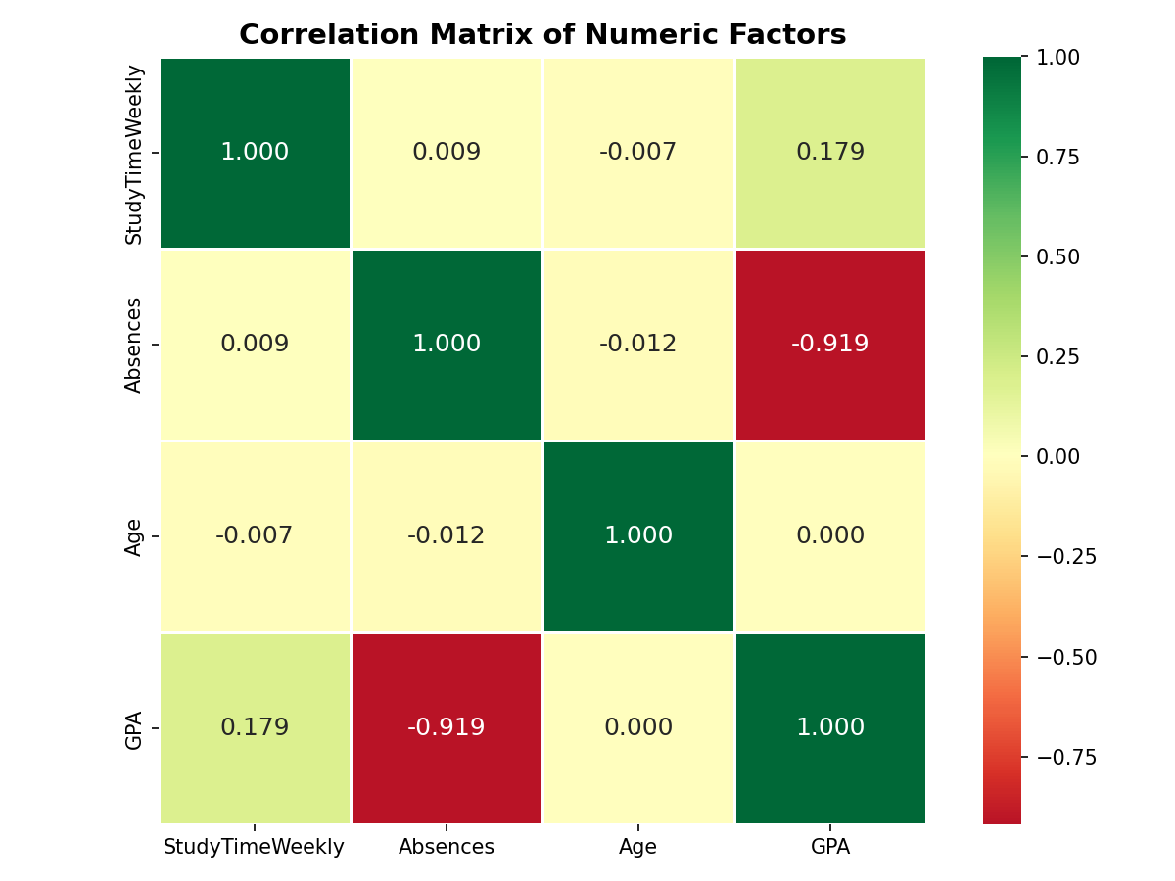

Key Findings — Absences & Parental Support

