Trend
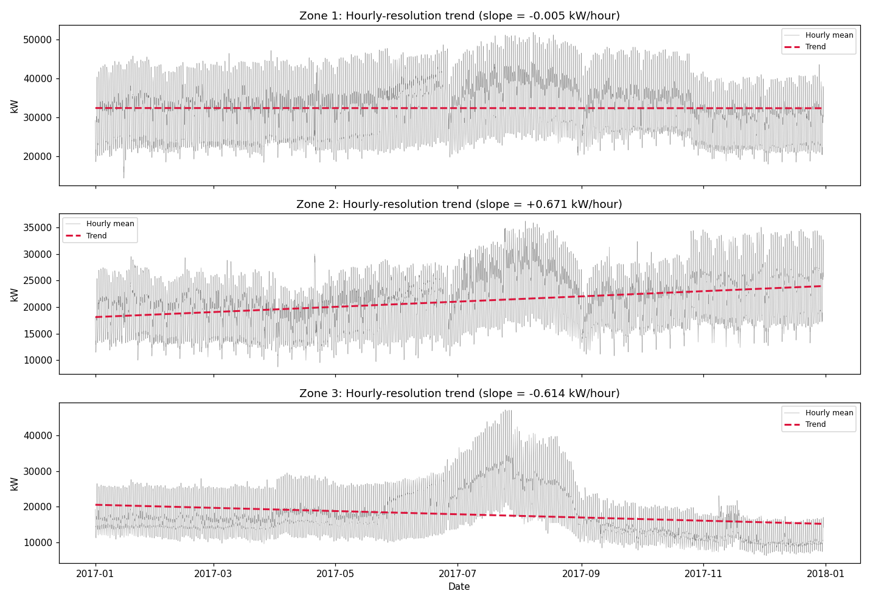
Trend Summary

Zone | Slope (kW/hour) | Slope (kW/day) | Slope (kW/week) | Net change over year (kW) | Net change (%)
Zone 1 | -0.0054 | -0.13 | -0.91 | -47 | -0.1
Zone 2 | 0.6707 | 16.1 | 112.69 | 5860 | 27.8
Zone 3 | -0.6143 | -14.74 | -103.2 | -5366 | -30.1

Yearly trend (daily means)
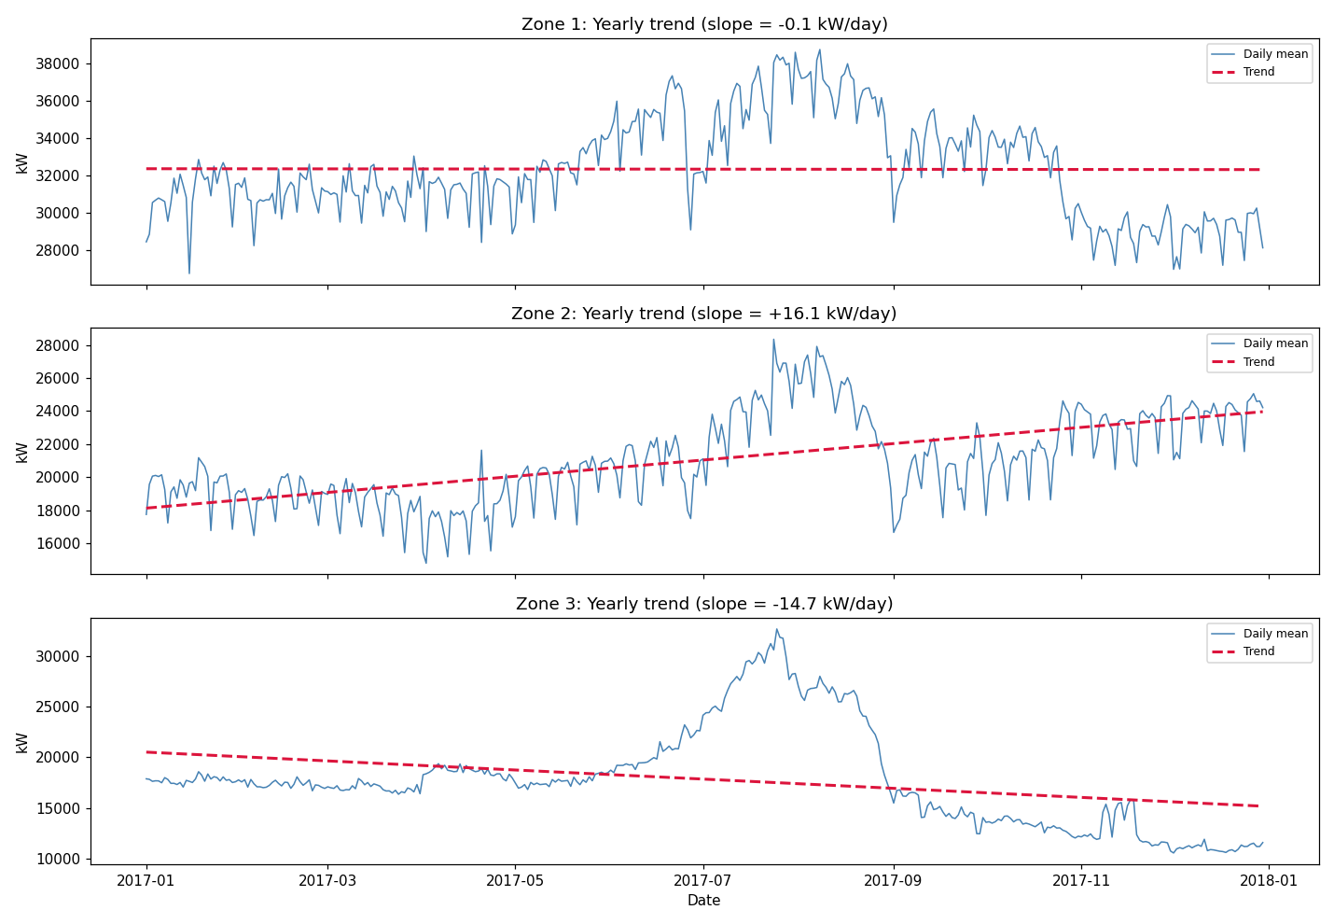

Weekly trend (weekly means)
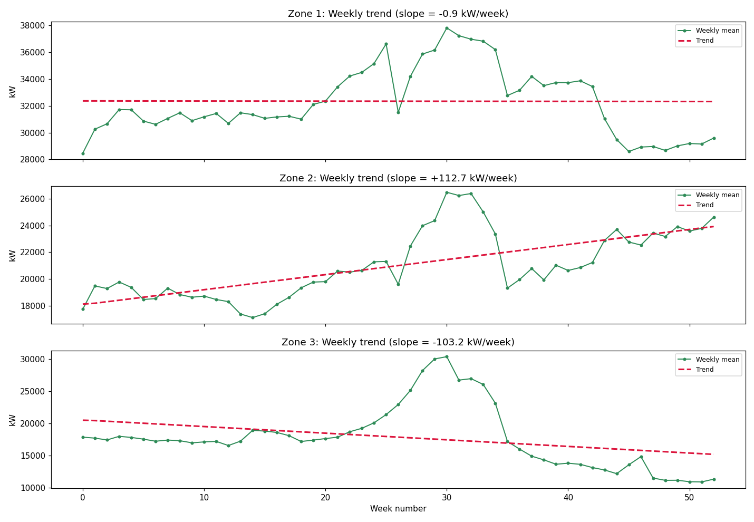

Hourly-resolution trend

Seasonality
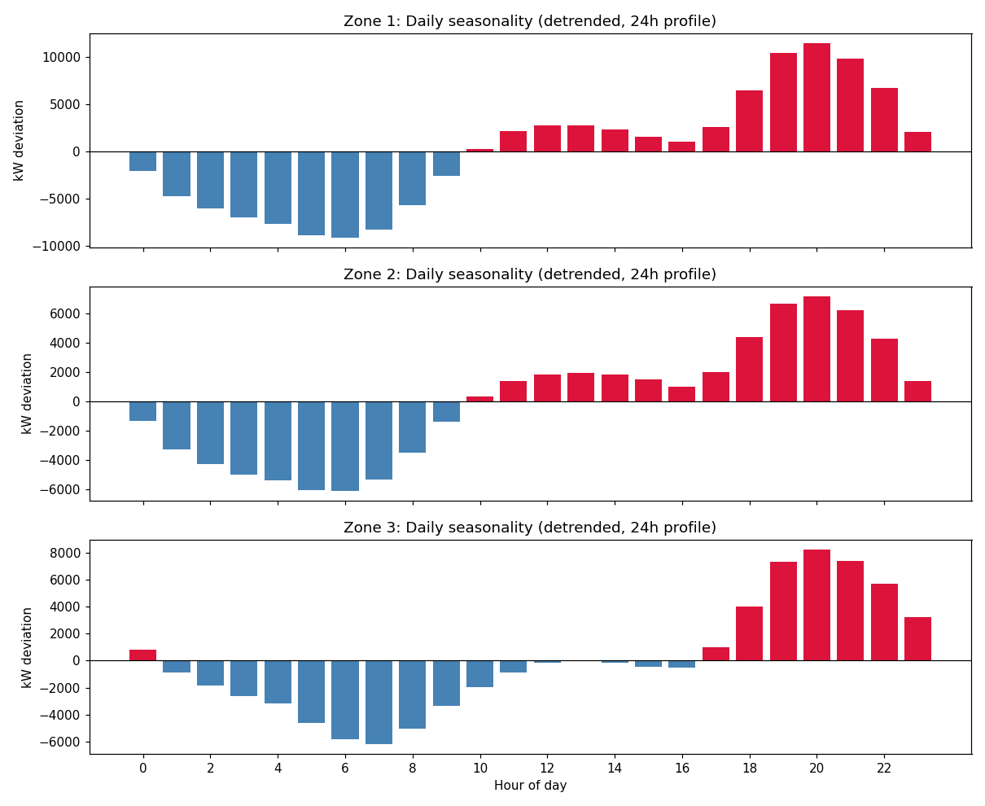
Seasonality Summary (detrended)

Zone | Granularity | Peak bin | Peak value (kW dev) | Trough bin | Trough value (kW dev) | Amplitude (kW)
Zone 1 | Yearly (month) | Aug | 4096.1 | Nov | -3325.1 | 7421.2
Zone 1 | Weekly (day-of-week) | Wed | 526.8 | Sun | -1565.3 | 2092.1
Zone 1 | Daily (hour-of-day) | 20 | 11477.7 | 6 | -9141.4 | 20619.1
Zone 2 | Yearly (month) | Aug | 2881.3 | Apr | -2169 | 5050.3
Zone 2 | Weekly (day-of-week) | Thu | 786.6 | Sun | -2014.8 | 2801.4
Zone 2 | Daily (hour-of-day) | 20 | 7138.7 | 6 | -6104.1 | 13242.8
Zone 3 | Yearly (month) | Jul | 10572.5 | Dec | -4328.6 | 14901.1
Zone 3 | Weekly (day-of-week) | Sat | 220 | Fri | -259.9 | 480
Zone 3 | Daily (hour-of-day) | 20 | 8197.4 | 7 | -6170.3 | 14367.7

Yearly seasonality (by month, detrended)
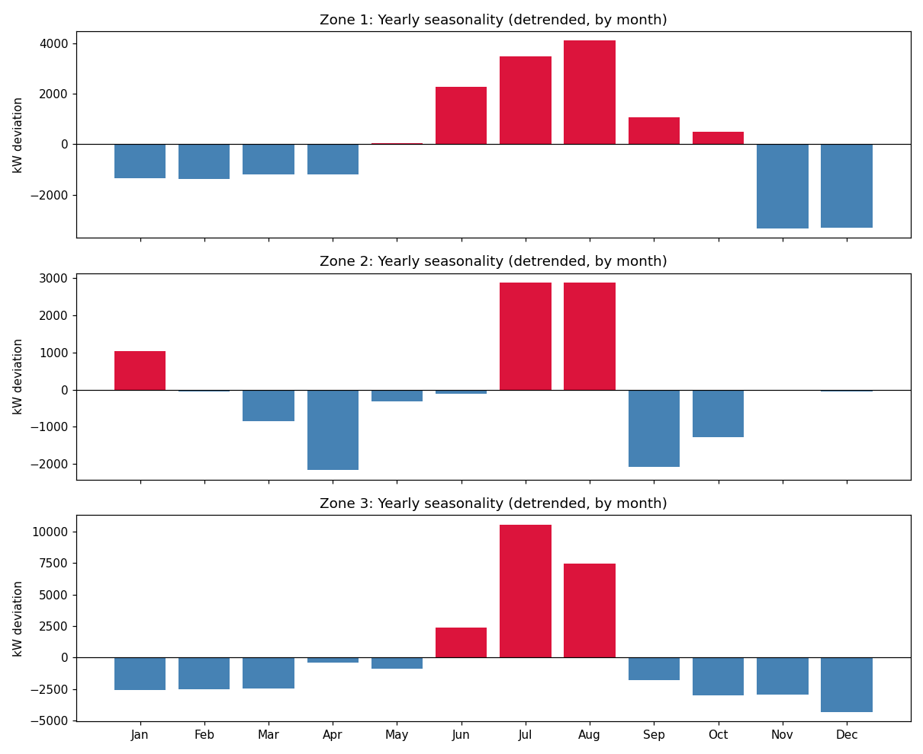

Weekly seasonality (by day-of-week, detrended)
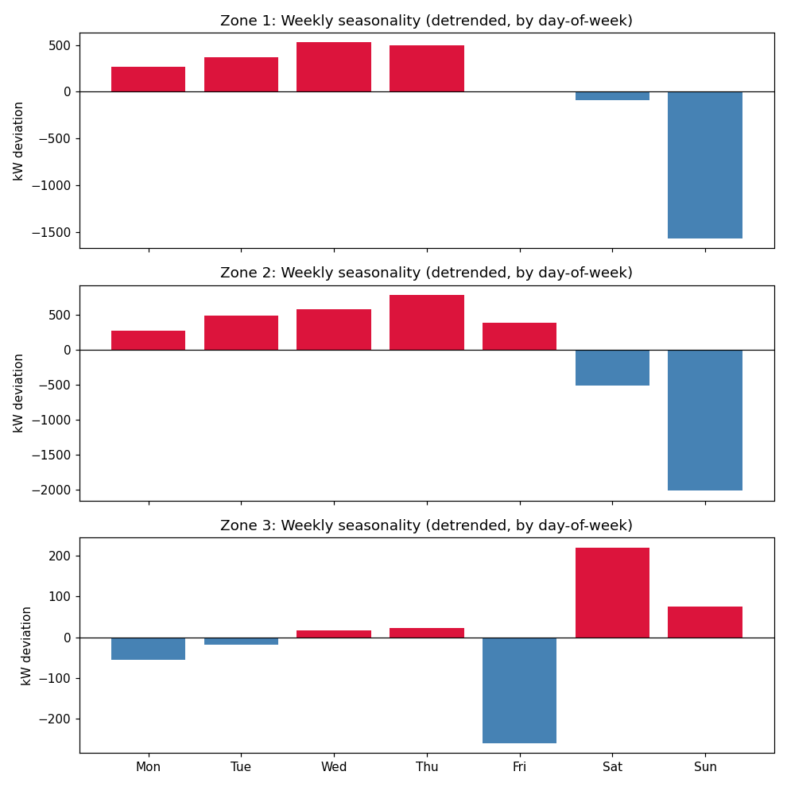

Daily seasonality (24h profile, detrended)

