Cerinta
 | VVTA, PPFDP Informatica, 2020-2021
 |  | Lab04. White-box Testing. Code Coverage
 |  | Student Name | Buhos Teodora-Cristina
 |  | Delivery Date | 31.10.2020 | Group | 1211

add the source code for the tested method
/** * Modifica atributul 'functia didactica' pentru un angajat dat * * @param employee - anagajtul pentru care se modifica atributul 'functia didactica' * @param newFunction - noua functie didactica (ASISTENT, LECTURER, TEACHER, CONFERENTIAR) */ @Override public void modifyEmployeeFunction(Employee employee, DidacticFunction newFunction) { if (employee != null) { int i = 0; while (i < employeeList.size()) { if (employeeList.get(i).getId() == employee.getId()) employeeList.get(i).setFunction(newFunction); i++; } } }

CFG-Paths
 | VVTA, PPFDP Informatica, 2020-2021

Covered source code |  | Control Flow Graph (CFG) | Cyclomatic Complexity (CC)

Line No. | Source code | please insert the CFG for tested method | CC1 = No. of regions = |  | 4
1 | public void modifyEmployeeFunction(Employee employee, DidacticFunction newFunction) { | It may be a screen capture, image, picture taken by phone, etc. | CC2 = Edges - Nodes + 2 = |  | 3
2 | if (employee != null) { | 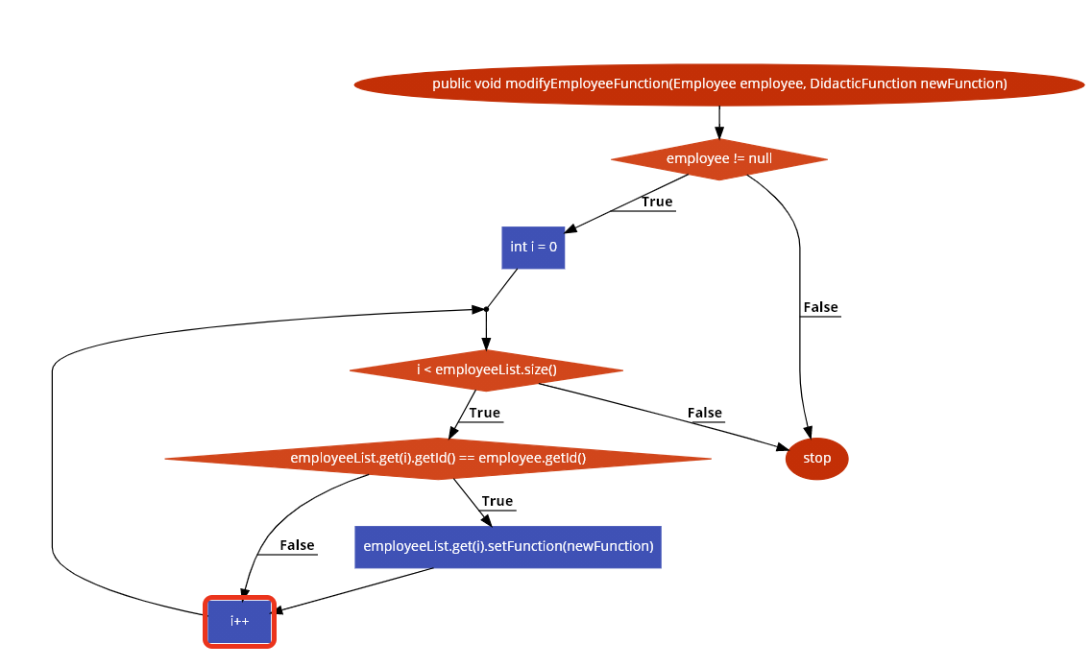 | CC3 = No. of Conditions + 1 = |  | 4
3 | int i = 0;
4 | while (i < employeeList.size()) {
5 | if (employeeList.get(i).getId() == employee.getId()) |  | Individual Paths
6 | employeeList.get(i).setFunction(newFunction);
7 | i++; |  | Path No. | Path
4
8 | } |  | P01 | 1-2F
9 | } |  | P02 | 1-2T-3-4F-8-9-10
10 | } |  | P03 | 1-2T-3-4T-5F-7-8-9-10
11 |  |  | P04 | 1-2T-3-4T-5T-6-7-8-9-10
12
1
13
14
15
16
2
17
18
19
20
21
3
22
23

TCs
VVTA, PPFDP Informatica, 2020-2021
 |  |  |  |  |  |  | se vor proiecta cazuri de testare pentru acoperirea tuturor criteriilor
modifyEmployeeFunction(Employee employee, DidacticFunction newFunction)

TC No. | Input |  |  |  | Output | Coverage
 |  |  |  |  |  | Statement (sc) | Condition/ decision (dc, cc, dcc, mcc) |  |  |  |  |  | Path (pc) |  |  |  | Loop (lc while)
 | Employee | DidacticFunction | employee list | employee validator | void; se modifica functia didactica a unui employee |  | c2: employee != null |  | c4: i < employeeList.size() |  | c5: employeeList.get(i).getId() == employee.getId() |  | P01 | P02 | P03 | P04 | 0 | 1 | 2 | n-1 | n | n+1 | m<n
 |  |  |  |  |  |  | T | F | T | F | T | F
TC01 | Ionel | DidacticFunction.TEACHER | Lista employee (row 21) |  | ***Employee Ionel va fi modificat -> ("Marius", "Pacuraru", "1234567890876", DidacticFunction.TEACHER, 2500d) … metoda are tipul de return void | 1,2,3,4,5,6,7,8,9,10 | * |  | * | * | * | * | * | * | * | * |  |  |  |  | *
TC02 | null | DidacticFunction.TEACHER | Lista employee |  | - ; metoda nu va modifica nimic | 1,2 |  | * |  |  |  |  | * |  |  |  | *
…

Remarks |  |  |  |  | 1) TCs: … are not possible to be created
 |  |  |  |  | 2) TCaa is redundant to the TCbb and will be ignored
 |  |  |  |  | 3) TCs: ... are not possible to simulate; compile time checking
Lista employee:
("Marius", "Pacuraru", "1234567890876", DidacticFunction.ASISTENT, 2500d),
("Ion", "Dumitrescu", "1234567890876", DidacticFunction.LECTURER, 2500d),
("Gicu", "Ionescu", "1234567890876", DidacticFunction.LECTURER, 2500d),
("Dodel", "Pacuraru", "1234567890876", DidacticFunction.ASISTENT, 2500d),
("Dorel", "Georgescu", "1234567890876", DidacticFunction.TEACHER, 2500d),
("Larson", "Puscas", "1234567890876", DidacticFunction.TEACHER, 2500d);

