Planting comments
 | Notes
 | The large block was planted on 7/13/21. All was hand watered with buckets or hose. 1/2-1/2 SS#4 and Magick grow soil from the Bark place. Living carbon members were present and they provided food and champagne. The high was 88.
 | sprinklers up 7/14
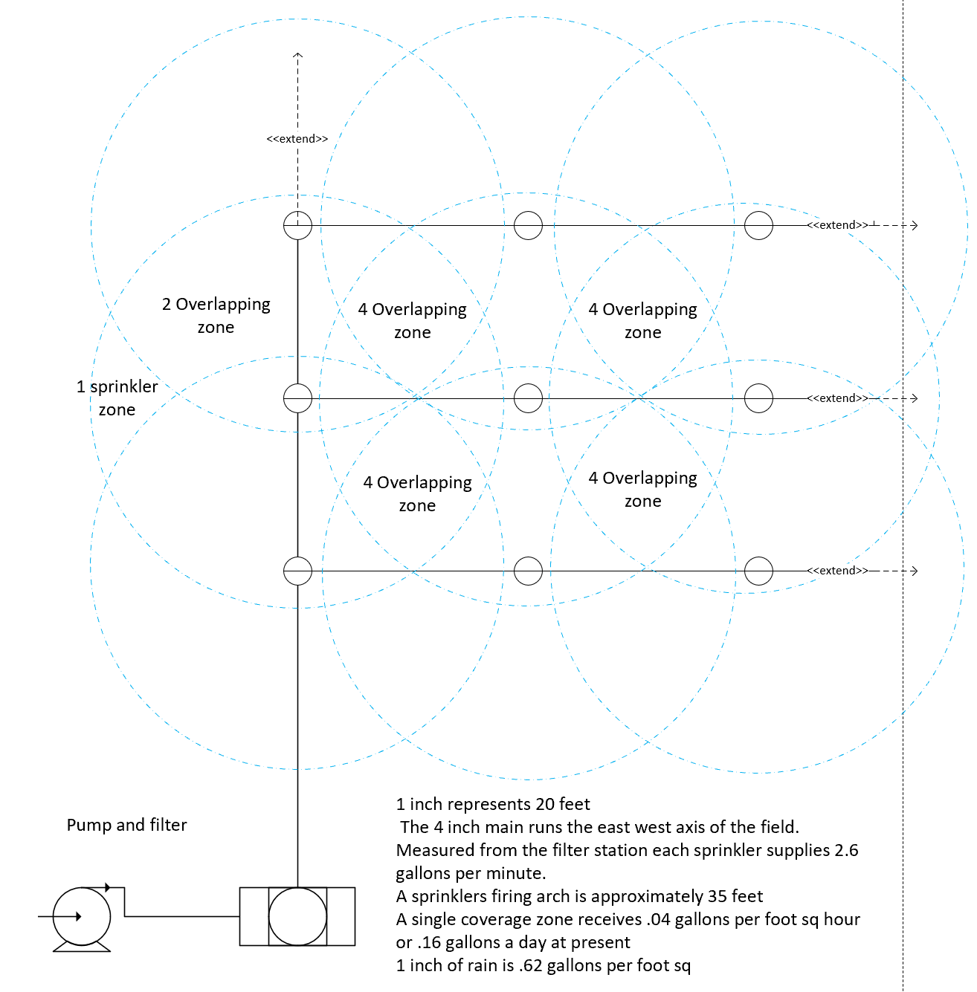
 | Plants watered daily for 4hr/day
 | The small block was planted on 7/19/21
plants singled as needed | All plants singled 7/21

 | DBH/height of large block taken 7/27 - 8/9 - sig. longer than expected. Will hire new MEP student for work on this project only
 | All water crystals applied by 7/27/2021
 | Mow all blocks 7/29
 | Late july/august tall fescue cover crop comes in
 | Drone images taken 8/8/21
 | DBH/height of small block taken 8/10
 | Hand weeding and re-soiling 8/11/21
 | Irrigation was updated to the layout on the right on 8/13
 | 8 plants with deer damage
 | 8/19 mowed LC trial
 | 8/31 decrease irrigation to 2hrs/day
 | 9/7 fertilized, 2 cups of half diluted 20-20-20 water soluble fertilizer each
 | 9/8-9/10, no irrigation for measurement and to let fert soak in
 | 9/8-10 all plants singled, hand weeded and general maintenance
 | 9/10 mow all blocks
 | 9/10 Rick liquid N sampling
 | 9/11 reciept of liquid N samples @ SF
 | 9/21 RNA leaf sampling of large block only
 | 9/23-25 SPAD readings (15hrs, 2 people)
 | 9/30/21 small block DBH height
 | 10/1/21 large block DBH height
 | 10/10/21 replace dead plants
 | 10.18 large block mowed
 | 10/18-19 large block leaf collections, leaves 5,7,8 & senescence scores for both blocks, liquid N collections for 60 trees in LB (6 event x 10 ramets each)
 | 10/24-25 Leaf collections for small block
 | 11.14 small block mowed
 | 11.21/11.22 DBH and height
 | 12.5 DBH for large block
 | 2/1 tree guards & stakes on all trees
 | 2/20 new labels on all trees
 | 2/26 floral surveys begin on all trials
 | 2/27/22 large block fertilized with 1/2 tblsp osmocote
 | 3/4/22 small block fertilized with 1/2 tblsp of osmocote
 | 3/4/22 check labels on large block
 | 5/4/22 data collection begins
 | 6/24/22 Irrigation begins, 4hr/day everyday
 | July, pump broken for 1 week. Pump repaired 7/22
 | July, all blocks fertilized with 10-10-10 fertilizer

