plc
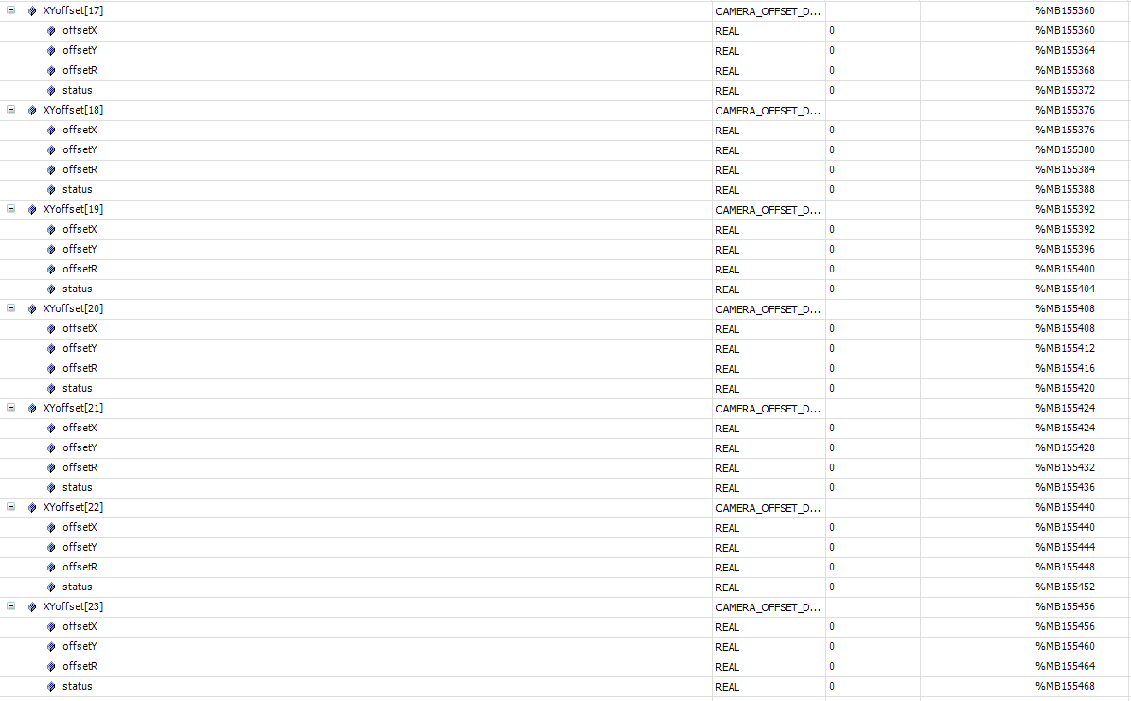
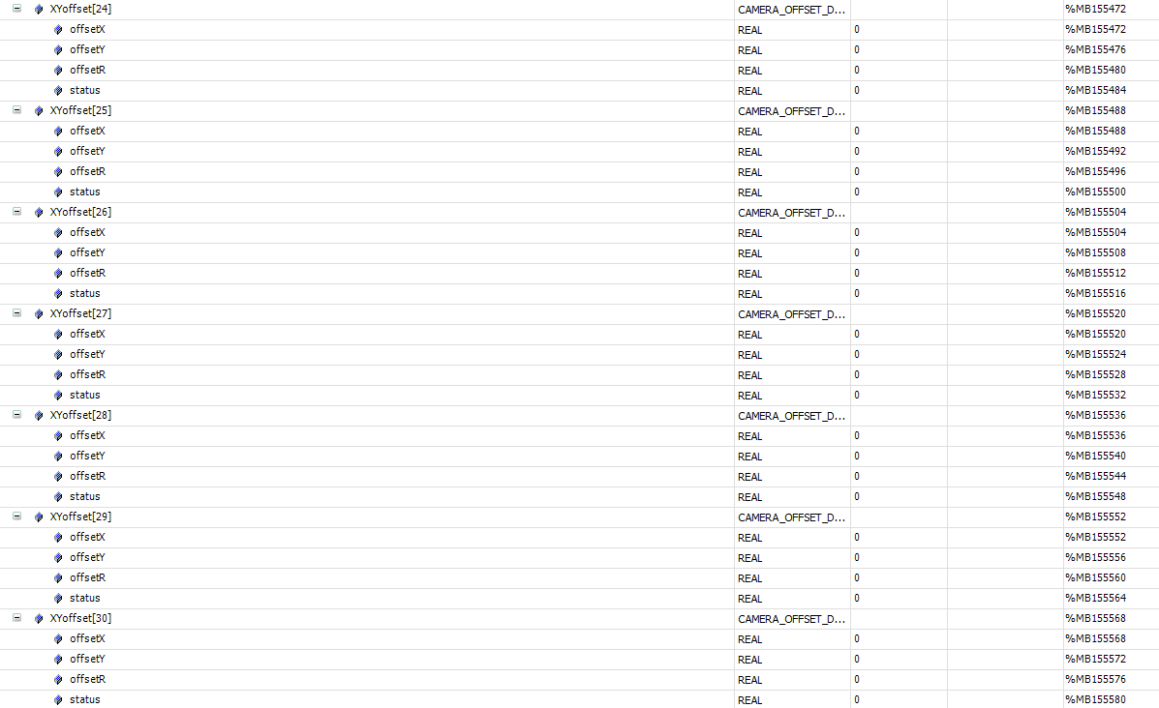
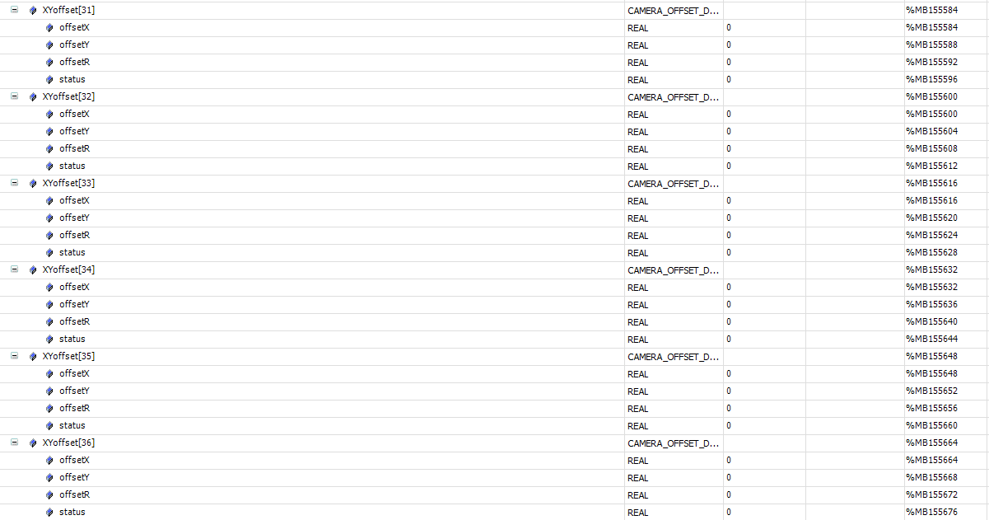
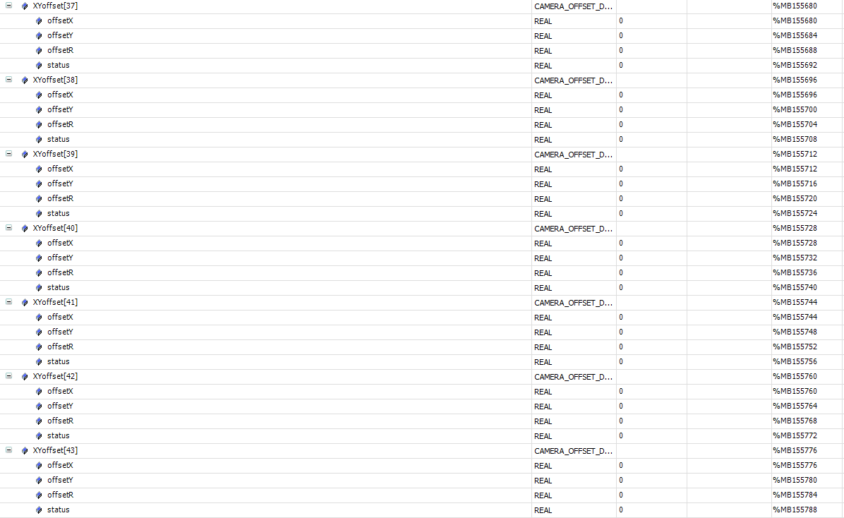
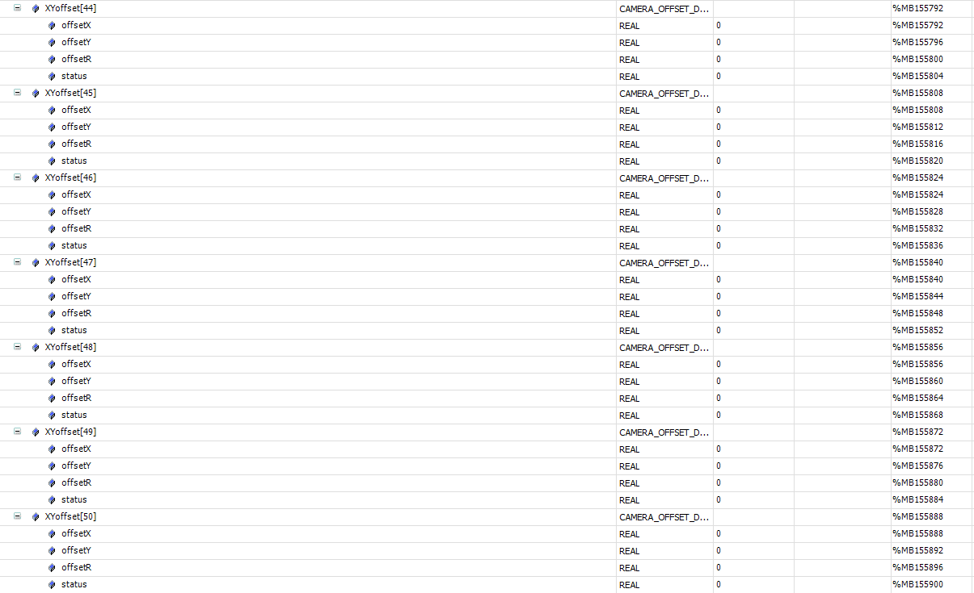
标签 | 描述 | 所属 | mes操作方式 | 类型
心跳
Application.gvl_OPMODE01_MES.mes2plc.geneal.heartBeat | MES 心跳 2s 更新一次 | mes | write | bool
报警
Application.gvl_OPMODE01_MES.plc2mes.geneal.alarmCode | 报警code | plc | read | string
控制状态
Application.gvl_OPMODE01_RECIPE.RecipeCtrl.Active.Mode | 控制状态,本地模式 or MES控制模式 | plc | read | int
运行状态
Application.gvl_OPMODE01_MES.plc2mes.geneal.deviceState | 当前运行状态 | plc | read | int
配方切换
Application.gvl_OPMODE01_MES.mes2plc.changeOver.cmd | 切换配方命令 | mes | write | bool
Application.gvl_OPMODE01_MES.mes2plc.changeOver.recipeName | 配方名称 | mes | write | string
Application.gvl_OPMODE01_MES.mes2plc.changeOver.recipeID | 配方号 | mes | write | int
Application.gvl_OPMODE01_MES.plc2mes.changeOver.done | 切换配方命令响应，响应了代表切换成功 | plc | read | bool
进站
Application.gvl_OPMODE01_MES.plc2mes.geneal.request_InterLock[1] | 请求信号 | plc | read | bool
Application.gvl_OPMODE01_MES.plc2mes.Interlock.st_1_code | 托盘码 | plc | read | string
Application.gvl_OPMODE01_MES.mes2plc.Interlock.st_1_status | 进站回复状态 | mes | write | int
Application.gvl_OPMODE01_MES.mes2plc.Interlock.st_1_pallet_mapping[0].status | 产品状态 | mes | write | int
Application.gvl_OPMODE01_MES.mes2plc.Interlock.st_1_pallet_mapping[1].status | 产品状态 | mes | write | int
Application.gvl_OPMODE01_MES.mes2plc.Interlock.st_1_pallet_mapping[2].status | 产品状态 | mes | write | int
Application.gvl_OPMODE01_MES.mes2plc.Interlock.st_1_pallet_mapping[3].status | 产品状态 | mes | write | int
Application.gvl_OPMODE01_MES.mes2plc.Interlock.st_1_pallet_mapping[4].status | 产品状态 | mes | write | int
Application.gvl_OPMODE01_MES.mes2plc.geneal.response_InterLock[1] | 通知plc拿mes反馈信息 | mes | write | bool
OK产品出站
Application.gvl_OPMODE01_MES.plc2mes.geneal.request_partDone[1] | 出站信号请求 | plc | read | bool
Application.gvl_OPMODE01_MES.plc2mes.partDone.st_1_code[1] | 托盘码 | plc | read | string
Application.gvl_OPMODE01_MES.plc2mes.partDone.st_1_code[2] | 产品码 | plc | read | string
Application.gvl_OPMODE01_MES.plc2mes.partDone.st_1_position[1] | 产品穴位 | plc | read | int
Application.gvl_OPMODE01_MES.plc2mes.partDone.st_1_status | 产品状态 | plc | read | int
Application.gvl_OPMODE01_MES.plc2mes.partDone.st_1_mapping[1] | pin1状态 | plc | read | int
Application.gvl_OPMODE01_MES.plc2mes.partDone.st_1_mapping[2] | pin2状态 | plc | read | int
Application.gvl_OPMODE01_MES.plc2mes.partDone.st_1_mapping[3] | pin3状态 | plc | read | int
Application.gvl_OPMODE01_MES.plc2mes.partDone.st_1_mapping[4] | pin4状态 | plc | read | int
Application.gvl_OPMODE01_MES.plc2mes.partDone.st_1_mapping[5] | pin5状态 | plc | read | int
Application.gvl_OPMODE01_MES.plc2mes.partDone.st_1_mapping[6] | pin6状态 | plc | read | int
Application.gvl_OPMODE01_MES.plc2mes.partDone.st_1_mapping[7] | pin7状态 | plc | read | int
Application.gvl_OPMODE01_MES.plc2mes.partDone.st_1_mapping[8] | pin8状态 | plc | read | int
Application.gvl_OPMODE01_MES.plc2mes.partDone.st_1_mapping[9] | pin9状态 | plc | read | int
Application.gvl_OPMODE01_MES.plc2mes.partDone.st_1_mapping[10] | pin10状态 | plc | read | int
Application.gvl_OPMODE01_MES.plc2mes.partDone.st_1_mapping[11] | pin11状态 | plc | read | int
Application.gvl_OPMODE01_MES.plc2mes.partDone.st_1_mapping[12] | pin12状态 | plc | read | int
Application.gvl_OPMODE01_MES.plc2mes.partDone.st_1_mapping[13] | pin13状态 | plc | read | int
Application.gvl_OPMODE01_MES.plc2mes.partDone.st_1_mapping[14] | pin14状态 | plc | read | int
Application.gvl_OPMODE01_MES.plc2mes.partDone.st_1_mapping[15] | pin15状态 | plc | read | int
Application.gvl_OPMODE01_MES.plc2mes.partDone.st_1_mapping[16] | pin16状态 | plc | read | int
Application.gvl_OPMODE01_MES.plc2mes.partDone.st_1_mapping[17] | pin17状态 | plc | read | int
Application.gvl_OPMODE01_MES.plc2mes.partDone.st_1_mapping[18] | pin18状态 | plc | read | int
Application.gvl_OPMODE01_MES.plc2mes.partDone.st_1_mapping[19] | pin19状态 | plc | read | int
Application.gvl_OPMODE01_MES.plc2mes.partDone.st_1_mapping[20] | pin20状态 | plc | read | int
Application.gvl_OPMODE01_MES.plc2mes.partDone.st_1_mapping[21] | pin21状态 | plc | read | int
Application.gvl_OPMODE01_MES.plc2mes.partDone.st_1_mapping[22] | pin22状态 | plc | read | int
Application.gvl_OPMODE01_MES.plc2mes.partDone.st_1_mapping[23] | pin23状态 | plc | read | int
Application.gvl_OPMODE01_MES.plc2mes.partDone.st_1_mapping[24] | pin24状态 | plc | read | int
Application.gvl_OPMODE01_MES.mes2plc.geneal.response_partDone[1] | MES响应反馈 | mes | write | bool
NG产品出站
Application.gvl_OPMODE01_MES.plc2mes.geneal.request_partDone[2] | 出站信号请求 | plc | read | bool
Application.gvl_OPMODE01_MES.plc2mes.partDone.st_2_code[1] | 产品码 | plc | read | string
Application.gvl_OPMODE01_MES.plc2mes.partDone.st_2_status | 产品状态 2拨针前NG，3拨针力NG，4拨针后NG | plc | read | int
Application.gvl_OPMODE01_MES.plc2mes.partDone.st_2_mapping[1] | pin1状态 | plc | read | int
Application.gvl_OPMODE01_MES.plc2mes.partDone.st_2_mapping[2] | pin2状态 | plc | read | int
Application.gvl_OPMODE01_MES.plc2mes.partDone.st_2_mapping[3] | pin3状态 | plc | read | int
Application.gvl_OPMODE01_MES.plc2mes.partDone.st_2_mapping[4] | pin4状态 | plc | read | int
Application.gvl_OPMODE01_MES.plc2mes.partDone.st_2_mapping[5] | pin5状态 | plc | read | int
Application.gvl_OPMODE01_MES.plc2mes.partDone.st_2_mapping[6] | pin6状态 | plc | read | int
Application.gvl_OPMODE01_MES.plc2mes.partDone.st_2_mapping[7] | pin7状态 | plc | read | int
Application.gvl_OPMODE01_MES.plc2mes.partDone.st_2_mapping[8] | pin8状态 | plc | read | int
Application.gvl_OPMODE01_MES.plc2mes.partDone.st_2_mapping[9] | pin9状态 | plc | read | int
Application.gvl_OPMODE01_MES.plc2mes.partDone.st_2_mapping[10] | pin10状态 | plc | read | int
Application.gvl_OPMODE01_MES.plc2mes.partDone.st_2_mapping[11] | pin11状态 | plc | read | int
Application.gvl_OPMODE01_MES.plc2mes.partDone.st_2_mapping[12] | pin12状态 | plc | read | int
Application.gvl_OPMODE01_MES.plc2mes.partDone.st_2_mapping[13] | pin13状态 | plc | read | int
Application.gvl_OPMODE01_MES.plc2mes.partDone.st_2_mapping[14] | pin14状态 | plc | read | int
Application.gvl_OPMODE01_MES.plc2mes.partDone.st_2_mapping[15] | pin15状态 | plc | read | int
Application.gvl_OPMODE01_MES.plc2mes.partDone.st_2_mapping[16] | pin16状态 | plc | read | int
Application.gvl_OPMODE01_MES.plc2mes.partDone.st_2_mapping[17] | pin17状态 | plc | read | int
Application.gvl_OPMODE01_MES.plc2mes.partDone.st_2_mapping[18] | pin18状态 | plc | read | int
Application.gvl_OPMODE01_MES.plc2mes.partDone.st_2_mapping[19] | pin19状态 | plc | read | int | 0
Application.gvl_OPMODE01_MES.plc2mes.partDone.st_2_mapping[20] | pin20状态 | plc | read | int
Application.gvl_OPMODE01_MES.plc2mes.partDone.st_2_mapping[21] | pin21状态 | plc | read | int
Application.gvl_OPMODE01_MES.plc2mes.partDone.st_2_mapping[22] | pin22状态 | plc | read | int
Application.gvl_OPMODE01_MES.plc2mes.partDone.st_2_mapping[23] | pin23状态 | plc | read | int
Application.gvl_OPMODE01_MES.plc2mes.partDone.st_2_mapping[24] | pin24状态 | plc | read | int
Application.gvl_OPMODE01_MES.mes2plc.geneal.response_partDone[2] | MES响应反馈 | mes | write | bool
弹框
Application.gvl_OPMODE01_MES.Display | 弹框显示 | mes | write | string

