Aircraft
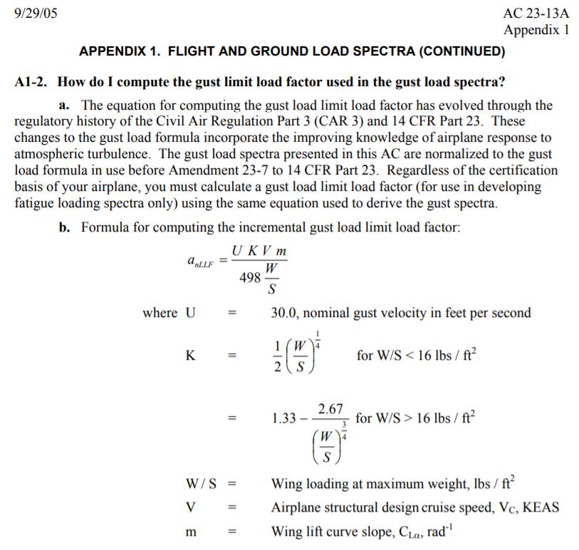

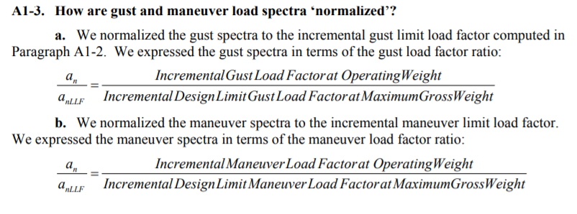

 |  |  |  |  |  | Input variable | Value | Units |  | Loading Spectrum for single engine unpressurised
 |  |  |  |  |  | Scatter Factor | 8 |  |  | Gust Spectra
 |  |  |  |  |  | Vc | 140 | knots
 |  |  |  |  |  | ANLLF gust | 2.5 | g | symmetrical
 |  |  |  |  |  | ANLLF +manv | 2.8 | g
 |  |  |  |  |  | ANLLF -manv | -2.5 | g
 |  |  |  |  |  | 1g flight stress | 5500 | psi
 |  |  |  |  |  | Sa - alt stress | 5500 | incremental g

From spectrum |  |  |  | Difference | convert to hr. | ANLLF known |  |  | from S-N | Damage
An/ANLLF | Cum Freq. /n mi | An/ANLLF | Cum Freq./ n mi | n, Freq. /n mi | Freq. /hr. | An | Sm | Sa | Nx106 | (n/N)-6/hr.

0.100000 | 0.7990400000 | -0.100000 | 0.8869030000
 |  |  |  | 0.5592780000 | 78.29892 | 0.3125 | 5500 | 1718.75 | 30.00 | 2.609964
0.150000 | 0.2397620000 | -0.150000 | 0.2904000000
 |  |  |  | 0.1571083000 | 21.995162 | 0.4375 | 5500 | 2406.25 | 8.00 | 2.74939525
0.200000 | 0.0826537000 | -0.200000 | 0.0793185000
 |  |  |  | 0.0566580000 | 7.93212 | 0.5625 | 5500 | 3093.75 | 5.00 | 1.586424
0.250000 | 0.0259957000 | -0.250000 | 0.0250615000
 |  |  |  | 0.0165610300 | 2.3185442 | 0.6875 | 5500 | 3781.25 | 2.50 | 0.92741768
0.300000 | 0.0094346700 | -0.300000 | 0.0086445700
 |  |  |  | 0.0056907500 | 0.796705 | 0.8125 | 5500 | 4468.75 | 1.00 | 0.796705
0.350000 | 0.0037439200 | -0.350000 | 0.0031371600
 |  |  |  | 0.0021772000 | 0.304808 | 0.9375 | 5500 | 5156.25 | 0.45 | 0.67735111111
0.400000 | 0.0015667200 | -0.400000 | 0.0011756000
 |  |  |  | 0.0008899100 | 0.1245874 | 1.0625 | 5500 | 5843.75 | 0.30 | 0.41529133333
0.450000 | 0.0006768100 | -0.450000 | 0.0004496190
 |  |  |  | 0.0003799000 | 0.053186 | 1.1875 | 5500 | 6531.25 | 0.20 | 0.26593
0.500000 | 0.0002969100 | -0.500000 | 0.0001740530
 |  |  |  | 0.0001658090 | 0.02321326 | 1.3125 | 5500 | 7218.75 | 0.12 | 0.19344383333
0.550000 | 0.0001311010 | -0.550000 | 0.0000677344
 |  |  |  | 0.0000731967 | 0.010247538 | 1.4375 | 5500 | 7906.25 | 0.10 | 0.10247538
0.600000 | 0.0000579043 | -0.600000 | 0.0000263806
 |  |  |  | 0.0000323432 | 0.004528048 | 1.5625 | 5500 | 8593.75 | 0.07 | 0.0646864
0.650000 | 0.0000255611 | -0.650000 | 0.0000102760
 |  |  |  | 0.0000142847 | 0.001999858 | 1.6875 | 5500 | 9281.25 | 0.05 | 0.03999716
0.700000 | 0.0000112764 | -0.700000 | 0.0000040019
 |  |  |  | 0.0000063057 | 0.0008827952 | 1.8125 | 5500 | 9968.75 | 0.04 | 0.02206988
0.750000 | 0.0000049707 | -0.750000 | 0.0000015578
 |  |  |  | 0.0000027836 | 0.0003897096 | 1.9375 | 5500 | 10656.25 | 0.04 | 0.01113456
0.800000 | 0.0000021871 | -0.800000 | 0.0000006056
 |  |  |  | 0.0000012289 | 0.00017203956 | 2.0625 | 5500 | 11343.75 | 0.03 | 0.005734652
0.850000 | 0.0000009582 | -0.850000 | 0.0000002347
 |  |  |  | 0.0000005425 | 7.594398E-05 | 2.1875 | 5500 | 12031.25 | 0.02 | 0.003797199
0.900000 | 0.0000004158 | -0.900000 | 0.0000000902
 |  |  |  | 0.0000002395 | 3.352496E-05 | 2.3125 | 5500 | 12718.75 | 0.02 | 0.0022349973333
0.950000 | 0.0000001763 | -0.950000 | 0.0000000339
 |  |  |  | 0.0000001057 | 1.4799834E-05 | 2.4375 | 5500 | 13406.25 | 0.01 | 0.0014799834
1.000000 | 0.0000000706 | -1.000000 | 0.0000000119
 |  |  |  |  |  |  | Gust only |  | Total = | 10.47553 | x10-6/hr.
 |  |  |  |  |  |  | Gust only | Unfactored Life = |  | 127136 |  | when damage equals 1
 |  |  |  |  |  |  | Gust only | Safe Life = |  | 15892 | hrs | with scatter factor 8

Gust
