Team Analysis
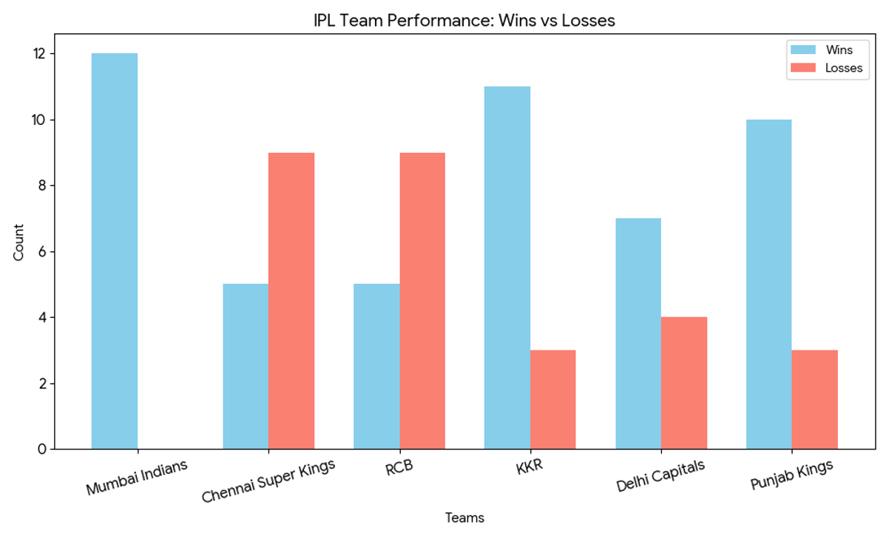
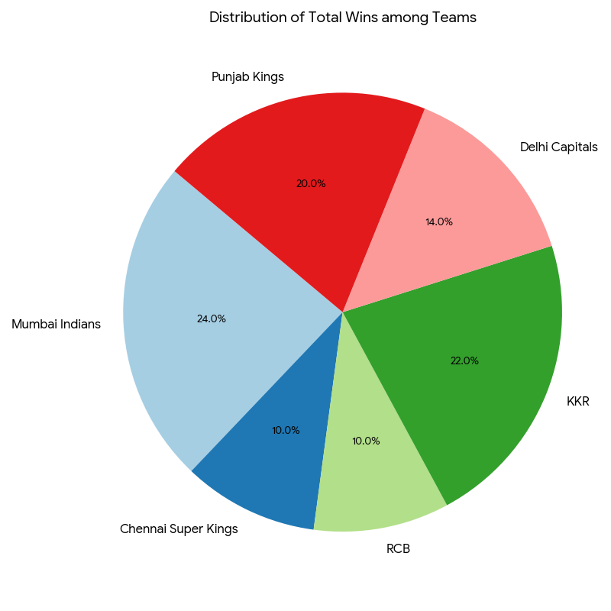
Sr NO. | Team | Matches Played | Wins | Losses | Win %
1 | Mumbai Indians | 12 | 12 | 0 | 100
2 | Chennai Super Kings | 14 | 5 | 9 | 35.71
3 | RCB | 14 | 5 | 9 | 35.71
4 | KKR | 14 | 11 | 3 | 78.57
5 | Delhi Capitals | 11 | 7 | 4 | 63.64
6 | Punjab Kings | 13 | 10 | 3 | 76.92

