Summary
Project Name:
SW Release:
Milestone:
Date of issue:

Overall status
 | Total number of test cases | 150
 | Number of test cases planned | 100 | The gap in the total executed and planned can be absorbed by the QA team
 | Number of test cases executed | 78
 | Number of TC Feature1
 | Number of TC Feature2
 | Number of TC Feature3
 | Pass Percentage of the defects | 98%
 | Number of critical defects | 2

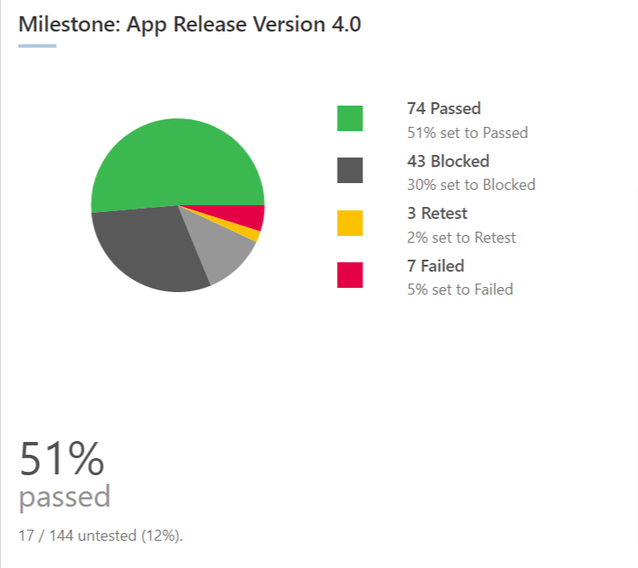
 |  |  |  | ADD overall app by feature pie chart

