גיליון1
Number | Tag | Description
1 | CC | Coordinating conjunction | a conjunction placed between words, phrases, clauses, or sentences of equal rank, e.g., and , but , or.
2 | CD | Cardinal number | a number denoting quantity (one, two, three, etc.), as opposed to an ordinal number (first, second, third, etc.).
3 | DT | Determiner | a person or thing that determines or decides something. "The second, almost a throwaway, notes that a rise in net income isn't the only determiner of whether you've moved up." | a modifying word that determines the kind of reference a noun or noun group has, for example a , the , every. "Every noun phrase has a particular curve associated with it that is described by a lowering of pitch after the determiner and then a rise again after the noun."
4 | EX | Existential there | used in attracting someone's attention or calling attention to someone or something. Look, there 's your new school. | used to focus attention on something and express satisfaction or annoyance at it."There , I hope you're happy, you finally got it out of me!"
5 | FW | Foreign word | כנראה מילה שהTAGGER לא הצליח לזהות.
6 | IN | Preposition or subordinating conjunction | a conjunction that introduces a subordinate clause, e.g., although , because. "Questions beginning with a subordinating conjunction or a relative pronoun are complete sentences." | יחסי כפיפות או מילת יחסa word governing, and usually preceding, a noun or pronoun and expressing a relation to another word or element in the clause, as in “the man on the platform,” “she arrived after dinner,” “what did you do it for ?”.
7 | JJ | Adjective | a word or phrase naming an attribute, added to or grammatically related to a noun to modify or describe it."Reading becomes an exercise in spotting nouns and adjectives ; there is nothing to engage or delight."
8 | JJR | Adjective, comparative | 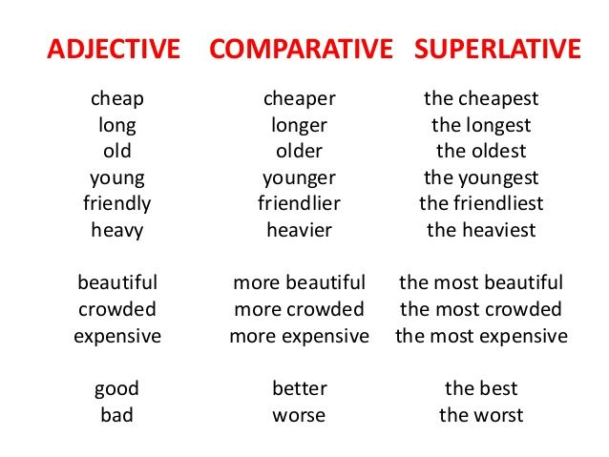
9 | JJS | Adjective, superlative
10 | LS | List item marker | a numbered list
11 | MD | Modal | a verb such as ‘must’, ‘may, ‘could, or ‘would’, that is used with another verb to express ideas such as obligation, permission, possibility, and intention. For example in the sentences ‘I can imagine what he would say to that’ and ‘Appointments should be made a week in advance’, ‘can’, ‘would’, and ‘should’ are modal verbs.
12 | NN | Noun, singular or mass | שם עצם, יחיד או כמותי (אורז אחד, כוס אורז) וכו' A mass noun (also known as a noncount noun) is generally used only in the singular. Many abstract nouns are uncountable, but not all uncountable nouns are abstract. The contrasting term is known as a count noun.
13 | NNS | Noun, plural | שם עצם ברבים
14 | NNP | Proper noun, singular | a name used for an individual person, place, or organization, spelled with initial capital letters, e.g., Larry , Mexico , and Boston Red Sox.
15 | NNPS | Proper noun, plural | The plural of Grammy is Grammys not Grammies. The plural of Blackberry is Blackberrys. The Emmy awards (the American television awards) are called the Emmys, not the Emmies. The hockey team in Toronto is called the Maple Leafs, not the Maple Leaves.
16 | PDT | Predeterminer | a word or phrase that occurs before a determiner, typically quantifying the noun phrase, for example both or a lot of. " Nevertheless, in the singular, they share some characteristics with plurals: for instance, they occur with predeterminer ‘all’ (‘all the committee’, like ‘all the children’;"
17 | POS | Possessive ending | שייכות שנגמרת בS the class’s hours Mr. Jones’ golf clubs The canvas’s size Texas’ weather
18 | PRP | Personal pronoun | 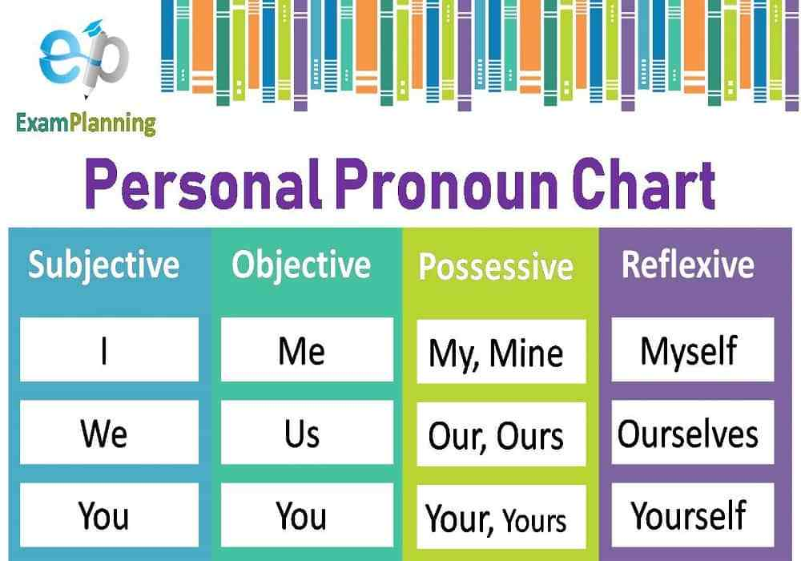
19 | PRP$ | Possessive pronoun
20 | RB | Adverb | a word or phrase that modifies or qualifies an adjective, verb, or other adverb or a word group, expressing a relation of place, time, circumstance, manner, cause, degree, etc. (e.g., gently , quite , then , there ).
21 | RBR | Adverb, comparative
22 | RBS | Adverb, superlative
23 | RP | Particle | a minor function word that has comparatively little meaning and does not inflect, in particular. מילת יחס
24 | SYM | Symbol | כנראה סמל שאינו בשפה, כמו סימן שאלה סימן קריאה וכדומה
25 | TO | to | to
26 | UH | Interjection | an abrupt remark, made especially as an aside or interruption. שאילתה, קריאה, קריאת ביניים "But if members are having difficulty following the speech because of the interjections , then I thank the member for raising that matter." | https://examples.yourdictionary.com/examples-of-interjections.html
27 | VB | Verb, base form | פועל בצורתו הפשוטה ללא כל תוספות (בזמן present simple כנראה)
28 | VBD | Verb, past tense | פועל בזמן עבר
29 | VBG | Verb, gerund or present participle | Both a gerund and a present participle come from a verb, and both end in –ing. However, each has a different function. A gerund acts like a noun while a present participle acts like a verb or adjective. Right now, the athlete is snowboarding. [is snowboarding = present continuous] He was snowboarding yesterday afternoon. [was snowboarding = past continuous] Snowboarding is a winter sport. [snowboarding = subject] I love snowboarding. [snowboarding = object ]
30 | VBN | Verb, past participle | הסבר מפורט מה ההבדל בין PAST TENSE ו PAST PARTICIPLE בגדול זה הצורה הסבילה שאנחנו מחפשים A past tense is the tense we use to express an action in the pass. For example, I spoke to Mr. Jones. Mary walked all the way to the library. The past participle is a form of the verb but not a tense. It cannot be used alone as a verb. The past participles of the verbs in the examples above: eaten/spoken/walked. You can see that regular verbs that form their past tense endings with -ed also have an -ed form as their past participles. The past tense is the tense we use to express an action in the past: We ate dinner. I spoke to Mr. Jones. Mary walked all the way to the library. The past participle is a form of the verb but not a tense. It cannot be used alone as a verb. The past participles of the verbs in the examples above: eaten/spoken/walked. You can see that regular verbs that form their past tense endings with -ed also have an -ed form as their past participles. The past participle is used in the present perfect: Have you eaten yet? In the past perfect: I had already spoken to the teacher when the principal called. And in the passive voice: Dinner is served at 6pm. (The active equivalent: They serve dinner at 6pm.) By the way, "Dinner is served" is the present tense; the passive voice always uses the past participle no matter the verb tense. Here is another example: Mom is cooking dinner (active). Dinner is being cooked (passive). Past participles are also used as adjectives. A broken promise (break/broke/broken) A divorced woman (divorce/divorced/divorced). A bored expression (bore/bored/bored). A forgotten wallet (forget/forgot/forgotten). In parentheses, the simple form is first, then the past tense, then the past participle. | https://www.quora.com/What-is-the-difference-between-the-past-tense-and-the-past-participle
31 | VBP | Verb, non-3rd person singular present | פועל בהווה יחיד
32 | VBZ | Verb, 3rd person singular present | צורות מיוחדות שבהן פועל נכתב כאשר מדובר בגוף שלישי יחיד (לרוב הוספה של S או ES ) לדוגמא :" flies fly but a fly flies"
33 | WDT | Wh-determiner | what, which, whose, whatever, whichever | http://folk.uio.no/hhasselg/grammar/Gr1-ch5.html
34 | WP | Wh-pronoun | who, whom, which, that, what, who, whom, which
35 | WP$ | Possessive wh-pronoun | mine, yours, his, hers, ours, yours, theirs | https://www.ucl.ac.uk/internet-grammar/adverbs/wh.htm
36 | WRB | Wh-adverb | When are you going to New York? Where did you leave the car? Why did he resign? How did you become interested in theatre? This is the town where Shakespeare was born I've no idea how it works

